Unrolling
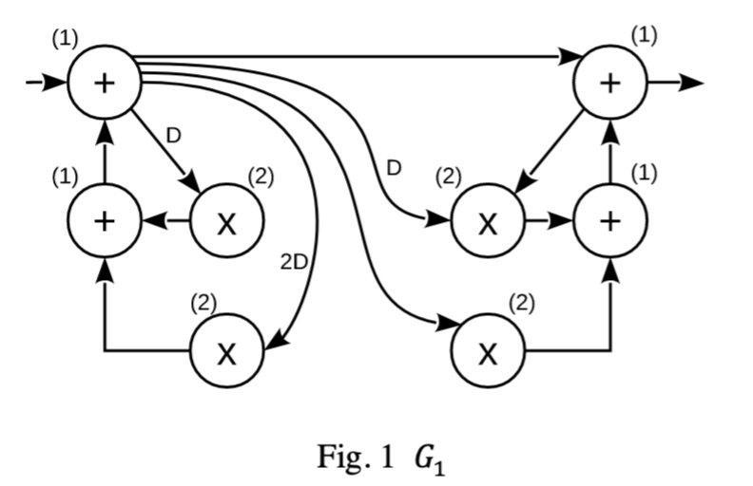
A
H
A -> B
Unfolding Factor j |  | d
2 |  | 1

C
B
F
G
i | A | B | d
0 | 0 | 1 | 0
1 | 1 | 0 | 1
B -> C
Unfolding Factor j |  | d
2 |  | 0
D
E
i | B | C | d
0 | 0 | 0 | 0
1 | 1 | 1 | 0
C -> A
Unfolding Factor j |  | d
2 |  | 0
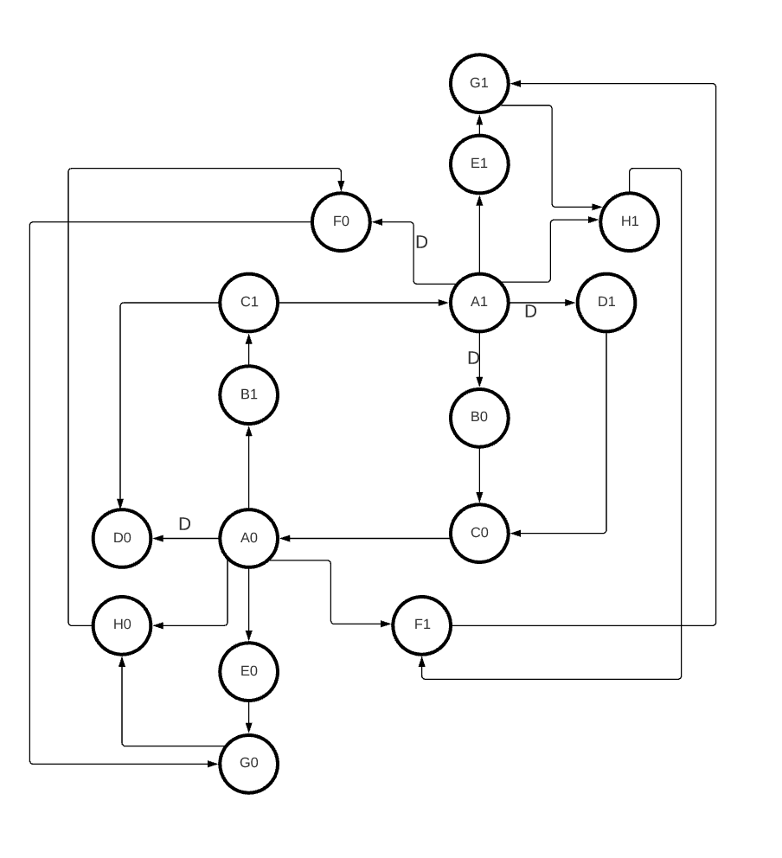
i | C | A | d
0 | 0 | 0 | 0
1 | 1 | 1 | 0
A -> D
Unfolding Factor j |  | d
2 |  | 2

i | A | D | d
0 | 0 | 0 | 1
1 | 1 | 1 | 1
A -> E
Unfolding Factor j |  | d
2 |  | 0

i | A | E | d
0 | 0 | 0 | 0
1 | 1 | 1 | 0
A -> F
Unfolding Factor j |  | d
2 |  | 1

i | A | F | d
0 | 0 | 1 | 0
1 | 1 | 0 | 1
A -> H
Unfolding Factor j |  | d
2 |  | 0

i | A | H | d
0 | 0 | 0 | 0
1 | 1 | 1 | 0
E -> G
Unfolding Factor j |  | d
2 |  | 0

i | E | G | d
0 | 0 | 0 | 0
1 | 1 | 1 | 0
F -> G
Unfolding Factor j |  | d
2 |  | 0

i | F | G | d
0 | 0 | 0 | 0
1 | 1 | 1 | 0
H -> F
Unfolding Factor j |  | d
2 |  | 0

i | H | F | d
0 | 0 | 0 | 0
1 | 1 | 1 | 0
D -> C
Unfolding Factor j |  | d
2 |  | 0

i | D | C | d
0 | 0 | 0 | 0
1 | 1 | 1 | 0
G -> H
Unfolding Factor j |  | d
2 |  | 0

i | G | H | d
0 | 0 | 0 | 0
1 | 1 | 1 | 0

