data+basic_plots
year | Services | Industry | Agriculture | GDP Per Capita | GDP Per Capita | services | industry | agriculture | gdp_growth | Global Recession
 | Global Recession | Agriculture | Industry | Services
 |  | 277 | 88 | 327
 |  | 282 | 93 | 362
 |  | 380 | 107 | 434
 |  | 465 | 140 | 512
 |  | 553 | 170 | 614
 |  | 675 | 198 | 742
 | 2590 | 725 | 256 | 960
 | 2590 | 858 | 331 | 1,265
 | 2590 | 1,022 | 372 | 1,435
 |  | 1,082 | 428 | 1,604
 |  | 1,244 | 554 | 1,790
 |  | 1,483 | 638 | 2,078
 |  | 1,624 | 724 | 2,277
 |  | 1,785 | 774 | 2,536
Services
Agriculture
Industry
Total sectoral output (in billions of rwandan francs) in rwanda has steadily increased since 2001. The industrial sector has expanded nearly eightfold, while the service and agriculture sectors have grown rapidly as well.
2001 | 327 | 88 | 277 | 211 | 126
2002 | 362 | 93 | 282 | 206 | 115 | 11% | 6% | 2% | -2%
2003 | 434 | 107 | 380 | 221 | 106 | 20% | 15% | 35% | 7%
2004 | 512 | 140 | 465 | 245 | 119 | 18% | 31% | 22% | 11%
2005 | 614 | 170 | 553 | 295 | 140 | 20% | 21% | 19% | 20%
2006 | 742 | 198 | 675 | 342 | 154 | 21% | 16% | 22% | 16%
GLOBAL RECESSION
2007 | 960 | 256 | 725 | 409 | 159 | 29% | 29% | 7% | 20%
2008 | 1,265 | 331 | 858 | 506 | 182 | 32% | 29% | 18% | 24% | 2,590 | 725
2009 | 1,435 | 372 | 1,022 | 547 | 190 | 13% | 12% | 19% | 8% | 2,590 | 725
2010 | 1,604 | 428 | 1,082 | 572 | 214 | 12% | 15% | 6% | 5% | 2,590 | 725
2011 | 1,790 | 554 | 1,244 | 627 | 240 | 12% | 29% | 15% | 10%
2012 | 2,078 | 638 | 1,483 | 689 | 244 | 16% | 15% | 19% | 10%
2013 | 2,277 | 724 | 1,624 | 701 | 259 | 10% | 13% | 10% | 2%
2014 | 2,536 | 774 | 1,785 | 718 | 286 | 11% | 7% | 10% | 2%
 |  |  |  |  |  | 17% | 18% | 16%
 | 2.87 | 2.76 | 2.10
 | 6.76 | 7.80 | 5.44

 |  |  | 1939
 |  |  |  |  |  | 2,536 | 774 | 1,785

 | Services | Agriculture | Industry
2001 | 327 | 277 | 88
2002 | 362 | 282 | 93
2003 | 434 | 380 | 107
 | Global Recession | GDP Per Capita | GDP Per Capita
 |  | 211 | 126
 |  | 206 | 115
 |  | 221 | 106
 |  | 245 | 119
 |  | 295 | 140
 |  | 342 | 154
 | 725 | 409 | 159
 | 725 | 506 | 182
 | 725 | 547 | 190
 |  | 572 | 214
 |  | 627 | 240
 |  | 689 | 244
 |  | 701 | 259
 |  | 718 | 286
Rwandan gdp per capita has steadily grown since 2001. The Rwandan economy has far outpaced that of neighboring Burundi.
2004 | 512 | 465 | 140
2005 | 614 | 553 | 170
2006 | 742 | 675 | 198
Rwanda
 | services | industry | agriculture
2001
2002 | 11% | 6% | 2%
2003 | 20% | 15% | 35%
2004 | 18% | 31% | 22%
2005 | 20% | 21% | 19%
2006 | 21% | 16% | 22%
2007 | 29% | 29% | 7%
2008 | 32% | 29% | 18%
2009 | 13% | 12% | 19%
2010 | 12% | 15% | 6%
2011 | 12% | 29% | 15%
2012 | 16% | 15% | 19%
2013 | 10% | 13% | 10%
2014 | 11% | 7% | 10%
2007 | 960 | 725 | 256
2008 | 1265 | 858 | 331
2009 | 1435 | 1022 | 372
2010 | 1604 | 1082 | 428
2011 | 1790 | 1244 | 554
2012 | 2078 | 1483 | 638
2013 | 2277 | 1624 | 724
2014 | 2536 | 1785 | 774

Burundi

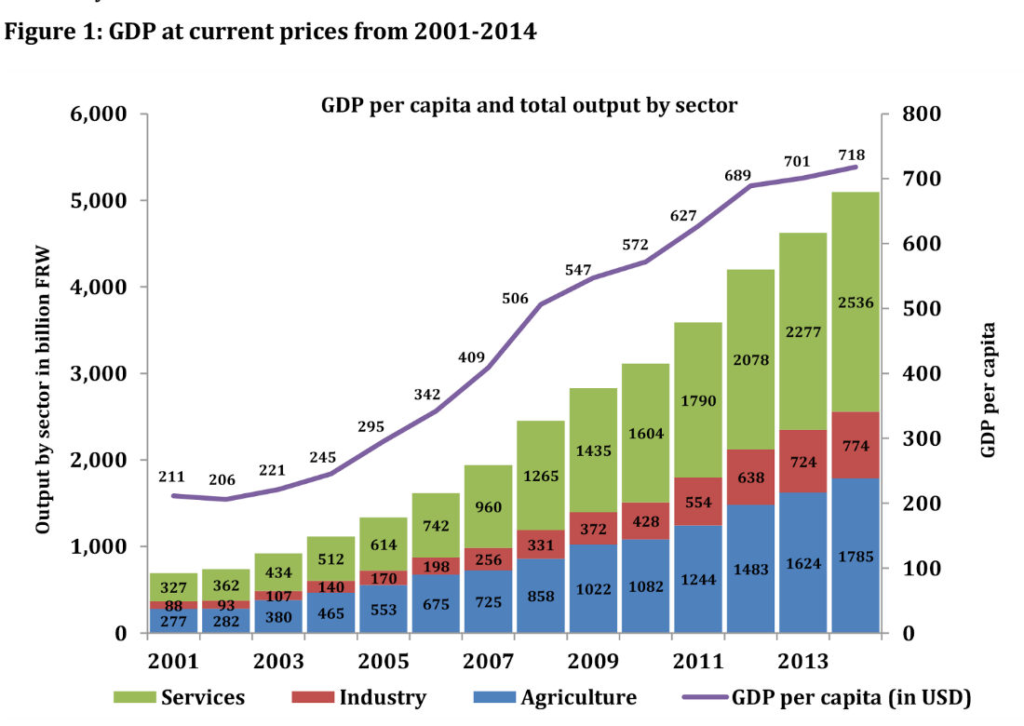

GDP per capita and total output by sector
GDP per capita and total output by sector

 | Agriculture | Industry | Services
2000
2001 | 277 | 88 | 327
2002 | 282 | 93 | 362
2003 | 380 | 107 | 434
2004 | 465 | 140 | 512
2005 | 553 | 170 | 614
2006 | 675 | 198 | 742
2007 | 725 | 256 | 960
2008 | 858 | 331 | 1,265
2009 | 1,022 | 372 | 1,435
2010 | 1,082 | 428 | 1,604
2011 | 1,244 | 554 | 1,790
2012 | 1,483 | 638 | 2,078
2013 | 1,624 | 724 | 2,277
2014 | 1,785 | 774 | 2,536
2015

2001 | 5.790 | 4.477 | 5.624 | 5.3518581335
2002 | 5.892 | 4.533 | 5.642 | 5.3278761688
2003 | 6.073 | 4.673 | 5.940 | 5.3981627015
2004 | 6.238 | 4.942 | 6.142 | 5.5012582105
2005 | 6.420 | 5.136 | 6.315 | 5.6869753563
2006 | 6.609 | 5.288 | 6.515 | 5.8348107371
2007 | 6.867 | 5.545 | 6.586 | 6.013715156
2008 | 7.143 | 5.802 | 6.755 | 6.2265366693
2009 | 7.269 | 5.919 | 6.930 | 6.3044488024
2010 | 7.380 | 6.059 | 6.987 | 6.3491389914
2011 | 7.490 | 6.317 | 7.126 | 6.4409465406
2012 | 7.639 | 6.458 | 7.302 | 6.535241271
2013 | 7.731 | 6.585 | 7.393 | 6.552507887
2014 | 7.838 | 6.652 | 7.487 | 6.576469569
 | 2.05 | 2.17 | 1.86

black&white
S
 | Agriculture | Industry | Services
2001 | 277 | 88 | 327
2002 | 282 | 93 | 362
2003 | 380 | 107 | 434
2004 | 465 | 140 | 512
2005 | 553 | 170 | 614
2006 | 675 | 198 | 742
2007 | 725 | 256 | 960
2008 | 858 | 331 | 1,265
2009 | 1,022 | 372 | 1,435
2010 | 1,082 | 428 | 1,604
2011 | 1,244 | 554 | 1,790
2012 | 1,483 | 638 | 2,078
2013 | 1,624 | 724 | 2,277
2014 | 1,785 | 774 | 2,536

 | Agriculture | Industry | Services
2000
2001 | 277 | 88 | 327
2002 | 282 | 93 | 362
2003 | 380 | 107 | 434
2004 | 465 | 140 | 512
2005 | 553 | 170 | 614
2006 | 675 | 198 | 742
2007 | 725 | 256 | 960
2008 | 858 | 331 | 1,265
2009 | 1,022 | 372 | 1,435
2010 | 1,082 | 428 | 1,604
2011 | 1,244 | 554 | 1,790
2012 | 1,483 | 638 | 2,078
2013 | 1,624 | 724 | 2,277
2014 | 1,785 | 774 | 2,536
2015
Services
Agriculture
Industry

 | Global Recession | Agriculture | Industry | Services
 |  | 277 | 88 | 327
 |  | 282 | 93 | 362
 |  | 380 | 107 | 434
 |  | 465 | 140 | 512
 |  | 553 | 170 | 614
 |  | 675 | 198 | 742
 | 2590 | 725 | 256 | 960
 | 2590 | 858 | 331 | 1,265
 | 2590 | 1,022 | 372 | 1,435
 |  | 1,082 | 428 | 1,604
 |  | 1,244 | 554 | 1,790
 |  | 1,483 | 638 | 2,078
 |  | 1,624 | 724 | 2,277
 |  | 1,785 | 774 | 2,536
Services
Agriculture
Industry
Total sectoral output (in billions of rwanda francs) in rwanda has steadily increased since 2001. The industrial sector has expanded nearly eightfold, while the service and agriculture sectors continue to expand at a blistering rate.

heatmap
0.09 B
2.60 B
Services
Agriculture
 |  |  | Total sectoral output in billions of Rwandan Francs
 | - | 0.33 B | 0.36 B | 0.43 B | 0.51 B | 0.61 B | 0.74 B | 0.96 B | 1.27 B | 1.44 B | 1.60 B | 1.79 B | 2.08 B | 2.28 B | 2.54 B
 | - | 0.28 B | 0.28 B | 0.38 B | 0.47 B | 0.55 B | 0.68 B | 0.73 B | 0.86 B | 1.02 B | 1.08 B | 1.24 B | 1.48 B | 1.62 B | 1.79 B
Industry
 | - | 0.09 B | 0.09 B | 0.11 B | 0.14 B | 0.17 B | 0.20 B | 0.26 B | 0.33 B | 0.37 B | 0.43 B | 0.55 B | 0.64 B | 0.72 B | 0.77 B
GLOBAL RECESSION
 |  | | | 2002 | | | 2004 | | | 2006 | | | 2008 | | | 2010 | | | 2012 | | | 2014
Services
 | - |  | 11% | 20% | 18% | 20% | 21% | 29% | 32% | 13% | 12% | 12% | 16% | 10% | 11%
Agriculture
 | - |  | 2% | 35% | 22% | 19% | 22% | 7% | 18% | 19% | 6% | 15% | 19% | 10% | 10%
gdp per capita
($ USD)
Industry
 | - |  | 6% | 15% | 31% | 21% | 16% | 29% | 29% | 12% | 15% | 29% | 15% | 13% | 7%
 | - |  | -2% | 7% | 11% | 20% | 16% | 20% | 24% | 8% | 5% | 10% | 10% | 2% | 2%
negative
more positive
 |  | no data | Annual growth rate

Total

Services
Agriculture
Industry

 |  |  |  |  |  |  |  |  |  |  |  |  |  |  |  |  | 2.448 | 0.4896

 |  |  | 0.0 B | 0.0 B | 0.0 B | 0.0 B | 0.0 B | 0.0 B | 0.0 B | 0.0 B | 0.0 B | 0.0 B | 0.0 B | 0.0 B | 0.0 B | 0.0 B
 |  |  | 0.0 B | 0.0 B | 0.0 B | 0.0 B | 0.0 B | 0.0 B | 0.0 B | 0.0 B | 0.0 B | 0.0 B | 0.0 B | 0.0 B | 0.0 B | 0.0 B
 |  |  | 0.0 B | 0.0 B | 0.0 B | 0.0 B | 0.0 B | 0.0 B | 0.0 B | 0.0 B | 0.0 B | 0.0 B | 0.0 B | 0.0 B | 0.0 B | 0.0 B

