ijcnn1
MODEL | COMPRESS_TIME | SPLIT_TIME | Rest_train_time | Train_Time | Test_Time | TRAIN_SPEEDUP | COMPRESS_SPEEDUP | SPLIT_SPEEDUP
OpenMPI | 0.725496 | 0.028283 | 0.420342 | 1.174121 | 0.608053 | 2.4156896947 | 2.8851461621 | 11.098115476
SEQUENTIAL | 2.093162 | 0.313888 | 0.429262 | 2.836312 | 0.544575
OpenMP | 1.713147 | 0.494591 | 0.334594 | 2.542332 | 0.656384
Evaluation on ijcnn1 dataset training process
CUDA | 3.159138 | 0.007344 | 0.454249 | 3.620731 | 0.436901

Model | Compress_time | Split_time | Net_train_time
Sequential | 2.093162 | 0.313888 | 0.429262
OpenMP | 1.713147 | 0.494591 | 0.334594
OpenMPI | 0.725496 | 0.028283 | 0.420342
CUDA | 3.159138 | 0.007344 | 0.454249

Sheet1
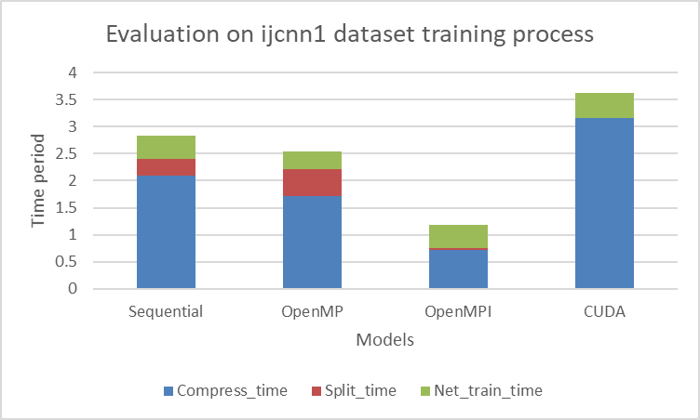

big_size_small_feature
MODEL | COMPRESS_TIME | SPLIT_TIME | Train_Time | Test_Time | TRAIN_SPEEDUP | COMPRESS_SPEEDUP | SPLIT_SPEEDUP
MPI | 67.786424 | 0.091329 | 97.829084 | 3.329888 | 2.1166379111 | 2.6155464256 | 28.340012482
SEQUENTIAL | 177.298539 | 2.588265 | 207.068748 | 3.058514
OpenMP | 84.336313 | 3.148343 | 114.807291 | 3.178626
Evaluation on big_size_small_feature dataset training process
CUDA | 72.283891 | 0.043678 | 93.539673 | 2.361794

Model | Compress_time | Split_time | Net_train_time
Sequential | 177.298539 | 2.588265 | 27.181944
OpenMP | 84.336313 | 3.148343 | 27.322635
OpenMPI | 67.786424 | 0.091329 | 29.951331
CUDA | 72.283891 | 0.043678 | 21.212104

Sheet2
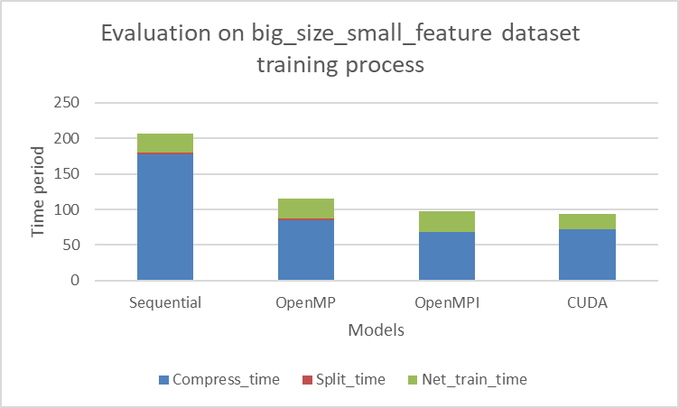

middle_size_small_feature
MODEL | COMPRESS_TIME | SPLIT_TIME | Train_Time | Test_Time | TRAIN_SPEEDUP | COMPRESS_SPEEDUP | SPLIT_SPEEDUP
MPI | 6.619429 | 0.175356 | 9.860202 | 0.331761 | 2.2797734773 | 2.6418290762 | 13.040614521
SEQUENTIAL | 17.487400 | 2.286750 | 22.479027 | 0.301690
OpenMP | 9.791004 | 2.621128 | 15.220288 | 0.316524
Evaluation on middle_size_small_feature dataset training process
CUDA | 7.358692 | 0.044515 | 9.78269 | 0.235773

Model | Compress_time | Split_time | Net_train_time
Sequential | 17.4874 | 2.28675 | 2.704877
OpenMP | 9.791004 | 2.621128 | 2.808156
OpenMPI | 6.619429 | 0.175356 | 3.065417
CUDA | 7.358692 | 0.044515 | 2.379483

Sheet3
