Settings
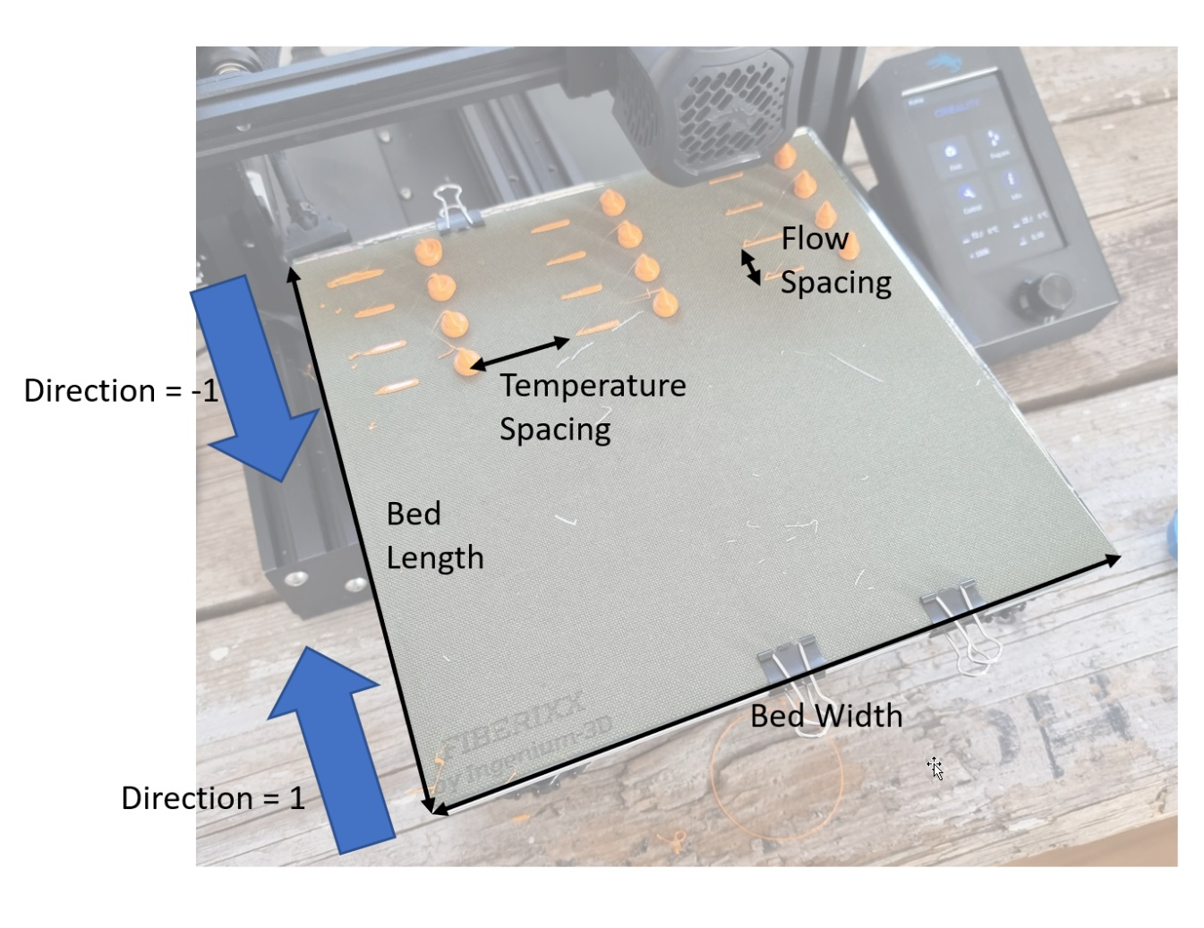
General Settings
Bed Width | 220 | mm
Bed Length | 210 | mm
Bed Margin | 5 | mm
Filament Diameter | 1.75 | mm
Travel Speed | 100 | mm/s
Stabilization Time | 20 | s
Bed Temperature | 55 | °C
Fan Speed | 0 | %

Prime Length | 25 | mm
Prime Amount | 20 | mm | Prime Flow
Prime Speed | 5 | mm/s | 10 | mm³/s
Wipe Length | 15 | mm
Retraction Distance | 4 | mm
Retraction Speed | 60 | mm/s

Blob Height | 10 | mm
Extrusion Amount | 200 | mm

Direction | -1 | 1=front to back, -1=back to front
Temperature Spacing | 40 | mm
Flow Spacing | 25 | mm

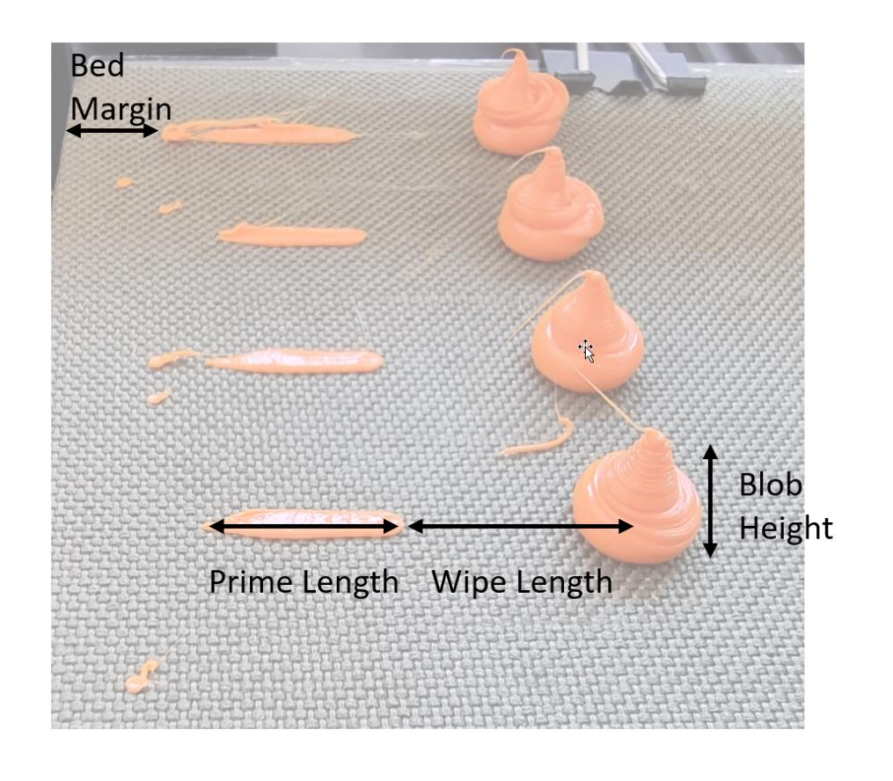
DOE Settings
Flow Variation
Start Flow | 2 | mm³/s
Offset | 2 | mm³/s
Steps | 8
End Flow | 16 | mm³/s

Temperature Variation
Start Temperature | 240 | °C
Offset | -20 | K
Steps | 3 |  | If Steps = 1 "Fill Mode" is used
End Flow | 200 | °C

Comment | Ender-3

SampleEvaluation
 |  | Test 1
 | Printer | Ender-3 Pro
 | Material | DasFilament PLA
 | Temperature / °C | 240 | 220 | 200
 | Flow rate / mm³/s | weights / g
Input | 2 | 0.610 | 0.600 | 0.600
 | 4 | 0.600 | 0.590 | 0.590
 | 6 | 0.600 | 0.600 | 0.600
 | 8 | 0.600 | 0.600 | 0.600
 | 10 | 0.600 | 0.600 | 0.590
 | 12 | 0.600 | 0.590 | 0.590
 | 14 | 0.590 | 0.580 | 0.580
 | 16 | 0.590 | 0.590 | 0.580

Underextrusion Amount | 2 | 0% | 0% | 0%
 | 4 | -2% | -2% | -2%
 | 6 | -2% | 0% | 0%
 | 8 | -2% | 0% | 0%
 | 10 | -2% | 0% | -2%
 | 12 | -2% | -2% | -2%
 | 14 | -3% | -3% | -3%
 | 16 | -3% | -2% | -3%

Real Flow | 2 | 2.0 | 2.0 | 2.0
 | 4 | 3.9 | 3.9 | 3.9
 | 6 | 5.9 | 6.0 | 6.0
 | 8 | 7.9 | 8.0 | 8.0
 | 10 | 9.8 | 10.0 | 9.8
 | 12 | 11.8 | 11.8 | 11.8
 | 14 | 13.5 | 13.5 | 13.5
 | 16 | 15.5 | 15.7 | 15.5

Real Flow
Ender-3 Pro - Extrusion Test

