Layout Rankings Summary
ROOM Layout Quality & Relational Accuracy Benchmark Report

Total Runs Analyzed: 6 | Includes 2 Special Benchmark Rows (Baseline Model & Complete Released Full Model)

Rank | Layout Visualization | Log File / Model Name | Quality Score | Relational Acc (%) | RIGHT Relations | WRONG Relations | WRONG Relation Details | Overlaps (Count) | OBB Overlap (m²) | Out of Bounds | Max OOB Dist (m) | Free Floor % | Walkable Components | Center Clear (m) | Grade Status
#1 | 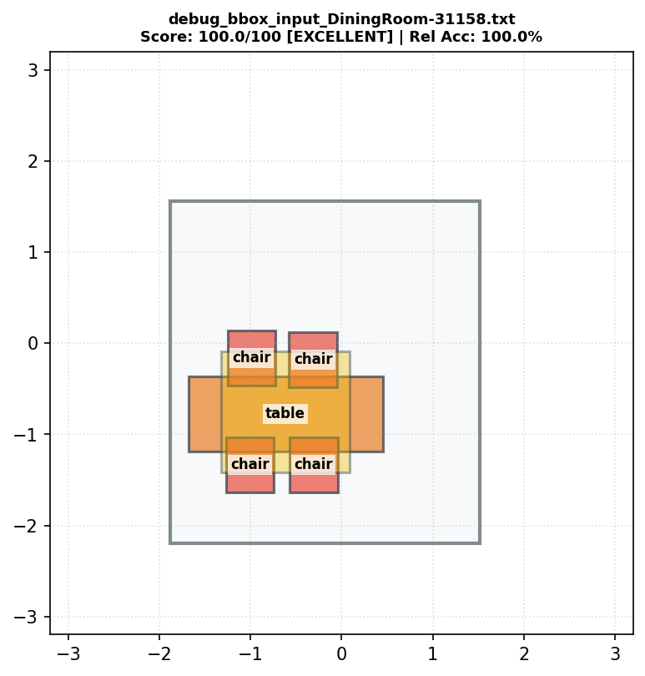 | debug_bbox_input_DiningRoom-31158.txt | 100.0 | 100.0% | 38 | 5 | lamp(6)--[above]-->chair(2), lamp(6)--[above]-->table(1), lamp(6)--[above]-->chair(3), lamp(6)--[above]-->chair(4), lamp(6)--[above]-->chair(5) | 0 | 0.2761 | 0 | 0 | 78.5 | 1 | 0.05 | EXCELLENT
#2 | 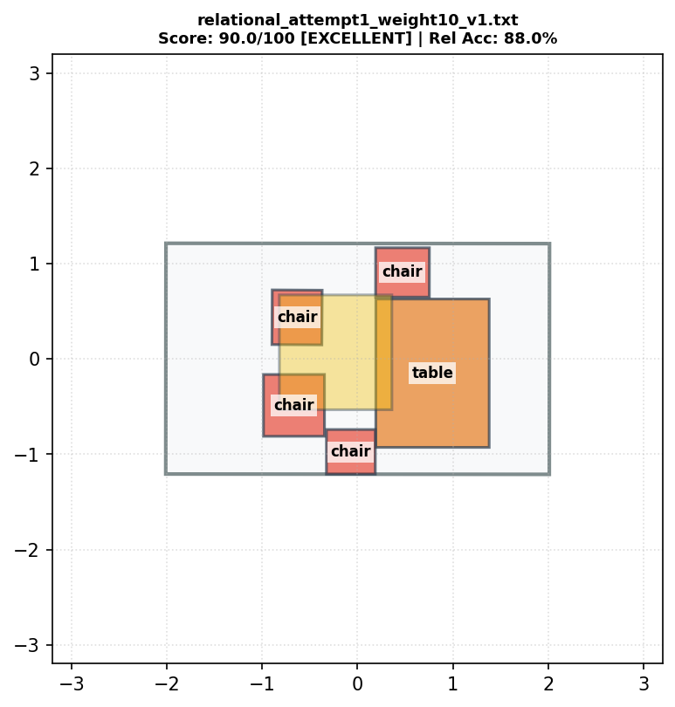 | relational_attempt1_weight10_v1.txt | 90.0 | 88.0% | 35 | 8 | chair(2)--[close by]-->chair(3), chair(5)--[close by]-->table(1), table(1)--[smaller than]-->lamp(6), lamp(6)--[above]-->chair(2), lamp(6)--[above]-->table(1), lamp(6)--[above]-->chair(3), lamp(6)--[above]-->chair(4), lamp(6)--[above]-->chair(5) | 1 | 0 | 0 | 0 | 68.2 | 1 | 0.192 | EXCELLENT
#3 | 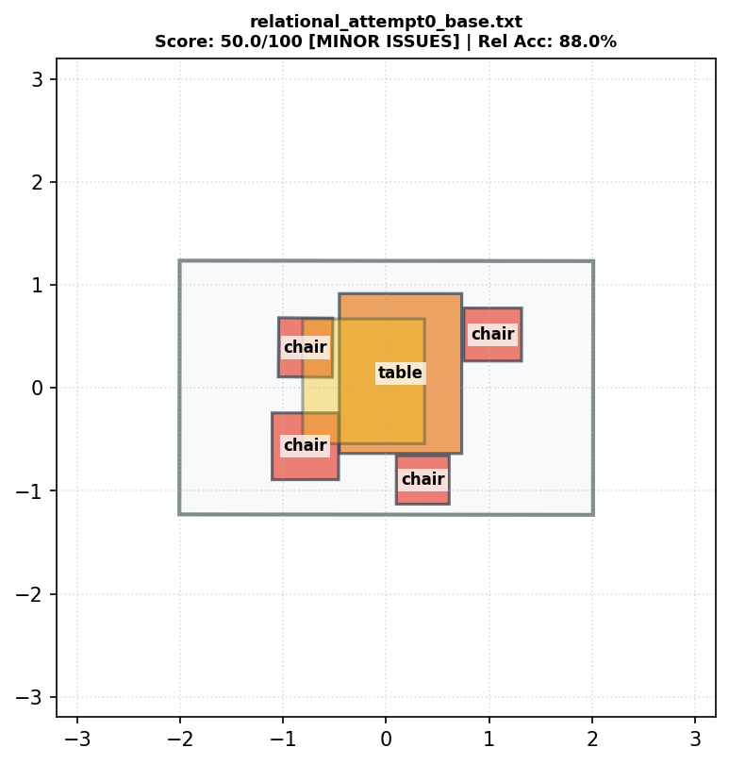 | relational_attempt0_base.txt | 50.0 | 88.0% | 35 | 8 | chair(2)--[close by]-->chair(3), table(1)--[smaller than]-->lamp(6), chair(5)--[close by]-->chair(4), lamp(6)--[above]-->chair(2), lamp(6)--[above]-->table(1), lamp(6)--[above]-->chair(3), lamp(6)--[above]-->chair(4), lamp(6)--[above]-->chair(5) | 3 | 0 | 0 | 0 | 68.7 | 1 | 0 | MINOR ISSUES
#4 |  | relational_attempt2_weight1_v1.txt | 50.0 | 88.0% | 35 | 8 | chair(2)--[close by]-->chair(3), table(1)--[smaller than]-->lamp(6), chair(5)--[close by]-->chair(4), lamp(6)--[above]-->chair(2), lamp(6)--[above]-->table(1), lamp(6)--[above]-->chair(3), lamp(6)--[above]-->chair(4), lamp(6)--[above]-->chair(5) | 3 | 0 | 0 | 0 | 68.7 | 1 | 0 | MINOR ISSUES
[BENCHMARK] | 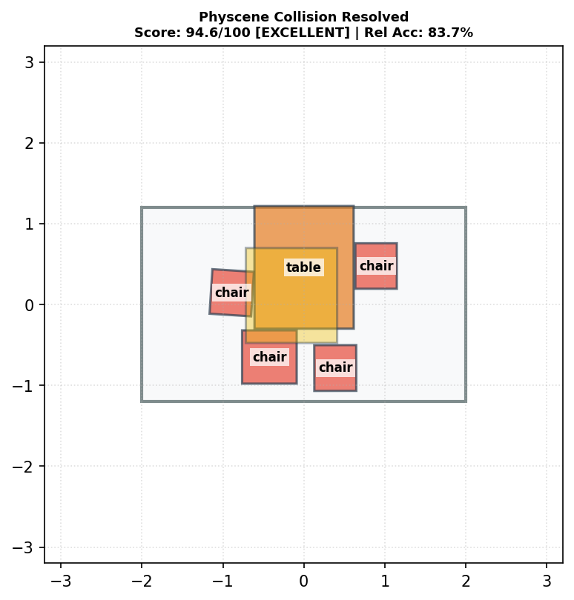 | [BASELINE MODEL] Physcene Collision Resolved | 94.6 | 83.7% | 36 | 7 | chair(2)--[close by]-->chair(3), table(1)--[smaller than]-->lamp(6), lamp(6)--[above]-->chair(2), lamp(6)--[above]-->table(1), lamp(6)--[above]-->chair(3), lamp(6)--[above]-->chair(4), lamp(6)--[above]-->chair(5) | 0 | 0 | 1 | 0.0179 | 67.2 | 1 | 0 | EXCELLENT
[BENCHMARK] | 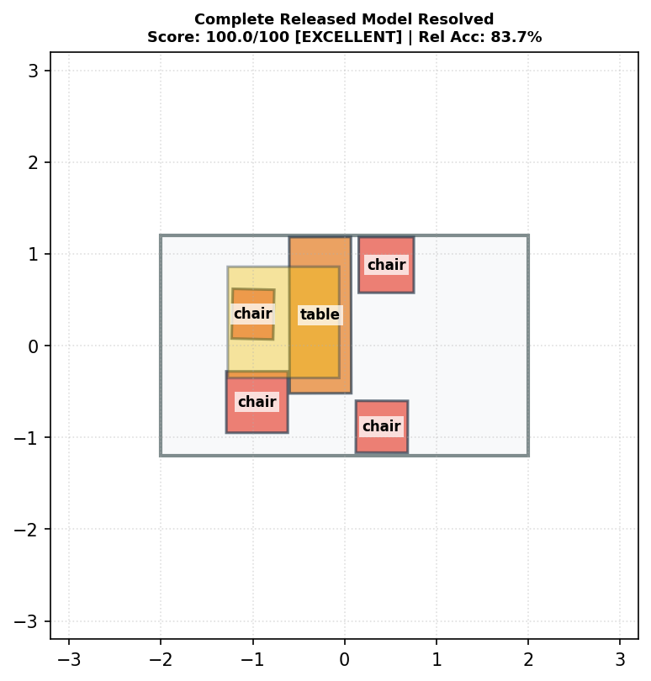 | [RELEASED FULL MODEL] Complete Released Model Resolved | 100.0 | 83.7% | 36 | 7 | chair(2)--[close by]-->chair(3), chair(5)--[close by]-->chair(4), lamp(6)--[above]-->chair(2), lamp(6)--[above]-->table(1), lamp(6)--[above]-->chair(3), lamp(6)--[above]-->chair(4), lamp(6)--[above]-->chair(5) | 0 | 0 | 0 | 0 | 73.8 | 1 | 0 | EXCELLENT

