Layout Rankings Summary
ROOM Layout Quality & Relational Accuracy Benchmark Report

Total Runs Analyzed: 4 | Includes 2 Special Benchmark Rows (Baseline Model & Complete Released Full Model)

Rank | Layout Visualization | Log File / Model Name | Quality Score | Relational Acc (%) | RIGHT Relations | WRONG Relations | WRONG Relation Details | Overlaps (Count) | OBB Overlap (m²) | Out of Bounds | Max OOB Dist (m) | Free Floor % | Walkable Components | Center Clear (m) | Grade Status
#1 | 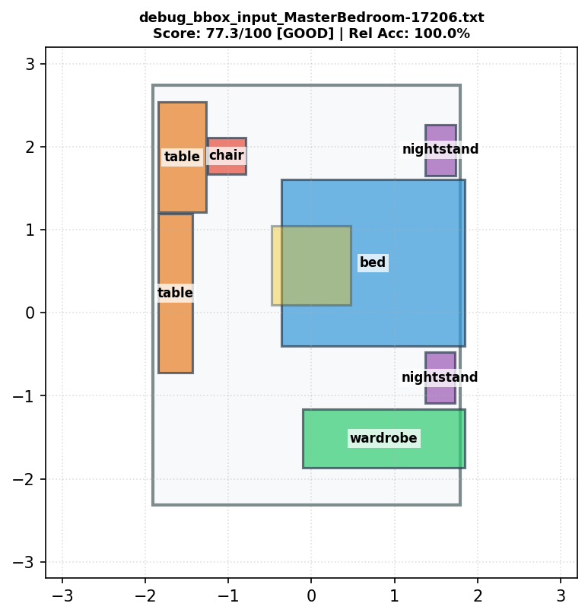 | debug_bbox_input_MasterBedroom-17206.txt | 77.3 | 100.0% | 106 | 5 | lamp(7)--[above]-->table(8), lamp(7)--[above]-->nightstand(6), lamp(7)--[above]-->table(5), lamp(7)--[above]-->chair(4), lamp(7)--[above]-->nightstand(2) | 0 | 0 | 2 | 0.0585 | 58.1 | 1 | 0 | GOOD
#2 | 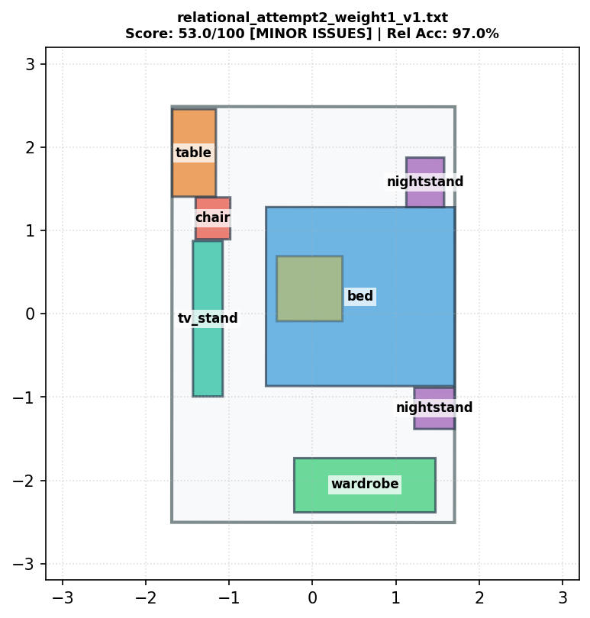 | relational_attempt2_weight1_v1.txt | 53.0 | 97.0% | 103 | 8 | lamp(7)--[above]-->tv_stand(8), table(5)--[close by]-->tv_stand(8), lamp(7)--[above]-->nightstand(6), tv_stand(8)--[shorter than]-->chair(4), table(5)--[smaller than]-->lamp(7), lamp(7)--[above]-->table(5), lamp(7)--[above]-->chair(4), lamp(7)--[above]-->nightstand(2) | 2 | 0 | 1 | 0.0004 | 53.3 | 1 | 0 | MINOR ISSUES
[BENCHMARK] | 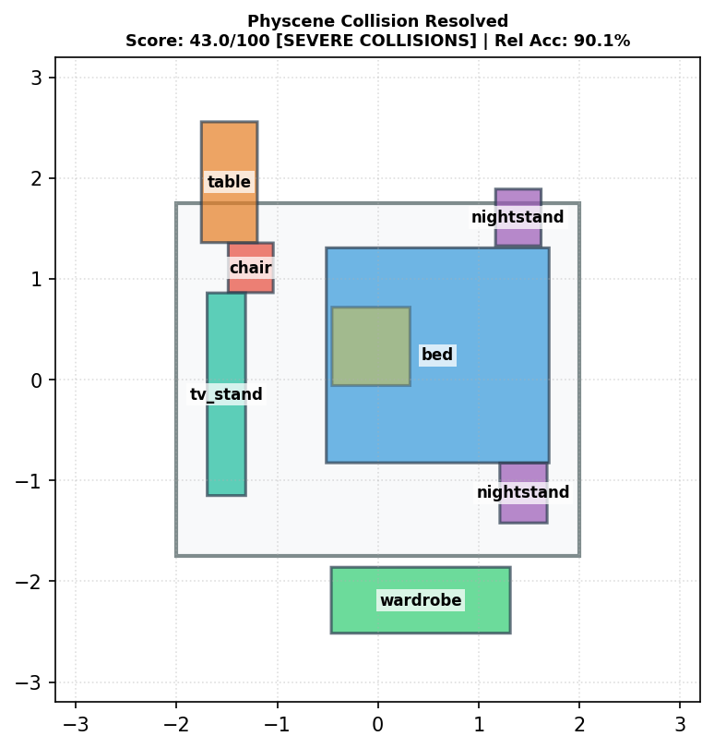 | [BASELINE MODEL] Physcene Collision Resolved | 43.0 | 90.1% | 100 | 11 | lamp(7)--[above]-->tv_stand(8), table(5)--[close by]-->tv_stand(8), tv_stand(8)--[shorter than]-->nightstand(2), wardrobe(3)--[close by]-->nightstand(6), lamp(7)--[above]-->nightstand(6), tv_stand(8)--[shorter than]-->chair(4), table(5)--[smaller than]-->lamp(7), lamp(7)--[above]-->table(5), tv_stand(8)--[shorter than]-->nightstand(6), lamp(7)--[above]-->chair(4), lamp(7)--[above]-->nightstand(2) | 0 | 0 | 3 | 0.8067 | 54.4 | 1 | 0 | SEVERE COLLISIONS
[BENCHMARK] | 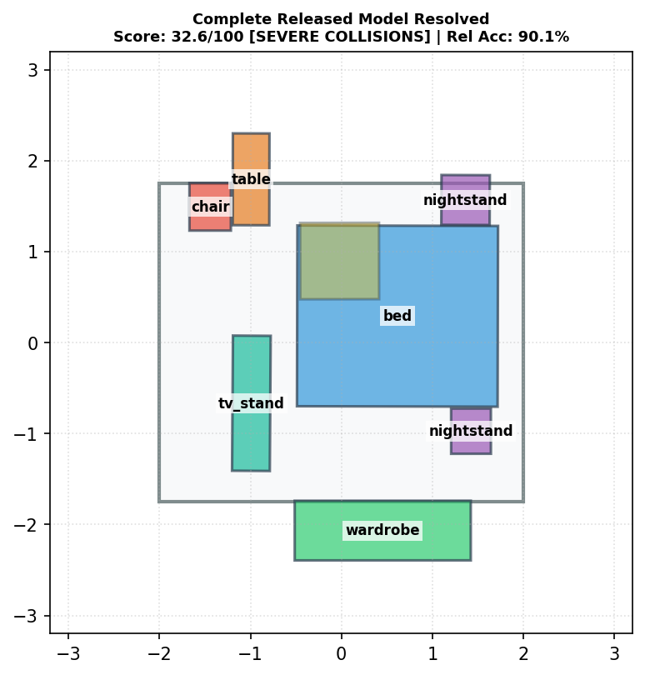 | [RELEASED FULL MODEL] Complete Released Model Resolved | 32.6 | 90.1% | 100 | 11 | lamp(7)--[above]-->tv_stand(8), table(5)--[close by]-->tv_stand(8), table(5)--[behind]-->chair(4), tv_stand(8)--[shorter than]-->nightstand(2), lamp(7)--[above]-->nightstand(6), tv_stand(8)--[shorter than]-->chair(4), lamp(7)--[above]-->table(5), tv_stand(8)--[shorter than]-->nightstand(6), tv_stand(8)--[behind]-->chair(4), lamp(7)--[above]-->chair(4), lamp(7)--[above]-->nightstand(2) | 0 | 0 | 4 | 0.6446 | 57.8 | 1 | 0 | SEVERE COLLISIONS

