Atmega32U2 Pinout
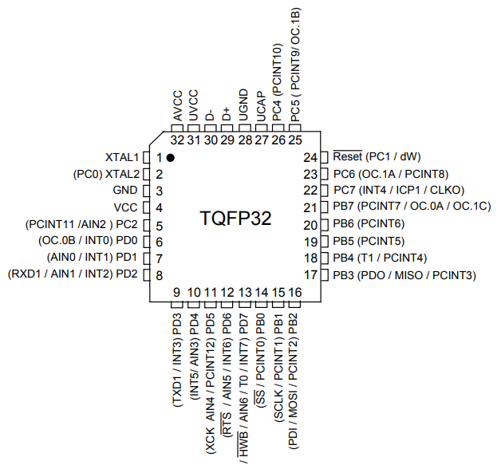
Pin No. | Name | Description | STATUS | Purpose | Direction
1 | XTAL1 |  | USED
2 | XTAL2 |  | USED
3 | GND |  | USED
4 | VCC |  | USED
5 | PC2 | PortC-Pin2 | UNUSED
6 | PD0 |  | UNUSED
7 | PD1 | ADC0 | UNUSED
8 | PD2 | ADC1 | UNUSED
9 | PD3 |  | UNUSED
10 | PD4 | ADC3 | UNUSED
11 | PD5 | ADC4 | UNUSED
12 | PD6 | ADC5 | UNUSED
13 | PD7 | ADC6 | UNUSED
14 | PB0 | !SlaveSel | UNUSED
15 | PB1 | SCLK | UNUSED
16 | PB2 | MOSI | UNUSED
17 | PB3 | MISO | UNUSED
18 | PB4 | PCINT4 | USED | Encoder B | IN/INT
19 | PB5 | PCINT5 | USED | Encoder A | IN/INT
20 | PB6 | PCINT6 | USED | Encoder Button | IN/INT
21 | PB7 |  | USED | RGB LED Control | OUT
22 | PC7 |  | UNUSED
23 | PC6 |  | UNUSED
24 | !Reset |  | UNUSED
25 | PC5 |  | UNUSED
26 | PC4 |  | UNUSED
27 | UCAP |  | UNUSED
28 | UGND |  | USED
29 | D+ |  | USED
30 | D- |  | USED
31 | UVCC |  | USED
32 | AVCC |  | USED

