original
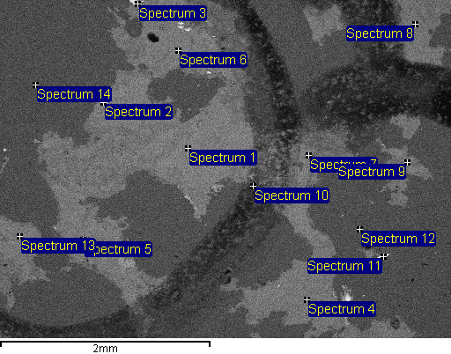
Project: Project 1
Owner: oxides
Site: Site of Interest 1

Sample: Sample 3
Type: Default
ID: R334047

Processing option : All elements analysed (Normalised)

All results in weight%

X and Y are beam positions

Spectrum | In stats. | X (mm) | Y (mm) | O | F | Al | Si | S | K | Cr | Mn | Fe | Zn | Nb | Ta | W | Total

Spectrum 1 | Yes | 0.359 | -0.2 | 32.31 |  | 14.77 | 25.95 |  | 10.18 |  | 1.14 | 15.66 |  |  |  |  | 100
Spectrum 2 | Yes | 1.161 | -0.635 | 1.23 |  |  | 0.53 | 35.83 |  |  |  | 9.38 | 53.03 |  |  |  | 100
Spectrum 3 | Yes | 0.835 | -1.57 |  |  |  | 0.35 | 42.82 |  |  |  | 56.82 |  |  |  |  | 100
Spectrum 4 | Yes | -0.768 | 1.236 | 30.87 |  | 14.64 | 26.68 |  | 10.92 |  | 1.17 | 15.72 |  |  |  |  | 100
Spectrum 5 | Yes | 1.353 | 0.668 | 27.55 | 9.71 | 13.7 | 24.99 |  | 9.77 |  | 0.64 | 13.63 |  |  |  |  | 100
Spectrum 6 | Yes | 0.451 | -1.128 | 31.57 |  | 14.67 | 26.89 |  | 10.74 |  | 1.12 | 15.01 |  |  |  |  | 100
Spectrum 7 | Yes | -0.785 | -0.134 | 34.79 |  | 12.89 | 35.18 |  | 8.91 |  | 0.52 | 7.71 |  |  |  |  | 100
Spectrum 8 | Yes | -1.796 | -1.378 | 26.93 | 9.81 | 13.63 | 25.3 |  | 10.12 |  | 0.62 | 13.59 |  |  |  |  | 100
Spectrum 9 | Yes | -1.721 | -0.067 | 32.01 |  | 14.73 | 28.02 |  | 11.31 |  | 0.66 | 13.27 |  |  |  |  | 100
Spectrum 10 | Yes | -0.259 | 0.159 | 18.36 |  | 16.99 | 35.05 |  | 13.55 | 2.17 | 0.92 | 12.97 |  |  |  |  | 100
Spectrum 11 | Yes | -1.495 | 0.827 | 13.53 |  |  |  |  |  |  | 8.98 | 8.98 |  | 9.21 | 4.42 | 54.89 | 100
Spectrum 12 | Yes | -1.27 | 0.568 | 40.64 |  |  | 59.36 |  |  |  |  |  |  |  |  |  | 100
Spectrum 13 | Yes | 1.954 | 0.635 | 31.96 |  | 14.7 | 26.02 |  | 10.42 |  | 0.86 | 16.04 |  |  |  |  | 100
Spectrum 14 | Yes | 1.804 | -0.802 | 41.84 |  |  | 58.16 |  |  |  |  |  |  |  |  |  | 100

Max. |  |  |  | 41.84 | 9.81 | 16.99 | 59.36 | 42.82 | 13.55 | 2.17 | 8.98 | 56.82 | 53.03 | 9.21 | 4.42 | 54.89
Min. |  |  |  | 1.23 | 9.71 | 12.89 | 0.35 | 35.83 | 8.91 | 2.17 | 0.52 | 7.71 | 53.03 | 9.21 | 4.42 | 54.89

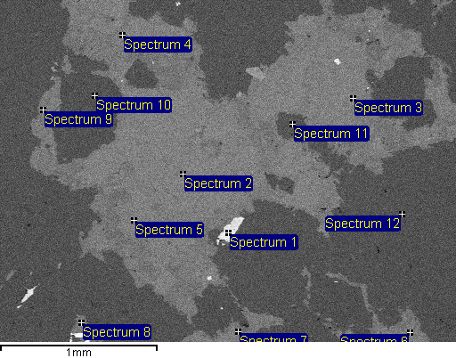
Project: Project 1
Owner: oxides
Site: Site of Interest 2

Sample: Sample 3
Type: Default
ID: R334047

Processing option : All elements analysed (Normalised)

All results in weight%

X and Y are beam positions

Spectrum | In stats. | X (mm) | Y (mm) | O | F | Na | Al | Si | S | K | Mn | Fe | Total

Spectrum 1 | Yes | 0 | 0.389 | 3.83 |  |  |  | 0.8 | 41.59 |  |  | 53.79 | 100
Spectrum 2 | Yes | 0.287 | 0.017 | 26.73 | 10.9 | 0.37 | 13.79 | 23.77 |  | 9.63 | 0.96 | 13.84 | 100
Spectrum 3 | Yes | -0.789 | -0.462 | 27.87 | 9.07 |  | 13.46 | 25.62 |  | 10.23 | 0.83 | 12.92 | 100
Spectrum 4 | Yes | 0.671 | -0.862 | 33.12 |  |  | 14.71 | 25.48 |  | 10.4 | 0.91 | 15.38 | 100
Spectrum 5 | Yes | 0.597 | 0.31 | 32.3 |  |  | 14.89 | 26.45 |  | 10.37 | 0.79 | 15.2 | 100
Spectrum 6 | Yes | -1.15 | 1.02 | 31.41 |  |  | 14.79 | 26.01 |  | 10.82 | 0.9 | 16.07 | 100
Spectrum 7 | Yes | -0.062 | 1.014 | 32.06 |  |  | 14.34 | 26.58 |  | 10.8 | 0.82 | 15.4 | 100
Spectrum 8 | Yes | 0.93 | 0.958 | 27.03 | 10.25 |  | 13.36 | 24.58 |  | 10.18 | 0.68 | 13.92 | 100
Spectrum 9 | Yes | 1.172 | -0.389 | 26.54 | 11.63 |  | 13.03 | 25.36 |  | 9.82 | 0.72 | 12.89 | 100
Spectrum 10 | Yes | 0.845 | -0.479 | 23.86 | 25.82 |  | 32.4 | 17.92 |  |  |  |  | 100
Spectrum 11 | Yes | -0.406 | -0.299 | 41.12 |  |  |  | 58.88 |  |  |  |  | 100
Spectrum 12 | Yes | -1.099 | 0.27 | 40.67 |  |  |  | 59.33 |  |  |  |  | 100

Max. |  |  |  | 41.12 | 25.82 | 0.37 | 32.4 | 59.33 | 41.59 | 10.82 | 0.96 | 53.79
Min. |  |  |  | 3.83 | 9.07 | 0.37 | 13.03 | 0.8 | 41.59 | 9.63 | 0.68 | 12.89

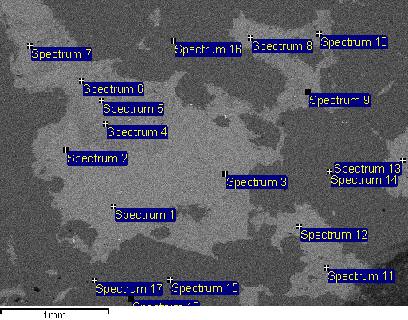
Project: Project 1
Owner: oxides
Site: Site of Interest 3

Sample: Sample 3
Type: Default
ID: R334047

Processing option : All elements analysed (Normalised)

All results in weight%

X and Y are beam positions

Spectrum | In stats. | X (mm) | Y (mm) | O | F | Al | Si | K | Mn | Fe | Total

Spectrum 1 | Yes | 0.833 | 0.49 | 27.6 | 9.38 | 14.27 | 23.95 | 9.32 | 1.01 | 14.48 | 100
Spectrum 2 | Yes | 1.272 | -0.029 | 31.88 |  | 14.77 | 25.37 | 10.57 | 1.25 | 16.17 | 100
Spectrum 3 | Yes | -0.19 | 0.19 | 26.66 | 9.63 | 13.87 | 24.99 | 9.82 | 1 | 14.03 | 100
Spectrum 4 | Yes | 0.906 | -0.27 | 26.65 | 11.77 | 12.96 | 26.42 | 9.86 | 0.43 | 11.91 | 100
Spectrum 5 | Yes | 0.943 | -0.482 | 33 |  | 14.41 | 25.84 | 10.79 | 0.91 | 15.04 | 100
Spectrum 6 | Yes | 1.125 | -0.665 | 31.63 |  | 14.96 | 25.41 | 10.72 | 0.89 | 16.39 | 100
Spectrum 7 | Yes | 1.601 | -0.987 | 31.17 |  | 14.41 | 27.48 | 10.81 | 0.91 | 15.22 | 100
Spectrum 8 | Yes | -0.424 | -1.06 | 27.71 | 9.46 | 13.72 | 24.16 | 10.06 | 0.87 | 14.02 | 100
Spectrum 9 | Yes | -0.95 | -0.563 | 32.26 |  | 14.21 | 26.32 | 10.88 | 0.92 | 15.42 | 100
Spectrum 10 | Yes | -1.052 | -1.096 | 33.97 |  | 16.73 | 29.23 | 11.29 | 0.52 | 8.27 | 100
Spectrum 11 | Yes | -1.118 | 1.052 | 31.47 |  | 14.07 | 28.17 | 11.19 | 0.74 | 14.36 | 100
Spectrum 12 | Yes | -0.87 | 0.672 | 23.07 | 8.56 | 14.68 | 25.44 | 11.07 | 0.85 | 16.33 | 100
Spectrum 13 | Yes | -1.82 | 0.066 | 26.24 | 8.95 | 14.7 | 23.97 | 9.77 | 1.05 | 15.32 | 100
Spectrum 14 | Yes | -1.147 | 0.168 | 40.36 |  |  | 59.64 |  |  |  | 100
Spectrum 15 | Yes | 0.314 | 1.162 | 23.3 | 25.74 | 32.52 | 18.45 |  |  |  | 100
Spectrum 16 | Yes | 0.285 | -1.03 | 41.74 |  |  | 58.26 |  |  |  | 100
Spectrum 17 | Yes | 1.009 | 1.169 | 40.34 |  |  | 58.88 |  |  | 0.78 | 100
Spectrum 18 | Yes | 0.672 | 1.337 | 22.95 | 25.99 | 32.46 | 18.59 |  |  |  | 100

Max. |  |  |  | 41.74 | 25.99 | 32.52 | 59.64 | 11.29 | 1.25 | 16.39
Min. |  |  |  | 22.95 | 8.56 | 12.96 | 18.45 | 9.32 | 0.43 | 0.78

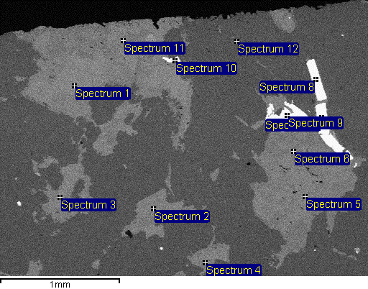
Project: Project 1
Owner: oxides
Site: Site of Interest 4

Sample: Sample 3
Type: Default
ID: R334047

Processing option : All elements analysed (Normalised)

All results in weight%

X and Y are beam positions

Spectrum | In stats. | X (mm) | Y (mm) | O | F | Na | Al | Si | K | Mn | Fe | W | Total

Spectrum 1 | Yes | 0.917 | -0.438 | 32.43 |  | 0.41 | 15.06 | 25.47 | 10.44 | 1.05 | 15.15 |  | 100
Spectrum 2 | Yes | 0.258 | 0.588 | 27.12 | 10.69 |  | 13.05 | 25.56 | 10.08 | 0.74 | 12.76 |  | 100
Spectrum 3 | Yes | 1.037 | 0.492 | 32.15 |  |  | 14.56 | 25.5 | 10.35 | 0.94 | 16.5 |  | 100
Spectrum 4 | Yes | -0.174 | 1.037 | 30.57 |  | 0.94 | 14.2 | 27.26 | 10.82 | 0.74 | 15.47 |  | 100
Spectrum 5 | Yes | -1.007 | 0.486 | 31.93 |  |  | 14.86 | 25.98 | 10.42 | 1.1 | 15.7 |  | 100
Spectrum 6 | Yes | -0.911 | 0.108 | 27.35 | 10.8 | 0.42 | 12.53 | 25.87 | 10.1 | 0.61 | 12.33 |  | 100
Spectrum 7 | Yes | -1.145 | -0.174 | 12.91 |  |  |  |  |  | 10.24 | 9.28 | 67.57 | 100
Spectrum 8 | Yes | -1.097 | -0.492 | 12.69 |  |  |  |  |  | 7.03 | 12.03 | 68.25 | 100
Spectrum 9 | Yes | -0.857 | -0.192 | 12.92 |  |  |  |  |  | 10.9 | 8.94 | 67.24 | 100
Spectrum 10 | Yes | 0.078 | -0.648 | 13.25 |  |  |  |  |  | 8.66 | 10.13 | 67.97 | 100
Spectrum 11 | Yes | 0.51 | -0.816 | 28.17 | 10.98 |  | 12.9 | 25.27 | 9.74 | 0.72 | 12.22 |  | 100
Spectrum 12 | Yes | -0.438 | -0.81 | 41.82 |  |  |  | 58.18 |  |  |  |  | 100

Max. |  |  |  | 41.82 | 10.98 | 0.94 | 15.06 | 58.18 | 10.82 | 10.9 | 16.5 | 68.25
Min. |  |  |  | 12.69 | 10.69 | 0.41 | 12.53 | 25.27 | 9.74 | 0.61 | 8.94 | 67.24

