RandomForest
ComputeAttributeImportance | NumFeatures | Bag Size Percent | Seed | Max Depth | NumIteration | Confusion Matrix | TP Rate | FP Rate | Precision | Recall | F Measure | ROC Areas
FALSE | 0 | 100 | 1 | 0 | 100 | 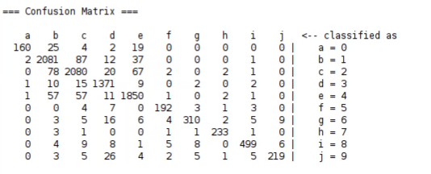 | 0.928 | 0.017 | 0.928 | 0.928 | 0.928 | 0.995
FALSE | 5 | 100 | 1 | 0 | 100 |  | 0.928 | 0.018 | 0.928 | 0.928 | 0.927 | 0.995
FALSE | 20 | 100 | 1 | 0 | 100 | 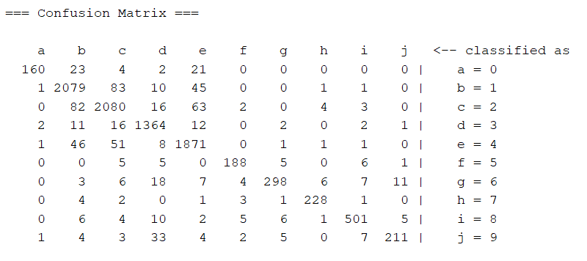 | 0.927 | 0.017 | 0.927 | 0.927 | 0.926 | 0.995
FALSE | 30 | 100 | 1 | 0 | 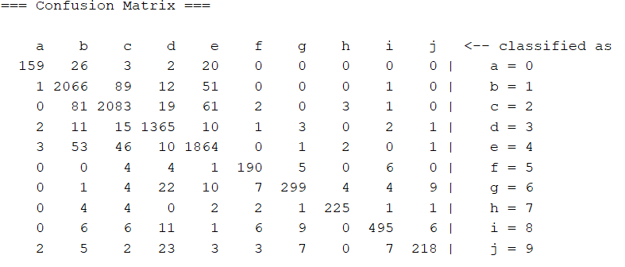 100 |  | 0.925 | 0.018 | 0.925 | 0.925 | 0.925 | 0.995
FALSE | 40 | 100 | 1 | 0 | 100 | 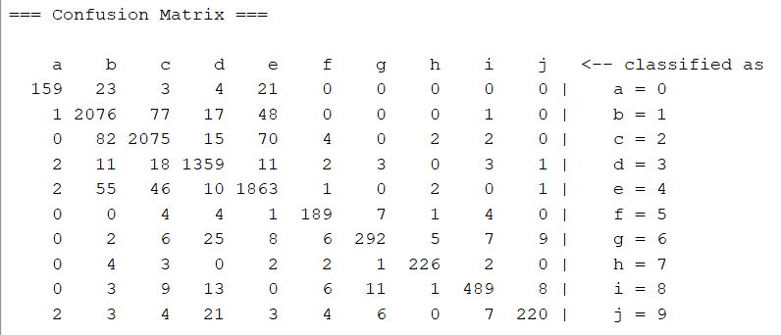 | 0.923 | 0.018 | 0.924 | 0.923 | 0.923 | 0.994
FALSE | 50 | 100 | 1 | 0 | 100 | 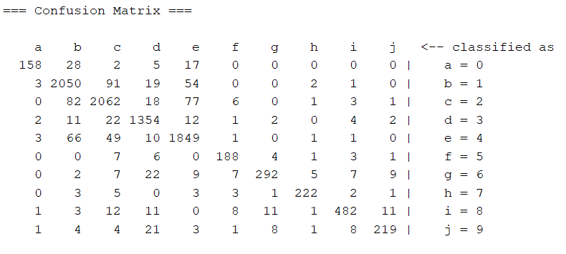 | 0.916 | 0.019 | 0.916 | 0.916 | 0.916 | 0.993
FALSE | 5 | 100 | 1 | 0 | 50 | 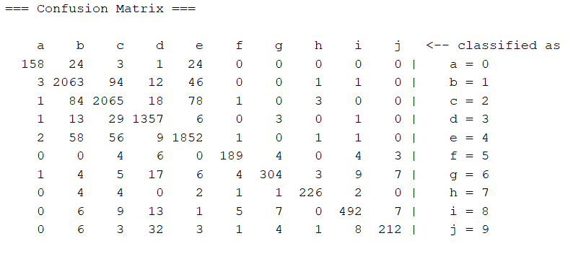 | 0.92 | 0.019 | 0.921 | 0.92 | 0.92 | 0.994
FALSE | 5 | 100 | 1 | 0 | 25 | 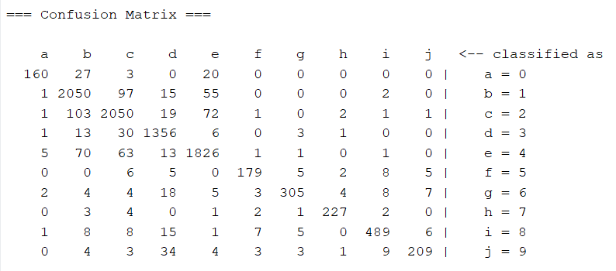 | 0.913 | 0.021 | 0.914 | 0.913 | 0.913 | 0.992
FALSE | 5 | 100 | 1 | 0 | 15 | 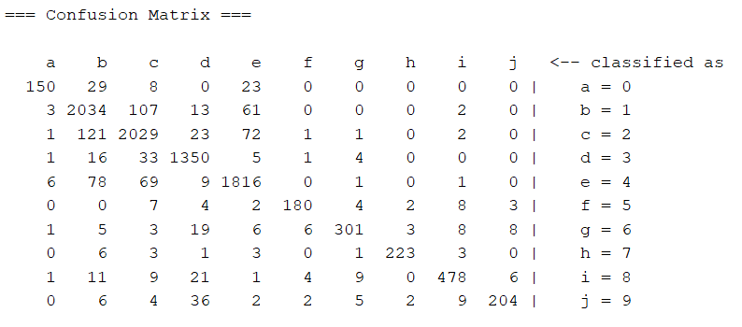 | 0.905 | 0.023 | 0.905 | 0.905 | 0.904 | 0.989
FALSE | 5 | 100 | 1 | 0 | 5 | 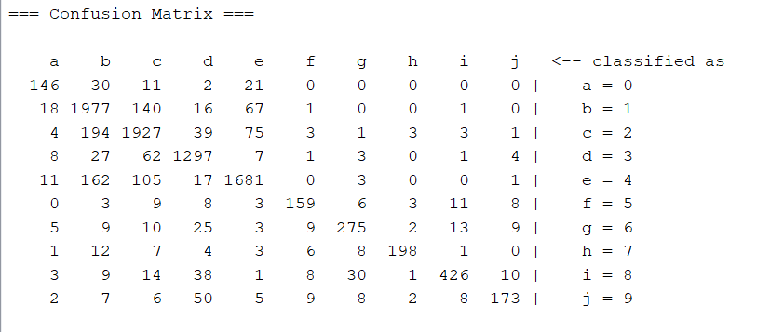 | 0.852 | 0.034 | 0.854 | 0.852 | 0.852 | 0.97
FALSE | 5 | 100 | 1 | 0 | 1 | 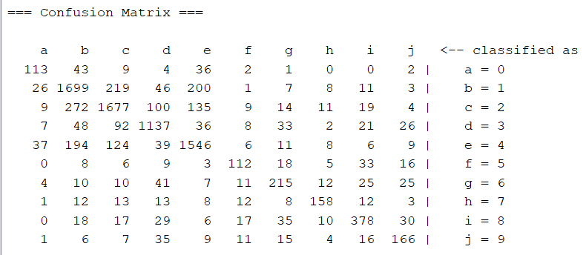 | 0.743 | 0.054 | 0.743 | 0.743 | 0.743 | 0.845
FALSE | 5 | 100 | 1 | 0 | 150 | 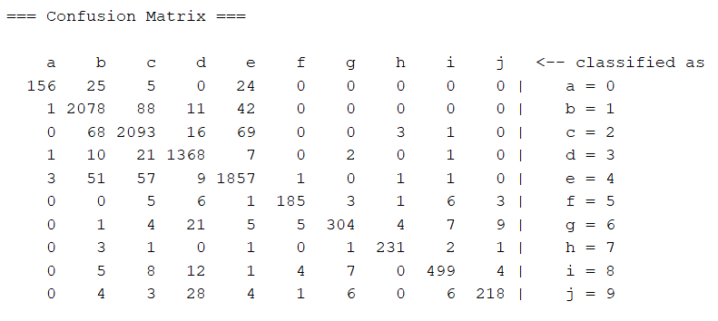 | 0.928 | 0.017 | 0.928 | 0.928 | 0.927 | 0.995
FALSE | 5 | 100 | 1 | 0 | 200 | 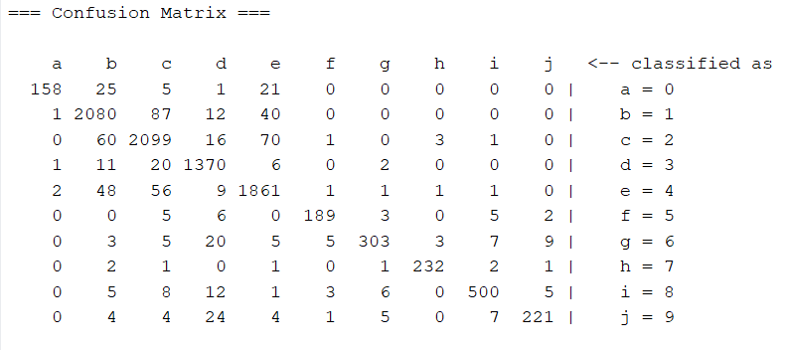 | 0.93 | 0.017 | 0.931 | 0.93 | 0.93 | 0.995
FALSE | 5 | 100 | 1 | 0 | 250 | 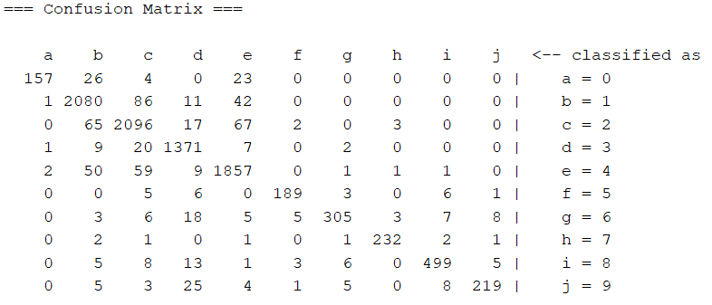 | 0.929 | 0.017 | 0.93 | 0.929 | 0.929 | 0.995
FALSE | 5 | 80 | 1 | 0 | 100 | 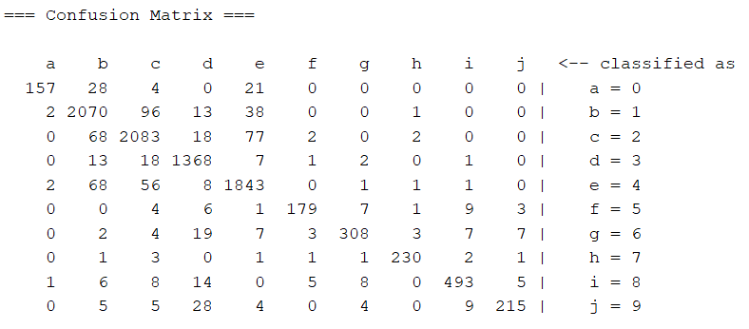 | 0.923 | 0.018 | 0.924 | 0.923 | 0.923 | 0.994
FALSE | 5 | 50 | 1 | 0 | 100 | 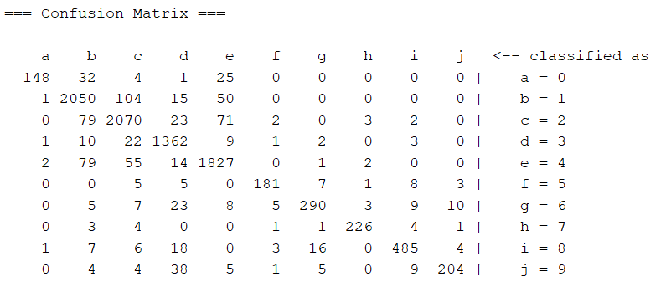 | 0.913 | 0.021 | 0.913 | 0.913 | 0.912 | 0.993
FALSE | 5 | 30 | 1 | 0 | 100 | 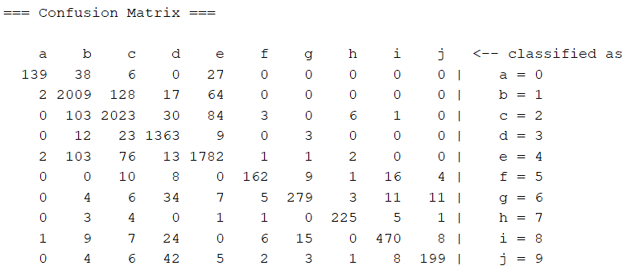 | 0.893 | 0.025 | 0.894 | 0.893 | 0.892 | 0.99
FALSE | 5 | 10 | 1 | 0 | 100 | 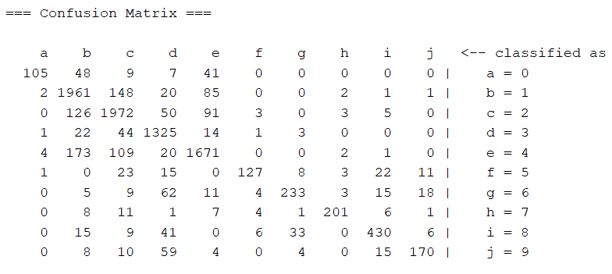 | 0.846 | 0.036 | 0.848 | 0.846 | 0.843 | 0.982
FALSE | 5 | 100 | 10 | 0 | 100 | 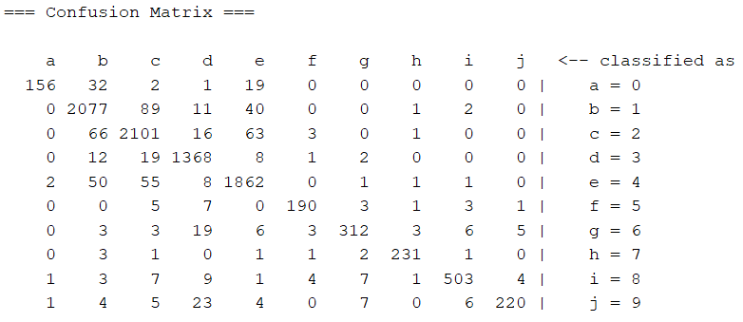 | 0.931 | 0.017 | 0.931 | 0.931 | 0.93 | 0.995
FALSE | 5 | 100 | 30 | 0 | 100 | 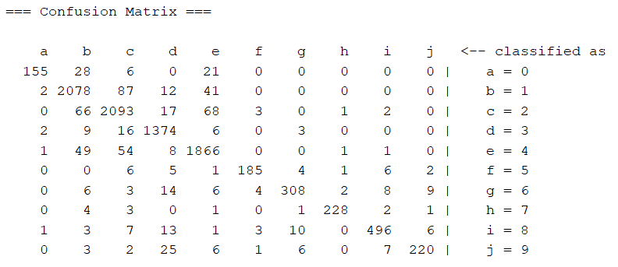 | 0.929 | 0.017 | 0.929 | 0.929 | 0.929 | 0.995
FALSE | 5 | 100 | 90 | 0 | 100 | 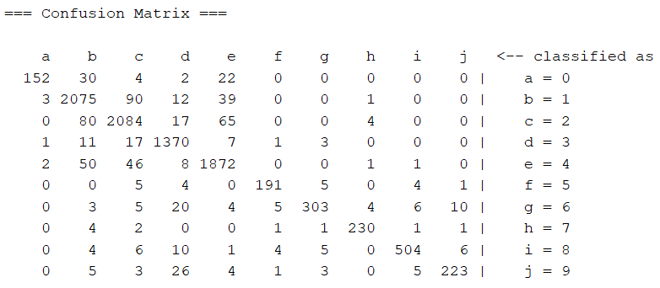 | 0.929 | 0.017 | 0.93 | 0.929 | 0.929 | 0.995
FALSE | 5 | 100 | 160 | 0 | 100 | 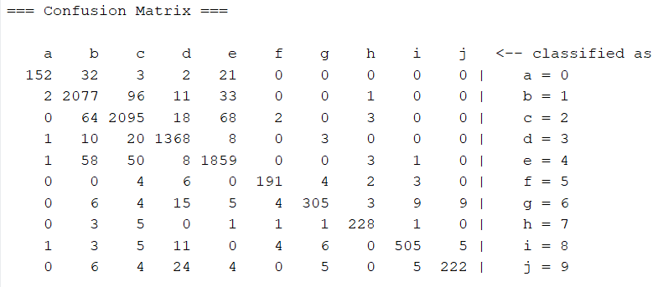 | 0.929 | 0.017 | 0.929 | 0.929 | 0.929 | 0.995
FALSE | 5 | 100 | 1 | 3 | 100 | 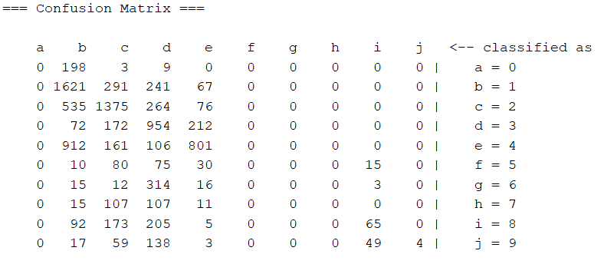 | 0.497 | 0.127 | 0 | 0.497 | 0 | 0.858
FALSE | 5 | 100 | 1 | 5 | 100 | 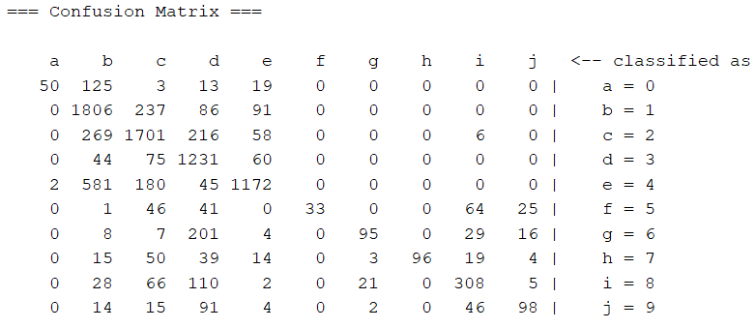 | 0.68 | 0.077 | 0.715 | 0.68 | 0.666 | 0.93
FALSE | 5 | 100 | 1 | 7 | 100 | 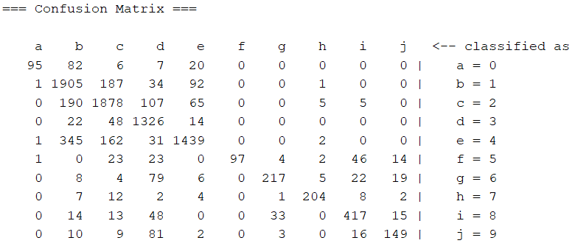 | 0.797 | 0.049 | 0.808 | 0.797 | 0.794 | 0.969
FALSE | 5 | 100 | 1 | 10 | 100 | 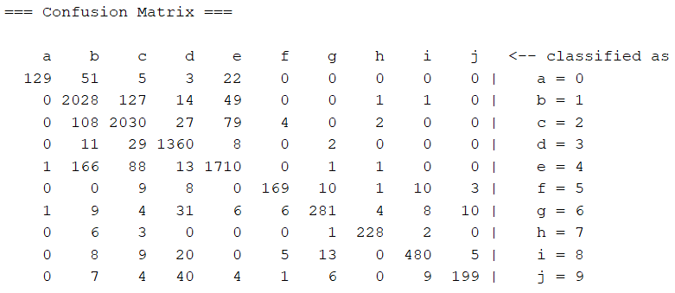 | 0.889 | 0.028 | 0.891 | 0.889 | 0.888 | 0.989
FALSE | 5 | 100 | 1 | 15 | 100 | 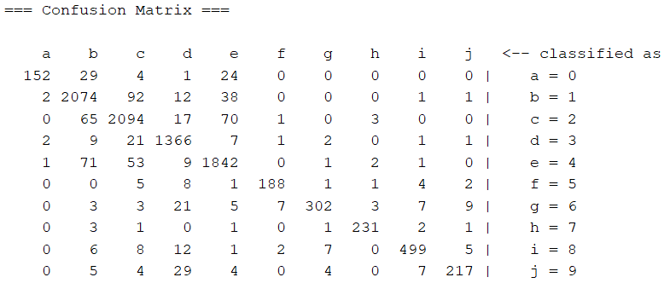 | 0.925 | 0.018 | 0.926 | 0.925 | 0.925 | 0.995
FALSE | 5 | 100 | 1 | 20 | 100 | 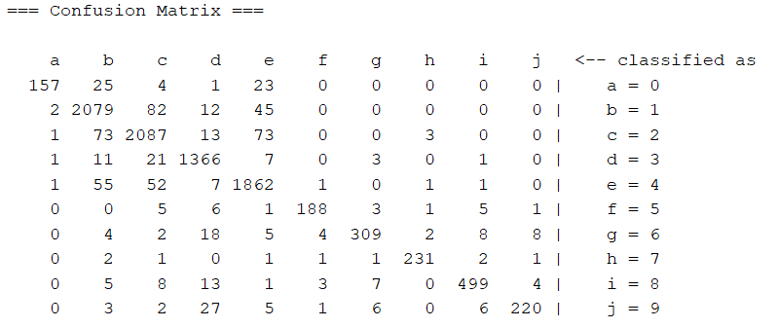 | 0.929 | 0.017 | 0.929 | 0.929 | 0.928 | 0.995
FALSE | 5 | 100 | 1 | 30 | 100 | 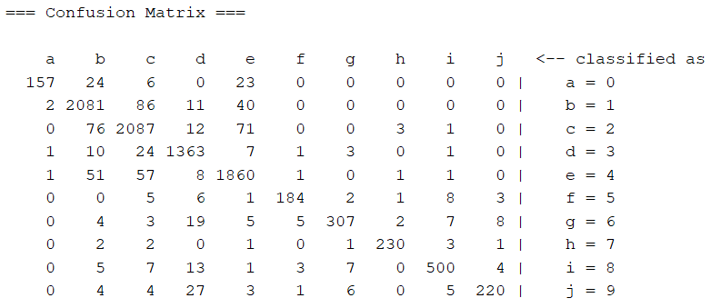 | 0.928 | 0.018 | 0.928 | 0.928 | 0.927 | 0.995
FALSE | 5 | 100 | 1 | 50 | 100 | 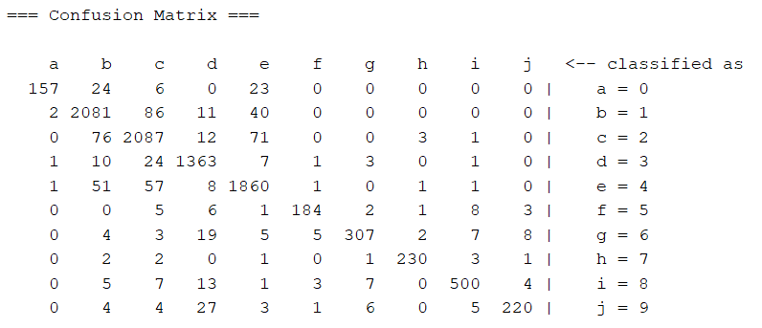 | 0.928 | 0.018 | 0.928 | 0.928 | 0.927 | 0.995
FALSE | 5 | 100 | 1 | 100 | 100 | 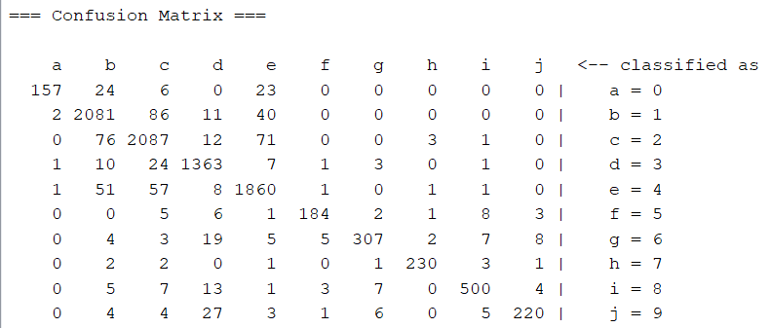 | 0.928 | 0.018 | 0.928 | 0.928 | 0.927 | 0.995
FALSE | 5 | 100 | 1 | 150 | 100 | 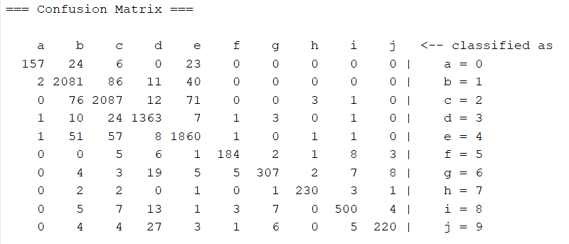 | 0.928 | 0.018 | 0.928 | 0.928 | 0.927 | 0.995

