RandomForest
ComputeAttributeImportance | NumFeatures | NumIteration | Confusion Matrix | TP Rate | FP Rate | Precision | Recall | F Measure | ROC Areas
FALSE | 0 | 100 | 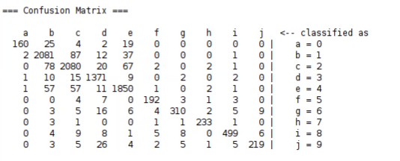 | 0.928 | 0.017 | 0.928 | 0.928 | 0.928 | 0.995
TRUE | 0 | 100 |  | 0.928 | 0.017 | 0.928 | 0.928 | 0.928 | 0.995
FALSE | 5 | 100 |  | 0.928 | 0.018 | 0.928 | 0.928 | 0.927 | 0.995
TRUE | 5 | 100 |  | 0.928 | 0.018 | 0.928 | 0.928 | 0.927 | 0.995
FALSE | 20 | 100
TRUE | 20 | 100
FALSE | 5 | 50
TRUE | 5 | 50
FALSE | 5 | 150
TRUE | 5 | 150
FALSE | 5 | 200

