J48
J48
 | Binary Splits | Pruning | Confidence Factor | Minimal Number of Instances Permissible per Leaf
Configuration: | 0 | 1 | 0.25 | 2

Training Data Set Size (instances) | Test Option | Test Data Set Size (instances) | Confusion Matrix | TP Rate | FP Rate | Precision | Recall | F Measure | ROC Area
9690 | Training set | n/a | 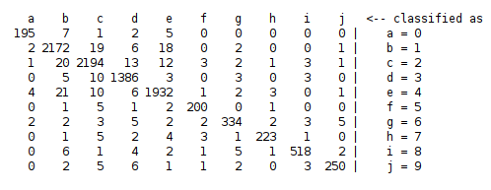 | 0.97 | 0.006 | 0.97 | 0.97 | 0.97 | 0.999
9690 | Test set | 3090 | 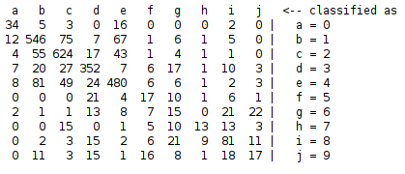 | 0.705 | 0.058 | 0.701 | 0.705 | 0.701 | 0.831
9690 | 10-fold cross validation | n/a | 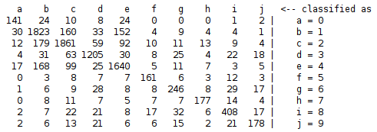 | 0.809 | 0.04 | 0.809 | 0.809 | 0.809 | 0.901
5690 | Training set | n/a | 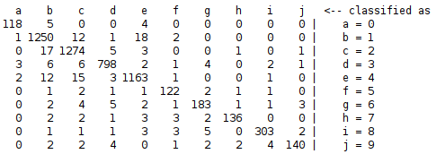 | 0.964 | 0.007 | 0.964 | 0.964 | 0.964 | 0.999
5690 | Test set | 7090 | 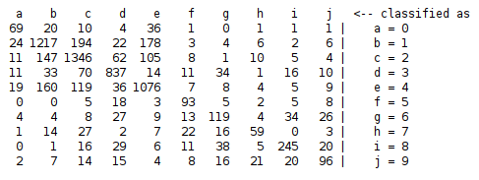 | 0.727 | 0.058 | 0.726 | 0.727 | 0.726 | 0.86
5690 | 10-fold cross validation | n/a | 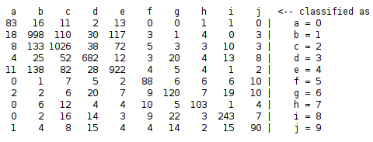 | 0.765 | 0.05 | 0.765 | 0.765 | 0.765 | 0.879
690 | Training set | n/a | 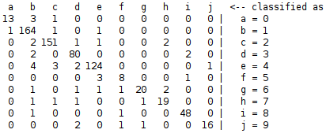 | 0.932 | 0.013 | 0.932 | 0.932 | 0.931 | 0.996
690 | Test set | 12090 | 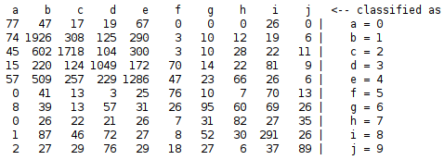 | 0.553 | 0.095 | 0.555 | 0.553 | 0.55 | 0.76
690 | 10-fold cross validation | n/a | 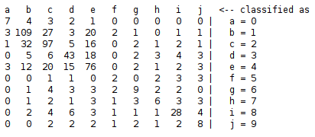 | 0.558 | 0.091 | 0.556 | 0.558 | 0.556 | 0.766

RandomForest
Random Forest
 | Compute Attribute Importance | Number of Features | Bag Size (%) | Seed | Max Depth | Number of Iterations
Configuration: | 0 | 5 | 100 | 90 | 0 | 100

Training Data Set Size (instances) | Test Option | Test Data Set Size (instances) | Confusion Matrix | TP Rate | FP Rate | Precision | Recall | F Measure | ROC Area
9690 | Training set | n/a | 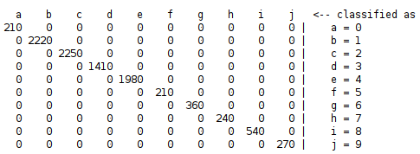 | 1 | 0 | 1 | 1 | 1 | 1
9690 | Test set | 3090 | 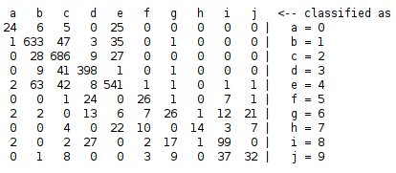 | 0.802 | 0.043 | 0.795 | 0.802 | 0.792 | 0.972
9690 | 10-fold cross validation | n/a | 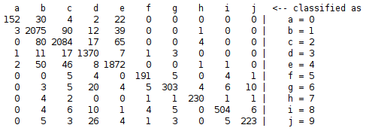 | 0.929 | 0.017 | 0.93 | 0.929 | 0.929 | 0.995
5690 | Training set | n/a |  | 1 | 0 | 1 | 1 | 1 | 1
5690 | Test set | 7090 | 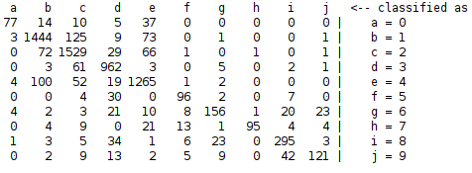 | 0.852 | 0.034 | 0.852 | 0.852 | 0.849 | 0.982
5690 | 10-fold cross validation | n/a | 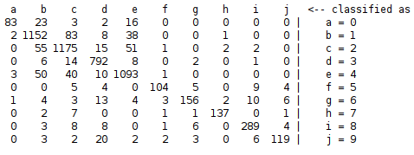 | 0.896 | 0.025 | 0.897 | 0.896 | 0.895 | 0.99
690 | Training set | n/a | 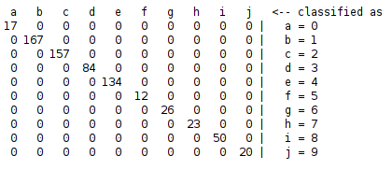 | 1 | 0 | 1 | 1 | 1 | 1
690 | Test set | 12090 | 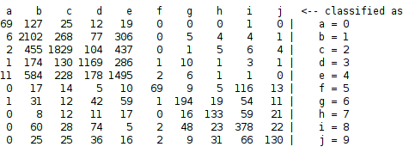 | 0.626 | 0.09 | 0.638 | 0.626 | 0.621 | 0.898
690 | 10-fold cross validation | n/a | 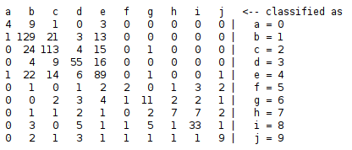 | 0.655 | 0.079 | 0.651 | 0.655 | 0.646 | 0.915

