Inflow total
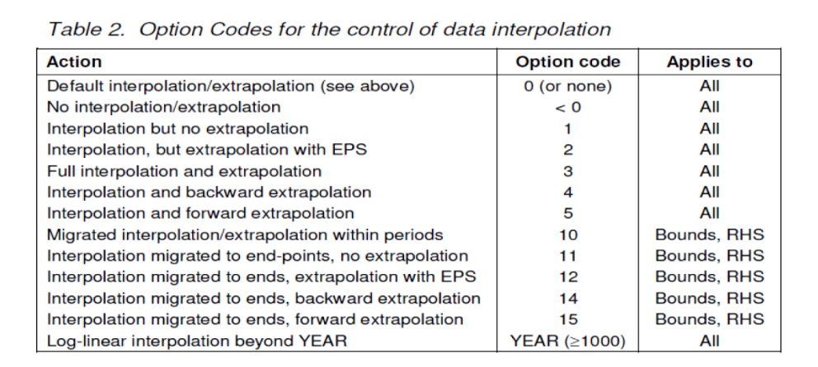
UC - Sum over Region for each Period
 | ~UC_Sets: R_S: DE1,DE2,DE3
 | ~UC_Sets: T_E:
 |  |  |  | ~UC_T
 | UC_N | Pset_PN | Pset_CI | Year | UC_act | UC_RHSTS~UP | UC_RHSTS~UP~0 | UC_Desc
 | \I: Unit |  |  |  |  | PJ
 | UC_MaxHYDProd_AZ | ERHYD* | ELCHYD | 2010 | 1 | 109.83 | 5 | Max Hydro power production
 |  | ERHYD* | ELCHYD | 2012 | 1 | 108.19
 |  | ERHYD* | ELCHYD | 2014 | 1 | 108.33
 |  | ERHYD* | ELCHYD | 2015 | 1 | 107.87
 |  | ERHYD* | ELCHYD | 2018 | 1 | 103.37
RAFS 17th of October 2017:
These constraints put a maximum on the activity of Hydro power plants. In particular the naming of the plants is done in a way that all processes labelled as *HYDDAM* and *HYDROR* include the existing and planned hydro-power plants + their reinstallations. This latter technology (the reinstallation is also constrained in terms of maximum new capacity (see "Reinstall" sheet) based on the decommissioning profile assumed for the existing and planned plants. In this way, the installed capacity for these processes will never exceed the total reached in 2015 (year when all the planned plants will be deployed), and their total activity in years after 2015 is constrained to 2015 level which is assumed an average representative year. The Upgrading and expansion of existing and planned plants and new plants are treated separately by different processes which do not fall into the *HYDDAM* and *HYDROR* naming.
 |  | ERHYD* | ELCHYD | 2020 | 1 | 103.37
 |  | ERHYD* | ELCHYD | 2025 | 1 | 103.37
 |  | ERHYD* | ELCHYD | 2040 | 1 | 98.20 |  |  |  |  | Assumed to decrease 5 % lower Hydro use

 | 2010 | 2011 | 2012 | 2013 | 2014 | 2015 | 2016 | 2017 | 2018
Capacity (MW) | 11367 | 11185 | 11197 | 11190 | 11212 | 11164 | 11078 | 10652 | 10698
Production | 109.83212339 | 108.07357263 | 108.18952103 | 108.12188446 | 108.33445653 | 107.87066293 | 107.03969938 | 102.92353113 | 103.368 | https://www.hydropower.org/country-profiles/germany

 |  |  |  |  |  |  |  |  | 0.0096623667975

Upgrading
UC - Each Region/Period
 | ~UC_Sets: R_E: DE1,DE2,DE3
 | ~UC_Sets: T_E:
 |  |  |  | ~UC_T:UC_RHSRTS~UP
 | UC_N | Pset_PN | Pset_CI | Year | UC_act | DE1 | DE2 | DE3 | DE4 | DE5 | UC_RHSRTS~UP~0 | UC_Desc
 | \I: Unit |  |  |  |  | PJ | PJ
 | UC_PotentialNewDAM | ERHYDELCDAM1N | ELCHYD | 2015 | 1 | 1.00 | 1.00 | 1.00 | 1.00 | 1.00 | 5 | Max energy production by new hydro DAM
 | UC_PotentialNewROR | ERHYDELCROR1N | ELCHYD | 2015 | 1 | 1.00 | 1.00 | 1.00 | 1.00 | 1.00 | 5 | Max energy production by new hydro ROR
 | UC_DAMExpansionandUpgrading | ERHYDEXPUPDAM1N | ELCHYD | 2015 | 1 | 1.00 | 1.00 | 1.00 | 1.00 | 1.00 | 5 | Max energy production by upgraded hydro DAM
 | UC_RORExpansionandUpgrading | ERHYDEXPUPROR1N | ELCHYD | 2015 | 1 | 1.00 | 1.00 | 1.00 | 1.00 | 1.00 | 5 | Max energy production by upgraded hydro ROR

RAFS 17th of October 2017:
The Upgrading and expansion of existing and planned plants and new plants are treated separately by different processes which do not fall into the *HYDDAM* and *HYDROR* naming. The potential for these new capacity is constrained through a maximum bound on activity. The source used is the TIMES-NordPool model

Reinstall
UC - Each Region/Period
 | ~UC_Sets: R_E: DE1,DE2,DE3
 | ~UC_Sets: T_E:
 |  |  |  | ~UC_T:UC_RHSRTS~UP
 | UC_N | Pset_PN | Pset_CI | Year | UC_NCAP | DE1 | DE2 | DE3 | UC_RHSRTS~UP~0 | UC_Desc
 | \I: Unit |  |  |  |  | MW | MW
 | UC_PotentialReinstallDAM | ERHYDDAM3N | ELCHYD | 2025 | 1 | 0.00 | 0.00 | 0.00 | 2 | Max reinstall DAM capacity after decommisioning | 0.00 | 0.00
 |  | ERHYDDAM3N | ELCHYD | 2026 | 1 | 0.00 | 0.00 | 0.00 |  |  | #REF! | #REF!
 |  | ERHYDDAM3N | ELCHYD | 2030 | 1 | 0.00 | 0.00 | 0.00 |  |  | #REF! | #REF!
 |  | ERHYDDAM3N | ELCHYD | 2035 | 1 | 0.00 | 0.00 | 0.00 |  |  | #REF! | #REF!
 |  | ERHYDDAM3N | ELCHYD | 2040 | 1 | 0.00 | 0.00 | 0.00 |  |  | #REF! | #REF!
 |  | ERHYDDAM3N | ELCHYD | 2050 | 1 | 0.00 | 0.00 | 0.00 |  |  | #REF! | #REF!
 | UC_PotentialReinstallROR | ERHYDROR3N | ELCHYD | 2025 | 1 | 0.00 | 0.00 | 0.00 | 2 | Max reinstall ROR capacity after decommisioning | 0.00 | 0.00
 |  | ERHYDROR3N | ELCHYD | 2026 | 1 | 0.00 | 0.00 | 0.00 |  |  | #REF! | #REF!
 |  | ERHYDROR3N | ELCHYD | 2030 | 1 | 0.00 | 0.00 | 0.00 |  |  | #REF! | #REF!
 |  | ERHYDROR3N | ELCHYD | 2035 | 1 | 0.00 | 0.00 | 0.00 |  |  | #REF! | #REF!
 |  | ERHYDROR3N | ELCHYD | 2040 | 1 | 0.00 | 0.00 | 0.00 |  |  | #REF! | #REF!
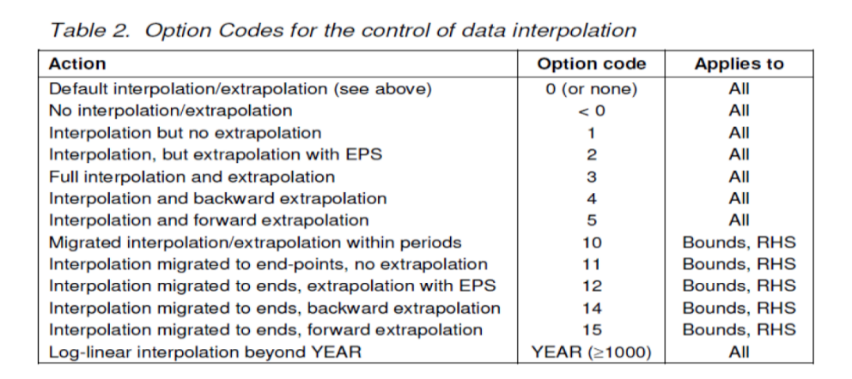
 |  | ERHYDROR3N | ELCHYD | 2050 | 1 | 0.00 | 0.00 | 0.00 |  |  | #REF! | #REF!

RAFS 17th of October 2017:
The naming of the plants is done in a way that all processes labelled as *HYDDAM* and *HYDROR* include the existing and planned hydro-power plants + their reinstallations. This latter technology is here constrained in terms of maximum new capacity based on the decommissioning profile assumed for the existing and planned plants.
In this way, the installed capacity for these processes will never exceed the total reached in 2015 (year when all the planned plants will be deployed), and their total activity in years after 2015 is constrained to 2015 level which is assumed an average representative year.

