ELC-RNW_PotCAP
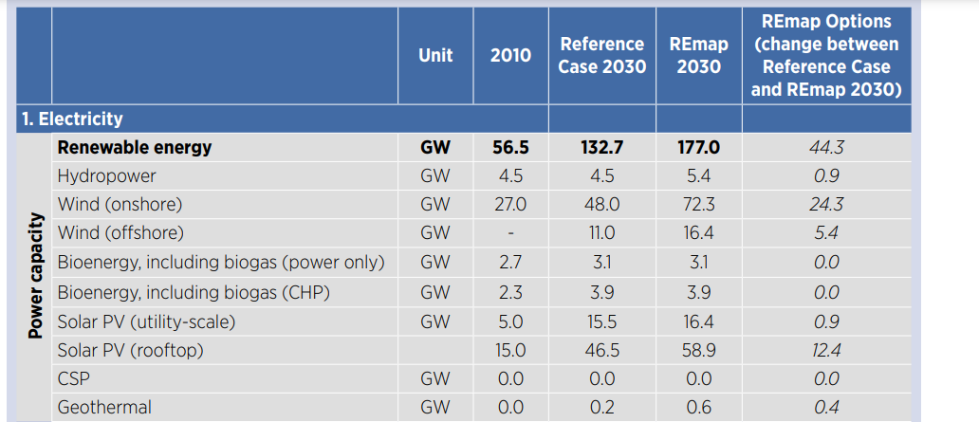
Activity constraints in
Unit [MW]

 | ~UC_Sets: R_E: AllRegions

 |  |  | Maximum Geothermal Capacity

 |  |  | ~UC_T: UC_RHSRT~UP
UC_N | Pset_CI | Pset_PD | Year | UC_CAP | UC_RHSRT~UP~0 | DE1 | DE2 | DE3 | DE4 | DE5
\I: explanation should be incerted
\I: Unit |  |  |  |  |  | MW | MW | MW | MW | MW
AU_HET_GEOCAP | ELCGEO |  | 2011 | 1 | 15 | 0 | 0 | 0 | 0 | 0
 |  |  | 2050 |  |  | 1000 | 100 | 100 | 100 | 100

 |  |  | Maximum Wind On-shore Capacity

 |  |  | ~UC_T: UC_RHSRT~UP
UC_N | Pset_CI | Pset_PD | Year | UC_CAP | UC_RHSRT~UP~0 | DE1 | DE2 | DE3 | DE4 | DE5
\I: explanation should be incerted
\I: Unit |  |  |  |  |  | MW | MW | MW | MW | MW
AU_ELC_WONCAP | ELCWIN | *onshore* | 2011 | 1 | 15 | 0 | 597.125 | 4010.875 | 3636.5 | 4092.5 |  |  |  |  |  | https://github.com/balmorelcommunity/Balmorel_data/blame/master/SUBTECHGROUPKPOT.inc
 |  |  | 2020 |  |  | 0 | 1194.25 | 8021.75 | 7273 | 8185
 |  |  | 2025 |  |  | 0 | 2388.5 | 16043.5 | 14546 | 16370
 |  |  | 2030 |  |  | 0 | 4777 | 32087 | 29092 | 32740
 |  |  | 2040 |  |  | 0 | 4777 | 32087 | 29092 | 32740
 |  |  | 2050 |  |  | 0 | 4777 | 32087 | 29092 | 32740

 |  |  | Maximum Wind Off-shore Capacity

 |  |  | ~UC_T: UC_RHSRT~UP
UC_N | Pset_CI | Pset_PD | Year | UC_CAP | UC_RHSRT~UP~0 | DE1 | DE2 | DE3 | DE4 | DE5
\I: explanation should be incerted
\I: Unit |  |  |  |  |  | MW | MW | MW | MW | MW
AU_ELC_WOFFCAP | ELCWIN | *offshore* | 2011 | 1 | 15 | 0 | 36000 | 0 | 0 | 0 | https://github.com/balmorelcommunity/Balmorel_data/blob/master/OFFSHOREGRID_SUBTECHGROUPKPOT.inc
 |  |  | 2030 |  |  | 0 | 72000 | 0 | 0 | 0
 |  |  | 2040 |  |  | 0 | 144000 | 0 | 0 | 0
 |  |  | 2050 |  |  | 0 | 144000 | 0 | 0 | 0

 |  |  | Maximum residential PV Capacity

 |  |  | ~UC_T: UC_RHSRT~UP |  |  |  |  |  |  |  |  |  |  |  | https://github.com/balmorelcommunity/Balmorel_data/blame/master/SUBTECHGROUPKPOT.inc
UC_N | Pset_CI | Pset_PN | Year | UC_CAP | UC_RHSRT~UP~0 | DE1 | DE2 | DE3 | DE4 | DE5
\I: explanation should be incerted
\I: Unit |  |  |  |  |  | MW | MW | MW | MW | MW
AU_RES_RESPVCAP | RESSOL | RESSOL* | 2011 | 1 | 15 | 0 | 3320.5 | 9961 | 9961 | 9961
 |  |  | 2030 |  |  | 0 | 6641 | 19923 | 19923 | 19923 |  | 0.33
 |  |  | 2050 |  |  | 0 | 13282 | 39845 | 39845 | 39845

 |  |  | Maximum Industrial PV Capacity

 |  |  | ~UC_T: UC_RHSRT~UP
UC_N | Pset_CI | Pset_PN | Year | UC_CAP | UC_RHSRT~UP~0 | DE1 | DE2 | DE3 | DE4 | DE5
\I: explanation should be incerted
\I: Unit |  |  |  |  |  | MW | MW | MW | MW | MW
AU_IND_INDPVCAP | INDSOL | INDSOL* | 2011 | 1 | 15 | 0 | 3320.5 | 9961 | 9961 | 9961
 |  |  | 2030 |  |  | 0 | 6641 | 19923 | 19923 | 19923
 |  |  | 2040 |  |  | 0 | 13282 | 39845 | 39845 | 39845

 |  |  | Maximum PV Capacity

 |  |  | ~UC_T: UC_RHSRT~UP
UC_N | Pset_CI | Pset_PN | Year | UC_CAP | UC_RHSRT~UP~0 | DE1 | DE2 | DE3 | DE4 | DE5
\I: explanation should be incerted
\I: Unit |  |  |  |  |  | MW | MW | MW | MW | MW
AU_ELC_PVCAP | ELCSOL | ER* | 2011 | 1 | 15 | 0 | 3320.5 | 9961 | 9961 | 9961 |  | 0.7 | 0.15 | 0.15
 |  |  | 2030 |  |  | 0 | 6641 | 19923 | 19923 | 19923
 |  |  | 2040 |  |  | 0 | 13282 | 39845 | 39845 | 39845

 |  |  | Maximum SOL Capacity

 |  |  | ~UC_T: UC_RHSRT~UP
UC_N | Pset_CI | Pset_PN | Year | UC_CAP | UC_RHSRT~UP~0 | DE1 | DE2 | DE3 | DE4 | DE5
\I: explanation should be incerted
\I: Unit |  |  |  |  |  | MW | MW | MW | MW | MW
AU_ELC_SOLCAP | ELCSOL | EH* | 2011 | 1 | 15 | 0 | 3320.5 | 9961 | 9961 | 9961 |  | 0.7 | 0.15 | 0.15
 |  |  | 2025 |  |  | 0 | 6641 | 19923 | 19923 | 19923
 |  |  | 2040 |  |  | 0 | 13282 | 39845 | 39845 | 39845

 |  |  | Maximum Wave Capacity

 |  |  | Not existing in Azerbaijan
UC_N | Pset_CI | Pset_PN | Year | UC_CAP | UC_RHSRT~UP~0 | DE1 | DE2 | DE3 | DE4 | DE5
\I: explanation should be incerted
\I: Unit |  |  |  |  |  | MW | MW | MW | MW | MW
AU_ELC_WAVCAP | ELCWAV |  | 2011 | 1 | 15 | 0 | 0 | 0 | 0 | 0
 |  |  | 2050 |  |  | 0 | 100000 | 0 | 0 | 0

 |  |  | Maximum SOL Capacity Residential

 |  |  | ~UC_T: UC_RHSRT~UP
UC_N | Pset_CI | Pset_PN | Year | UC_CAP | UC_RHSRT~UP~0 | DE1 | DE2 | DE3 | DE4 | DE5
\I: explanation should be incerted
\I: Unit |  |  |  |  |  | MW | MW | MW | MW | MW
AU_RES_SOLCAP | RESSOL* | RHT* | 2011 | 1 | 15 | 0 | 3320.5 | 9961.3333333 | 9961.3333333 | 9961.3333333 |  | Similar to solar PV potentials
 |  |  | 2030 |  |  | 0 | 6641 | 19922.666667 | 19922.666667 | 19922.666667
 |  |  | 2050 |  |  | 0 | 13282 | 39845.333333 | 39845.333333 | 39845.333333

