ELC-RNW_PotCAP
Activity constraints in
Unit [MW]

 | ~UC_Sets: R_E: AllRegions

 |  |  | Maximum Geothermal Capacity
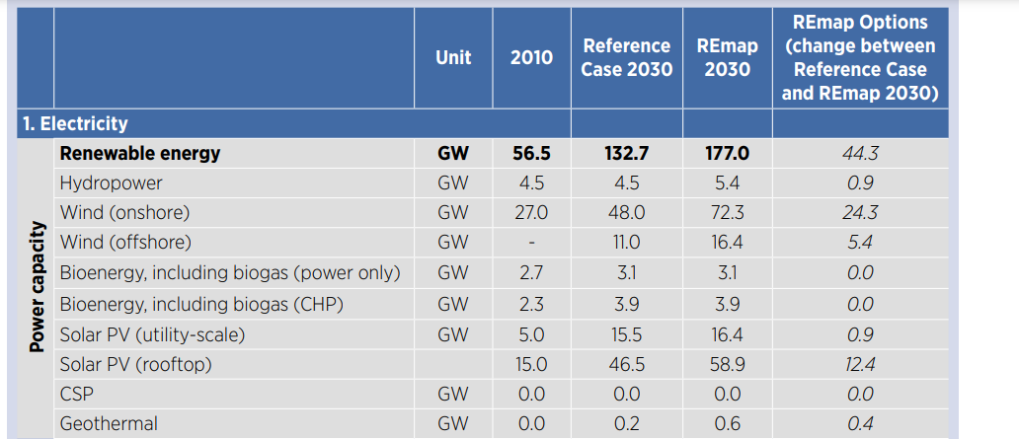
 |  |  | ~UC_T: UC_RHSRT~UP
UC_N | Pset_CI | Pset_PD | Year | UC_CAP | UC_RHSRT~UP~0 | DE1 | DE2 | DE3 | DE4 | DE%
\I: explanation should be incerted
\I: Unit |  |  |  |  |  | MW | MW | MW | MW | MW
AU_HET_GEOCAP | ELCGEO |  | 2011 | 1 | 15 | 0 | 0 | 0 | 0 | 0
 |  |  | 2050 |  |  | 1000 | 100 | 100 | 100 | 100

 |  |  | Maximum Wind On-shore Capacity

 |  |  | ~UC_T: UC_RHSRT~UP
UC_N | Pset_CI | Pset_PD | Year | UC_CAP | UC_RHSRT~UP~0 | DE1 | DE2 | DE3 | DE4 | DE5 | DE1 | DE2 | DE3
\I: explanation should be incerted
\I: Unit |  |  |  |  |  | MW | MW | MW | MW | MW
AU_ELC_WONCAP | ELCWIN | *onshore* | 2011 | 1 | 15 | 187.5 | 93.75 | 93.75 | 93.75 | 93.75 | 0.5 | 0.25 | 0.25
 |  |  | 2020 |  |  | 375 | 187.5 | 187.5 | 187.5 | 187.5
 |  |  | 2025 |  |  | 750 | 375 | 375 | 375 | 375
 |  |  | 2030 |  |  | 1500 | 750 | 750 | 750 | 750
 |  |  | 2040 |  |  | 1500 | 750 | 750 | 750 | 750
 |  |  | 2050 |  |  | 1500 | 750 | 750 | 750 | 750

 |  |  | Maximum Wind Off-shore Capacity

 |  |  | ~UC_T: UC_RHSRT~UP
UC_N | Pset_CI | Pset_PD | Year | UC_CAP | UC_RHSRT~UP~0 | DE1 | DE2 | DE3 | DE4 | DE5
\I: explanation should be incerted
\I: Unit |  |  |  |  |  | MW | MW | MW | MW | MW
AU_ELC_WOFFCAP | ELCWIN | *offshore* | 2011 | 1 | 15 | 2500 | 0 | 0 | 0 | 0 | 1 | 0 | 0
 |  |  | 2030 |  |  | 5000 | 0 | 0 | 0 | 0
 |  |  | 2040 |  |  | 10000 | 0 | 0 | 0 | 0
 |  |  | 2050 |  |  | 10000 | 0 | 0 | 0 | 0

 |  |  | Maximum residential PV Capacity

 |  |  | ~UC_T: UC_RHSRT~UP
UC_N | Pset_CI | Pset_PN | Year | UC_CAP | UC_RHSRT~UP~0 | DE1 | DE2 | DE3 | DE4 | DE5
\I: explanation should be incerted
\I: Unit |  |  |  |  |  | MW | MW | MW | MW | MW
AU_RES_RESPVCAP | RESSOL | RESSOL* | 2011 | 1 | 15 | 1344 | 288 | 288 | 288 | 288 | 0.7 | 0.15 | 0.15
 |  |  | 2030 |  |  | 2688 | 576 | 576 | 576 | 576
 |  |  | 2050 |  |  | 5376 | 1152 | 1152 | 1152 | 1152

 |  |  | Maximum Industrial PV Capacity

 |  |  | ~UC_T: UC_RHSRT~UP
UC_N | Pset_CI | Pset_PN | Year | UC_CAP | UC_RHSRT~UP~0 | DE1 | DE2 | DE3 | DE4 | DE5
\I: explanation should be incerted
\I: Unit |  |  |  |  |  | MW | MW | MW | MW | MW
AU_IND_INDPVCAP | INDSOL | INDSOL* | 2011 | 1 | 15 | 1344 | 288 | 288 | 288 | 288 | 0.7 | 0.15 | 0.15
 |  |  | 2030 |  |  | 2688 | 576 | 576 | 576 | 576
 |  |  | 2040 |  |  | 5376 | 1152 | 1152 | 1152 | 1152

 |  |  | Maximum PV Capacity

 |  |  | ~UC_T: UC_RHSRT~UP
UC_N | Pset_CI | Pset_PN | Year | UC_CAP | UC_RHSRT~UP~0 | DE1 | DE2 | DE3 | DE4 | DE5
\I: explanation should be incerted
\I: Unit |  |  |  |  |  | MW | MW | MW | MW | MW
AU_ELC_PVCAP | ELCSOL | ER* | 2011 | 1 | 15 | 1344 | 288 | 288 | 288 | 288 | 0.7 | 0.15 | 0.15
 |  |  | 2030 |  |  | 2688 | 576 | 576 | 576 | 576
 |  |  | 2040 |  |  | 5376 | 1152 | 1152 | 1152 | 1152

 |  |  | Maximum SOL Capacity

 |  |  | ~UC_T: UC_RHSRT~UP
UC_N | Pset_CI | Pset_PN | Year | UC_CAP | UC_RHSRT~UP~0 | DE1 | DE2 | DE3 | DE4 | DE5
\I: explanation should be incerted
\I: Unit |  |  |  |  |  | MW | MW | MW | MW | MW
AU_ELC_SOLCAP | ELCSOL | EH* | 2011 | 1 | 15 | 1750 | 375 | 375 | 375 | 375 | 0.7 | 0.15 | 0.15
 |  |  | 2025 |  |  | 3500 | 750 | 750 | 750 | 750
 |  |  | 2040 |  |  | 7000 | 1500 | 1500 | 1500 | 1500

 |  |  | Maximum Wave Capacity

 |  |  | Not existing in Azerbaijan
UC_N | Pset_CI | Pset_PN | Year | UC_CAP | UC_RHSRT~UP~0 | DE1 | DE2 | DE3 | DE4 | DE5
\I: explanation should be incerted
\I: Unit |  |  |  |  |  | MW | MW | MW | MW | MW
AU_ELC_WAVCAP | ELCWAV |  | 2011 | 1 | 15 | 0 | 0 | 0 | 0 | 0
 |  |  | 2050 |  |  | 0 | 0 | 0 | 0 | 0

 |  |  | Maximum SOL Capacity Residential

 |  |  | ~UC_T: UC_RHSRT~UP
UC_N | Pset_CI | Pset_PN | Year | UC_CAP | UC_RHSRT~UP~0 | DE1 | DE2 | DE3 | DE4 | DE5
\I: explanation should be incerted
\I: Unit |  |  |  |  |  | MW | MW | MW | MW | MW
AU_RES_SOLCAP | RESSOL* | RHT* | 2011 | 1 | 15 | 1344 | 288 | 288 | 288 | 288 | Similar to solar PV potentials
 |  |  | 2030 |  |  | 2688 | 576 | 576 | 576 | 576
 |  |  | 2050 |  |  | 5376 | 1152 | 1152 | 1152 | 1152

