Region-Time Slices
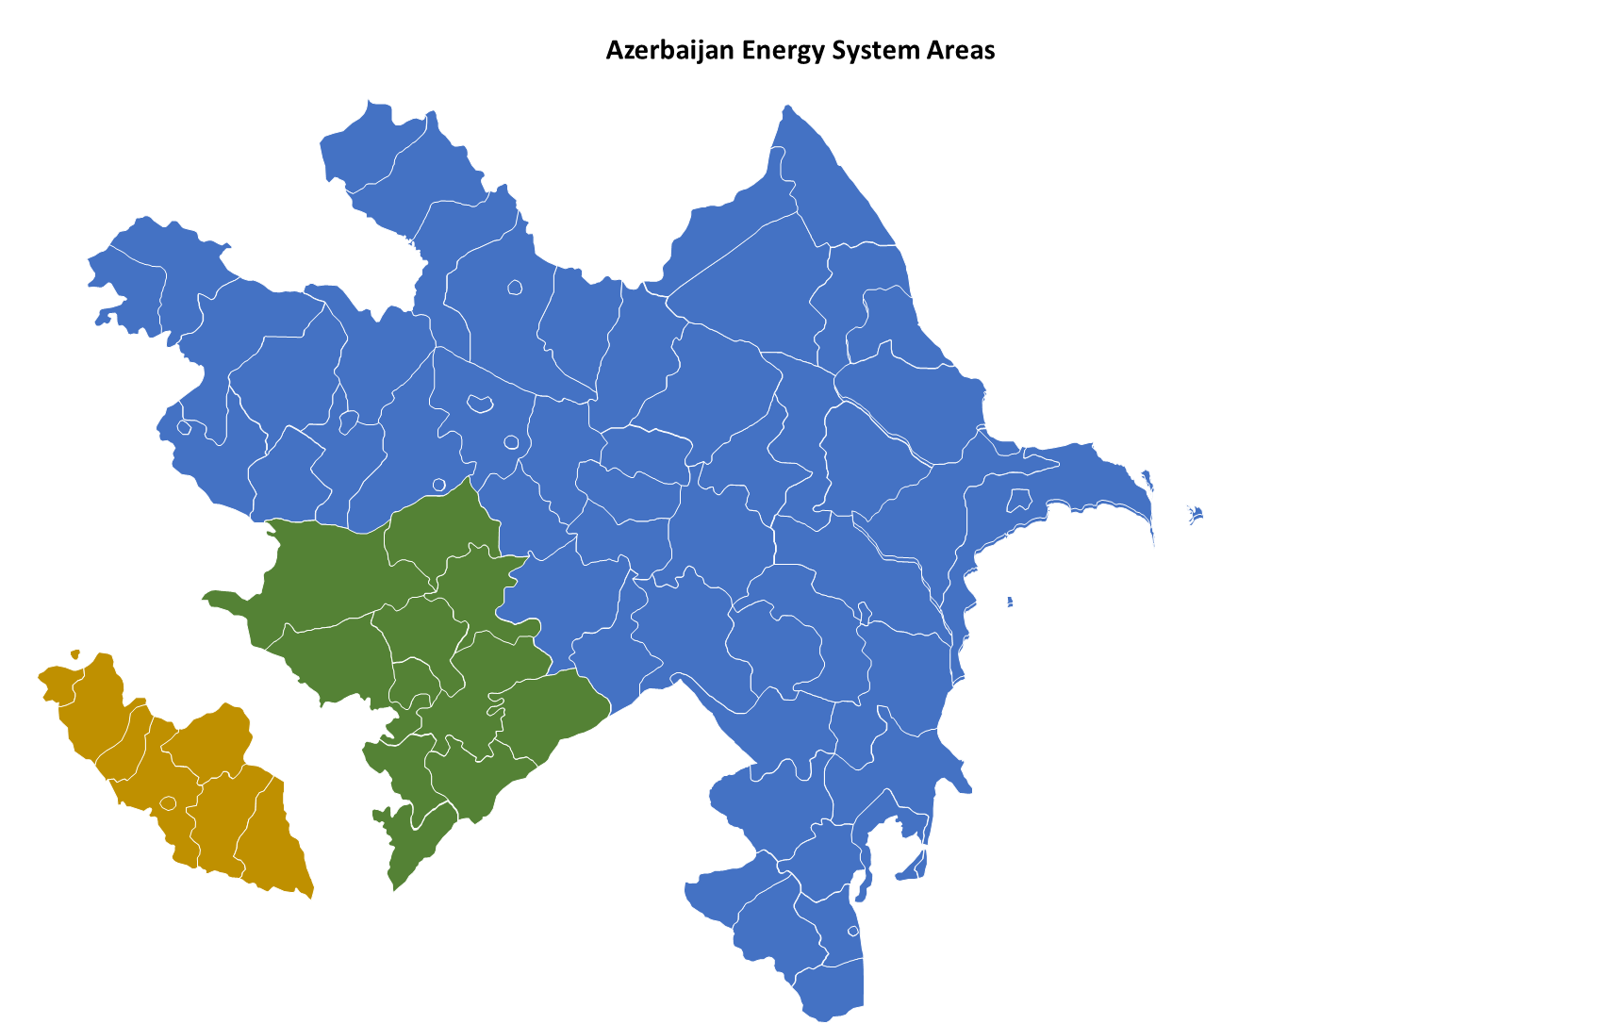
~BookRegions_Map |  | ~TimeSlices
BookName | Region | Season | Weekly | DayNite
DE | DE1 | R | WD | A | R | Spring | WD | Working Day | A | Night
 | DE2 | S | NW | B | S | Summer | NW | Non Working Day | B | Day
 | DE3 | F |  | C | F | Fall |  |  | C | Peak
 | DE4 | W |  | D | W | Winter |  |  | D | 15% Lowst Wind
 | DE5 |  |  | E |  |  |  |  | E | hours with were 15 % highest wind power and 15 % lowest demands overlap
 |  |  |  | F |  |  |  |  | F | hours with were 15 % lowest wind power and 15 % highest demands overlap
 |  |  |  | G |  |  |  |  | G | Solar peak (top 15 % solar PV)

