ELC_TRADE
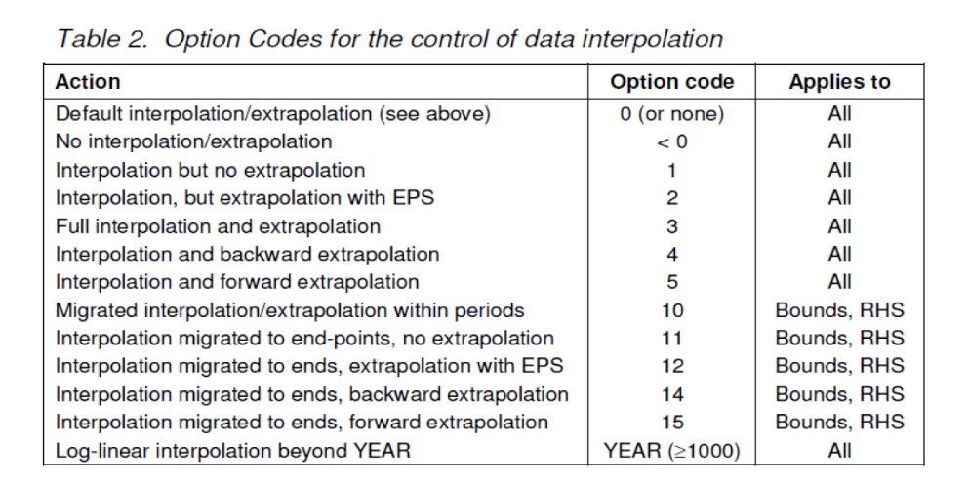
Trans - Insert

 | ~TFM_INS
 | TimeSlice | LimType | Attribute | Year | DE1 | DE2 | DE3 | DE4 | DE5 | Pset_PN | CURR
 |  |  | EFF | 2016 |  | 0.97 | 0.97 |  |  | TB_ELCC_DE2_DE3_01
 |  |  | AFA |  |  | 0.92 | 0.92 |  |  | TB_ELCC_DE2_DE3_01
 |  |  | LIFE |  |  | 50 | 50 |  |  | TB_ELCC_DE2_DE3_01
 |  |  | CAP2ACT |  |  | 0.032 | 0.032 |  |  | TB_ELCC_DE2_DE3_01
 |  | FX | CAP_BND | 2016 |  | 8634 | 8634 |  |  | TB_ELCC_DE2_DE3_01
 |  | UP | CAP_BND | 2020 |  | 12000 | 12000 |  |  | TB_ELCC_DE2_DE3_01
 |  | UP | CAP_BND | 2030 |  | 20000 | 20000 |  |  | TB_ELCC_DE2_DE3_01
 |  | UP | CAP_BND | 0 |  | 5 | 5 |  |  | TB_ELCC_DE2_DE3_01
 |  |  | INVCOST |  |  | 0.2675 | 0.2675 |  |  | TB_ELCC_DE2_DE3_01 | MEUR14 | curr: Meur per MW
 |  |  | EFF | 2016 |  | 0.97 |  |  | 0.97 | TB_ELCC_DE2_DE5_01
 |  |  | AFA |  |  | 0.92 |  |  | 0.92 | TB_ELCC_DE2_DE5_01
 |  |  | LIFE |  |  | 50 |  |  | 50 | TB_ELCC_DE2_DE5_01
 |  |  | CAP2ACT |  |  | 0.032 |  |  | 0.032 | TB_ELCC_DE2_DE5_01
 |  | FX | CAP_BND | 2016 |  | 3010 |  |  | 3010 | TB_ELCC_DE2_DE5_01
 |  | UP | CAP_BND | 2020 |  | 12000 |  |  | 12000 | TB_ELCC_DE2_DE5_01
 |  | UP | CAP_BND | 2030 |  | 20000 |  |  | 20000 | TB_ELCC_DE2_DE5_01
 |  | UP | CAP_BND | 0 |  | 5 |  |  | 5 | TB_ELCC_DE2_DE5_01
 |  |  | INVCOST |  |  | 0.2675 |  |  | 0.2675 | TB_ELCC_DE2_DE5_01 | MEUR14
 |  |  | EFF | 2016 |  |  | 0.97 | 0.97 |  | TB_ELCC_DE3_DE4_01
 |  |  | AFA |  |  |  | 0.92 | 0.92 |  | TB_ELCC_DE3_DE4_01
 |  |  | LIFE |  |  |  | 50 | 50 |  | TB_ELCC_DE3_DE4_01
 |  |  | CAP2ACT |  |  |  | 0.032 | 0.032 |  | TB_ELCC_DE3_DE4_01
 |  | FX | CAP_BND | 2016 |  |  | 14416 | 14416 |  | TB_ELCC_DE3_DE4_01
 |  | UP | CAP_BND | 2020 |  |  | 17000 | 17000 |  | TB_ELCC_DE3_DE4_01
 |  | UP | CAP_BND | 2030 |  |  | 25000 | 25000 |  | TB_ELCC_DE3_DE4_01
 |  | UP | CAP_BND | 0 |  |  | 5 | 5 |  | TB_ELCC_DE3_DE4_01
 |  |  | INVCOST |  |  |  | 0.2675 | 0.2675 |  | TB_ELCC_DE3_DE4_01 | MEUR14
 |  |  | EFF | 2016 |  |  | 0.97 |  | 0.97 | TB_ELCC_DE3_DE5_01
 |  |  | AFA |  |  |  | 0.92 |  | 0.92 | TB_ELCC_DE3_DE5_01
 |  |  | LIFE |  |  |  | 50 |  | 50 | TB_ELCC_DE3_DE5_01
 |  |  | CAP2ACT |  |  |  | 0.032 |  | 0.032 | TB_ELCC_DE3_DE5_01
 |  | FX | CAP_BND | 2016 |  |  | 6020 |  | 6020 | TB_ELCC_DE3_DE5_01
 |  | UP | CAP_BND | 2020 |  |  | 17000 |  | 17000 | TB_ELCC_DE3_DE5_01
 |  | UP | CAP_BND | 2030 |  |  | 25000 |  | 25000 | TB_ELCC_DE3_DE5_01
 |  | UP | CAP_BND | 0 |  |  | 5 |  | 5 | TB_ELCC_DE3_DE5_01
 |  |  | INVCOST |  |  |  | 0.2675 |  | 0.2675 | TB_ELCC_DE3_DE5_01 | MEUR14
 |  |  | EFF | 2016 |  |  |  | 0.97 | 0.97 | TB_ELCC_DE4_DE5_01
 |  |  | AFA |  |  |  |  | 0.92 | 0.92 | TB_ELCC_DE4_DE5_01
 |  |  | LIFE |  |  |  |  | 50 | 50 | TB_ELCC_DE4_DE5_01
 |  |  | CAP2ACT |  |  |  |  | 0.032 | 0.032 | TB_ELCC_DE4_DE5_01
 |  | FX | CAP_BND | 2016 |  |  |  | 3010 | 3010 | TB_ELCC_DE4_DE5_01
 |  | UP | CAP_BND | 2020 |  |  |  | 17000 | 17000 | TB_ELCC_DE4_DE5_01
 |  | UP | CAP_BND | 2030 |  |  |  | 25000 | 25000 | TB_ELCC_DE4_DE5_01
 |  | UP | CAP_BND | 0 |  |  |  | 5 | 5 | TB_ELCC_DE4_DE5_01
 |  |  | INVCOST |  |  |  |  | 0.2675 | 0.2675 | TB_ELCC_DE4_DE5_01 | MEUR14
 |  |  | EFF | 2016 | 1 | 1 |  |  |  | TB_ELCC_DE1_DE2_01
 |  |  | AFA |  | 1 | 1 |  |  |  | TB_ELCC_DE1_DE2_01
 |  |  | LIFE |  | 100 | 100 |  |  |  | TB_ELCC_DE1_DE2_01
 |  |  | CAP2ACT |  | 0.032 | 0.032 |  |  |  | TB_ELCC_DE1_DE2_01
 |  | UP | CAP_BND | 2016 | 10000000 | 10000000 |  |  |  | TB_ELCC_DE1_DE2_01
 |  | UP | CAP_BND | 0 | 5 | 5 |  |  |  | TB_ELCC_DE1_DE2_01
 |  |  | INVCOST |  | 0 | 0 |  |  |  | TB_ELCC_DE1_DE2_01 | MEUR14
 |  |  | EFF | 2016 | 1 |  | 1 |  |  | TB_ELCC_DE1_DE3_01
 |  |  | AFA |  | 1 |  | 1 |  |  | TB_ELCC_DE1_DE3_01
 |  |  | LIFE |  | 100 |  | 100 |  |  | TB_ELCC_DE1_DE3_01
 |  |  | CAP2ACT |  | 0.032 |  | 0.032 |  |  | TB_ELCC_DE1_DE3_01
 |  | UP | CAP_BND | 2016 | 10000000 |  | 10000000 |  |  | TB_ELCC_DE1_DE3_01
 |  | UP | CAP_BND | 0 | 5 |  | 5 |  |  | TB_ELCC_DE1_DE3_01
 |  |  | INVCOST |  | 0 |  | 0 |  |  | TB_ELCC_DE1_DE3_01 | MEUR14
 |  |  | EFF | 2016 | 1 |  |  | 1 |  | TB_ELCC_DE1_DE4_01
 |  |  | AFA |  | 1 |  |  | 1 |  | TB_ELCC_DE1_DE4_01
 |  |  | LIFE |  | 100 |  |  | 100 |  | TB_ELCC_DE1_DE4_01
 |  |  | CAP2ACT |  | 0.032 |  |  | 0.032 |  | TB_ELCC_DE1_DE4_01
 |  | UP | CAP_BND | 2016 | 10000000 |  |  | 10000000 |  | TB_ELCC_DE1_DE4_01
 |  | UP | CAP_BND | 0 | 5 |  |  | 5 |  | TB_ELCC_DE1_DE4_01
 |  |  | INVCOST |  | 0 |  |  | 0 |  | TB_ELCC_DE1_DE4_01 | MEUR14
 |  |  | EFF | 2016 | 1 |  |  |  | 1 | TB_ELCC_DE1_DE5_01
 |  |  | AFA |  | 1 |  |  |  | 1 | TB_ELCC_DE1_DE5_01
 |  |  | LIFE |  | 100 |  |  |  | 100 | TB_ELCC_DE1_DE5_01
 |  |  | CAP2ACT |  | 0.032 |  |  |  | 0.032 | TB_ELCC_DE1_DE5_01
 |  | UP | CAP_BND | 2016 | 10000000 |  |  |  | 10000000 | TB_ELCC_DE1_DE5_01
 |  | UP | CAP_BND | 0 | 5 |  |  |  | 5 | TB_ELCC_DE1_DE5_01
 |  |  | INVCOST |  | 0 |  |  |  | 0 | TB_ELCC_DE1_DE5_01 | MEUR14

Data New Transmission
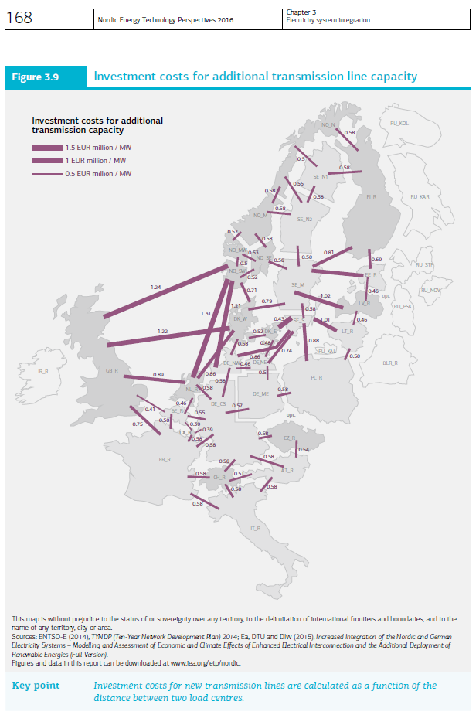
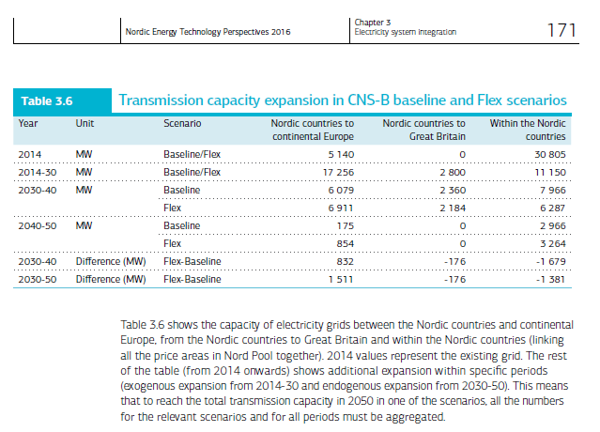
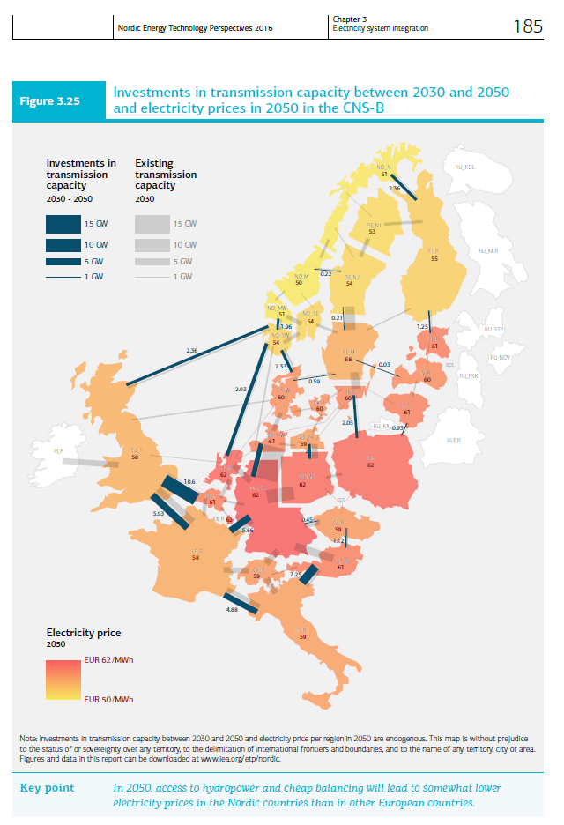
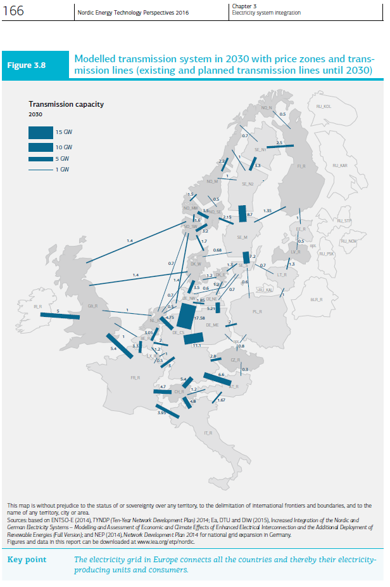
From NETP 2016 Ch. 3 pp. 166
 |  |  | In 2030 | 2030-2050
 |  |  | Capacity |  | Invest
 |  |  | MW | Additional MW | Meuros 2014/MW
 | From | To
 | NO_M | NO_MW | 1500 |  | 0.52
 | NO_M | NO_SE | 500 |  | 0.58

 | NO2 | NO1 | 2000 | 0 | 0.535

 |  | Cost allocation
 |  | NO1 | NO2
 |  | Meuros 2014/MW
 |  | 0.2675 | 0.2675

RAFS Spring 2016: Update 12th of April 2017
In TIMES-NO documentation (Pernille) there is no data concerning the expansion of transmission lines within the Norwegian power regions. But such information are included in the NETP 2016 report. You can find information related to this topic in the pictures here presented.
The first picture here on the left include existing and planned capacities in 2030. While the other include the expansion of the interconnectors from 2030 until 2050.
Since in the base year we already defined around 2000 MW of capacity between NOR1 and NOR2 (which corresponds to the values shown in the NETP 2016 in 2030) and there is no further expansion included in the CNS (neither the baseline nor the flexible alternative) for those regions, I did not include further changes in the installed capacity until 2050.

Data Existing Transmission
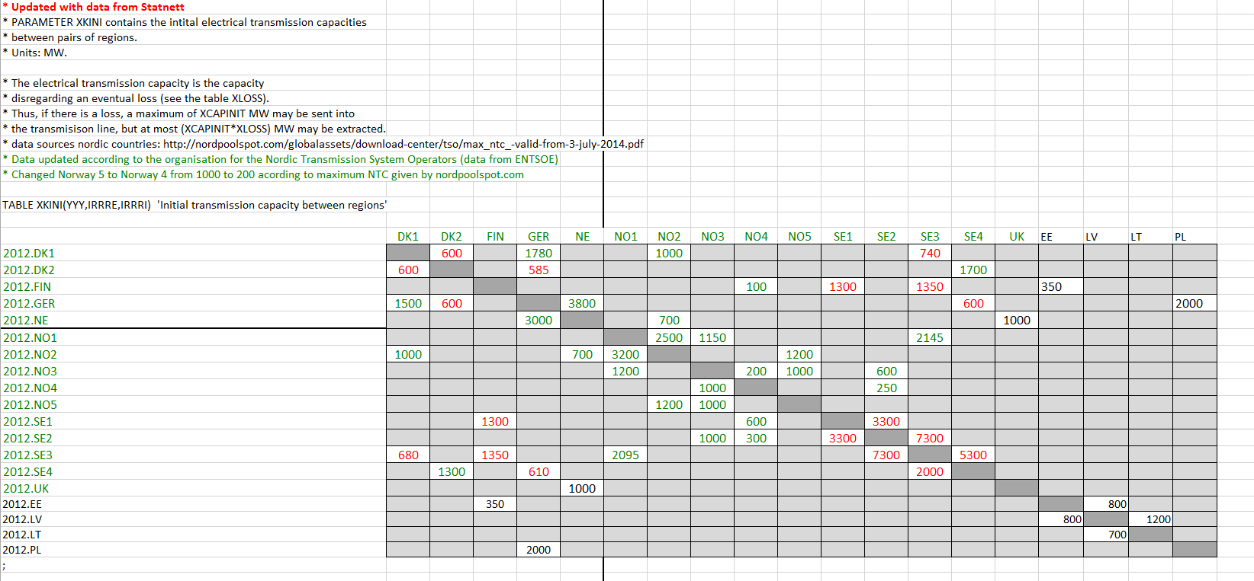
RAFS 12th April 2017:
Considering the two pictures on the left taken from TIMES-NO documentation (Pernille) and the NordReg report, it seams that the existing power lines between NOR1 and NOR2 are roughlybetween 500 and 700 MW. I said roughly because the values are estimated looking at the pictures and there is no more information about those numbers in the documentations. Moreover, the year the pictures are referring to is not totally clear, I assume they refer to 2012.
Moreover, also the Agora project (picture on the right) presents similar values for the year 2013.
Looking at the Flex4RES database (picture below) the transmission capacity assumed between NO3 and NO5 is 1000 MW and the one assumed between NO3 and NO1 is 1150 or 1200 depending by the direction. These data refer to 2012. These numbers seem a bit overestimated compared to the other three sources mentioned above this is also underline by the fact that in the NETP 2016 the overall capacity in 2030 between the same regions is roughly 2000 MW and no further expanion is included in the following years.
In light of this, I assumed 500 MW of interconnectors in the base year (source: Agora Study - "Increased Integration of the Nordic and German Electricity Systems" pp. 154) and then I implement the expansion predicted by the NETP 2016 report (pp. 166) as fixed value in 2030. So basically I used the CAP_BND parameter with the interpolation rule number 5: interpolation and forward extrapolation, so basically the model will increase the capacity linearly over the year from 2010 to 2030, starting with 500 Mw up to 2000 MW. After 2030 there is no plan in expanding this link, as it can be noted in the sheet "Data New Transmission" so then the model just extrapolated the last value until the end of the time horizon.
Picture from: TIMES-NO documentaiton (Pernille) pp. 4. the picture is probably referring to the situation in 2012. | Picture from: "Nordic Market report 2013" by NordReg, pp. 20. It is placed in the folder called "My Data"
 |  |  |  |  |  |  | Existing Lines
 |  |  |  |  |  |  | Agora Study - "Increased Integration of the Nordic and German Electricity Systems" pp. 154

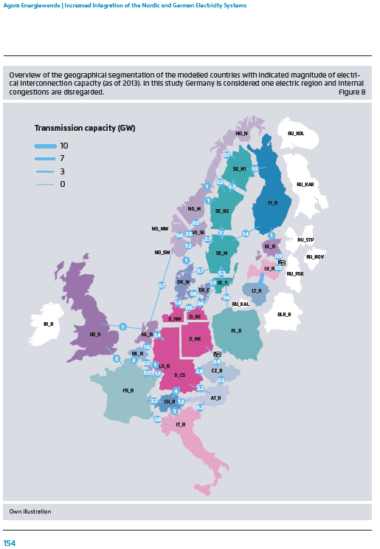

 |  | NO1: | South | NO1, NO2 and NO5
 |  | NO2: | North | NO3 and NO4

 |  | Flex4RES Database 2012
 |  |  | NO3 | NO5 | NO1
 |  | NO3 |  | 1000 | 1200 | 2200
 |  | NO5 | 1000
 |  | NO1 | 1150
 |  |  | 2150
Picture Extracted from the "Data" excel workbook which embodied the Flex4RES database for their base year (2012). The picture is contained in the sheet called "35".

