ELC-RNW_PotCAP
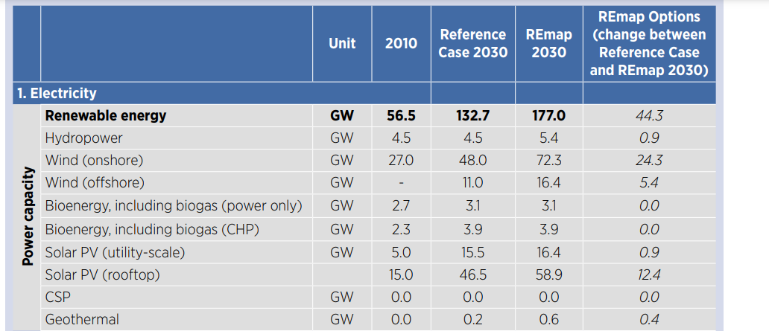
Activity constraints in
Unit [MW]

 | ~UC_Sets: R_E: AllRegions

 |  |  | Maximum Geothermal Capacity

 |  |  | ~UC_T: UC_RHSRT~UP
UC_N | Pset_CI | Pset_PD | Year | UC_CAP | UC_RHSRT~UP~0 | DE1 | DE2 | DE3 | DE4 | DE5
\I: explanation should be incerted
\I: Unit |  |  |  |  |  | MW | MW | MW | MW | MW
AU_HET_GEOCAP | ELCGEO |  | 2011 | 1 | 15 | 0 | 10000 | 10000 | 10000 | 10000
 |  |  | 2050 |  |  | 0 | 10000 | 10000 | 10000 | 10000

 |  |  | Maximum Wind On-shore Capacity

 |  |  | ~UC_T: UC_RHSRT~UP
UC_N | Pset_CI | Pset_PD | Year | UC_CAP | UC_RHSRT~UP~0 | DE1 | DE2 | DE3 | DE4 | DE5
\I: explanation should be incerted
\I: Unit |  |  |  |  |  | MW | MW | MW | MW | MW
AU_ELC_WONCAP | ELCWIN | *onshore* | 2011 | 1 | 15 | 0 | 4777 | 32087 | 29092 | 32740 |  |  |  |  |  | https://github.com/balmorelcommunity/Balmorel_data/blame/master/SUBTECHGROUPKPOT.inc
 |  |  | 2020 |  |  | 0 | 4777 | 32087 | 29092 | 32740
 |  |  | 2025 |  |  | 0 | 4777 | 32087 | 29092 | 32740
 |  |  | 2030 |  |  | 0 | 4777 | 32087 | 29092 | 32740
 |  |  | 2040 |  |  | 0 | 4777 | 32087 | 29092 | 32740
 |  |  | 2050 |  |  | 0 | 4777 | 32087 | 29092 | 32740

 |  |  | Maximum Wind Off-shore Capacity

 |  |  | ~UC_T: UC_RHSRT~UP
UC_N | Pset_CI | Pset_PD | Year | UC_CAP | UC_RHSRT~UP~0 | DE1 | DE2 | DE3 | DE4 | DE5
\I: explanation should be incerted
\I: Unit |  |  |  |  |  | MW | MW | MW | MW | MW
AU_ELC_WOFFCAP | ELCWIN | *offshore* | 2011 | 1 | 15 | 0 | 144000 | 0 | 0 | 0 | https://github.com/balmorelcommunity/Balmorel_data/blob/master/OFFSHOREGRID_SUBTECHGROUPKPOT.inc
 |  |  | 2030 |  |  | 0 | 144000 | 0 | 0 | 0
 |  |  | 2040 |  |  | 0 | 144000 | 0 | 0 | 0
 |  |  | 2050 |  |  | 0 | 144000 | 0 | 0 | 0

 |  |  | Maximum residential PV Capacity

 |  |  | ~UC_T: UC_RHSRT~UP |  |  |  |  |  |  |  |  |  |  |  | https://github.com/balmorelcommunity/Balmorel_data/blame/master/SUBTECHGROUPKPOT.inc
UC_N | Pset_CI | Pset_PN | Year | UC_CAP | UC_RHSRT~UP~0 | DE1 | DE2 | DE3 | DE4 | DE5
\I: explanation should be incerted
\I: Unit |  |  |  |  |  | MW | MW | MW | MW | MW
AU_RES_RESPVCAP | RESSOL | RESSOL* | 2011 | 1 | 15 | 13282 | 13282 | 39845 | 39845 | 39845
 |  |  | 2030 |  |  | 13282 | 13282 | 39845 | 39845 | 39845 |  | 0.33
 |  |  | 2050 |  |  | 13282 | 13282 | 39845 | 39845 | 39845

 |  |  | Maximum Industrial PV Capacity

 |  |  | ~UC_T: UC_RHSRT~UP
UC_N | Pset_CI | Pset_PN | Year | UC_CAP | UC_RHSRT~UP~0 | DE1 | DE2 | DE3 | DE4 | DE5
\I: explanation should be incerted
\I: Unit |  |  |  |  |  | MW | MW | MW | MW | MW
AU_IND_INDPVCAP | INDSOL | INDSOL* | 2011 | 1 | 15 | 13282 | 13282 | 39845 | 39845 | 39845
 |  |  | 2030 |  |  | 13282 | 13282 | 39845 | 39845 | 39845
 |  |  | 2040 |  |  | 13282 | 13282 | 39845 | 39845 | 39845

 |  |  | Maximum PV Capacity

 |  |  | ~UC_T: UC_RHSRT~UP
UC_N | Pset_CI | Pset_PN | Year | UC_CAP | UC_RHSRT~UP~0 | DE1 | DE2 | DE3 | DE4 | DE5
\I: explanation should be incerted
\I: Unit |  |  |  |  |  | MW | MW | MW | MW | MW
AU_ELC_PVCAP | ELCSOL | ER* | 2011 | 1 | 15 | 0 | 13282 | 39845 | 39845 | 39845 |  | 0.7 | 0.15 | 0.15
 |  |  | 2030 |  |  | 0 | 13282 | 39845 | 39845 | 39845
 |  |  | 2040 |  |  | 0 | 13282 | 39845 | 39845 | 39845

 |  |  | Maximum SOL Capacity

 |  |  | ~UC_T: UC_RHSRT~UP
UC_N | Pset_CI | Pset_PN | Year | UC_CAP | UC_RHSRT~UP~0 | DE1 | DE2 | DE3 | DE4 | DE5
\I: explanation should be incerted
\I: Unit |  |  |  |  |  | MW | MW | MW | MW | MW
AU_ELC_SOLCAP | ELCSOL | EH* | 2011 | 1 | 15 | 0 | 13282 | 39845 | 39845 | 39845 |  | 0.7 | 0.15 | 0.15
 |  |  | 2025 |  |  | 0 | 13282 | 39845 | 39845 | 39845
 |  |  | 2040 |  |  | 0 | 13282 | 39845 | 39845 | 39845

 |  |  | Maximum Wave Capacity

 |  |  | Not existing in Azerbaijan
UC_N | Pset_CI | Pset_PN | Year | UC_CAP | UC_RHSRT~UP~0 | DE1 | DE2 | DE3 | DE4 | DE5
\I: explanation should be incerted
\I: Unit |  |  |  |  |  | MW | MW | MW | MW | MW
AU_ELC_WAVCAP | ELCWAV |  | 2011 | 1 | 15 | 0 | 0 | 0 | 0 | 0
 |  |  | 2050 |  |  | 0 | 100000 | 0 | 0 | 0

 |  |  | Maximum SOL Capacity Residential

 |  |  | ~UC_T: UC_RHSRT~UP
UC_N | Pset_CI | Pset_PN | Year | UC_CAP | UC_RHSRT~UP~0 | DE1 | DE2 | DE3 | DE4 | DE5
\I: explanation should be incerted
\I: Unit |  |  |  |  |  | MW | MW | MW | MW | MW
AU_RES_SOLCAP | RESSOL* | RHT* | 2011 | 1 | 15 | 13282 | 13282 | 39845.333333 | 39845.333333 | 39845.333333 |  | Similar to solar PV potentials
 |  |  | 2030 |  |  | 13282 | 13282 | 39845.333333 | 39845.333333 | 39845.333333
 |  |  | 2050 |  |  | 13282 | 13282 | 39845.333333 | 39845.333333 | 39845.333333

