Intro
Topics for LP modelling in the week 13
Exercise problems for this week's tutorial (and tut test) is shown in the table below.
Sections 9.4 Maximal flow and 9.6 Minimal spanning trees will not be covered or assessed in this module.

Section | Problem type | Exercise problems in class | Exercise problems for tuts
9.1 | Transportation problem | Sheet 9.1 (1) and (2) | See SUNLearn
9.3 | Transshipment problem | Sheet 9.3 (1)
9.2 | Assignment problem | Sheet 9.2
9.5 | Shortest route problem | Sheet 9.5

9.1(1) transportation problem
9.1 Transportation problem
General description:
distribute something from points of supply to points of demand (sources to destinations)
components of the problem:
 | capacity (supply) at each source
 | requirement (demand) at each destination
 | shipping cost per unit from each source to each destination
objective - schedule shipments so that total transportation costs are minimized

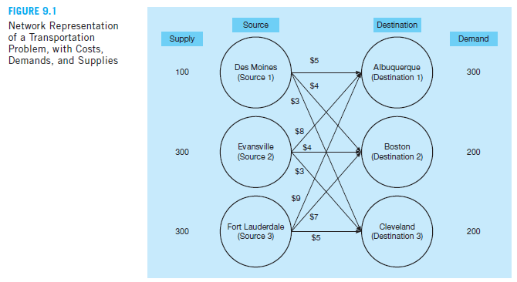

Setting up the LP problem

let X_ij = number of units shipped along each route (arc) from source i to destination j

i, j | 1 | 2 | 3
Source | Des Moines | Evansville | Fort Lauderdale
Destination | Albuquerque | Boston | Cleveland

so X_11 = number of units from Des Moines to Albuquerque
X_12 = number of units from Des Moines to Boston
and so on …

Constraints
 | three supply constraints (max supply at each source)
 | three demand constraints (demand to be satisfied at each source)

Using approach that we used so far

variables | X_11 | X_12 | X_13 | X_21 | X_22 | X_23 | X_31 | X_32 | X_33
solution | 100 | 0 | 0 | 0 | 200 | 100 | 200 | 0 | 100
cost | 5 | 4 | 3 | 8 | 4 | 3 | 9 | 7 | 5 | 3900

constraints |  |  |  |  |  |  |  |  |  | LHS |  | RHS
Des Moines | 1 | 1 | 1 |  |  |  |  |  |  | 100 | <= | 100
Evansville |  |  |  | 1 | 1 | 1 |  |  |  | 300 | <= | 300
Fort Lauderdale |  |  |  |  |  |  | 1 | 1 | 1 | 300 | <= | 300
Albuquerque | 1 |  |  | 1 |  |  | 1 |  |  | 300 | >= | 300
Boston |  | 1 |  |  | 1 |  |  | 1 |  | 200 | >= | 200
Cleveland |  |  | 1 |  |  | 1 |  |  | 1 | 200 | >= | 200

Note:
 | all the coefficients of the constraints = 1 or 0
 | LHS is just the sum of of the variables from a specific source, or to a specific destination

General LP model for Transportation problems (with additional notes from Winston 4th ed)

In general: | if we have m sources and n destinations, then
 | m* n variables
 | m+ n constraints

This allows us to use a specific structure when setting up the problem in Excel: |  |  |  |  | Different method

 | Destination j | 1 | 2 | 3
Source i | Costs | Albuquerque | Boston | Cleveland
1 | Des Moines | 5 | 4 | 3
2 | Evansville | 8 | 4 | 3
3 | Fort Lauderdale | 9 | 7 | 5

 | Destination j | 1 | 2 | 3
Source i | Costs | Albuquerque | Boston | Cleveland | Shipped |  | Supply
1 | Des Moines | 100 | 0 | 0 | 100 | <= | 100
2 | Evansville | 0 | 200 | 100 | 300 | <= | 300
3 | Fort Lauderdale | 200 | 0 | 100 | 300 | <= | 300
 | Received | 300 | 200 | 200
 |  | >= | >= | >=
 | Demand | 300 | 200 | 200

 | total cost | 3900

Notice how total supply (700) = total demand (also 700) in this example

If sum(supply) = sum(demand) - problem is said to be a balanced transportation problem
We can write a balanced transportation problem as:
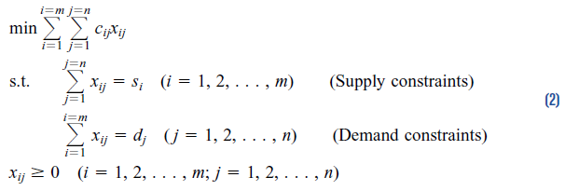

Realistic that total supply is always equal to total demand? Probably not…

To balance an unbalanced transportation problem:
excess | If total supply > total demand => add a dummy demand point with demand equal to excess supply amount
 |  | cost to ship to dummy demand point is just 0, could add inventory holding cost for units not shipped out
shortage | If total supply < total demand => add a dummy supply point with supply equal to excess demand amount
 |  | cost to ship from a dummy supply point is just 0, could add penalty for shortage or penalty for unmet demand

Suppose Source 3 (Fort Lauderdale) only has a supply capacity of 200 units:
 | supply shortage is 100 units - add supply dummy and solve again

view notes for second method

 | Destination j | 1 | 2 | 3
Source i | Costs | Albuquerque | Boston | Cleveland
1 | Des Moines | 5 | 4 | 3
2 | Evansville | 8 | 4 | 3
3 | Fort Lauderdale | 9 | 7 | 5
4 | dummy | 0 | 0 | 0

 | Destination j | 1 | 2 | 3
Source i | Costs | Albuquerque | Boston | Cleveland | Shipped |  | Supply
1 | Des Moines | 100 | 0 | 0 | 100 | <= | 100
2 | Evansville | 0 | 200 | 100 | 300 | <= | 300
3 | Fort Lauderdale | 100 | 0 | 100 | 200 | <= | 200
4 | dummy | 100 | 0 | 0 | 100 | <= | 100
 | Received | 300 | 200 | 200
 |  | >= | >= | >= |  |  | 700
 | Demand | 300 | 200 | 200 |  | 700

 | total cost | 3000

9.3 (1) transshipment
9.3 Transshipment problem
Similar to general transportation problem, but items being transported must go through an intermediate point (transshipment point) en route to its final destination

Frosty machines - manufactures snow blowers in factories located in Toronto and Detroit
Shipped to the regional DC's in Chicago and Buffalo
Then delivered to supply houses in NY, Philadelphia and St. Louis
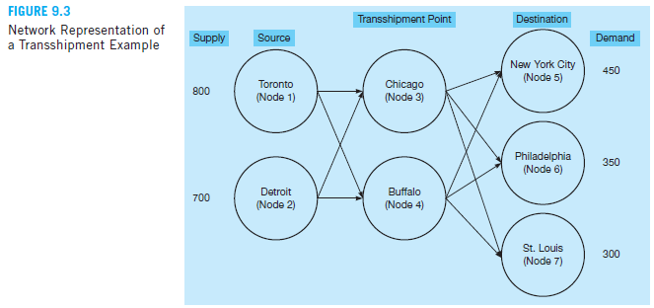

 |  |  |  |  |  |  |  | Node | City
 |  |  |  |  |  |  |  | 1 | Toronto
 |  |  |  |  |  |  |  | 2 | Detroit
 |  |  |  |  |  |  |  | 3 | Chicago
 |  |  |  |  |  |  |  | 4 | Buffalo
 |  |  |  |  |  |  |  | 5 | NY
 |  |  |  |  |  |  |  | 6 | Philadelphia
 |  |  |  |  |  |  |  | 7 | St. Louis

minimize transportation cost, while shipping enough stock to meet demand at the three destination while not exceeding supply at each factory
Constraints - supply and demand (similar to transportation problem), but also constraint for each transshipment point

Let's formulate the problem in words

 | Minimize total cost
subject to
 | Total units shipped from Toronto is less than or equal to 800 |  |  |  |  |  |  |  | [supply Toronto]
 | Total units shipped from Detroit is less than or equal to 700 |  |  |  |  |  |  |  | [supply Detroit]
 | Total units received at NY is 450 |  |  |  |  |  |  |  | [demand New York City]
 | Total units received at Philadelphia is 350 |  |  |  |  |  |  |  | [demand Philadelphia]
 | Total units received at St Louis is 300 |  |  |  |  |  |  |  | [demand St Louis]
 | Total units shipped into Chicago is equal to the total units shipped out of Chicago |  |  |  |  |  |  |  | [transship Chicago]
 | Total units shipped into Buffalo is equal to the total units shipped out of Buffalo |  |  |  |  |  |  |  | [transship Buffalo]

let Xij = number of units shipped from node i to node j

 | X13 | X14 | X23 | X24 | X35 | X36 | X37 | X45 | X46 | X47
Solution | 650 | 150 | 0 | 300 | 0 | 350 | 300 | 450 | 0 | 0 | Total cost
min cost | 4 | 7 | 5 | 7 | 6 | 4 | 5 | 2 | 3 | 4 | 9550

Constraints |  |  |  |  |  |  |  |  |  |  | LHS |  | RHS
Node 1 | 1 | 1 |  |  |  |  |  |  |  |  | 800 | <= | 800 | supply at Toronto
Node 2 |  |  | 1 | 1 |  |  |  |  |  |  | 300 | <= | 700 | supply at Detroit
Node 3 | 1 |  | 1 |  | -1 | -1 | -1 |  |  |  | 0 | = | 0 | transship Chicago
Node 4 |  | 1 |  | 1 |  |  |  | -1 | -1 | -1 | 0 | = | 0 | transship Buffalo
Node 5 |  |  |  |  | 1 |  |  | 1 |  |  | 450 | = | 450 | demand at NY
Node 6 |  |  |  |  |  | 1 |  |  | 1 |  | 350 | = | 350 | demand at Philadelphia
Node 7 |  |  |  |  |  |  | 1 |  |  | 1 | 300 | = | 300 | demand at St Louis

 | From |  | To |  | Units |  |  |  |  |  |  |  |  | transship Chicago
X13 | 1 | Toronto | 3 | Chicago | 650 |  |  |  |  |  |  |  |  | transship Buffalo
X14 | 1 | Toronto | 4 | Buffalo | 150
X23 | 2 | Detroit | 3 | Chicago | 0
X24 | 2 | Detroit | 4 | Buffalo | 300
X35 | 3 | Chicago | 5 | NY | 0
X36 | 3 | Chicago | 6 | Philadelphia | 350
X37 | 3 | Chicago | 7 | St. Louis | 300
X45 | 4 | Buffalo | 5 | NY | 450
X46 | 4 | Buffalo | 6 | Philadelphia | 0
X47 | 4 | Buffalo | 7 | St. Louis | 0

Another way to structure the problem…
 | Costs
 | From/to | Chicago | Buffalo | NY | Philadelphia | St. Louis
 | Toronto | 4 | 7 | - | - | -
 | Detroit | 5 | 7 | - | - | -
 | Chicago | - | - | 6 | 4 | 5
 | Buffalo | - | - | 2 | 3 | 4

 | Units shipped
 | From/to | Chicago | Buffalo | NY | Philadelphia | St. Louis | Shipped |  | Supply
 | Toronto | 650 | 150 |  |  |  | 800 | <= | 800
 | Detroit | 0 | 300 |  |  |  | 300 | <= | 700
 | Chicago |  |  | 0 | 350 | 300 | 650
 | Buffalo |  |  | 450 | 0 | 0 | 450
 | Received | 650 | 450 | 450 | 350 | 300
 |  |  |  | = | = | =
 | Demand |  |  | 450 | 350 | 300

 | Total cost | 9550

9.2 assignment problem
Assignment problem
class of LP problems dealing with efficient assignment of
 | people to projects
 | auditors to companies
 | contracts to bidders
 | jobs to machines etc.

objective - minimize total cost / time
 | important characteristic - only one job / person is assignment to one machine / project
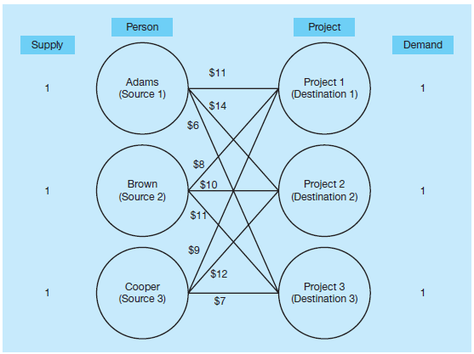
Example - Fix-It shop

Three new repair projects:
1 | radio
2 | toaster
3 | coffee table

Three repair persons available,
each with different talents (and wages).

Owner wants to assign each job to
one worker while minimizing total cost.
Each job to one person, one person per job.

Looks familiar? We can view this as a special type of transportation problem:
 | supply at each source is equal to 1
 | demand at each destination is equal to 1
$$X_{ij}=\left\{\begin{aligned}1 if person i is assigned to project j \\ 0 otherwise\end{aligned}\right.$$
Our decision variables:

 |  |  | Project j
 | Costs (Cij) |  | Radio | Toaster | Coffee Table
 |  |  | 1 | 2 | 3
Resource i | Adams | 1 | 11 | 14 | 6
 | Brown | 2 | 8 | 10 | 11
 | Cooper | 3 | 9 | 12 | 7

 |  |  | Project j
 | DVs (Xij) |  | Radio | Toaster | Coffee Table
 |  |  | 1 | 2 | 3 | LHS |  | RHS
Resource i | Adams | 1 | 0 | 0 | 1 | 1 | <= | 1
 | Brown | 2 | 0 | 1 | 0 | 1 | <= | 1
 | Cooper | 3 | 1 | 0 | 0 | 1 | <= | 1
 |  |  | 1 | 1 | 1
 |  |  | = | = | = |  |  | 3
 |  |  | 1 | 1 | 1 |  | 3

 | total cost= | 25

Afterthoughts:
this example was balanced (number of resources = number of projects)
if unbalanced - add a dummy resource or project

due to structure of the problem (constraint coefficients = 0 or 1, RHS values = 1), problem can be solved as an LP
If a solution exists, the variables will always be equal to 0 or 1.

