Transshipment
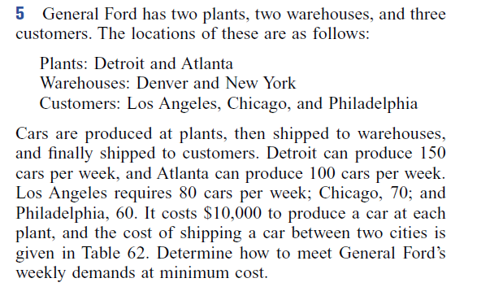
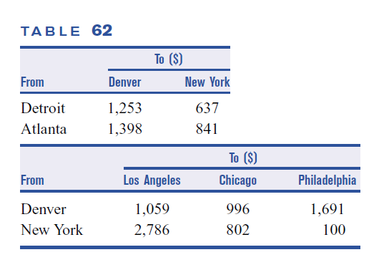

Final answer: min cost = 338610

Plants: | Detroit(150) | Atlanta(100) | $10000 a car
Warehouses: | Denver | NY
Customers | LA(80) | Chicago(70) | Phila(60)

From | Detroit | Detroit | Atlanta | Atlana | Denver | Denver | Denver | NY | NY | NY
To | Denver | NY | Denver | NY | LA | Chicago | Phila | LA | Chicago | Phila
Variables | X_11 | X_12 | X_21 | X_22 | X_33 | X_34 | X_35 | X_43 | X_44 | X_45
Solution | 20 | 130 | 60 | 0 | 80 | 0 | 0 | 0 | 70 | 60 | min cost
Cost | 1253 | 637 | 1398 | 841 | 1059 | 996 | 1691 | 2786 | 802 | 100 | 338610

Constraints |  |  |  |  |  |  |  |  |  |  | LHS |  | RHS
Supply Detroit | 1 | 1 |  |  |  |  |  |  |  |  | 150 | <= | 150
Supply Atlanta |  |  | 1 | 1 |  |  |  |  |  |  | 60 | <= | 100
Transship Denver | 1 |  | 1 |  | -1 | -1 | -1 |  |  |  | 0 | = | 0
Transship NY |  | 1 |  | 1 |  |  |  | -1 | -1 | -1 | 0 | = | 0
Demand LA |  |  |  |  | 1 |  |  | 1 |  |  | 80 | = | 80
Demand Chicago |  |  |  |  |  | 1 |  |  | 1 |  | 70 | = | 70
Demand Phila |  |  |  |  |  |  | 1 |  |  | 1 | 60 | = | 60

Assignment(1)
Question:
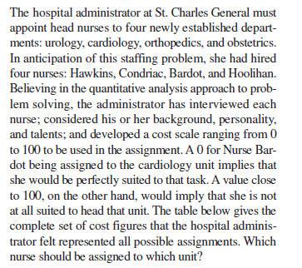

cost scale (0 good - 100 bad)
NURSE | UROLOGY | CARDIOLOGY | ORTHOPEDICS | OBSTETRICS
Hawkins | 28 | 18 | 15 | 75
Condriac | 32 | 48 | 23 | 38
Bardot | 51 | 36 | 24 | 36
Hoolihan | 25 | 38 | 55 | 12

Final answer: min cost = 86

NURSE | UROLOGY | CARDIOLOGY | ORTHOPEDICS | OBSTETRICS
Hawkins | 0 | 1 | 0 | 0 | 1 | = | 1
Condriac | 1 | 0 | 0 | 0 | 1 | = | 1
Bardot | 0 | 0 | 1 | 0 | 1 | = | 1
Hoolihan | 0 | 0 | 0 | 1 | 1 | = | 1
 | 1 | 1 | 1 | 1
 | = | = | = | = |  |  | 4
 | 1 | 1 | 1 | 1 |  | 4

 | min cost | 86

Shortest route
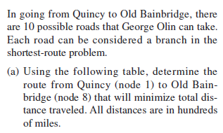
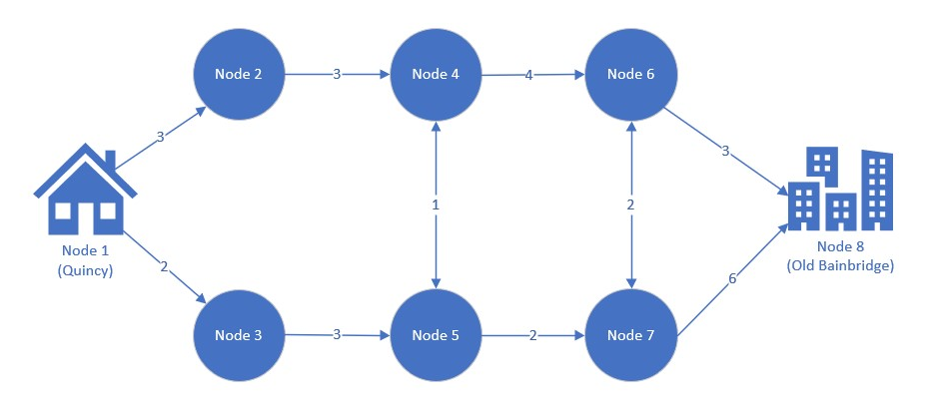
 |  |  |  |  | Route table |  |  |  |  | Route diagram (not to scale)
 |  |  |  |  | Branch | Start node | End node | Distance ('00 km)
 |  |  |  |  | 1 | 1 | 2 | 3
 |  |  |  |  | 2 | 1 | 3 | 2
 |  |  |  |  | 3 | 2 | 4 | 3
 |  |  |  |  | 4 | 3 | 5 | 3
 |  |  |  |  | 5 | 4 | 5 | 1
 |  |  |  |  | 6 | 4 | 6 | 4
 |  |  |  |  | 7 | 5 | 7 | 2
 |  |  |  |  | 8 | 6 | 7 | 2
b) Suppose that the distance of branch 4 (node 3 to 5) |  |  |  |  | 9 | 6 | 8 | 3
is in fact 100 km, and not 300 km as in the initial table. |  |  |  |  | 10 | 7 | 8 | 6
Does this change the shortest route from 1 to 8?

c) Suppose George Olin has to stop at node 4 for fuel
How does this impact your answer in b)?
Hint: you need to add an additional constraint
to your formulation in b).

Final answers: a) 13, b) 12, c) ?
A.)
From | 1 | 1 | 2 | 3 | 4 | 4 | 5 | 5 | 6 | 6 | 7 | 7
To | 2 | 3 | 4 | 5 | 5 | 6 | 4 | 7 | 7 | 8 | 6 | 8
Variable | X_12 | X_13 | X_24 | X_35 | X_45 | X_46 | X_54 | X_57 | X_67 | X_68 | X_76 | X_78
Solution | 0 | 1 | 0 | 1 | 0 | 0 | 0 | 1 | 0 | 1 | 1 | 0 | min distance
Distance | 3 | 2 | 3 | 3 | 1 | 4 | 1 | 2 | 2 | 3 | 2 | 6 | 12

Constraints | X_12 | X_13 | X_24 | X_35 | X_45 | X_46 | X_54 | X_57 | X_67 | X_68 | X_76 | X_78 | LHS |  | RHS
Node 1(Start) | 1 | 1 |  |  |  |  |  |  |  |  |  |  | 1 | = | 1
Node 2 | 1 |  | -1 |  |  |  |  |  |  |  |  |  | 0 | = | 0
Node 3 |  | 1 |  | -1 |  |  |  |  |  |  |  |  | 0 | = | 0
Node 4 |  |  | 1 |  | -1 | -1 | 1 |  |  |  |  |  | 0 | = | 0
Node 5 |  |  |  | 1 | 1 |  | -1 | -1 |  |  |  |  | 0 | = | 0
Node 6 |  |  |  |  |  | 1 |  |  | -1 | -1 | 1 |  | 0 | = | 0
Node 7 |  |  |  |  |  |  |  | 1 | 1 |  | -1 | -1 | 0 | = | 0
Node 8(end) |  |  |  |  |  |  |  |  |  | 1 |  | 1 | 1 | = | 1

B.) Yes by -2km
Variable | X_12 | X_13 | X_24 | X_35 | X_45 | X_46 | X_54 | X_57 | X_67 | X_68 | X_76 | X_78
Solution | 0 | 1 | 0 | 1 | 0 | 0 | 0 | 1 | 0 | 1 | 1 | 0 | min distance
Distance | 3 | 2 | 3 | 1 | 1 | 4 | 1 | 2 | 2 | 3 | 2 | 6 | 10

Constraints | X_12 | X_13 | X_24 | X_35 | X_45 | X_46 | X_54 | X_57 | X_67 | X_68 | X_76 | X_78 | LHS |  | RHS
Node 1(Start) | 1 | 1 |  |  |  |  |  |  |  |  |  |  | 1 | = | 1
Node 2 | 1 |  | -1 |  |  |  |  |  |  |  |  |  | 0 | = | 0
Node 3 |  | 1 |  | -1 |  |  |  |  |  |  |  |  | 0 | = | 0
Node 4 |  |  | 1 |  | -1 | -1 | 1 |  |  |  |  |  | 0 | = | 0
Node 5 |  |  |  | 1 | 1 |  | -1 | -1 |  |  |  |  | 0 | = | 0
Node 6 |  |  |  |  |  | 1 |  |  | -1 | -1 | 1 |  | 0 | = | 0
Node 7 |  |  |  |  |  |  |  | 1 | 1 |  | -1 | -1 | 0 | = | 0
Node 8(end) |  |  |  |  |  |  |  |  |  | 1 |  | 1 | 1 | = | 1

C.)
Variable | X_12 | X_13 | X_24 | X_35 | X_45 | X_46 | X_54 | X_57 | X_67 | X_68 | X_76 | X_78
Solution | 0 | 1 | 0 | 1 | 0 | 1 | 1 | 0 | 0 | 1 | 0 | 0 | min distance |  | Won't work for some reason but is exactly the same?
Distance | 3 | 2 | 3 | 1 | 1 | 4 | 1 | 2 | 2 | 3 | 2 | 6 | 11 |  | Makes no sense to me

Constraints | X_12 | X_13 | X_24 | X_35 | X_45 | X_46 | X_54 | X_57 | X_67 | X_68 | X_76 | X_78 | LHS |  | RHS
Node 1(Start) | 1 | 1 |  |  |  |  |  |  |  |  |  |  | 1 | = | 1
Node 2 | 1 |  | -1 |  |  |  |  |  |  |  |  |  | 0 | = | 0
Node 3 |  | 1 |  | -1 |  |  |  |  |  |  |  |  | 0 | = | 0
Node 4 |  |  | 1 |  | -1 | -1 | 1 |  |  |  |  |  | 0 | = | 0
Node 5 |  |  |  | 1 | 1 |  | -1 | -1 |  |  |  |  | 0 | = | 0
Node 6 |  |  |  |  |  | 1 |  |  | -1 | -1 | 1 |  | 0 | = | 0
Node 7 |  |  |  |  |  |  |  | 1 | 1 |  | -1 | -1 | 0 | = | 0
Node 8(end) |  |  |  |  |  |  |  |  |  | 1 |  | 1 | 1 | = | 1
Node 4 |  |  | 1 |  |  |  | 1 |  |  |  |  |  | 0 | = | 1

TEACHERS TABLE
Node 1 | 1 | 1 |  |  |  |  |  |  |  |  |  |  | 1 | = | 1
Node 2 | 1 |  | -1 |  |  |  |  |  |  |  |  |  | 0 | = | 0
Node 3 |  | 1 |  | -1 |  |  |  |  |  |  |  |  | 0 | = | 0
Node 4 |  |  | 1 |  | -1 | -1 | 1 |  |  |  |  |  | 0 | = | 0
Node 5 |  |  |  | 1 | 1 |  | -1 | -1 |  |  |  |  | 0 | = | 0
Node 6 |  |  |  |  |  | 1 |  |  | -1 | -1 | 1 |  | 0 | = | 0
Node 7 |  |  |  |  |  |  |  | 1 | 1 |  | -1 | -1 | 0 | = | 0
Node 8 |  |  |  |  |  |  |  |  |  | 1 |  | 1 | 1 | = | 1
node 4 |  |  | 1 |  |  |  | 1 |  |  |  |  |  | 1 | = | 1

