MTI KBank PA CB - Tele
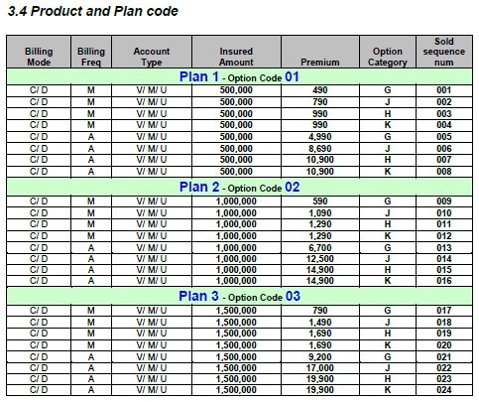
Campaign Code | 021DP1715M02
Month | Main insured/ Individual |  |  | Spouse / Couple |  |  | Family (Main + Child) |  |  | Family (Main + Spouse + Child)
MMM-yy | Plan 1 | Plan 2 | Plan 3 | Plan 1 | Plan 2 | Plan 3 | Plan 1 | Plan 2 | Plan 3 | Plan 1 | Plan 2 | Plan 3
No. of Yes file | - | - | - | - | - | - | - | - | - | - | - | - | -
TYP | - | - | - | - | - | - | - | - | - | - | - | - | -
AMP | - | - | - | - | - | - | - | - | - | - | - | - | -
YTD
No. of Yes file | - | - | - | - | - | - | - | - | - | - | - | - | -
TYP | - | - | - | - | - | - | - | - | - | - | - | - | -
AMP | - | - | - | - | - | - | - | - | - | - | - | - | -

1. Compared FX
Sold option code in FX | 01 | 02 | 03 | 01 | 02 | 03 | 01 | 02 | 03
Sold option Category in FX | G | G | G | J | J | J | H / K | H / K | H / K | *** H / K = Family (H = Primary + Spouse + Child and K = Primary + Child) ***

2. Compared Product Spec
Plan in Product Spec | 1 | 2 | 3 | 1 | 2 | 3 | 1 | 2 | 3
Policy Type in Product Spec | Single Plan | Single Plan | Single Plan | Family Plan (without child) | Family Plan (without child) | Family Plan (without child) | Family Plan (with child) | Family Plan (with child) | Family Plan (with child)

3. Reference (Product Spec)

