bayern
 |  | catalog path | mai brand clor | hex | card picture number
 | weber mt | https://katalog.webermt.com/FlipBook_WeberMT-Katalog2025-GB/ |  | #0082c7 | 3
 | enar | https://www.enargroup.com/eme/range/vibration/products |  | #fea904 | 3
 | Geda | https://www.geda.de/en/products/catalogue/ |  | #6078a3 | 3
 | Hatz | https://hatz.com/en-global/products |  | da281b | 2
 | Dynapac | https://dynapac.com/en/products/light-equipment?tab=products |  | #941818 | 3
 | Imer | https://www.imergroup.com/en/products/ |  | #579f97 | 3
 | Ofmer | https://www.ofmer.com/en/products-portfolio/ |  | #46517a | 3
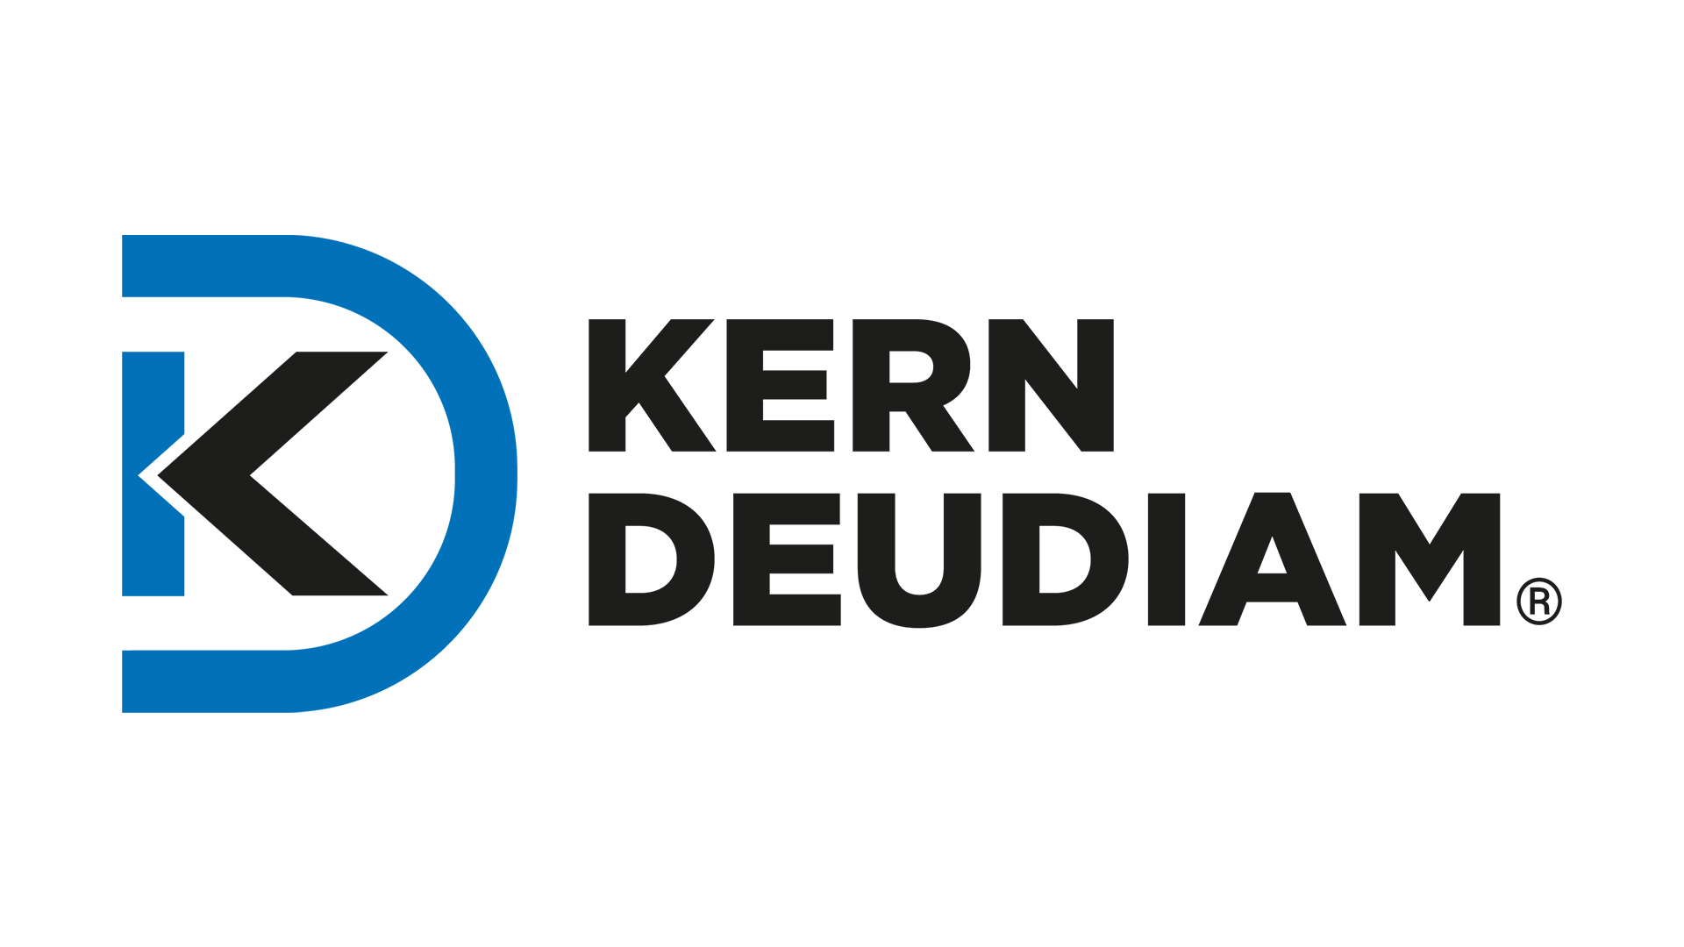 | KERN-DEUDIAM | https://kern-deudiam.com/catalogues/kern-deudiam-diamond-tools-dubai/ |  | #3aade1 | 3
 | Yanmar | https://www.yanmar.com/global/engine/products/diesel/aircooled/ |  | #d90738 | 3

