F2000 Interactive Dashboard
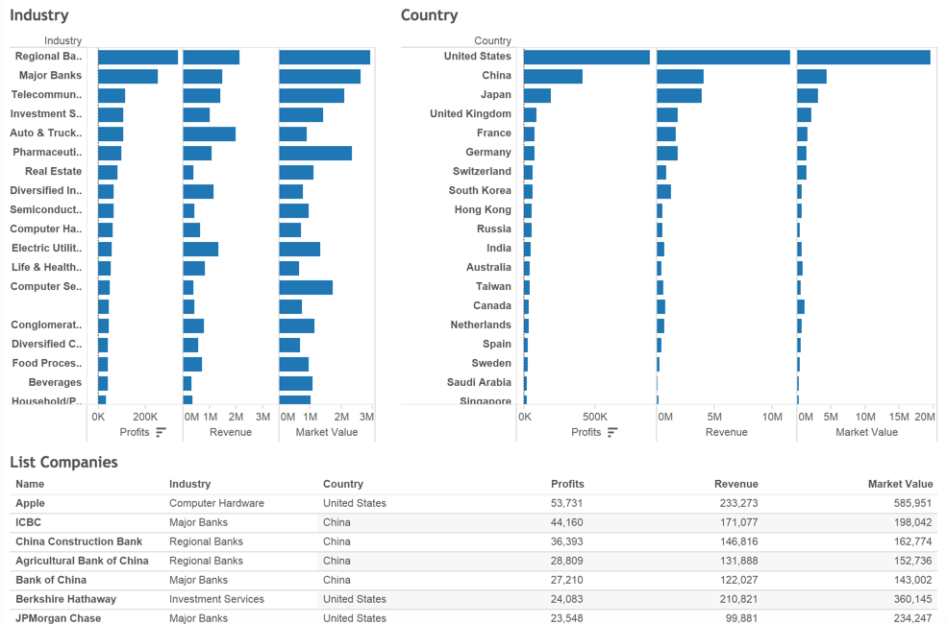
https://public.tableau.com/views/Largestcompanies/Dashboard1?:embed=y&:display_count=yes

