Distribution Analysis
Total Cholesterol |  | BMI |  |  | Heart Rate |  | Systolic Blood Pressure |  | Diastolic Blood Pressure |  | Glucose
Total Cholesterol Distribution (mg/dL)
 | Total
<100 or (blank)
100-149 | 23
150-199 | 808
200-249 | 1855
250-299 | 1159
300-349 | 292
350-399 | 43
400-449 | 6
450-499 | 2
600-649 | 1
650-700 | 1
Distribution of Total BMI (kg/m^2)
 | Total
<15 or (blank)
15-20 | 205
20-25 | 1722
25-30 | 1755
30-35 | 420
35-40 | 93
40-45 | 22
45-50 | 2
50-55 | 1
55-60 | 1
Distribution of Heart Rate (bpm)
 | Total
<40 or (blank)
40-54 | 73
55-69 | 1156
70-84 | 2014
85-99 | 793
100-114 | 183
115-129 | 17
130-144 | 3
Distribution of Systolic Blood Pressure (mmHg)
Distribution of Diastolic Blood Pressure (mmHg)
Distribution of Glucose (mg/dL)
 | Total
<0 or (blank)
25-49 | 13
50-74 | 1367
75-99 | 2111
100-124 | 274
125-149 | 35
150-174 | 13
175-199 | 5
200-224 | 10
225-249 | 4
250-274 | 8
275-299 | 3
300-324 | 1
325-349 | 3
350-374 | 2
375-400 | 3
Row Labels | Count of totChol |  | Row Labels | Count of BMI | Row Labels | Count of heartRate | Row Labels | Count of sysBP | Row Labels | Count of diaBP | Row Labels | Count of glucose
<100 or (blank) |  |  | <15 or (blank) |  | <40 or (blank) |  | 80-100 | 79 | 40-55 | 7 | <0 or (blank)
100-149 | 23 |  | 15-20 | 205 | 40-54 | 73 | 100-120 | 1200 | 55-70 | 440 | 25-49 | 13
150-199 | 808 |  | 20-25 | 1722 | 55-69 | 1156 | 120-140 | 1677 | 70-85 | 2083 | 50-74 | 1367
200-249 | 1855 |  | 25-30 | 1755 | 70-84 | 2014 | 140-160 | 806 | 85-100 | 1345 | 75-99 | 2111
250-299 | 1159 |  | 30-35 | 420 | 85-99 | 793 | 160-180 | 308 | 100-115 | 304 | 100-124 | 274
300-349 | 292 |  | 35-40 | 93 | 100-114 | 183 | 180-200 | 126 | 115-130 | 47 | 125-149 | 35
350-399 | 43 |  | 40-45 | 22 | 115-129 | 17 | 200-220 | 35 | 130-145 | 14 | 150-174 | 13
400-449 | 6 |  | 45-50 | 2 | 130-144 | 3 | 220-240 | 5 | Grand Total | 4240 | 175-199 | 5
450-499 | 2 |  | 50-55 | 1 | Grand Total | 4239 | 240-260 | 3 |  |  | 200-224 | 10
600-649 | 1 |  | 55-60 | 1 |  |  | 280-300 | 1 |  |  | 225-249 | 4
650-700 | 1 |  | Grand Total | 4221 |  |  | Grand Total | 4240 |  |  | 250-274 | 8
Grand Total | 4190 |  |  |  |  |  |  |  |  |  | 275-299 | 3
 |  |  |  |  |  |  |  |  |  |  | 300-324 | 1
 |  |  |  |  |  |  |  |  |  |  | 325-349 | 3
 |  |  |  |  |  |  |  |  |  |  | 350-374 | 2
Summary Stats |  | Summary Stats |  |  | Summary Stats |  | Summary Stats |  | Summary Stats |  | 375-400 | 3
 |  |  |  |  |  |  |  |  |  |  | Grand Total | 3852
Cholesterol |  | BMI |  |  | Heart Rate |  | Systolic BP |  | Diastolic BP
 |  |  |  |  |  |  |  |  |  |  | Summary Stats
Mean | 236.69952267 | Mean | 26.339587629 |  | Mean | 75.936139332 | Mean | 132.35459906 | Mean | 82.897759434
Standard Error | 0.68887903082 | Standard Error | 0.49220366993 |  | Standard Error | 0.45574750473 | Standard Error | 0.33837370894 | Standard Error | 0.18291242927 | Glucose
Median | 234 | Median | 26.03 |  | Median | 75 | Median | 128 | Median | 82
Mode | 240 | Mode | 29.35 |  | Mode | 75 | Mode | 120 | Mode | 80 | Mean | 80.357142857
Standard Deviation | 44.591283869 | Standard Deviation | 4.8476439547 |  | Standard Deviation | 11.96282943 | Standard Deviation | 22.033299609 | Standard Deviation | 11.910394483 | Standard Error | 3.1284008183
Sample Variance | 1988.3825971 | Sample Variance | 23.499651912 |  | Sample Variance | 143.10928798 | Sample Variance | 485.46629165 | Sample Variance | 141.85749675 | Median | 78.5
Kurtosis | 4.1298894194 | Kurtosis | 2.3935129486 |  | Kurtosis | 1.3325166018 | Kurtosis | 2.1566236031 | Kurtosis | 1.2753143343 | Mode | 76
Skewness | 0.87188056348 | Skewness | 1.1431960789 |  | Skewness | 0.65033439534 | Skewness | 1.1452850355 | Skewness | 0.71325021285 | Standard Deviation | 11.70540403
Range | 589 | Range | 28.19 |  | Range | 92 | Range | 211.5 | Range | 94.5 | Sample Variance | 137.01648352
Minimum | 107 | Minimum | 17.61 |  | Minimum | 48 | Minimum | 83.5 | Minimum | 48 | Kurtosis | 0.15206323756
Maximum | 696 | Maximum | 45.8 |  | Maximum | 140 | Maximum | 295 | Maximum | 142.5 | Skewness | 0.32588133766
Sum | 991771 | Sum | 2554.94 |  | Sum | 52320 | Sum | 561183.5 | Sum | 351486.5 | Range | 42
Count | 4190 | Count | 97 |  | Count | 689 | Count | 4240 | Count | 4240 | Minimum | 61
 |  |  |  |  |  |  |  |  |  |  | Maximum | 103
 |  |  |  |  |  |  |  |  |  |  | Sum | 1125
Total cholestrol looks fairly unimodal but right skewed with a bulk of observations |  | BMI looks to be unimodal with majority of individuals in the 20-30 range. This graph |  |  | Heart rate looks fairly symmetric with a bell-shaped distribution with a peak |  | Systolic blood pressure is unimodal peaking at 120-140 with a gradual decline on |  | Diastolic blood pressure is also unimodal, peaking at 70-85, but slightly right |  | Count | 14
clustered in the 200-249 range with a long thinner tail that stretched out to the 600s. |  | is right-skewed toward higher BMI values rather than a symmetric balance on both sides |  |  | at 70-84 and tapering off fairly evenly on both sides even though there is a slightly |  | the right side having the graph be right skewed extending out to 300. The normality |  | skewed with a few individuals with higher diastolic blood pressures. This graph
Because of the shewed tail, the distribution is not symmetric making the normality |  | questioning a normal probability plot. |  |  | longer tail on the higher end of the heart rates for the most part satisfying the |  | assumption is still questionable but it would fairly have a bell-shaped normal curve. |  | looks to be fairly normal other than that right tail but would be a weaker
assumptions questionable but would still produce a pretty normal looking bell-shaped |  |  |  |  | normality assumption. |  |  |  | normality assumption. |  | Glucose has the heaviest right-skew of all the variables as majority of individuals are within the 50-99
curve. |  |  |  |  |  |  |  |  |  |  | group and then procedes to have a very long, scattered tail stretching out to 400. This is a non-normal
 |  |  |  |  |  |  |  |  |  |  | shape so a normal probability inference would be inappropriate.

AI Interaction Log
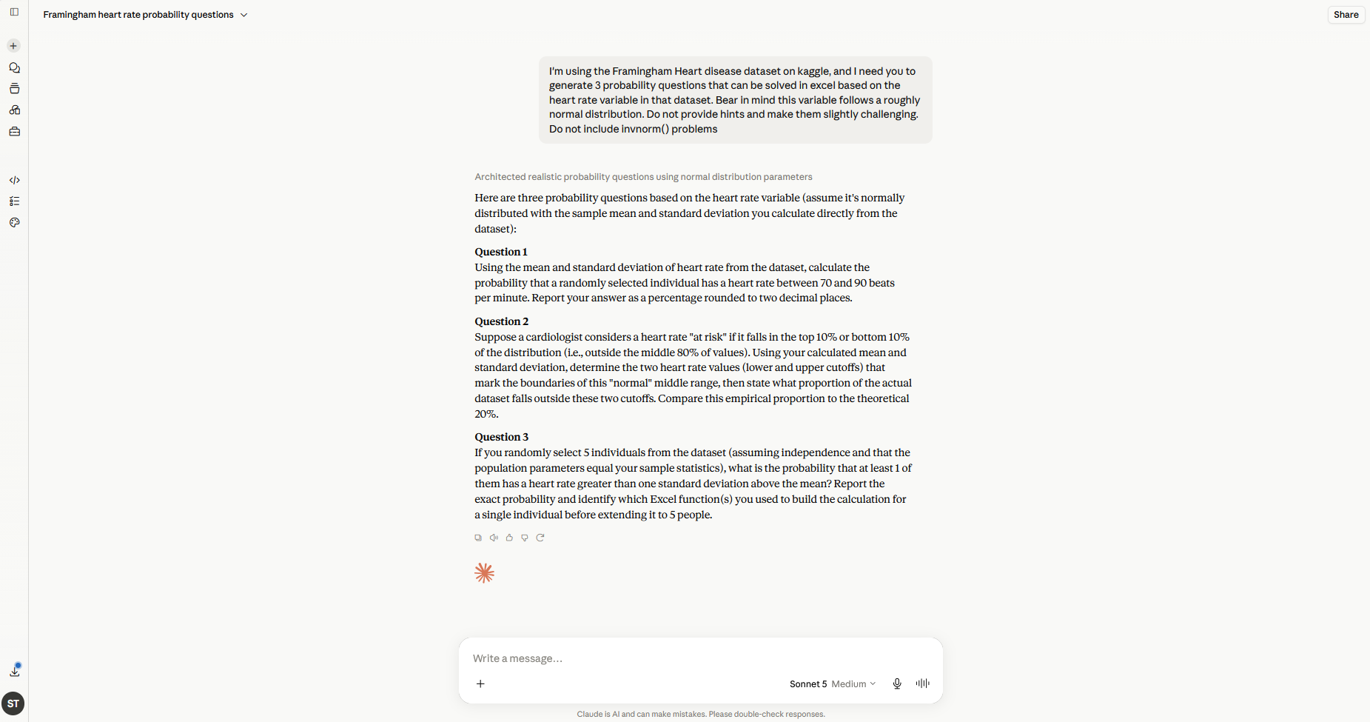

(1) We originally experimented with multiple prompts to generate the questions.
We wanted questions from the AI that challenged us and weren't completely basic
such as "What is the probability that a patient's heart rate is above 85 bpm". The
first few prompts did not provide this to us, and they also included hints which is
why the specification for challenging problems are there. Additionally, we wanted to avoid
using invnorm() for any problems as the example problems in the assignment guidelines didn't
include any types like that as well, but after discussing with our professor, we felt it was
acceptable to include the one that was generated anyway (Problem 2). The description of
the distribution being approximately normal was to prompt Claude to make it specific
to the normal distribution, that way our calculations would be similar to our other
assignments.

