Sheet1
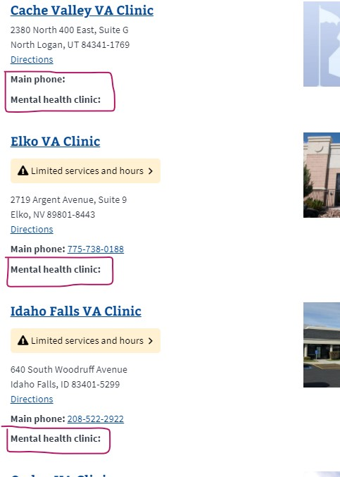
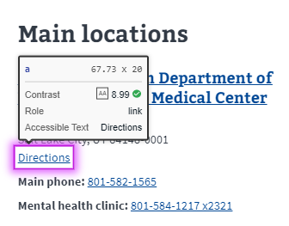
Foundation Testing for: Salt Lake City health care system
Pages being tested: |  | System (home) | Health Services | Locations | Register for Care | Make an appointment | Medical Records office | Mental Health | Policies

1 | Color Contrast* | X | X | X | X | X | X | X | X
2 | Content Zoom** | X | X | X | X | X | X | X | X
3 | Keyboard "Tab" Nav. | X | X | X | X | X | X | X | X
4 | Axe-Core Browser | *1-3, & 4 Below, | 1-4a, 5, and 6 | 1-4, 7, 8 below | 1-4 below | 1-4, 6, and 9 below | 1-3, 4a, 6 below | 1-4, 10 | 1-3, 11, 4, 6 below
4.1: Findings and resolution: |  | Elements must have sufficient color contrast (va.gov header), Links with the same name have a similar purpose. (va.gov header) | 4a accounts for 43 issues. All accordions. | 6 - Serious issues (Known issue working in Facilities) | No Serious, Same as 1-4 in va.gov header | 1 Moderate, known issue in va.gov header | No new issues | No new issues | 1 Moderate, known issue in va.gov header
 |  | 4 total issues | 46 total issues: 43 = Elements must have sufficient color contrast 2 = Links with the same name have a similar purpose 1 - Ensure Landmarks are unique | 12 Total issues, 6 - Serious = Links must have discernible text, 4 - Elements must have sufficient color contrast, 2 Links with same name have similar purpose | 4 total issues | 9 total issues, (1 Moderate - Known issue in va.gov header), 1 - Ensure landmarks are unique (see 6 below) | 10 total issues: 8 - elements must have sufficient color contrast, 1 - link with the same name have a similar purpose, 1 - Ensure landmarks are unique | 5 total issues: 4 - Elements must have sufficient color contrast, 1 - Links with the same name have a similar purpose | 6 total issues: 4 - Elements must have sufficient color contrast, 1 - Links with the same name have a similar purpose 1 - Ensure Landmarks are unique

 | *(Text= 4.5:1, Adjacent Color 3:1 )
 | **(Mobile, 200%,300%,400%)

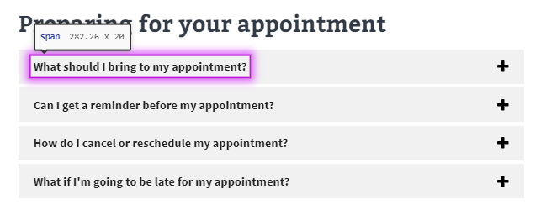
***(See below) |  |  |  |  | 4a. |  |  |  |  | 9) Elements must have sufficient color contrast7
1) | Elements must have sufficient color contrast3 |  |  |  | 4


2) | Elements must have sufficient color contrast3

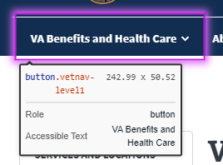
 |  |  |  |  | 5) Links with the same name have a similar purpose2 |  |  |  |  | 10) | Elements must have sufficient color contrast1
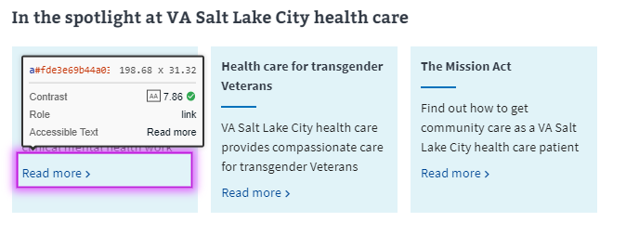
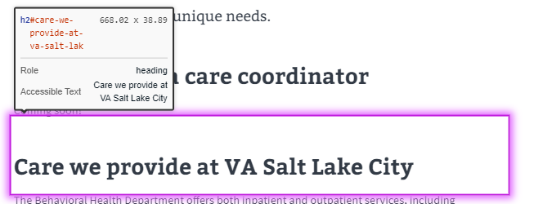

3) | Elements must have sufficient color contrast3

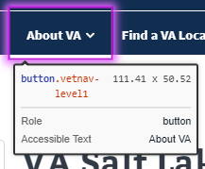

 |  |  |  | 6) | Ensures landmarks are unique1
 |  |  |  |  |  |  |  |  |  |  |  | 11) | Elements must have sufficient color contrast1
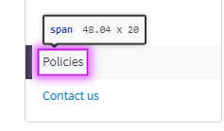

4) | Links with the same name have a similar purpose1 |  |  |  | 7) Unable to determine contrast ratio (False Positive)
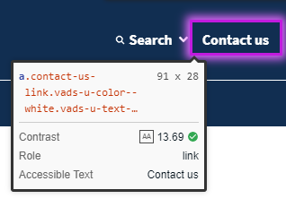

 |  |  |  | 7) *Serious - Known issue |  |  |  | 8) | Links with the same name have a similar purpose2

