Instructions
Welcome to your COP20 Data Pack

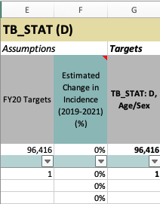
Where to Begin: |  | Data Pack Tour

Step 1 | Input Planning Letter Targets into the Summary tab. | Tip #1 | Green columns should be edited, gray columns shouldn't be.

Step 2 | If using Spectrum, import Data Pack output into Spectrum tab.

Step 3 | Confirm/add Denominator estimates data in Epi Cascade I, Epi PMTCT, VMMC, and KP tabs.

Step 4 | Adjust Prioritizations in Prioritization tab.

Step 5 | Adjust TX_CURR growth rates by Prioritization/Age/Sex in Summary tab.

Step 6 | Further adjust TX_CURR growth rates by PSNU/Age/Sex in TX tab to arrive at TX_CURR and TX_NEW targets that meet Planning Letter Targets, national ART coverage goals, and treatment retention goals.
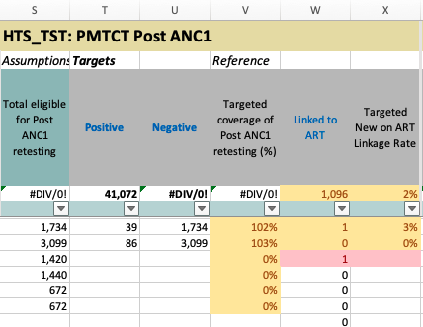
Step 7 | In the TX tab, determine how TX_NEW targets should be sourced across HTS_INDEX, PMTCT_ART, TB_ART, VMMC, EID, Previously Diagnosed, and all other HTS modalities. | Tip #2 | Yellow highlights are items to pay attention to. Red highlights are items that violate important rules.

Step 8 | In the HTS tab, confirm distributions set in TX tab (return to TX tab to adjust where necessary) and determine distributions across other modalities until HTS_TST_POS is fully distributed.

Step 9 | Adjust yields for each HTS modality to arrive at HTS_TST Negative targets, and a total HTS_TST target.

Step 10 | Refer to testing and treatment targets in TB_STAT_ART, PMTCT_STAT_ART, PMTCT_EID, and VMMC tabs to confirm distributions align with other assumptions. Return to TX and HTS tabs to make additional adjustments where necessary.

Step 11 | Confirm TX_PVLS targets in TX tab. | Tip #3 | Always read help notes, which are marked by red tags in the top right of a cell. Often, these explain the meaning of yellow or red highlights, or help explain what to do in a given column.

Step 12 | Confirm HTS_SELF targets in HTS tab.

Step 13 | Confirm CXCA_SCRN targets in CXCA tab.

Step 14 | Confirm HTS_RECENT targets in HTS_RECENT tab.

Step 15 | Adjust assumptions and review targets in TX_TB_PREV tab.

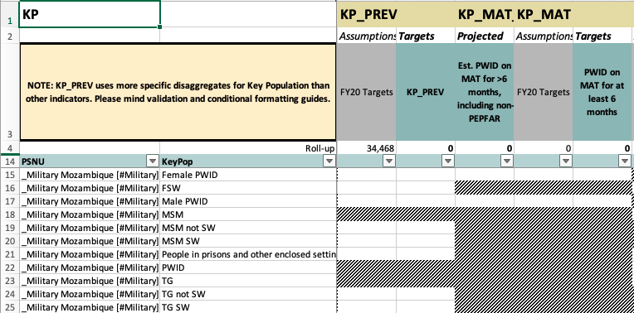
Step 16 | Adjust assumptions and review targets in KP tab. Compare target totals against related Age/Sex totals to confirm KP targets are ≤ Age/Sex targets. | Tip #4 | Cells that are grayed out are not permitted for data entry. Check MER guidance for allowable age, sex, and key population disaggregations.

Step 17 | Adjust assumptions and review targets for all prevention tabs (PP, OVC, PrEP, GEND).

Step 18 | Submit Data Pack for validation via self-service validation tool.

Step 19 | Make corrections to Data Pack and resubmit for validation as necessary.

Step 20 | Submit for validation via self-service and retrieve Data Pack with prepared SNU x IM tab.

Step 21 | Review SNU x IM tab and adjust allocations as necessary.

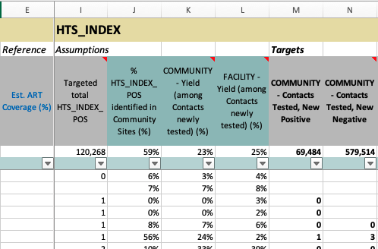
Step 22 | If any additional adjustments to PSNU-level targets are made on previous tabs, re-submit Data Pack to self-service app to have these added to the SNU x IM tab.

Step 23 | Submit Data Pack for approval. | Tip #5 | Reference columns summarize data from other parts of the Data Pack you may find helpful to review. Assumptions are either recommended by OGAC or based on historic data and should be adjusted with care. Target columns are bold and are the only columns that will be imported into DATIM.

Step 24 | Save Data Pack to Sharepoint and submit request for DATIM upload via DATIM.Zendesk.com

What can I get started on if Spectrum estimates aren't ready?

Idea 1 | Steps 5, 6, 7, 8, 9, and 10 above can be started without estimates from Spectrum, and then confirmed when those estimates are available and added.

Idea 2 | Adjust assumptions and review targets in CXCA, HTS_RECENT, TX_TB_PREV, & KP tabs.

Idea 3 | Adjust assumptions and review targets in all prevention tabs (PP, OVC, PrEP, and GEND).

Idea 4 | Submit Data Pack for self-service validation and receive initial SNU x IM tab. Adjust IM allocations as possible.

Summary
Data Pack |  | Hello, Mozambique Team |  |  |  |  |  |  |  |  |  |  |  |  |  | Sun, Jan 05
COP 20

1 | Key Indicators | Current ART Coverage |  |  |  | National Total on ART |  |  |  | Expected PEPFAR TX_CURR |  |  |  | Est. Current HIV Prevalence Rate
2 | Planning Letter Reference | #DIV/0! |  |  |  | 0 |  |  |  | 0 |  |  |  | #DIV/0!
3 | TX_CURR Growth Rates
4 | ART Coverage by PSNU

PEPFAR TX_CURR
 | Planning Letter Targets | Data Pack Target Roll-up
<15 |  | -
Females, 15+ |  | -
Males. 15+ |  | -
 |  | Planning Letter Reference |  |  |  |  |  | Targeted PEPFAR TX_CURR Rates of Change (FY20 to FY21)
 |  |  |  |  |  |  |  |  | Use this panel to create an initial sketch of targeted FY20-21 growth rates for PEPFAR TX_CURR. Adjust default values to reflect program intention. Once done, go to the TX tab to refine by PSNU. (NOTE that once changes are made in TX tab, the below will NOT reflect final targeted growth rates)

PEPFAR TX_NEW
 | Planning Letter Targets | Data Pack Target Roll-up
<15 |  | -
Females, 15+ |  | -
Males. 15+ |  | -
 |  |  |  |  |  |  |  |  |  |  | 1 - Scale-up: Saturation | 2 - Scale-up: Aggressive | 4 - Sustained | 7 - Attained | _Military
 |  |  |  |  |  |  |  |  |  | Roll-up | 20% | 20% | 5% | 5% | 20%
 |  |  |  |  |  |  |  |  | Age | Sex
 |  |  |  |  |  |  |  |  | <01 | Female | 20% | 20% | 5% | 5% | 20%
 |  |  |  |  |  |  |  |  | <01 | Male | 20% | 20% | 5% | 5% | 20%
 |  |  |  |  |  |  |  |  | 01-04 | Female | 20% | 20% | 5% | 5% | 20%
 |  |  |  |  |  |  |  |  | 01-04 | Male | 20% | 20% | 5% | 5% | 20%
 |  |  |  |  |  |  |  |  | 05-09 | Female | 20% | 20% | 5% | 5% | 20%
 |  |  |  |  |  |  |  |  | 05-09 | Male | 20% | 20% | 5% | 5% | 20%
 |  |  |  |  |  |  |  |  | 10-14 | Female | 20% | 20% | 5% | 5% | 20%
 |  |  |  |  |  |  |  |  | 10-14 | Male | 20% | 20% | 5% | 5% | 20%
 |  |  |  |  |  |  |  |  | 15-19 | Female | 20% | 20% | 5% | 5% | 20%
 |  |  |  |  |  |  |  |  | 15-19 | Male | 20% | 20% | 5% | 5% | 20%
 |  |  |  |  |  |  |  |  | 20-24 | Female | 20% | 20% | 5% | 5% | 20%
 |  |  |  |  |  |  |  |  | 20-24 | Male | 20% | 20% | 5% | 5% | 20%
 |  | ____________________________________________________ |  |  |  |  |  |  | 25-29 | Female | 20% | 20% | 5% | 5% | 20%
 |  |  |  | Planning Letter Targets | Data Pack Target Roll-up |  |  |  | 25-29 | Male | 20% | 20% | 5% | 5% | 20%
 |  |  |  |  |  |  |  |  | 30-34 | Female | 20% | 20% | 5% | 5% | 20%
 |  |  | TX_CURR |  |  |  |  |  | 30-34 | Male | 20% | 20% | 5% | 5% | 20%
 |  |  | <15 |  | - |  |  |  | 35-39 | Female | 20% | 20% | 5% | 5% | 20%
 |  |  | Females, 15+ |  | - |  |  |  | 35-39 | Male | 20% | 20% | 5% | 5% | 20%
 |  |  | Males. 15+ |  | - |  |  |  | 40-44 | Female | 20% | 20% | 5% | 5% | 20%
 |  |  |  |  |  |  |  |  | 40-44 | Male | 20% | 20% | 5% | 5% | 20%
 |  |  | TX_NEW |  |  |  |  |  | 45-49 | Female | 20% | 20% | 5% | 5% | 20%
 |  |  | <15 |  | - |  |  |  | 45-49 | Male | 20% | 20% | 5% | 5% | 20%
 |  |  | Females, 15+ |  | - |  |  |  | 50+ | Female | 20% | 20% | 5% | 5% | 20%
 |  |  | Males. 15+ |  | - |  |  |  | 50+ | Male | 20% | 20% | 5% | 5% | 20%

 |  | Proposed ART Coverage by SNU and Age/Sex
 |  |  | Select PSNU from drop-down
 |  |  |  | FY 2019 |  | FY 2020
 |  |  | Age | Female | Male | Female | Male
 |  |  | <15 | #REF! | #REF! | #REF! | #REF!
 |  |  | 15-19 | #N/A | #N/A | #N/A | #N/A
 |  |  | 20-24 | #N/A | #N/A | #N/A | #N/A
 |  |  | 25-29 | #N/A | #N/A | #N/A | #N/A
 |  |  | 30-34 | #N/A | #N/A | #N/A | #N/A
 |  |  | 35-39 | #N/A | #N/A | #N/A | #N/A
 |  |  | 40-44 | #N/A | #N/A | #N/A | #N/A
 |  |  | 45-49 | #N/A | #N/A | #N/A | #N/A
 |  |  | 50+ | #N/A | #N/A | #N/A | #N/A

 |  |  |  |  |  |  | ≥90%
 |  |  |  |  |  |  | 80-89%
 |  |  |  |  |  |  | 70-79%
 |  |  |  |  |  |  | <70%

