Excel Gantt Chart
Gantt Chart

 | START DATE | DURATION (days)
Stage 1 | 10/25/2018 | 35
Stage 2 | 11/30/2018 | 30
Stage 3 | 1/1/2019 | 60
Stage 4 | 3/1/2019 | 180
Stage 5 | 9/1/2019 | 150
Stage 6 | 2/1/2020 | 150
 | 7/1/2020
Stage 7 | 6/1/2020 | 210
Stage 8 | 12/1/2020 | 150
 | 5/1/2021
START DATE | END DATE | DESCRIPTION | PAPER OUTPUT | DURATION (days)
2018-10-25 | 2018-11-30 | Stage 1 | No | 35
2018-11-30 | 2018-12-30 | Stage 2 | No | 30
2019-01-01 | 2019-03-01 | Stage 3 | Yes: ENASE, SACI | 60
2019-03-01 | 2019-09-01 | Stage 4 | No | 180
2019-09-01 | 2020-02-01 | Stage 5 | Yes: ICSME | 150
2020-02-01 | 2020-07-01 | Stage 6 | Yes: ENASE | 150
2020-07-01 | scientific report nr. 1 with the intermediate results of the research
2020-06-01 | 2021-01-01 | Stage 7 | Yes: ICSE | 210
2020-12-01 | 2021-05-01 | Stage 8 | No | 150
2021-05-01 | scientific report nr. 2 with the intermediate result of the research
2021-09-01 | doctoral thesis completion

 |  |  |  | 1

Excel Timeline Template
Excel Timeline Template

3/1/19 | 1
3/1/19 | 2
2/1/20 | 3
7/1/20 | 4
1/1/21 | 5
Enter Your Project Details Here
DATE | DESCRIPTION | POSITION
3/1/19 | Stage 3: Paper ENASE | 1
3/1/19 | Stage 3: Paper SACI | 2
2/1/20 | Stage 5: Paper | 3
7/1/20 | Stage 6: Paper | 4
1/1/21 | Stage 7: Paper | 5

 |  |  |  | `

Make beautiful timelines in PowerPoint for important meetings. |  |  | Instantly turn Excel data into PowerPoint slides with the Office Timeline add-in for PowerPoint.

 |  |  | www.officetimeline.com
3 Easy steps to instantly turn Excel data into a PowerPoint slide
1. Download the Free Office Timeline plug-in for PowerPoint - 14-day Free Trial.
2. Open PowerPoint and click on NEW Timeline from the Office Timeline tab inside of PowerPoint.
Copy your Excel table and paste it into Office Timeline with the PASTE button.
3. Click the green SAVE button to instantly produce your timeline slide.

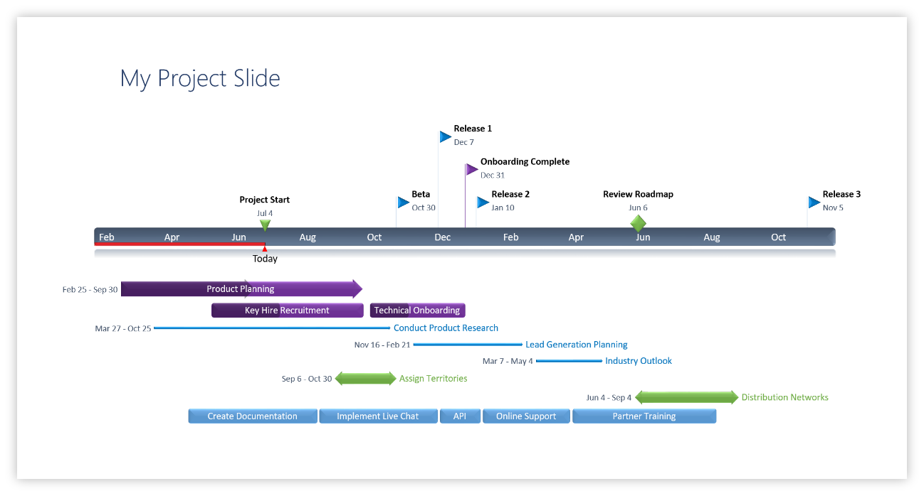

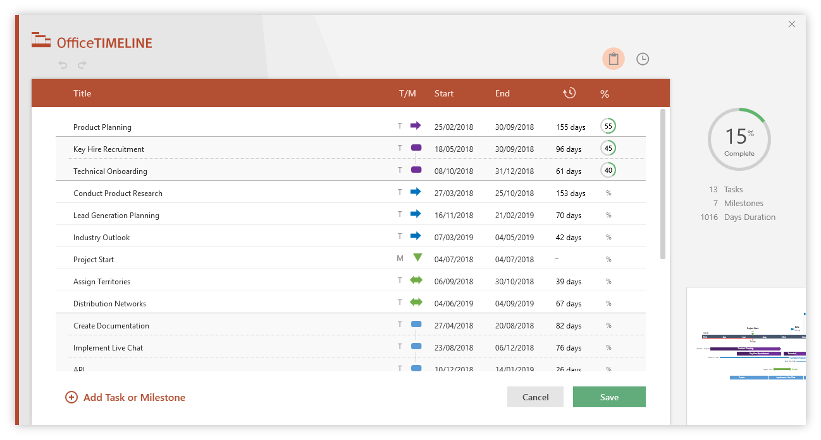
 |  | https://www.officetimeline.com/download

