Yield_Gap_Chart
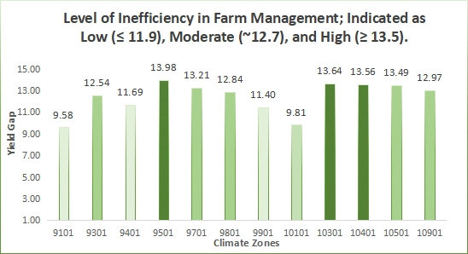
Level of Inefficiency in Farm Management; Indicated as Low (≤ 11.9), Moderate (~12.7), and High (≥ 13.5).
 | Yield Gap Chart
Climate Zone | Yield_Gap | Yield Gap Sorted
9101 | 9.58 | 9101 | 9.575 | 9.575 | #N/A
9301 | 9.81 | 9301 | 9.8128223501 | 9.8128223501 | #N/A
9401 | 11.40 | 9401 | 11.403397735 | 11.403397735 | #N/A
9501 | 11.69 | 9501 | 11.693888889 | 11.693888889 | #N/A
9701 | 12.54 | 9701 | 12.535 | #N/A | 12.535
9801 | 12.84 | 9801 | 12.842555556 | 12.842555556 | #N/A
9901 | 12.97 | 9901 | 12.970444444 | 12.970444444 | #N/A
10101 | 13.21 | 10101 | 13.206222222 | 13.206222222 | #N/A
10301 | 13.49 | 10301 | 13.487111111 | 13.487111111 | #N/A
10401 | 13.56 | 10401 | 13.561282945 | 13.561282945 | #N/A
10501 | 13.64 | 10501 | 13.641555556 | 13.641555556 | #N/A
10901 | 13.98 | 10901 | 13.976600878 | 13.976600878 | #N/A

SI_YG_Chart
Production Constraint: Climate Stress vs Management Efficiency
Climate_Zone | Average of Calculated_Yield_Gap | Average of Stress_Index |  | Label | Interpretation
9101 | 9.575 | 0.966 | Low YG + Climate | Low YG + Climate | Mainly Climate Constraint
9301 | 12.535 | 1.048 | Medium YG + Management | Medium YG + Management | Management Focus |  | Defined Threshold for Average Yield Gap
9401 | 11.694 | 1.032 | Low YG + Management | Low YG + Management | Minor Management Issue |  | Yield_Gap_Array | Interpretation
9501 | 13.977 | 1.013 | High YG + Management | High YG + Management | Strong Management Issue |  | 13.5 | High
9701 | 13.206 | 1.049 | Medium YG + Management | Medium YG + Management | Management Focus |  | 11.9225 | Low
9801 | 12.843 | 0.991 | Medium YG + Climate | Medium YG + Climate | Some Climate Stress, Moderate YP |  | 12.7 | Medium
9901 | 11.403 | 1.011 | Low YG + Management | Low YG + Management | Minor Management Issue |  | Defined Threshold for Average Stress Index
10101 | 9.813 | 0.995 | Low YG + Climate | Low YG + Climate | Mainly Climate Constraint |  | Conditions | Interpretation
10301 | 13.642 | 0.950 | High YG + Climate | High YG + Climate | Both Poor Management and Climate Stress |  | SI > 1 | Unstressed condition
10401 | 13.561 | 1.032 | High YG + Management | High YG + Management | Strong Management Issue |  | SI < 1 | Stressed condition
10501 | 13.487 | 0.981 | Medium YG + Climate | Medium YG + Climate | Some Climate Stress, Moderate YP |  | SI = 1 | Normal condition
10901 | 12.970 | 0.950 | Medium YG + Climate | Medium YG + Climate | Some Climate Stress, Moderate YP
 |  |  |  |  |  | So which region needs intervention, what kind of intervention and aby, then which regions is doing well and do we still need to intervene in them. so finally what is my project question and does these provide the necesssary answer and avoid ambiguity

Climate Zones | Unique Label | Interpretation | Meaning
9101, 10101 | Low YG + Climate | Mainly Climate Constraint | Good performance limited by envoronmental conditions
9301, 9701 | Medium YG + Management | Management Focus | Improvement possible through better practices
9401, 9901 | Low YG + Management | Minor Management Issue | Near optimal, minor imrpvement needed
9501, 10401 | High YG + Management | Strong Management Issue | Major inefficiencies, high improvement potential
9801, 10501, 10901 | Medium YG + Climate | Some Climate Stress, Moderate YP | Mixed limitations, need balance intervention
10301 | High YG + Climate | Both Poor Management and Climate Stress | High risk, require majore intervention

Dashboard2 (3)
Yield Gap and Climate Stress Analysis for Strategic Agricultural Investment in Nigeria Across 12 Zones (2000 -2010)

Production Constraint: Climate Stress vs Management Efficiency
 | Average of Stress_Index
9.575 | 0.966
12.535 | 1.048
11.694 | 1.032
13.977 | 1.013
13.206 | 1.049
12.843 | 0.991
11.403 | 1.011
9.813 | 0.995
13.642 | 0.950
13.561 | 1.032
13.487 | 0.981
12.970 | 0.950
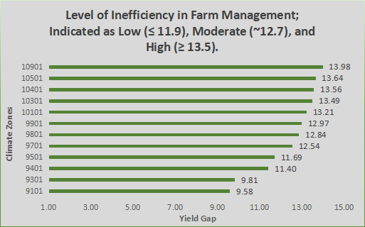
Average YG
Climate Zones
12.84255556

9801

Unique Label
Medium YG + SI < 1
Average Stress Index
0.991397101
Investment Opportunity
Low Opportunity
Interpretation
Some Climate Stress, Moderate YP

