Spec
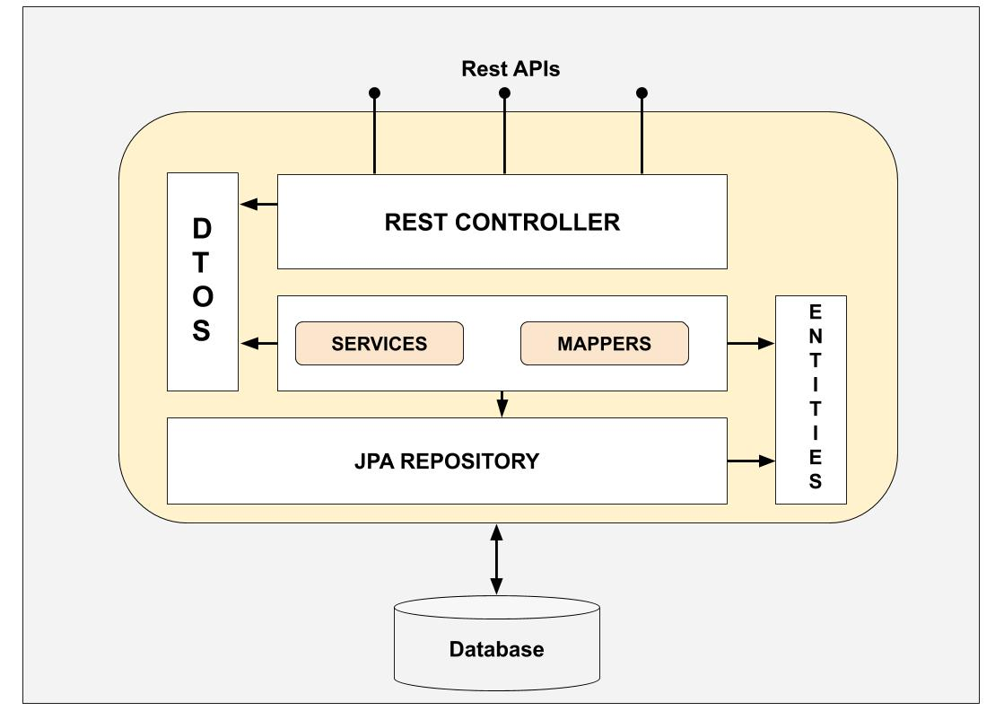
Endpoint |  | Description | Verb | URI | parameters | Payload (body) | Response | code | Model
User | Create |  | POST | /user |  | { firstName*, lastName*, phone*, email*,password*} | id | 201 | { firstName, lastName, phone, email, valid, validCode, active, password}
 | Read |  | GET | /user/{id} |  |  | { id, firstName, lastName, phone, email, valid, active} | 200
 | Update |  | PUT | /user/{id} |  | { firstName*, lastName*, phone*, email*} |  | 200
 | Delete | On supprime jamais un utilisateur on le desactive on ne le supprime que pour des raisons de RGPD | DELETE | /user/{id} |  |  |  | 200
 | Validate | Pour confirmer l'inscription: valider le code envoyer dans la requete avec le code en base s'il correct le User devient valid et active | PATCH | /user/{id}/validate | validCode
 | Activate |  | PATCH | /user/{id}/activate
 | deactivate |  | PATCH | /user/{id}/deactivate
Product | Create | createProduct | POST | /product |  | { title, description, category, price , imageLink , ean, brand , unit,{color , size, packaging, weight ...}} | id | 201 | { id, title, description, category, price , imageLink , ean, brand , unit,{color , size, packaging, weight ...}}
 | Read | getProduct | GET | /product/{id} |  |  | { id, title, description, category, price , imageLink , ean, brand , unit, {color , size, packaging, weight ...}} | 200
 | Update | updateProduct | PUT | /product/{id} |  | { id, title, description, category, price , imageLink , ean, brand , unit, {color , size, packaging, weight ...}} |  | 200
 | Delete | deleteProduct | DELETE | /product/{id} |  |  |  | 200
Order | Create |  | POST | /order |  | {date, products[product: id*], valid[Bool], idUser, Address} | id | 201 | {id, date, products[Product: id*], valid(Bool), idUser, shippingAddress{street,extra,zip,city,country}canceled, cancelDate}
 | Read |  | GET | /order/{id} |  |  | {id, date, products[product: id*], valid[Bool], idUser} | 200
 | Read All | Lister toutes les commandes d'un User | GET | /orders/{idUser} |  |  | [Order*] | 200
 | Update |  | PUT | /order/{id} |  | {id, date, products[product: id*], valid[Bool], idUser, Address{street,extra,zip,country}} |  | 200
 | Validate | Ca se fait en plusieurs etapes: 1. verifier que tous les produits sont en stock 2. Si tous les produits sont en stock valider l'Order (valid à true) 3. On soustrait les quantités des produits du stock | PATCH | /order/{id} |  |  |  | 200
 | Cancel | Annuler un Order : on ne supprime pas on la passe à annulée (canceled) avec une date d'annulation 1. rembourser le User 2. remmettre les produit en stock | DELETE | /order/{id} |  |  |  | 200
Store | Create |  | POST | /store |  | {name*, address*, siret*, imageLink} |  | 201 | {id, name, address, siret, imageLink, active}
 | Read |  | GET | /store/{id} |  |  | {id, name, address, siret, imageLink, active} | 200
 | Update |  | PUT | /store |  | {name, address, imageLink, active} |  | 200
 | Delete | que pour des raison de RGPC | DELETE | /store/{id} |  |  |  | 200
 | Activate |  | PATCH | /store/{id}/activate |  |  |  | 200
 | Dectivate |  | PATCH | /store/{id}/deactivate |  |  |  | 200
Stock | Create | qte: quantité en unité | POST | /stock |  | {idStore, idProduct, qte} |  | 201 | {idStore, idProduct, qte}
 | Read All | stock de tous le Store | GET | /stock/{{idStore} |  |  | [Stock*] | 200
 | Read |  | GET | /stock/{{idStore}/{idProduct} |  |  | {idStore, idProduct, qte} | 200
 | Update |  | PUT | /stock |  | {idStore, idProduct, qte} |  | 200
 | Delete |  | DELETE | /stock/{{idStore}/{idProduct} |  |  |  | 200
 | Sold |  | PATCH | /stock/{{idStore}/{idProduct} |  | {idStore, idProduct, qte} |  | 200

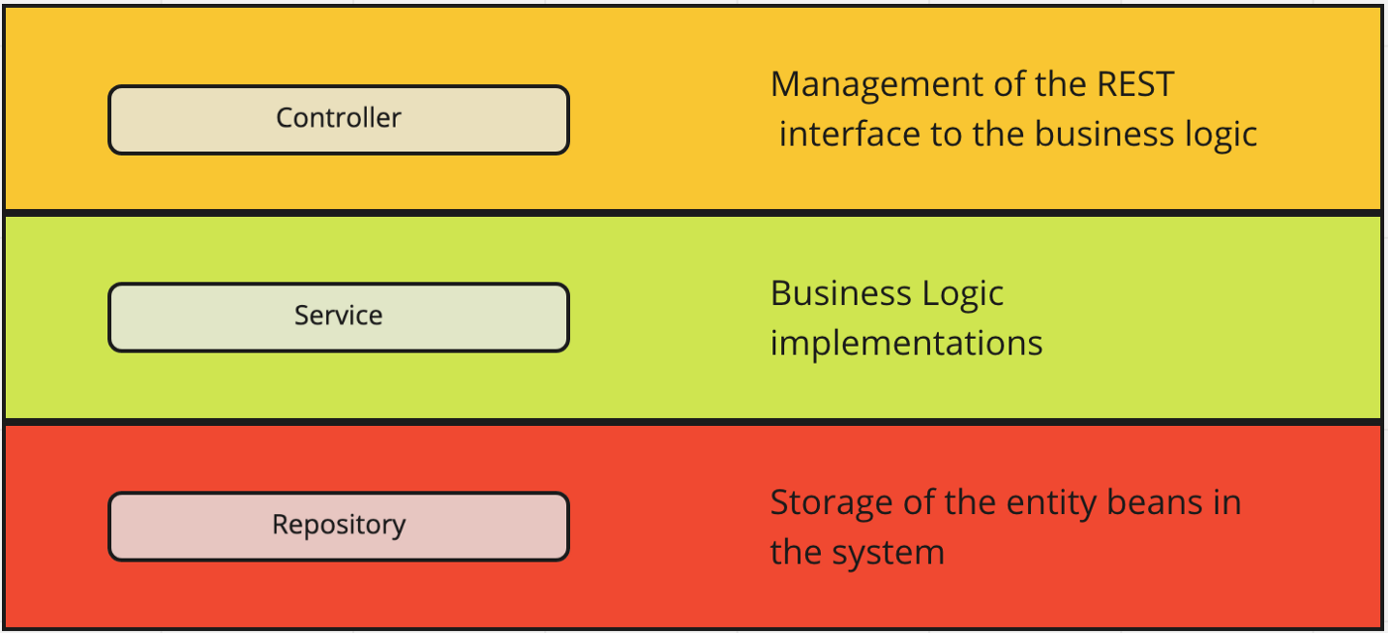

 | https://tom-collings.medium.com/controller-service-repository-16e29a4684e5

Next
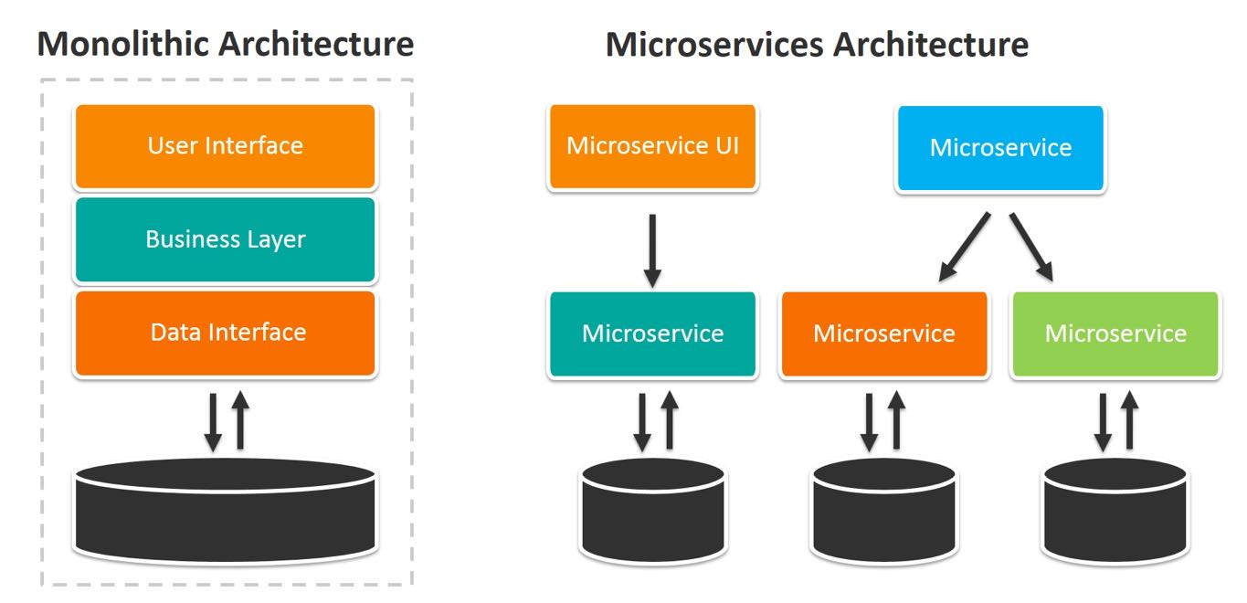
Etape1 | dev le l'API
Etape2 | Integration de la securité (autorisation et authentification)
Etape3 | Integration avec API tier : Paiement

Option | Tests Unitaires
Option | Decoupage en Microservice
Option | Deploiment en Cloud
Option | Dev frontend de demo

