Model Parameters
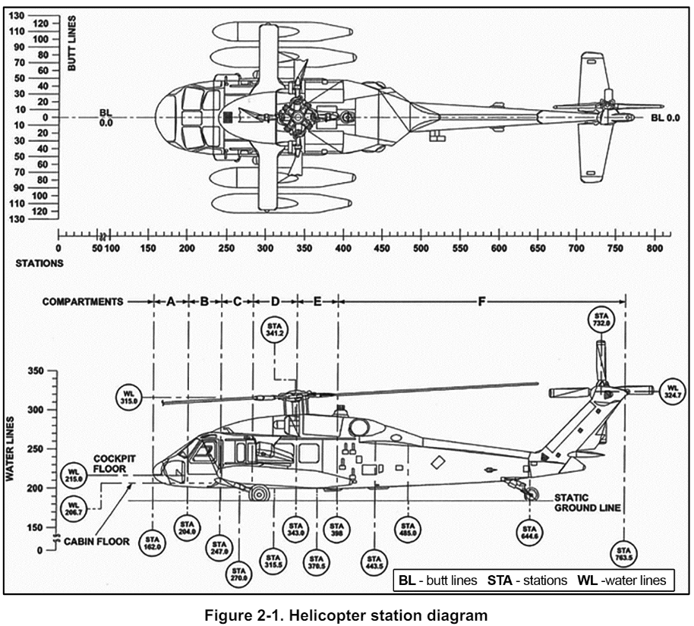
Sl. no. | Parameter | Identifier | Units | Notes
 | Flight Performance and Envelope Data |  |  | Performance and envelopes to be provided as per the approved rotorcraft flight manual (RFM).
1 | Height - Velocity (HV) diagram | -- | --
2 | Gross weight vs. density altitude diagram | -- | --
3 | Hover In Ground Effect (HIGE) ceiling vs gross weight and outside air temperature | -- | --
4 | Hover Out of Ground Effect (HIGE) ceiling vs gross weight and outside air temperature | -- | --
5 | Tail wind limits | -- | --
6 | Left side wind limit | -- | --
7 | Right side wind limit | -- | --
8 | Airspeed limits | -- | --
9 | Rotor torque limits | -- | --
10 | Normal procedures | -- | --
11 | Emergency procedures | -- | --
12 | Abnormal procedures | -- | --
13 | Center of gravity limits in X, Y, Z axes | -- | --
14 | Limits on external stores | -- | --
15 | Limits on sling load | -- | --
 | Mass & Geometry Data
16 | Mass of helicopter | MH | kg
17 | Mass of each main rotor blade | MB | kg
18 | Moment of inertia about X-axis in CG coordinates | IXX | kg-m2
19 | Moment of inertia about Y-axis in CG coordinates | IYY | kg-m2
20 | Moment of inertia about Z-axis in CG coordinates | IZZ | kg-m2
21 | Product of inertia | IXY | kg-m2
22 | Product of inertia | IXZ | kg-m2
23 | Product of inertia | IYZ | kg-m2
24 | Main Rotor station location from origin | FSMR | m
25 | Main Rotor water line location from origin | WLMR | m
26 | Main Rotor butt line location from origin | BLMR | m
27 | Tail Rotor station location from origin | FSTR | m
28 | Tail Rotor water line location from origin | WLTR | m
29 | Tail Rotor butt line location from origin | BLTR | m
30 | Horizontal tail station location from origin | FSHT | m
31 | Horizontal tail water line location from origin | WLHT | m
32 | Horizontal tail butt line location from origin | BLHT | m
33 | Vertical tail station location from origin | FSVT | m
34 | Vertical tail water line location from origin | WLVT | m
35 | Vertical tail butt line location from origin | BLVT | m
36 | Fuselage aerodynamic center station location from origin | FSFS | m
37 | Fuselage aerodynamic center water line location from origin | WLFS | m
38 | Fuselage aerodynamic center butt line location from origin | BLFS | m
39 | Fuselage CG station location from origin | FSCG | m
40 | Fuselage CG water line location from origin | WLCG | m
41 | Fuselage CG butt line location from origin | BLCG | m
42 | Mass of each external store/pod/weapon | MST | kg
43 | External store/pod/weapon CG station location from origin | FSST | m | The X-Y-Z location of each external store/pod/weapon required separately.
44 | External store/pod/weapon CG water line location from origin | WLST | m
45 | External store/pod/weapon CG butt line location from origin | BLST | m
46 | External store/pod/weapon rotation angle about body X-axis | PHST | rad | The rotation angles of each external store/pod/weapon required required separately.
47 | External store/pod/weapon rotation angle about body Y-axis | THST | rad
48 | External store/pod/weapon rotation angle about body Z-axis | PSST | rad
49 | Slung load attachment point station location from origin | FSSL | m
50 | Slung load attachment water line location from origin | WLSL | m
51 | Slung load attachment butt line location from origin | BLSL | m
52 | Max cable length of slung load | LMAXSL | m
53 | Min cable length of slung load | LMINSL | m
54 | Max load capacity of slung load | MMAXSL | kg
55 | External hoist attachment point station location from origin | FSEH | m
56 | External hoist attachment water line location from origin | WLEH | m
57 | External hoist attachment butt line location from origin | BLEH | m
58 | Max cable length of external hoist | LMAXEH | m
59 | Min cable length of external hoist | LMINEH | m
60 | Max load capacity of external hoist | MMAXEH | kg
 | Main Rotor (MR) Data
61 | MR number of blades | NBMR | --
62 | MR blade radius | RADMR | m
63 | MR blade root chord | CMR | m
64 | MR blade tip chord | CTIPMR | m
65 | MR blade chord distribution | -- | m/m | Span-wise variation of the chord length in tabular form
66 | MR solidity | SIGMR | --
67 | MR nominal angular velocity at normal operation | OM0MR | rad/s
68 | MR minimum angular velocity at normal operation | OM1MR | rad/s
69 | MR maximum angular velocity at normal operation | OM2MR | rad/s
70 | MR blade flapping frequency at nominal angular velocity | OMB0MR | rad/s
71 | MR blade lag frequency at nominal angular velocity | OMZ0MR | rad/s
72 | MR blade flapping frequency at minimum angular velocity | OMB1MR | rad/s
73 | MR blade lag frequency at minimum angular velocity | OMZ1MR | rad/s
74 | MR blade flapping frequency at maximum angular velocity | OMB2MR | rad/s
75 | MR blade lag frequency at maximum angular velocity | OMZ2MR | rad/s
76 | MR direction of rotation | DIRMR | -- | (1) Clockwise or (2) anti-clockwise; As viewed from the top
77 | MR blade mass distribution | MBR | kg/m | Span-wise mass distribution in table form
 | MR blade tip mass | MBTIP
78 | MR blade lift curve slope for each airfoil along the span | CLAMR | 1/rad | Span-wise airfoil lift polar as function of Angle of Attack and Mach number
79 | MR airfoil zero lift angle of attack | CLAL0MR | rad
80 | MR airfoil pitching moment coefficient | CMMR | --
81 | MR airfoil zero pitching moment angle of attack | CMAL0MR | rad
82 | MR blade number of trim tabs | NTABMR | --
83 | MR blade trim tab length | LTABMR | m
84 | MR blade trim tab width | WTABMR | m
85 | MR blade trim tab angle w.r.t. chord line | ATABMR | rad
86 | MR blade distance from attachment point to center of rotation | AGEOMMR | m
87 | Flap hinge offset from MR center of rotation | ABETAMR | m
88 | Lag hinge offset from MR center of rotation | AZETAMR | m
89 | Torsion hinge offset from MR center of rotation | ATETAMR | m
90 | Drag coefficient of MR blade (for each airfoil along the span) | CD0MR | -- | Span-wise airfoil drag polar as function of Angle of Attack and Mach number
91 | MR blade flap moment of inertia | IBETAMR | kg-m2
92 | MR blade lag moment of inertia | IZETAMR | kg-m2
93 | MR blade first moment of mass | MBETAMR | kg-m
94 | MR Lock Number (for each flight) | GAMMAMR | --
95 | MR blade geometric twist distribution | THTWMR | rad/m | Span-wise twist
96 | MR blade geometric taper distribution | THTPMR | -- | Span-wise taper
97 | MR blade flapping spring stiffness | CKBETAMR | Nm/rad
98 | MR blade lead-lagging spring stiffness | CKZETAMR | Nm/rad
99 | MR blade torsion spring stiffness | CKTETAMR | Nm/rad
100 | MR blade flapping spring damping | CDBETAMR | Nm/rad
101 | MR blade lead-lagging spring damping | CDZETAMR | Nm/rad
102 | MR blade torsion spring damping | CDTETAMR | Nm/rad
103 | MR lead-lag damper force constant | CLAGMR | N/(m/s) | Lead-lag damper characteristics
104 | MR lead-lag damper stiffness | KLAGMR | Nm/rad | Lead-lag damper characteristics
105 | MR blade lag angle for zero spring force | ZETA0MR | rad | Lead-lag damper characteristics
106 | MR shaft forward tilt angle | GAMLONMR | rad
107 | MR shaft lateral tilt angle | GAMLATMR | rad
108 | MR Swashplate phasing angle | DELSPMR | rad
109 | MR Delta 3 angle | DEL3MR | rad
 | Tail Rotor (TR) Data
110 | TR number of blades | NBTR | --
111 | TR blade radius | RADTR | m
112 | TR cant angle w.r.t body X-axis | CANTTR | rad
113 | TR blade root chord | CTR | m
114 | TR blade tip chord | CTIPTR | m
115 | TR solidity | SIGTR | --
116 | TR nominal angular velocity | OM0TR | rad/s
117 | TR direction of rotation | DIRTR | -- | Blade closest to MR going (1) Upward or (2) Downward
118 | TR Configuration | CNFGTR | -- | (1) Pusher or (2) Tractor
119 | TR to empannage separation distance | DISTTR | m
120 | Area overlap of TR and empannage | STR | m2
121 | TR tip loss factor | BTLTR | --
122 | TR blade lift curve slope | CLATR | 1/rad
123 | TR blade geometric twist distribution | THTWTR | rad/m | Span-wise twist
124 | TR pitch bias | BIASTR | rad
125 | TR blade flap moment of inertia | IBETATR | kg-m2
126 | Drag coefficient of TR blade | CD0TR | -- | Span-wise airfoil drag polar as function of Angle of Attack and Mach number
127 | TR Delta 3 angle | DEL3TR | rad
128 | TR Vertical fin blockage factor | BFTR | --
129 | TR Gearing ratio (OmegaTR/Omega) | GEARTR | --
 | Horizontal Stabilizer (HS) Data
130 | Zero-lift angle of attack of HS | CLAL0HS | rad
131 | Surface area of HS | SHS | m2
132 | Lift curve slope of HS | CLAHS | 1/rad | Lift polar as function of Angle of Attack and Mach number
133 | Drag coefficient of HS | CD0HS | -- | Span-wise airfoil drag polar as function of Angle of Attack and Mach number
134 | HS default angle of attack | ALPHA0HS | rad
135 | MR to HS downwash factor | KLAMHS | --
 | Vertical Stabilizer (VS) Data
136 | Zero-lift angle of attack of VS | CLAL0VS | rad
137 | Surface area of VS | SVS | m2
138 | Lift curve slope of VS | CLAVS | 1/rad
139 | Drag coefficient of VS | CD0VS | -- | Span-wise airfoil drag polar as function of Angle of Attack and Mach number
140 | VS default angle of attack | ALPHA0VS | rad
 | Fuselage
141 | Equivalent drag (flat plate area) | CDF | m2
142 | Fuselage lift coefficient due to angle of attack | LAFS | --
143 | Fuselage drag coefficient due to angle of attack | DAFS | --
144 | Fuselage side force coefficient due to angle of attack | SAFS | --
145 | Fuselage lift coefficient due to angle of sideslip | LSFS | --
146 | Fuselage drag coefficient due to angle of sideslip | DSFS | --
147 | Fuselage side force coefficient due to angle of sideslip | SSFS | --
148 | Fuselage pitch moment coefficient due to angle of attack | PAFS | --
149 | Fuselage roll moment coefficient due to angle of attack | RAFS | --
150 | Fuselage yaw moment coefficient due to angle of attack | YAFS | --
151 | Fuselage pitch moment coefficient due to angle of sideslip | PSFS | --
152 | Fuselage roll moment coefficient due to angle of sideslip | RSFS | --
153 | Fuselage yaw moment coefficient due to angle of sideslip | YSFS | --
 | Primary Flight Control System (PFCS) Data
154 | Transformation matrices pilot control (cyclic & collective) to MR blade angles | -- | -- | - Stick mixer gain matrix - Stick to servo matrix - Servo to swashplate matrix - Swashplate bias
155 | Transformation matrices pilot control (pedal) to TR blade angles | -- | -- | - Pedal gain - TR swashplate bias
156 | Pitch, roll, collective servo characteristics | -- | -- | E.g. bandwidth, time constant, frequency, damping etc.
157 | Control system stiffness | CKFCS | Nm/rad
158 | Control system damping | CDFCS
 | Automatic Flight Control System (AFCS) Data
159 | AFCS functional description | -- | --
160 | AFCS modes | -- | --
161 | AFCS control law structure | -- | --
162 | AFCS gains tables (pitch, roll, yaw, collective, cross-coupling) | -- | --
163 | AFCS filter coefficients (low pass, notch, etc.) | -- | --
164 | AFCS control authority | -- | --
165 | AFCS actuator characteristics (series actuators, parallel actuators) | -- | --
 | Powerplant Data
166 | Number of engines | -- | --
167 | Dynamic characteristics of engine RPM | -- | --
168 | Dynamic characteristics of engine torque | -- | --
169 | Fuel flow tables | -- | --
170 | RPM, torque, fuel flow variation with temperature and altitude | -- | --
171 | Models/tables relating the engine RPM, torque, fuel flow, temperature, density, etc. | -- | --
 | External Store/pod/weapon Aero Data
172 | Release mechanism and reaction forces of each store/pod/weapon | -- | --
173 | Drag polar (flat plate area) of each store/pod/weapon | CD0ST | --
174 | Lift/drag table vs. AoA, AoSS, Mach of each store/pod/weapon | -- | --
 | Undercarriage Data
175 | Skid landing gear- spring stiffness | CKLG | Nm/rad
176 | Skid landing gear- spring damping | CLLG | --
177 | Wheel landing gear specifications | -- | --

