Logiistics regression
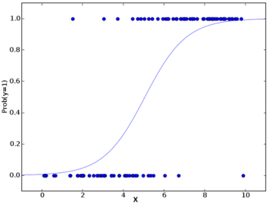
the cost function is a convex function in logistic regression
 | Logistics regression
 | The logistic function is a Sigmoid function, which takes any real value between zero and one
 | A cost function is something you want to minimize. For example, your cost function might be the sum of squared errors over your training set
 | The central premise of Logistic Regression is the assumption that your input space can be separated into two nice ‘regions’, one for each class, by a linear(read: straight) boundary

 | logit p | ln(P/1-P) | a+bx+cx2

 | p | 1/(1+e^-x)

 | initially we have 0 and 1 in data
 | which then transformed to -infinity to infinity when we have taken the log odd of probability according to a+bx

 | Logistcs regression is linear
 | 1. decision boundry is linear
 | 2. logit P is linearly rwlated to independent vars
 | 3. output is deoendent on weighted sum of vars not multiplication/division of vars

 | decision boundry is set by theta not by training sample

 | h(Z) > 0.5
that means | Z > 0 | this is the decision boundry

 | a + bx1+ cx2 > 0
 | by putting the value of a,b,c (thetas), we can get our decision boundry

 | OLS is way more computational heavy than gradient descnet

 | Assumptions
 | (a) binary logistic regression requires the dependent variable to be binary and
 | (b) ordinal logistic regression requires the dependent variable to be ordinal.
 | observations should be independent of each other
 | little or no multi-collinearity among the independent variables
 | independent variables are linearly related to the log odds

