Sheet1
s. no. | data augmentation | standard normalisation+ Rescaling | model | tranining | loss function | optimiser | LR | precision | recall | accuracy | f1 score | Confusion matrix | classification report
1_1 | [1] Geometric (random flip, rotate, shift, zoom) [2] Color Jitter [3] GridMask (optional) [4] CutMix (batch level) | " | VGG16 | holdout(80-20),phase1,30 epoch | CCE | Adam | 1 e - 5 | 0.51 | 0.52 | 0.52 | 0.5 | 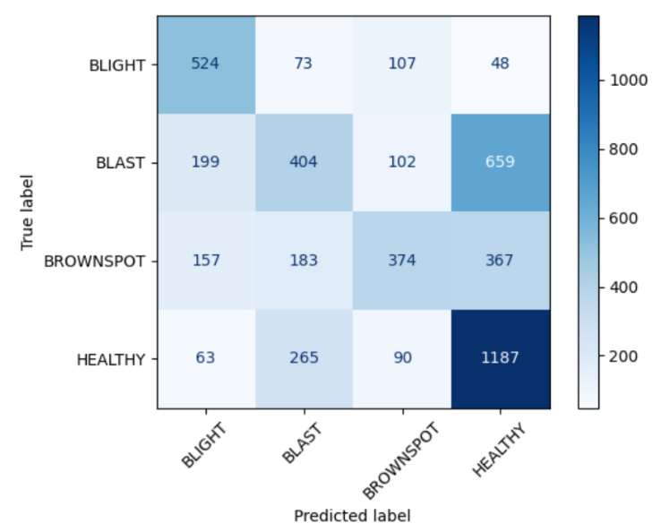 | 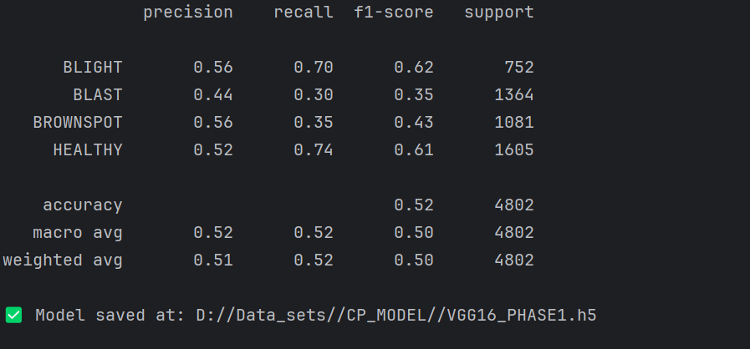
1_2 | " | " | VGG16 | holdout(80-20), phase 2, 60 epoch | CCE | Adam | " | 0.93 | 0.93 | 0.93 | 0.93 | 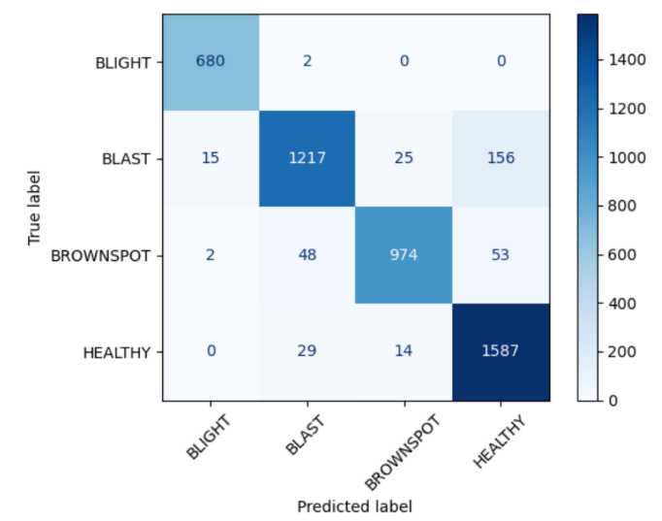 | 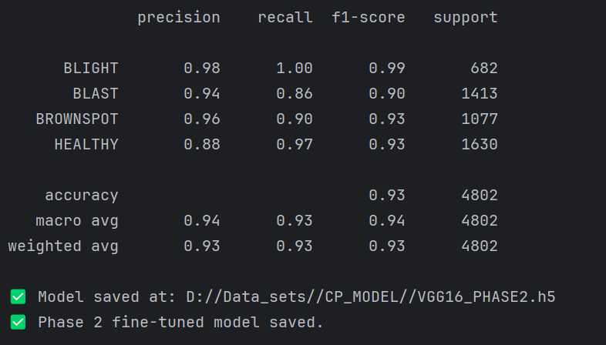
2_1 | " | " | RESNET50 | holdout(80-20),phase1,30 epoch | " | " | " | 0.63 | 0.63 | 0.63 | 0.62 | 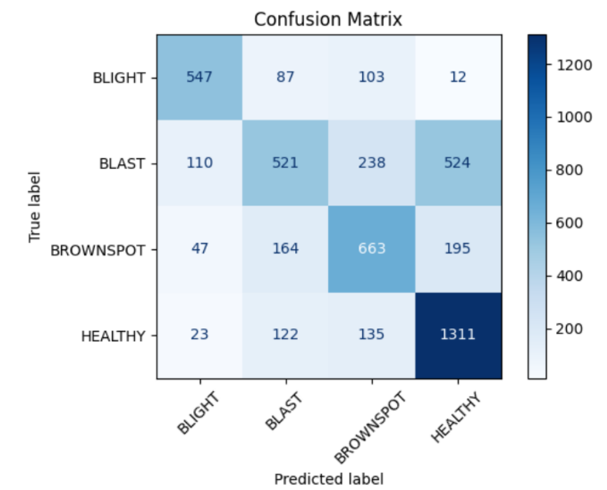 | 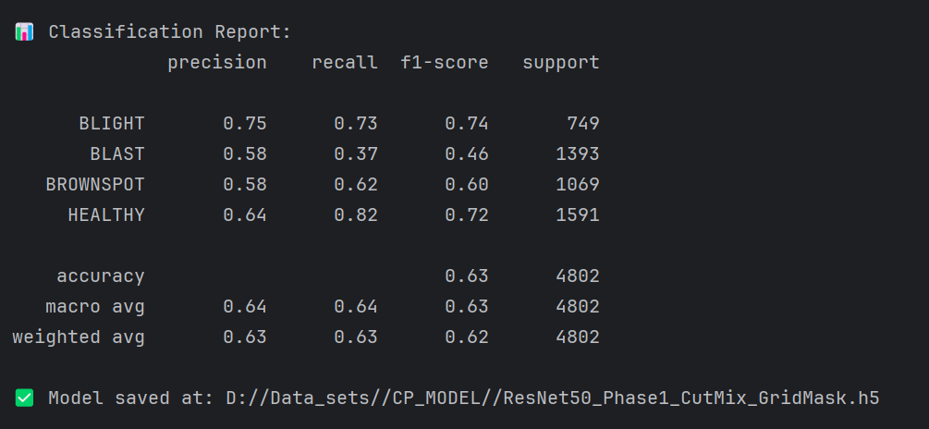
2_2 | " | " | RESNET50 | holdout(80-20), phase 2, 60 epoch | " | " | " | 0.9 | 0.9 | 0.89 | 0.89 | 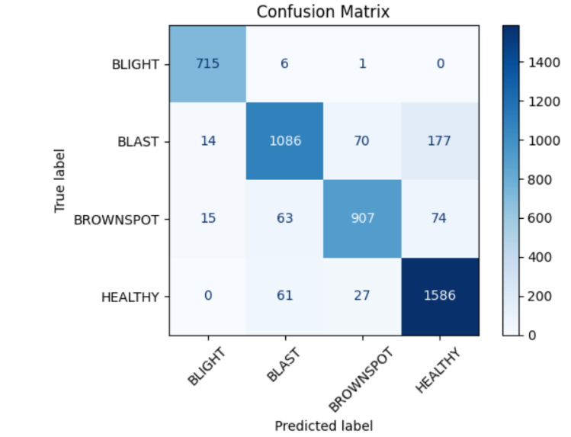 | 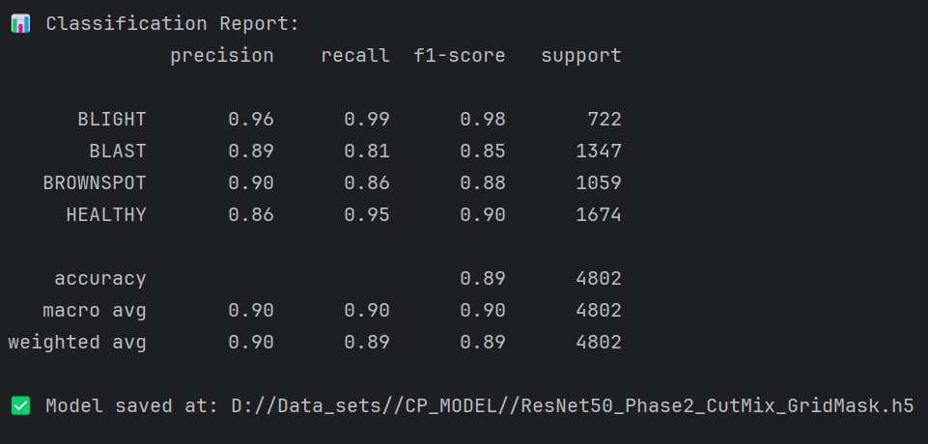
3_1 | " | " | RESNET101 | holdout(80-20),phase1,30 epoch | " | " | " | 0.64 | 0.64 | 0.64 | 0.63 | 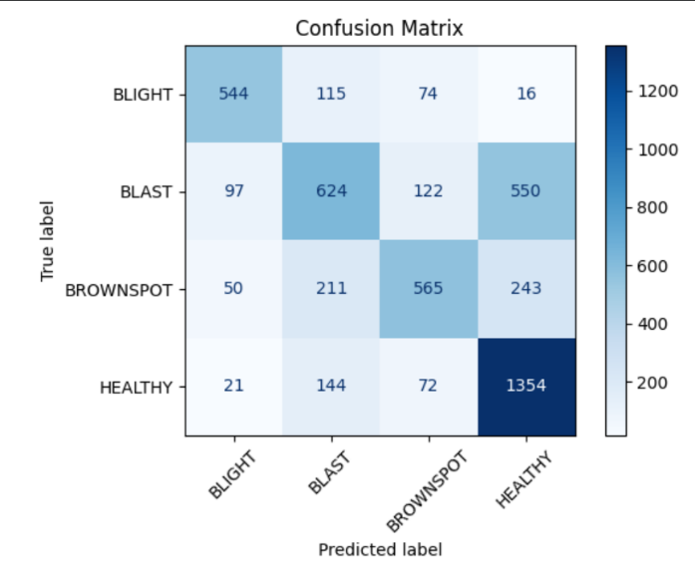 | 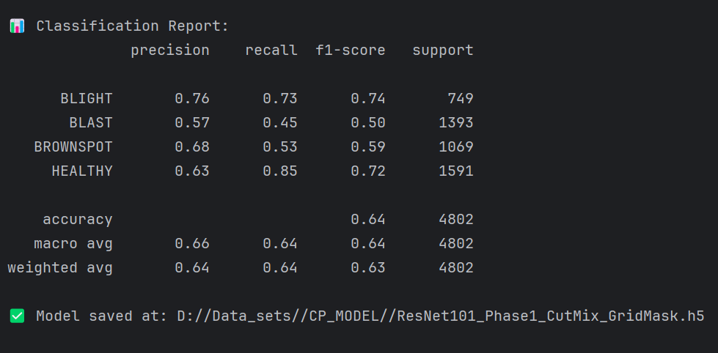
3_2 | " | " | RESNET101 | holdout(80-20), phase 2, 60 epoch | " | " | " | 0.85 | 0.85 | 0.85 | 0.85 |  | 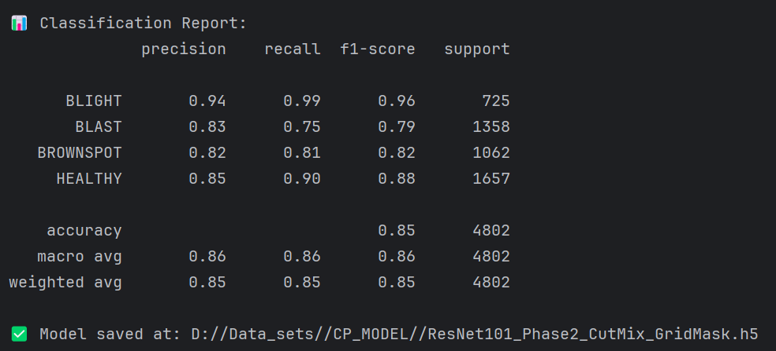
4_1 | " | " | DENSENET121 | holdout(80-20),phase1,30 epoch | " | " | " | 0.59 | 0.6 | 0.6 | 0.58 | 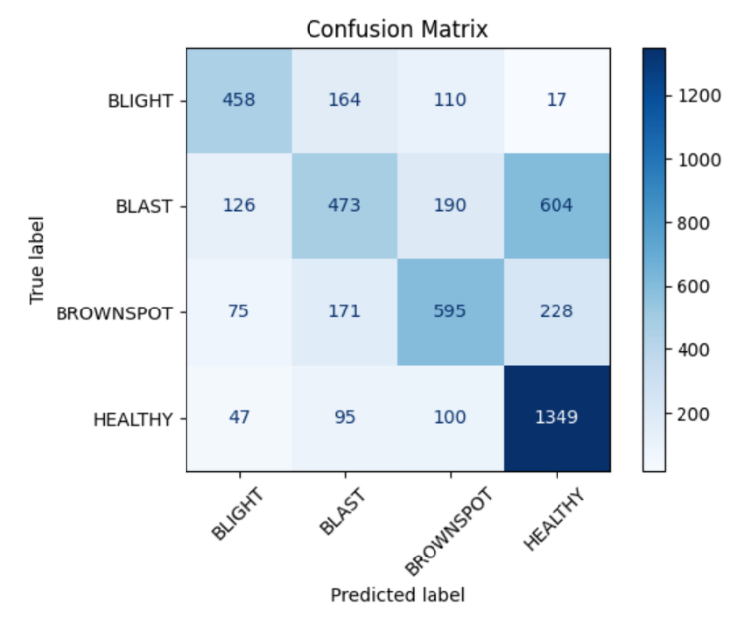 | 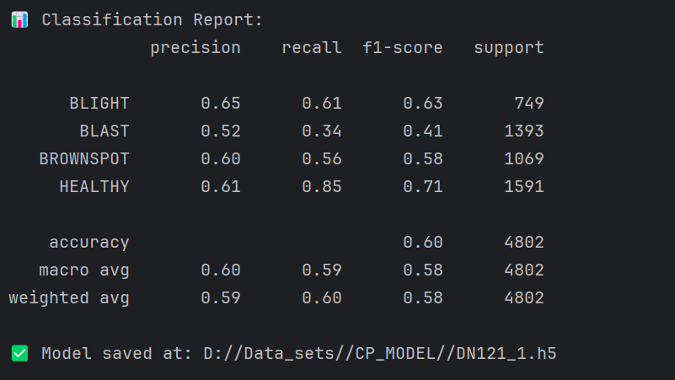
4_2 | " | " | DENSENET121 | holdout(80-20), phase 2, 60 epoch | " | " | " | 0.81 | 0.81 | 0.81 | 0.81 |  | 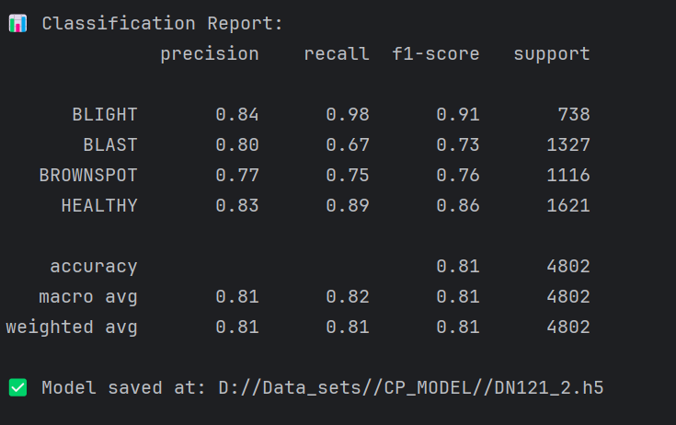
5_1 | " | " | NASNetMobile | holdout(80-20), phase 1, 30 epoch | " | " | " | 0.6 | 0.59 | 0.59 | 0.57 | 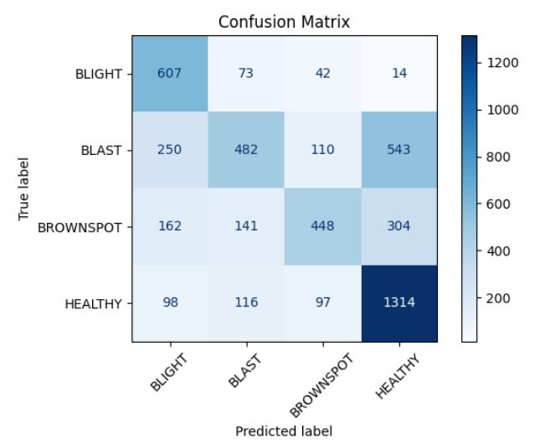 | 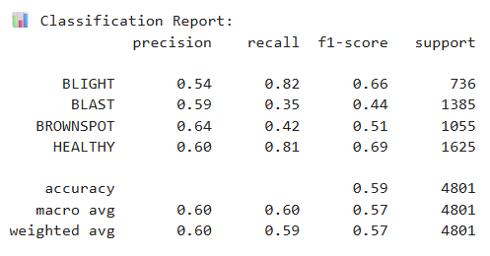
5_2 | " | " | NASNetMobile | holdout(80-20), phase 2, 60 epoch | " | " | " | 0.83 | 0.82 | 0.83 | 0.82 | 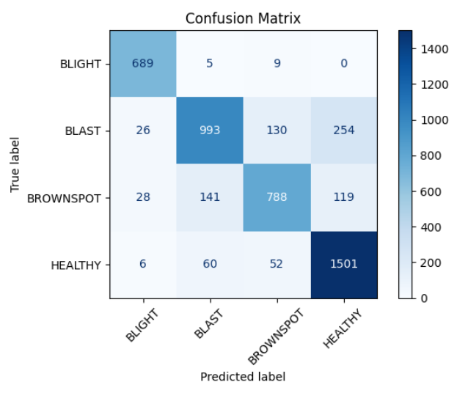 | 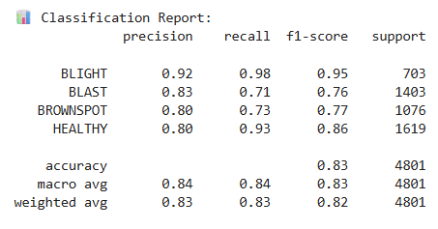
6_1 | " | " | NASNetLarge | holdout(80-20), phase 1, 30 epoch | " | " | " | 0.59 | 0.59 | 0.59 | 0.56 | 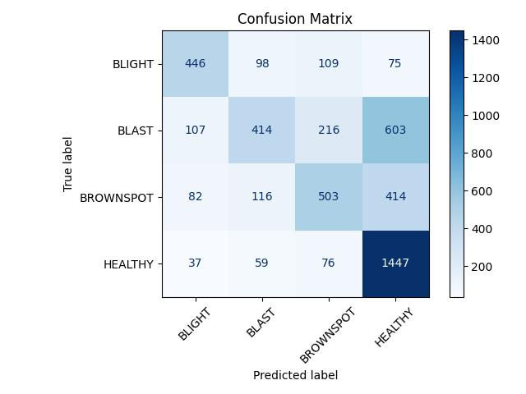 | 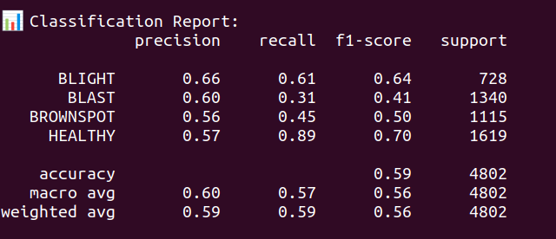
6_2 | " | " | NASNetLarge | holdout(80-20), phase 2, 60 epoch | " | " | " | 0.54 | 0.54 | 0.54 | 0.53 | 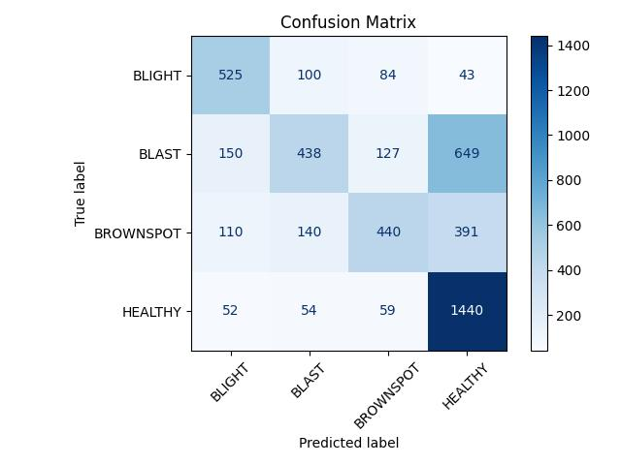 | 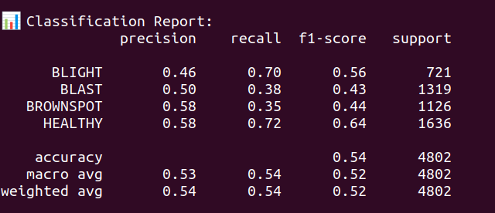
7_1 | " | " | SqueezeNet v1.1 | holdout(80-20), phase 1, 30 epoch | " | " | " | 0.57 | 0.59 | 0.59 | 0.56 | 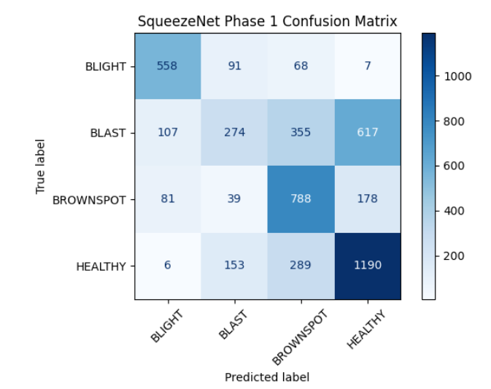 | 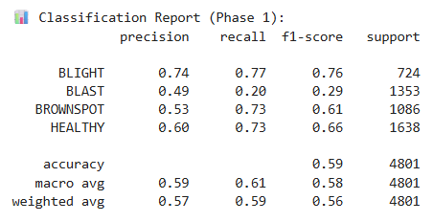
7_2 | " | " | SqueezeNet v1.1 | holdout(80-20), phase 2, 60 epoch | " | " | " | 0.58 | 0.59 | 0.59 | 0.56 | 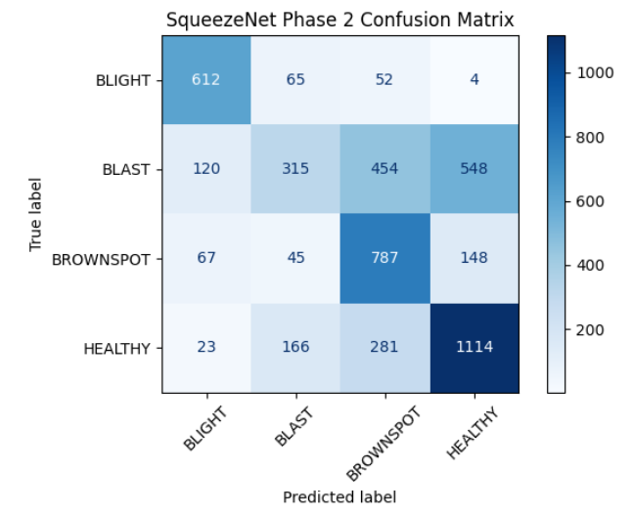 | 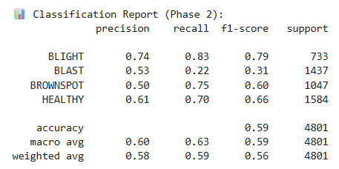
8_1 | " | " | MobileNetv3 | holdout(80-20), phase 1, 30 epoch | " | " | " | 0.63 | 0.63 | 0.63 | 0.62 | 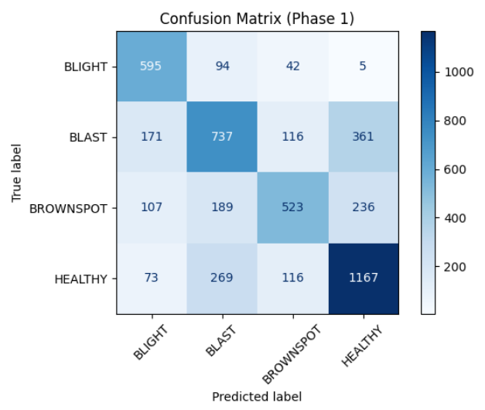 | 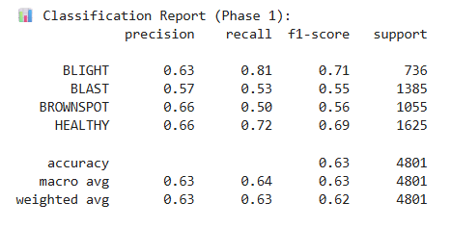
8_2 | " | " | MobileNetv3 | holdout(80-20), phase 2, 60 epoch | " | " | " | 0.86 | 0.86 | 0.86 | 0.86 | 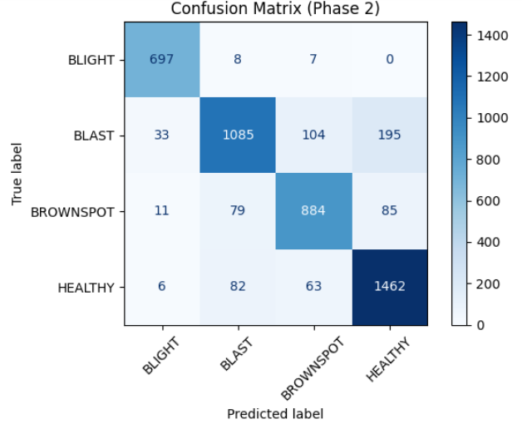 | 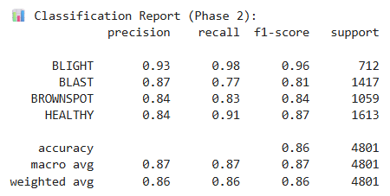
9_1 | “ | “ | Xception | holdout(80-20),phase 1,30 epoch | " | " | " | 0.55 | 0.53 | 0.53 | 0.49 | 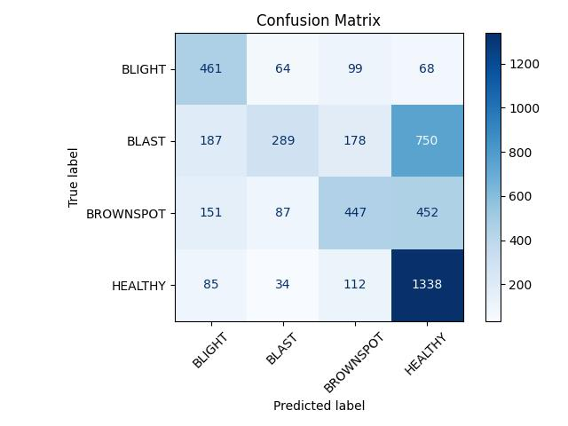 | 
9_2 | “ | “ | Xception | holdout(80-20),phase 2,60 epoch | " | " | " | 0.58 | 0.56 | 0.56 | 0.51 | 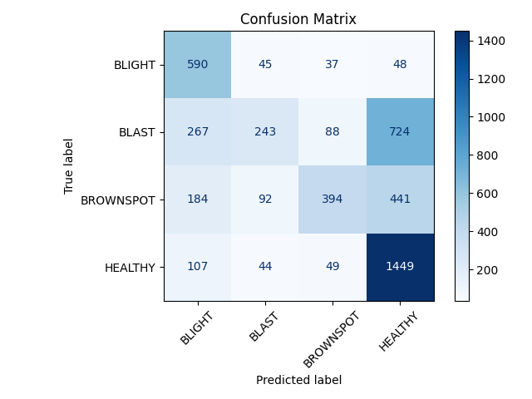 | 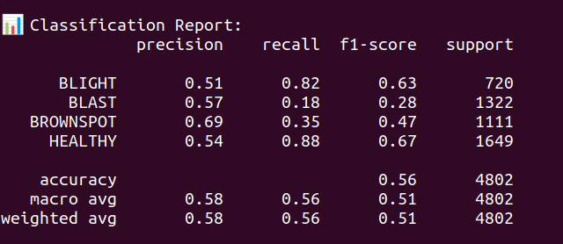
10_1 | “ | “ | Inception v3 | holdout(80-20),phase 2,60 epoch | " | " | " | 0.58 | 0.58 | 0.58 | 0.56 | 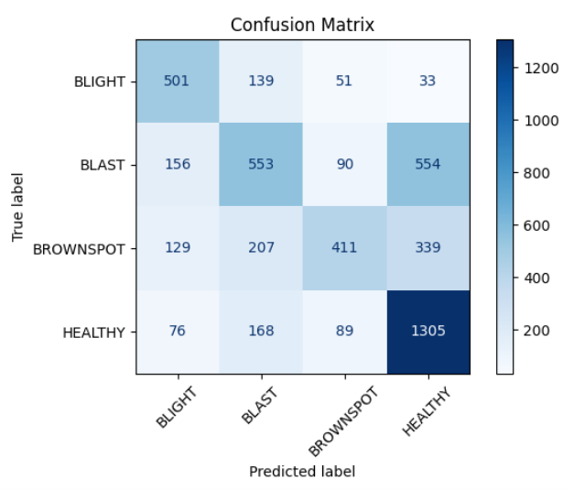 | 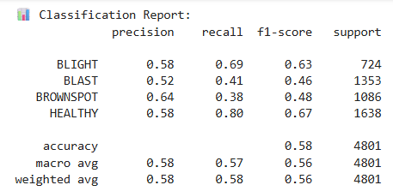
10_2 | “ | “ | Inception v3 | holdout(80-20),phase 2,60 epoch | " | " | " | 0.93 | 0.93 | 0.93 | 0.93 | 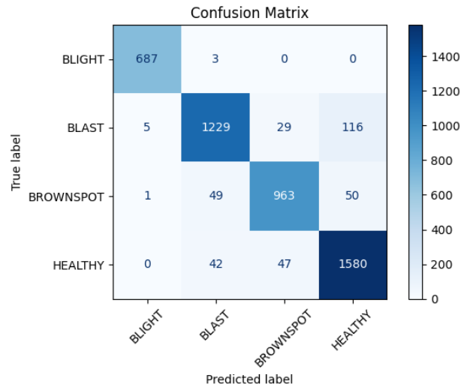 | 