LIST GAME DSTERGAME 1
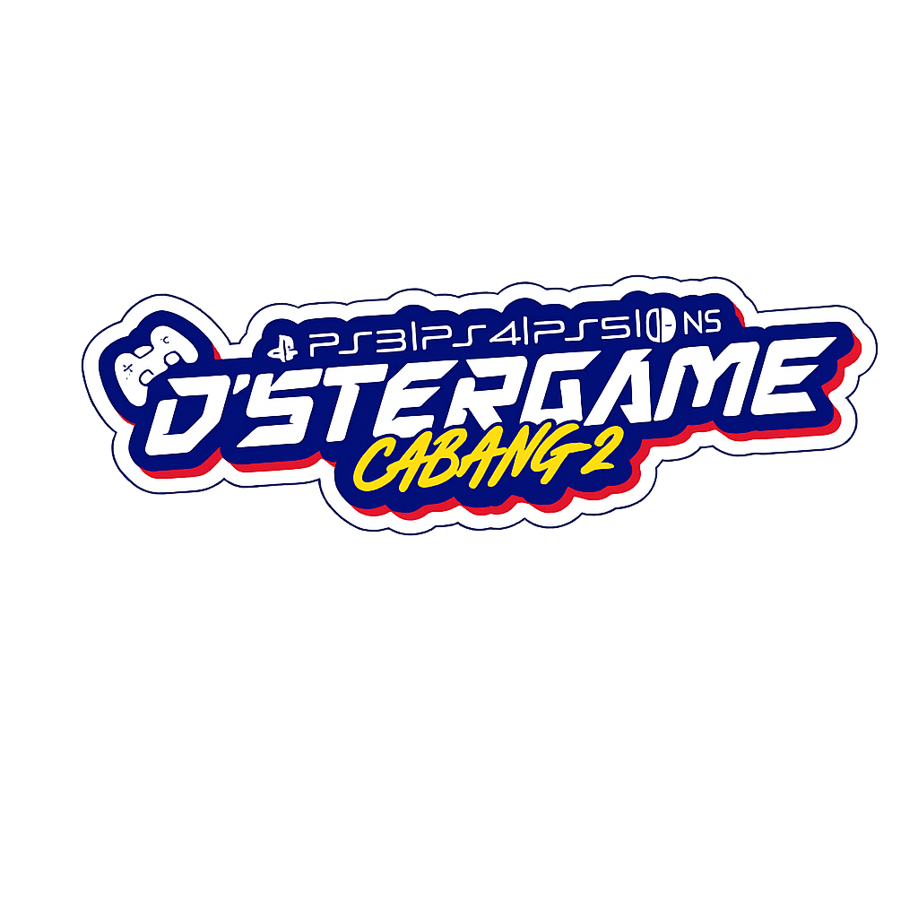
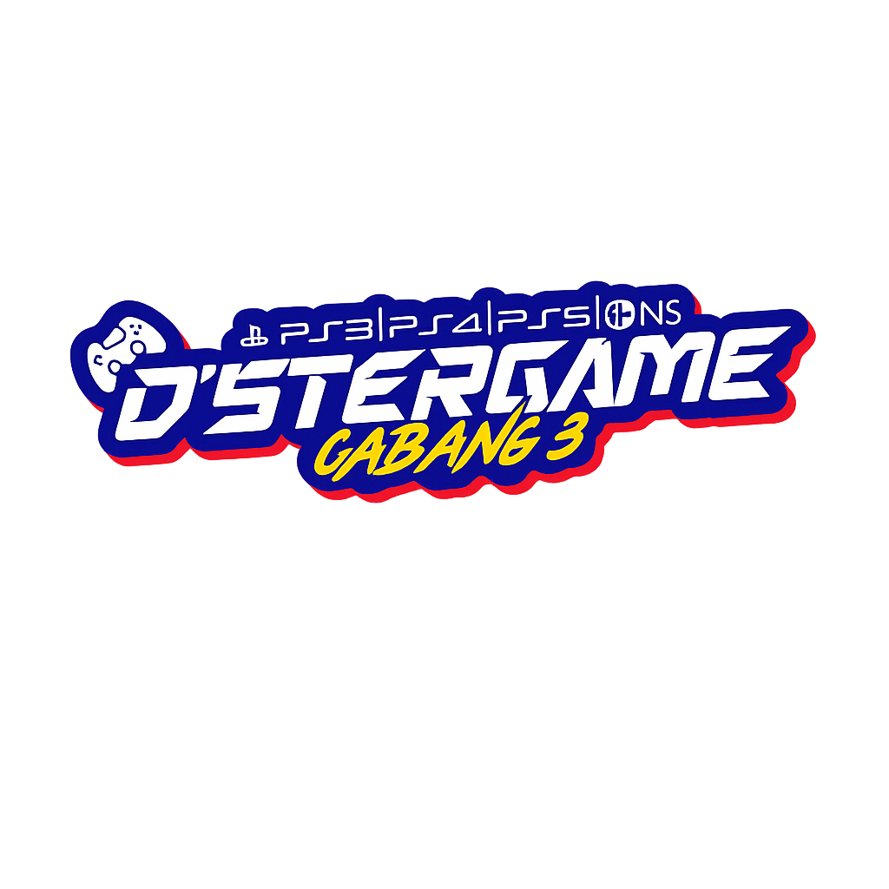
DSTERGAME LIST GAME☑️
Jl. Yos Sudarso No.43, Blanten, Genuk, Kec. Ungaran Bar., Kabupaten Semarang, Jawa Tengah
WA admin 1 : 085174162206, WA admin 2 : 085172412206

 | PS 5.1 VIP Online/Netflix | ✅ | EA SPORTS™ FC 26 | ✅ | Marvel's Spider-Man 2
 |  | ✅ | NBA 2K26 | ✅ | World War Z: Aftermath
 |  | ✅ | Tekken 8 | ✅ | Yet Another Zombie Survivors
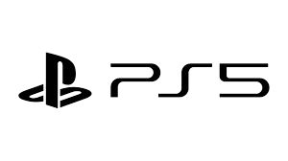
 |  | ✅ | EA Sports UFC 5: Ultimate Edition | ✅ | Outlast
 |  | ✅ | It Takes Two | ✅ | Assassin's Creed Odyssey
 |  | ✅ | A Way Out | ✅ | WWE2K26
 |  | ✅ | NARUTO X BORUTO Ultimate Ninja STORM | ✅ | The Last Of Us Remastered
 |  | ✅ | OVERCOOKED ALL YOU CAN EAT! | ✅
 |  | ✅ | PES 2021 New Season Update | ✅
 |  | ✅ | Grand Theft Auto V | ✅
 |  | ✅ | Poppy | ✅
 |  | ✅ | Split Fiction | ✅
 |  | ✅ | Motogp26 | ✅

 | PS 5.2 Online | ✅ | EA SPORTS™ FC 26 | ✅ | TEKKEN 8
 |  | ✅ | EA Sports UFC 5: Ultimate Edition | ✅ | Wukong
 |  | ✅ | NBA 2K26 | ✅ | It Takes Two
 |  | ✅ | PES 2021 New Season Updae | ✅
 |  | ✅ | Forza Horizon 5 | ✅
 |  | ✅ | F1®25 | ✅
 |  | ✅ | Grand Turismo 7 | ✅
 |  | ✅ | Unravel | ✅
 |  | ✅ | Unravel TWO | ✅
 |  | ✅ | A Way Out | ✅
 |  | ✅ | Astro Bot | ✅
 |  | ✅ | Ride 5 | ✅

 | PS 5.3 Offline | ✅ | EA SPORTS™ FC 26 | ✅
 |  | ✅ | EA Sports UFC 5: Ultimate Edition | ✅
 |  | ✅ | TEKKEN 8 | ✅
 |  | ✅ | eFootball PES 2026 New Update | ✅
 |  | ✅ | Wukong | ✅
 |  | ✅ | Spiderman | ✅
 |  | ✅ | Subnautica Bellow Zero | ✅
 |  | ✅ | EA Sports WRC | ✅
 |  | ✅ | Resident Evil 9: Requiem | ✅
 |  | ✅ |  | ✅
 |  | ✅ |  | ✅
 |  | ✅ |  | ✅

 | PS 5.4 ONLINE | ✅ | Mortal Kombat 1 Definitive Edition | ✅
 |  | ✅ | Black Myth: Wukong | ✅
 |  | ✅ | Astrobot | ✅
 |  | ✅ | EA Sports UFC 5: Ultimate Edition | ✅
 |  | ✅ | EA SPORTS™ FC 26 | ✅
 |  | ✅ |  | ✅
 |  | ✅ |  | ✅
 |  | ✅ |  | ✅
 |  | ✅ |  | ✅
 |  | ✅ |  | ✅
 |  | ✅ |  | ✅
 |  | ✅ |  | ✅


 | Steering Wheel Racing Simulator | ✅ | Forza Horizon 5
 |  | ✅ | F1®25
 |  | ✅ | Grand Turismo 7
 |  | ✅ | Euro Bus Simulator
 |  | ✅ | Need for Speed™: Heat
 |  | ✅ | Asseto Corsa Competizone
 |  | ✅ | WRC Generations-The FIA WRC

 | NINTENDO SWITCH 1 | ✅ | EA SPORTS™ FC 26 | ✅ | Dragon Ball Z:Kakarot | ✅ | My SIMS
 |  | ✅ | Arcade Archives: Renegade | ✅ | Animal Crossing: New Horizons | ✅ | New Super Mario Bross. U DELUXE
 |  | ✅ | Arcade Archives: Sky Skipper | ✅ | Everybody 1-2 Switch | ✅ | Nintendo Switch Sports
 |  | ✅ | Arcade Archives: STAR FORCE | ✅ | Fire Emblem Wariors | ✅ | No More Heroes 3
 |  | ✅ | Arcade Archives: TERRA CRESTA | ✅ | Fitness Boxing 2: Rhythm & Exercise | ✅ | One Piece Pirate Warriors 4
 |  | ✅ | Arcade Archives: Traverse USA | ✅ | Grand Theft Auto San Andreas: The Resmaterd | ✅ | Resident Evil: 6
 |  | ✅ | ARMS™ | ✅ | Gundam Breaker 4 | ✅ | Shin Chan: Shiro And The Coal Town
 |  | ✅ | Asterix & Obelix XXL3: The Crystal Menhir | ✅ | Hogwarts Legacy | ✅ | Splatoon 3
 |  | ✅ | Bubble Bobble 4 Friends | ✅ | Hot Wheels Monster Truck: Stunts Mayhem | ✅ | Super Mario 3D All Stars
 |  | ✅ | Captain Tsubasa: Rise Of New Champions | ✅ | LEGO® City Undercover | ✅ | Super Mario 3D World
 |  | ✅ | Crisis Core: Final Fantasy VII- Reunion | ✅ | LEGO® Horizon Adventures | ✅ | Super Mario Bros. Wonder
 |  | ✅ | Crysis Remastered | ✅ | Luigi's Mansions | ✅ | Super Mario Maker 2
 |  | ✅ | Doreaemon Story Of Seasons | ✅ | Mario Kart 8 Deluxe | ✅ | Super Mario Party Jambroe

 |  | ✅ | Super Mario SPG
 |  | ✅ | The Legend of Zelda: Breath of the Wild
 |  | ✅ | The Legend of Zelda: Tears of the Kingdom
 |  | ✅ | The Smurfs Dreams
 |  | ✅ | WWE Battlegrounds
 |  | ✅

 | NINTENDO SWITCH 2 | ✅ | 1-2 Switch! | ✅ | Everbody 1-2 Switch! | ✅ | Mario and Sonic At the Olympic Games Tokyo
 |  | ✅ | ARMS™ | ✅ | Fatal Frame: Maiden of Black Water | ✅ | Mario Kart 8 Deluxe
 |  | ✅ | Astral Chain | ✅ | Fire Emblem: Three Houses | ✅ | Mario Tennis Aces
 |  | ✅ | Bayonetta 3 | ✅ | Go Vacation | ✅ | Marvel Ultimate Alliance 3: The Black Order
 |  | ✅ | Big Rumble Boxing: Creed Championship | ✅ | Hogwarts Legacy | ✅ | NARUTO X BORUTO Ultimate Ninja STORM
 |  | ✅ | ClubHouse Games: 51 Worldwide Classics | ✅ | Instan Sports Summer Games | ✅ | New Super Mario Bros. U Deluxe
 |  | ✅ | Crash Team Racing Nitro-Fueled | ✅ | It Takes Two | ✅ | Nine Sols
 |  | ✅ | CupHead | ✅ | Just Dance 2022 | ✅ | Nintendo Swicth Sports
 |  | ✅ | Dave The Driver | ✅ | Kirby And The Forgoten Land | ✅ | Overcooked! All You Can Eat
 |  | ✅ | Diablo III: Eternal Colection | ✅ | LEGO® Horizon Adventures | ✅ | Pokemon Legends: Arceus
 |  | ✅ | DragonbalL Fighter Z | ✅ | Litlle Nightmares II | ✅ | Pokemon: Let's Go Pikacchu
 |  | ✅ | Dragon Quest XI S: Echoes of An Elusive Age | ✅ | Luigi's Mansions | ✅ | Real Boxing 2 Remastered
 |  | ✅ | Dragon's Drogma: Dark Arisen | ✅ | Mario and Luigi: Brothership | ✅ | Super Mario 3D WORLD
 |  | ✅ | Super Marios Bros: Wonders
 |  | ✅ | Super Marios Bros: Odyssey
 |  | ✅ | Super Marios Party Jambore
 |  | ✅ | Super Smash Bros Ultimate
 |  | ✅ | The Art Of Dave The Diver
 |  | ✅ | The Legends Zelda: Breath Of The Wild
 |  | ✅ | The Legends Zelda: Echoes Of Wisdom
 |  | ✅ | The Legends Zelda: Link's Awakening
 |  | ✅ | The Legends Zelda: Skyward Sword
 |  | ✅ | Unravel TWO


 | PS 4.1-HEN 11.00 F EXT | ✅ | eFootball PES 2026 New Update | ✅ | Resident Evil 4 Remake
 |  | ✅ | Bitbox Patch 2026 New Update | ✅ | Assassin's Creed: Origins
 |  | ✅ | EA SPORTS™ FC 26 | ✅ | Battlefield 4
 |  | ✅ | EA SPORTS™ UFC® 3 | ✅ | Farcry 5
 |  | ✅ | Call Of Dutty: MW2 | ✅ | Tekken 7
 |  | ✅ | Bassmaster Fishing 2022 | ✅ | Watch Dogs
 |  | ✅ | Red Dead Redemption | ✅ | Ghost Of Tsushima
 |  | ✅ | Sniper Elite 4 | ✅ | The Witcher 3: Wild And Hunt | 4
 |  | ✅ | NARUTO X BORUTO Ultimate Ninja STORM
 |  | ✅ | Sengoku Basara 4 Sumeragi
 |  | ✅ | It Takes Two
 |  | ✅ | Star Wars: Jedi Fallen Order

 | PS 4.2- HEN 9.00 F | ✅ | eFootball PES 2026 New Update | ✅ | GangBeast
 |  | ✅ | EA SPORTS™ FC 26 | ✅ | WWE2K24
 |  | ✅ | Bitbox Patch 2026 New Update | ✅ | It Takes Two
 |  | ✅ | Grand Theft Auto V | ✅ | BASARA 4
 |  | ✅ | Assassin's Creed: Syndicate | ✅ | Moving Out 2
 |  | ✅ | Minecraft PS 4 Edition | ✅ | WRC 10 FIA World Rally Championsip
 |  | ✅ | NARUTO X BORUTO Ultimate Ninja STORM
 |  | ✅ | Resident Evil 6
 |  | ✅ | Outlast
 |  | ✅ | The Wariors
 |  | ✅ | Unravel Two
 |  | ✅ | Tekken 7 Full Update Character
 |  | ✅ | Hotwheel Unleashed
 |  | ✅ | EA SPORTS™ UFC® 4

 | PS 4.3 - HEN 9.00 F | ✅ | eFootball PES 2026 New Update | ✅ | It Takes Two
 |  | ✅ | EA SPORTS™ FC 26
 |  | ✅ | Bitbox Patch 2026 New Update
 |  | ✅ | Unravel Two
 |  | ✅ | NARUTO X BORUTO Ultimate Ninja STORM
 |  | ✅ | Minecraft
 |  | ✅ | EA SPORTS™ UFC® 4
 |  | ✅ | Dreadout 2
 |  | ✅ | Uncharted 4
 |  | ✅
 |  | ✅ | Tekken 7
 |  | ✅ | Overcooked 2
 |  | ✅ | A WAY OUT

 | PS 4.4-HEN 9.00 F | ✅ | eFootball PES 2026 New Update | ✅ | Days Gone
 |  | ✅ | EA SPORTS™ FC 26 | ✅ | NARUTO X BORUTO Ultimate Ninja STORM
 |  | ✅ | Bitbox Patch 2026 New Update | ✅ | It takes two
 |  | ✅ | Tekken 7 Full Update Character | ✅ | EA SPORTS™ UFC® 4
 |  | ✅ | Need for Speed™: Most Wanted | ✅ | Crash Team racing
 |  | ✅ | Cities Skylines | ✅ | Stray
 |  | ✅ | LEGO Brawls | ✅
 |  | ✅ | Moving out 2 | ✅
 |  | ✅ | A Way Out | ✅
 |  | ✅ | Spiderman Miles Morales | ✅
 |  | ✅ | Def Jam: Fight for NY | ✅
 |  | ✅ | Unravel Two | ✅
 |  | ✅ | Red Dead Redemption 2

 | PS 4.5- HEN 11.00 F | ✅ | eFootball PES 2026 New Update | ✅ | Minecraft PS4 Edition
 |  | ✅ | EA SPORTS™ FC 26 | ✅ | Moving Out
 |  | ✅ | Bitbox Patch PES 2027 New Update | ✅ | NARUTO X BORUTO Ultimate Ninja STORM
 |  | ✅ | It Takes Two | ✅ | Demon Slayer Kimestu No Yaiba: The Hinokami
 |  | ✅ | Marvel Spiderman: Miles Morales | ✅ | Resident Evil 4 Remake
 |  | ✅ | EA SPORTS™ UFC® 4 | ✅ | Need For Speed : Heat
 |  | ✅ | OverCooked 2 | ✅ | Devil My Cry 5
 |  | ✅ | Milestone MotoGP 24 | ✅ | A Way Out
 |  | ✅ | Tekken 7 Full Character DLC
 |  | ✅ | Unravel Two
 |  | ✅ | The Last Of Us Remastered
 |  | ✅ | Assassin's Creed: Origins
 |  | ✅ | Cars 3: Divers To Win

 | PS 4.6- HEN 9.00 S | ✅ | eFootball PES 2026 New Update | ✅ | It Takes TWO
 |  | ✅ | EA SPORTS™ UFC® 4 | ✅ | Fast And Furious
 |  | ✅ | EA SPORTS™ FC 26 | ✅ | MXGP19
 |  | ✅ | Need for Speed™: Heat | ✅ | Crash Team Racing Nitro-Fueled
 |  | ✅ | Tekken 7 Full Character DLC | ✅ | Overcooked 2
 |  | ✅ | Grand Theft Auto V | ✅ | Minecraft PS4 Edition
 |  | ✅ | Naruto Ultimate Ninja Storm:4 | ✅ | Hotwheel Unleashed
 |  | ✅ | Call Of Dutty: WW2 | ✅ | Unravel Two
 |  | ✅ | A Way Out
 |  | ✅ | Unravel TWO
 |  | ✅ | Dynasty Wariors 8 Empires
 |  | ✅ | Elden Ring Nightreign

 | PS 4.7-HEN 9.00 S | ✅ | Bitbox Patch PES 2026 New Update |  | Lego Marvel Avangers
 |  | ✅ | eFootball PES 2026 New Update |  | Stray
 |  | ✅ | EA SPORTS™ FC 26 |  | Crash Team Racing Nitro-Fueled
 |  | ✅ | EA Sports™ UFC 4 |  | Hotwheel Unleashed 2
 |  | ✅ | Naruto Ultimate Ninja Storm:4 |  | Hello Neighbor
 |  | ✅ | Grand Theft Auto V |  | Kena Bride Of Spirit
 |  | ✅ | Tekken 7 Full Character DLC |  | Minecraft PS4 Edition
 |  | ✅ | MotoGP 24 |  | Call Of Dutty: WW2
 |  | ✅ | Senggoku Basara 4
 |  | ✅ | It Takes Two
 |  | ✅ | Moving Out 2
 |  | ✅ | Assassin's Creed: Syndicate
 |  | ✅ | Just Cause 4

 | PS 4.8 - HEN 9.00 F | ✅ | eFootball PES Monster Patch 2026 New Update | ✅ | Call Of Dutty: WW2
 |  | ✅ | Bitbox Patch PES 2026 New Update | ✅ | Assassin's Creed Origins
 |  | ✅ | EA Sports™ UFC 4 | ✅ | Naruto Shiuden Ultimate Ninja Storm 4
 |  | ✅ | EA SPORTS™ FC 26
 |  | ✅ | Tekken 7 Full Character DLC
 |  | ✅ | WWE2K23
 |  | ✅ | Crash Team Racing Nitro-Fueled
 |  | ✅ | Spongebob Squarepants The Cosmic
 |  | ✅ | It Takes Two
 |  | ✅ | Grand Theft Auto V
 |  | ✅ | Hitman
 |  | ✅ | The Lego Ninjago
 |  | ✅ | Upin&Ipin Universe

 | PS 4.9 HEN 9.00 S | ✅ | eFootball PES Monster Patch 2026 New Update | ✅ | It Takes Two
 |  | ✅ | Bitbox Patch PES 2026 New Update | ✅ | Naruto Shipuden: Ultimate Ninja Storm 4
 |  | ✅ | EA Sports™ UFC 4 | ✅ | Crash Team Racing: NitroFueled
 |  | ✅ | EA SPORTS™ FC 26 | ✅ | MotoGP Clasic 2022
 |  | ✅ | Tekken 7 Full Character DLC | ✅ | Watch DOGS 2
 |  | ✅ | Warior Orochi
 |  | ✅ | Grand Theft Auto V
 |  | ✅ | Overcooked 2
 |  | ✅ | Unravel TWO
 |  | ✅ | A Way Out
 |  | ✅ | Call Of Dutty: Modern Warfare
 |  | ✅ | Assasin Creed Valhalla

 | PS 4.10 - HEN 9.00 S | ✅ | Bitbox Patch PES 2026 New Update | ✅ | Sengoku Basara 4
 |  | ✅ | EA SPORTS™ FC 26 | ✅ | Tony Hawks PRO Skater
 |  | ✅ | EA Sports™ UFC 4 | ✅ | Cars Driven To Win 3
 |  | ✅ | Tekken 7 Full Character DLC | ✅ | Moving Out 3
 |  | ✅ | Crash Team Racing Nitro-Fueled | ✅ | Ghost of Tsushima
 |  | ✅ | Grand Theft Auto V | ✅ | Marvvel Spiderman
 |  | ✅ | It Takes Two | ✅ | WRC10 FIA: World Rally Championship
 |  | ✅ | A Way Out | ✅ | Overcooked 2
 |  | ✅ | Hotwheel Unleashd | ✅ | Gang Beast
 |  | ✅ | NARUTO X BORUTO Ultimate Ninja STORM | ✅
 |  | ✅ | Minecraft PS4 Edition | ✅

 | PS 4.11 - HEN 12.50 F | ✅ | Bitbox Patch PES 2026 New Update | ✅ | Call Of Duty WW2
 |  | ✅ | EA SPORTS™ FC 26 | ✅ | A Way Out
 |  | ✅ | EA Sports™ UFC 4 | ✅ | Gang Beast
 |  | ✅ | Tekken 7 Full Character DLC | ✅ | It Takes Two
 |  | ✅ | The Last Of Us | ✅ | Overcooked 2
 |  | ✅ | Dynasty Warriors 4 | ✅ | Unravel TWO
 |  | ✅ | Basara 4 | ✅ | Naruto Boruto
 |  | ✅ | Assassin's Creed Mirage | ✅ | Dragon Ball Xenoverse
 |  | ✅ | Dying Light | ✅ | Grand Theft Auto: V
 |  | ✅ | Marvel's Spiderman | ✅
 |  | ✅ | Resident Evil 4 Remake | ✅

 | PS 4.12 - HEN 11.00 F | ✅ |  | ✅

 |  | ✅ |  | ✅
 |  | ✅ |  | ✅
 |  | ✅ |  | ✅
 |  | ✅ |  | ✅
 |  | ✅ |  | ✅
 |  | ✅ |  | ✅
 |  | ✅ |  | ✅
 |  | ✅ |  | ✅
 |  | ✅ |  | ✅

 | PS 4.13 - HEN 11.00 F | ✅ |  | ✅
 |  | ✅ |  | ✅
 |  | ✅ |  | ✅
 |  | ✅ |  | ✅
 |  | ✅ |  | ✅
 |  | ✅ |  | ✅
 |  | ✅ |  | ✅
 |  | ✅ |  | ✅
 |  | ✅ |  | ✅
 |  | ✅ |  | ✅
 |  | ✅ |  | ✅
 |  | ✅ |  | ✅

 | PS PRO 4.1 -11 | ✅ | eFootball PES 2026 New Update | ✅ | NARUTO X BORUTO Ultimate Ninja STORM
 |  | ✅ | EA SPORTS™ FC 26 | ✅ | Minercraft
 |  | ✅ | Bitbox Patch 2026 New Update | ✅ | NBA2K26
 |  | ✅ | F1®24 | ✅ | Overcooked
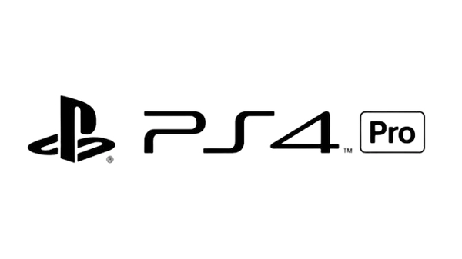
 |  | ✅ | Tekken 7 Full Update Character | ✅ | Resident Evil 4 Remake
 |  | ✅ | Unravel Two | ✅ | Hello Neighbour
 |  | ✅ | A Way Out | ✅ | Monster Hunter RIse
 |  | ✅ | Burnout Paradise Remastered
 |  | ✅ | Call of Duty: Modern Warfare II
 |  | ✅ | Jump Force
 |  | ✅ | Battlefield I
 |  | ✅ | Call of Duty: Vanguard
 |  | ✅ | It Takes Two

 | PS PRO 4.2-9 | ✅ | Bitbox Patch 2026 New Update | ✅ | Sengoku Basara 4
 |  | ✅ | EA SPORTS™ FC 26 | ✅ | Minecraft PS 4 Edition
 |  | ✅ | Overcooked 2 | ✅ | Crash Team Racing
 |  | ✅ | Asterix & Obelix XXL3: The Crystal Menhir
 |  | ✅ | Moving Out 2
 |  | ✅ | NBA2K26
 |  | ✅ | Red Dead Redemption 2
 |  | ✅ | EA Sports™ UFC 4
 |  | ✅ | Call of Duty: Modern Warfare
 |  | ✅ | Tekken 7 Full Update Character
 |  | ✅ | Ghost of Tsushima
 |  | ✅ | Outward
 |  | ✅ | A Way Out

 | PS PRO 4.3- HEN 9.00 | ✅ | eFootball PES 2026 New Update | ✅ | Gang Beast
 |  | ✅ | EA SPORTS™ FC 26 | ✅ | Marvel's Avangers
 |  | ✅ | Bitbox Patch 2026 New Update | ✅ | Resident Evil: 4 REMAKE
 |  | ✅ | EA Sports™ UFC 4 | ✅ | NBA2K26
 |  | ✅ | A Way Out
 |  | ✅ | NARUTO X BORUTO Ultimate Ninja STORM
 |  | ✅ | Sengoku Basara 4
 |  | ✅ | Warriors Orochi 4
 |  | ✅ | Legendary Fishing
 |  | ✅ | Overcook All You can eat
 |  | ✅ | Marvel:Spiderman Miles Morales
 |  | ✅ | It Takes Two
 |  | ✅ | Tekken 7 Full Update Character

 | PS PRO 4.4-11 | ✅ | eFootball PES 2026 New Update | ✅ | Minecraft
 |  | ✅ | EA SPORTS™ FC 26 | ✅ | It Takes Two
 |  | ✅ | Bitbox Patch 2026 New Update | ✅ | Watch Dogs 2
 |  | ✅ | Ghost of Tsushima | ✅ | Tekken 7 Full Update Character
 |  | ✅ | Need for Speed™: Heat | ✅ | Unravel TWO
 |  | ✅ | Mortal Kombat 11 Ultimate | ✅ | Sniper Elite Resistance Deluxe Edition
 |  | ✅ | Sengoku Basara 4 | ✅ | Uncharted 4
 |  | ✅ | Project Cars 3
 |  | ✅ | NARUTO X BORUTO Ultimate Ninja STORM
 |  | ✅ | Battlefield V
 |  | ✅ | EA Sports™ UFC 4
 |  | ✅ | Crash Team Racing Nitro-Fueled
 |  | ✅ | Grand Theft Auto V

 | PS PRO 4.5-9 Dstergame 2 | ✅ | eFootball PES 2026 New Update | ✅ | OverCooked 2
 |  | ✅ | EA SPORTS™ FC 26 | ✅ | Minecraft PS4 EDITION
 |  | ✅ | Bitbox Patch 2026 New Update | ✅ | OverCooked 2
 |  | ✅ | F1®24 | ✅ | Unravel TWO
 |  | ✅ | NBA2K26 | ✅ | Sengoku Basara 4
 |  | ✅ | EA Sports™ UFC 4
 |  | ✅ | Tekken 7 Full Update Character
 |  | ✅ | NARUTO X BORUTO Ultimate Ninja STORM
 |  | ✅ | It Takes Two
 |  | ✅ | A Way Out
 |  | ✅ | GangBeast
 |  | ✅ | Grand Theft Auto V
 |  | ✅ | Stray

 | PS PRO 4.6-9 Dstergame 2 | ✅ | eFootball PES 2025 New Update | ✅ | The Last Of Us PART II
 |  | ✅ | EA SPORTS™ FC 26 | ✅ | MotoGP25
 |  | ✅ | Bitbox Patch 2026 New Update | ✅ | Dying Light
 |  | ✅ | EA Sports™ UFC 4 | ✅ | F1 24
 |  | ✅ | Watch Dogs: 2 | ✅ | WWE2K24
 |  | ✅ | Ghost Of Tsushima | ✅ | Overcooked 2
 |  | ✅ | Call Of Dutty" Modern Warfare 2 Remastered | ✅
 |  | ✅ | Spiderman Miles Morales | ✅
 |  | ✅ | NBA2K26
 |  | ✅ | Crash Team Racing Nitro-Fueled
 |  | ✅ | Unravel TWO
 |  | ✅ | It Takes Two

 | PS PRO 4.7- HEN 9.00 | ✅ | eFootball PES Monster Patch 2026 New Update | ✅ | Tony Hawk PRO Skater
 |  | ✅ | EA SPORTS™ FC 26 | ✅
 |  | ✅ | Bitbox Patch 2026 New Update | ✅
 |  | ✅ | NBA2K26 | ✅
 |  | ✅ | NARUTO X BORUTO Ultimate Ninja STORM | ✅
 |  | ✅ | It Takes Two | ✅
 |  | ✅ | A Way Out | ✅
 |  | ✅ | Tekken 7 Full Update Character | ✅
 |  | ✅ | Sengoku Basara 4
 |  | ✅ | Grand Theft Auto V
 |  | ✅ | Sekiro Shadow Die Twice
 |  | ✅ | LEGO® Jurasic World

 | PS PRO 4.8-HEN 9.00 | ✅ | Bitbox Patch 2026 New Update | ✅ | F1 24
 |  | ✅ | EA SPORTS™ FC 26 | ✅ | Detroit Become Human
 |  | ✅ | Tekken 7 Full Update Character
 |  | ✅ | NBA2K26
 |  | ✅ | EA Sports™ UFC 4
 |  | ✅ | A Way Out
 |  | ✅ | NARUTO X BORUTO Ultimate Ninja STORM
 |  | ✅ | Days Gone
 |  | ✅ | MotoGP25
 |  | ✅ | Crash Team Racing Nitro-Fueled
 |  | ✅ | Minecraft PS4 Edition
 |  | ✅ | Grand Theft Auto V

 | PS 3.1 | ✅ | eFootball PES 2025 New Update | ✅ | Sport champion | ✅ | GOD OF WAR 3
 |  | ✅ | Gembox Patch 2026 New Update | ✅ | Sonic Allstars racing transformed | ✅ | Farming simulator 15
 |  | ✅ | MotoGP18 | ✅ | Repala pro bass fishing | ✅ | Dynasty Warriors
 |  | ✅ | Super Mario Bros | ✅ | Portal 2 | ✅ | Devil may Cry
 |  | ✅ | Grand Theft Auto V | ✅ | Pac-Man and the Ghostly Adventures | ✅ | Dirt 3
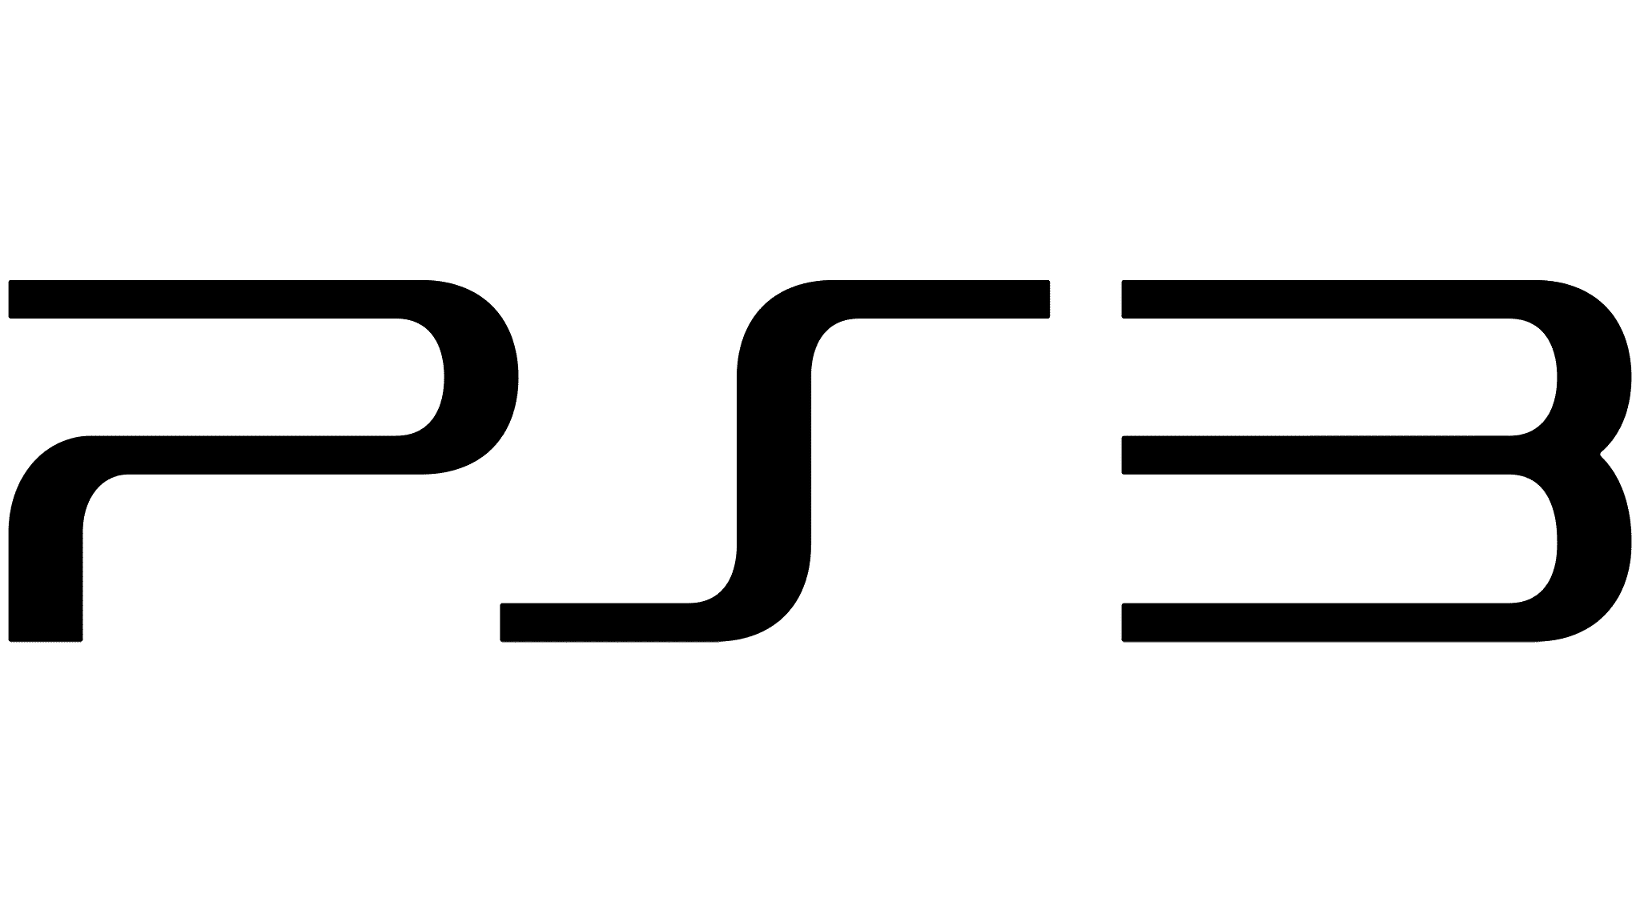
 |  | ✅ | Grand Theft Auto: San Andreas | ✅ | ONE PIECE PIRATE WARRIOR | ✅ | DANCE DANCE REVOLUTION
 |  | ✅ | F1 Race Stars | ✅ | Need For Speed™: Rivals
 |  | ✅ | Boruto Ultimate ninja storm | ✅ | NBA2K18
 |  | ✅ | WWE Allstars | ✅ | Monopoly
 |  | ✅ | Ultra Street ninja storm | ✅ | Minecraft
 |  | ✅ | UFC undisted 2 | ✅ | LEGO® Lord Of The Rings
 |  | ✅ | The Amazing Spiderman | ✅ | Grand Theft Auto IV
 |  | ✅ | Tekken 6 | ✅ | Gran Turismo 6

 | PS 3.2 | ✅ | eFootball PES 2025 New Update | ✅ | Pesona 5
 |  | ✅ | Gembox Patch 2026 New Update | ✅ | RESIDENT EVIL 6
 |  | ✅ | Dante's Inferno™ | ✅ | SUPER HERO Ultimate Alliance 2
 |  | ✅ | Deadpool | ✅ | Tomb Raider: Underworld
 |  | ✅ | Devil May Cry | ✅ | Call of Duty® 4: Modern Warfare
 |  | ✅ | Grand Theft Auto V |  | Castlevania: Lords of Shadow 2
 |  | ✅ | LOLLIPOP CHAINSAW
 |  | ✅ | NARUTO SHIPPUDEN™: STROM 3
 |  | ✅ | Need for Speed: Most Wanted
 |  | ✅ | NINJA GAIDEN 3
 |  | ✅ | ONE PIECE: PIRATE WARRIORS 3
 |  | ✅ | WARRIORS OROCHI 3
 |  | ✅ | Downhill Domination

 | PS 3.3 | ✅ | eFootball PES 2025 New Update | ✅ | Guitar hero III: Legend of rock
 |  | ✅ | Gembox Patch 2026 New Update | ✅ | Grand Theft Auto V
 |  | ✅ | Army of Two™: The 40th Day | ✅ | LEGO® Star Wars™: The Complete Saga
 |  | ✅ | Battlefield 4™ | ✅ | Mortal Kombat Completed Edition
 |  | ✅ | Call of Duty: Modern Warfare® 3 | ✅ | MotoGP 2019™ Season 2019
 |  | ✅ | Call of Duty®: Black ops II | ✅ | Naruto Shippuden Ultimate Ninja Strom Revolution
 |  | ✅ | DRIVER San Francisco | ✅ | NBA 2K17
 |  | ✅ | Tom Clancy's Splinter Cell® Blacklist™ | ✅ | Need for speed™: The Run
 |  | ✅ | FIFA street | ✅ | Grand Theft Auto IV
 |  | ✅ | Grand turismo® 6 |  | A.O.T. Wings of Freedom
 |  | ✅ | Farming simulator 15
 |  | ✅ | One Piece: Pirate Warriors
 |  | ✅ | Tom Clancy's splinter cell

 | PS 3.4 | ✅ | eFootball PES 2026 New Update | ✅ | Farcry 4 | ✅ | UFC Undisputed
 |  | ✅ | Gembox Patch 2026 New Update | ✅ | God Of War 3 | ✅ | Ultimate Marvel vs Capcom
 |  | ✅ | Army Of TWO | ✅ | Grand Theft Auto: V | ✅ | Ultra street Fighter 4
 |  | ✅ | Battlefield 4 | ✅ | Hitman: Absolution | ✅ | Basara 4
 |  | ✅ | Call of Duty Advance Warfare | ✅ | Hotwheels | ✅
 |  | ✅ | Call of Juarez: The Cartel | ✅ | inFAMOUS 2 | ✅
 |  | ✅ | Cars 2 | ✅ | Iron Man 2 | ✅
 |  | ✅ | Dance Dance Revolution | ✅ | Madagascar kart | ✅
 |  | ✅ | Dead Space 2 | ✅ | Monopoly | ✅
 |  | ✅ | Devil My Cry 4 | ✅ | NBA2K18
 |  | ✅ | Disney pixar: Brave | ✅ | One Piece: Pirate Wariors 3
 |  | ✅ | Dragon Ball Xenoverse | ✅ | Sonic All Stars Rumble
 |  | ✅ | Dynasty Wariors 8 Extreme Legend | ✅ | The Amazing Spiderman 2

 | PS 3.5 | ✅ | Gembox Patch 2026 New Update | ✅ | LEGO® Jurassic World | ✅ | Tekken 6
 |  | ✅ | Gembox Patch 2026 New Update | ✅ | LEGO® Marvel Avengers | ✅ | The Walking Dead: Survival Instinct
 |  | ✅ | Grand Theft Auto V | ✅ | Midnight Club: Los Angeles | ✅ | Tom Clancy's Ghost Recon: Future Soldier
 |  | ✅ | Grand Theft Auto: San Andreas | ✅ | Minecraft Playstation 3 Edition | ✅ | Warriors Legends Of Troy
 |  | ✅ | Battlefield 3 | ✅ | NBA2K18 | ✅ | Attack On Titan
 |  | ✅ | Battlefield 4 | ✅ | Need for Speed™: Most Wanted | ✅ | Batman: Arkham Asylum
 |  | ✅ | Call Of Duty: Advance Warfare | ✅ | Need for Speed™: Rivals
 |  | ✅ | Castlevania: Lords of Shadow 2 | ✅ | Persona 5
 |  | ✅ | Deus Ex: Human Revolution | ✅ | Prince of Persia: The Forgotten Sands
 |  | ✅ | Dynasty Warriors 8 | ✅ | Red Dead Redemption
 |  | ✅ | F1 2014 | ✅ | Resident Evil 6
 |  | ✅ | Fifa Street | ✅ | Rio The Janeiro
 |  | ✅ | Grand Turismo 6 | ✅ | Sniper Elite 3

 | PS 3.6 | ✅ | Gembox Patch 2026 New Update | ✅ | Metal Slug 3 | ✅ | Tekken 6
 |  | ✅ | Dark Souls | ✅ | Minecraft | ✅ | The Amazing Spiderman
 |  | ✅ | Devil My Cry 5 | ✅ | Mortal Kombat VS Dc Universe | ✅ | The Sims 3
 |  | ✅ | Dragonball Xenoverse | ✅ | Motogp 24-25 | ✅ | Watch Dogs
 |  | ✅ | Dragonball Z Batlle Of Z | ✅ | Naruto Shipuden Ultimate Ninja Storm | ✅ | WWE2K17
 |  | ✅ | Fifa Street | ✅ | Nascar 14 | ✅
 |  | ✅ | Grand Theft Auto V | ✅ | Need For Speed: Most Wanted | ✅
 |  | ✅ | God Of War 3 | ✅ | One Piece Pirate Warrior 3 | ✅
 |  | ✅ | Grid Autosport | ✅ | Red Dead Redemption Undead Nightmare | ✅
 |  | ✅ | Kilzone 3 Multiplayer | ✅ | Resident Evil 5 Gold Edition | ✅
 |  | ✅ | Lego Batman | ✅ | Saint Row 2 | ✅
 |  | ✅ | Lego Indianajones | ✅ | Sniper Elite 3 | ✅
 |  | ✅ | Lego Marvel Super Heroes | ✅ | Sonic All Stars

 | PS 3.7 | ✅ | Gembox Patch 2026 New Update | ✅ | Motogp 24-25
 |  | ✅ | Army Of Two: The 40th Day | ✅ | Naruto Shipuden Ultimate Ninja Storm
 |  | ✅ | Batman Arkham City | ✅ | Need For Speed Most Wanted
 |  | ✅ | BatlleField 4 | ✅ | Resident Evil 5 Gold Edition
 |  | ✅ | Blur | ✅ | Saint Row 2
 |  | ✅ | Call Of Duty: Black Ops 3 | ✅ | Sniper Elite 3
 |  | ✅ | Dark SoulS | ✅ | Sonic All Stars
 |  | ✅ | Devil My Cry 6 | ✅ | Tekken 6
 |  | ✅ | Dragon Ball Xenoverse | ✅ | The Sims 3
 |  | ✅ | Dragon Ball z: Batlle Of Z | ✅ | Watch Dogs
 |  | ✅ | EA SPORTS: MMA | ✅ | Minecraft
 |  | ✅ | Grand Theft Auto | ✅ | Monopoly
 |  | ✅ | God of War 3 | ✅ | Mortal Kombat Vs DC Universe
 |  | ✅ | Killzone
 |  | ✅ | Lego Indiana Jones
 |  | ✅ | Lego Jurasic Park
 |  | ✅ | Little Big Planet 3

 | PS 3.8 | ✅ | Gembox Patch 2026 New Update | ✅ | Sniper Elite 3
 |  | ✅ | Gembox Patch 2026 New Update | ✅ | Sleeping Dogs
 |  | ✅ | Super Mario Bros | ✅ | Rio™
 |  | ✅ | Boruto Ultimate Ninja Storm | ✅ | Resident Evil 6
 |  | ✅ | Final Fantasy XX | ✅ | Red Dead Redemption
 |  | ✅ | WWE Allstars | ✅ | Pacman
 |  | ✅ | Watch Dogs | ✅ | Mortal Kombat
 |  | ✅ | Toy Story 3 | ✅ | Metal Gear Solid V
 |  | ✅ | Top Spin | ✅ | Madagascar 3 Spider edition
 |  | ✅ | Tomb Raider | ✅ | Jurassic: The Hunted
 |  | ✅ | The Sims 3 | ✅ | Hot Wheels
 |  | ✅ | Tekken 6 | ✅ | Homefront
 |  | ✅ | Sports Championship | ✅ | Grand Theft Auto V
 |  | ✅ | Farcry 4
 |  | ✅ | Farcry 2
 |  | ✅ | Devil My Cry
 |  | ✅ | Devil My Cry 4
 |  | ✅ | Dirt 3
 |  | ✅ | Captain America: Super Soldier
 |  | ✅ | Call Of Duty: Modern Warfare
 |  | ✅ | Blur
 |  | ✅ | Batman Arkham City
 |  | ✅ | Army Of Two

 | PS 3.9 | ✅ | Gembox Patch 2026 New Update | ✅ | Mortal Kombat Komplete Edition
 |  | ✅ | Naruto Boruto Ultimate Ninja Storm | ✅ | Mud Fim Motocross
 |  | ✅ | Godzilla Sega 88 | ✅ | MX VS ATV Supercross
 |  | ✅ | Assassins Creed IV Black Flag | ✅ | Nascar 15
 |  | ✅ | Batman Arkham Assylum | ✅ | Resident Evil 6
 |  | ✅ | Call Of Dutty: Advance Warfare | ✅ | Skate 3
 |  | ✅ | Call Of Dutty: Black OPS 2 | ✅ | The Evil Within
 |  | ✅ | Devil My Cry 4 | ✅ | UFC Undisputed 3
 |  | ✅ | Dragon Ball Z Ultimate Tenkaichi | ✅ | WWE2K17
 |  | ✅ | F1 2014 | ✅ | Kamen Raider
 |  | ✅ | Farcry 4 | ✅
 |  | ✅ | Fifa 17 | ✅
 |  | ✅ | Gran Turismo 6 | ✅
 |  | ✅ | Hitman Absolution | ✅
 |  | ✅ | Hotwheels | ✅
 |  | ✅ | Ice Age 4 : Continental Drift | ✅
 |  | ✅ | Jurassic: The Haunted | ✅
 |  | ✅ | Lego: Pirates Of The Caribean | ✅
 |  | ✅ | Lego: Star Wars 3 | ✅
 |  | ✅ | Lego: The Lord Of The Rings | ✅
 |  | ✅ | Madascar 2 | ✅
 |  | ✅ | Marvel Ultimate Aliance 2 | ✅
 |  | ✅ | Max Payne 3 | ✅
 |  | ✅ | Metal gear rising: Revengeance | ✅
 |  | ✅ | Minecraft Story Mode | ✅
 |  | ✅ | Monster High: New Ghous In School | ✅

 | PS 3.10 | ✅ | Gembox Patch 2026 New Update | ✅ | Tekken 6
 |  | ✅ | Army Of Two | ✅ | Tomb Rider
 |  | ✅ | Batman Arkham City | ✅ | Top Spin 4
 |  | ✅ | Batllefield 4 | ✅ | WWE Allstars
 |  | ✅ | Blur | ✅ | Basara 4
 |  | ✅ | Call Of Dutty Moderen Warfare | ✅ | NARUTO X BORUTO Ultimate Ninja STORM CONNECTIONS
 |  | ✅ | Cars 2 | ✅ | Motogp
 |  | ✅ | Devil My Cry 4 | ✅ | Supermario
 |  | ✅ | Dirt 3 | ✅
 |  | ✅ | Devil My Cry | ✅
 |  | ✅ | Dragonball Xenoverse | ✅
 |  | ✅ | Grand Theft Auto V | ✅
 |  | ✅ | Hott Wheels | ✅
 |  | ✅ | Avatar | ✅
 |  | ✅ | Lego: Lord Of The Rings | ✅
 |  | ✅ | Madagascar Karts | ✅
 |  | ✅ | Metal Gear Solid | ✅
 |  | ✅ | Mortal Kombat | ✅
 |  | ✅ | Naruto Ultimate Ninja Storm 3 | ✅
 |  | ✅ | Onepice Pirate Wariors 3 | ✅
 |  | ✅ | Pacman | ✅
 |  | ✅ | Portal 2 | ✅
 |  | ✅ | Red Dead Redemption | ✅
 |  | ✅ | Resident Evil 6 | ✅
 |  | ✅ | Sleeping Dogs | ✅
 |  | ✅ | Sniper Elite 3 | ✅

 | PS 3.11 | ✅ | eFootball PES 2025 New Update | ✅ | Payday 2
 |  | ✅ | Gembox Patch 2026 New Update | ✅ | Pacman
 |  | ✅ | Grand Theft Auto San Andreas | ✅ | Onepice Pirate Wariors 3
 |  | ✅ | Motogp | ✅ | Need For Speed: Undercover
 |  | ✅ | The Sims 3 | ✅ | NBA2K18
 |  | ✅ | Supermario | ✅ | MudFim Motocros
 |  | ✅ | NARUTO X BORUTO Ultimate Ninja STORM CONNECTIONS | ✅ | Monopoly
 |  | ✅ | Grand Theft Auto V | ✅ | MasK Efect 3
 |  | ✅ | God Of War 3 | ✅ | La Noire
 |  | ✅ | F1 Race Star | ✅ | Kane & lynch
 |  | ✅ | Ultra Street Fighter | ✅ | Jurasic Park: the hauted
 |  | ✅ | Ultimate Marvel VS Capcom | ✅ | James Cameron avatar
 |  | ✅ | UFC 3 Undisputed | ✅ | Homefront
 |  | ✅ | Top Spin 3 | ✅ | GodZilla
 |  | ✅ | The Amazing Spiderman | ✅ | Fast And Furios: Showdown
 |  | ✅ | Sports Champions | ✅ | Farcry 2
 |  | ✅ | Specs Ops The Line | ✅ | Dynasty Wariors 8
 |  | ✅ | Sonic Allstars | ✅ | Devil My CRY
 |  | ✅ | Rio | ✅ | Disney Pixar Brave
 |  | ✅ | Rapala | ✅ | Dirt 3
 |  | ✅ | Prince Of Persia The Forgten | ✅ | Dance Dance Revolution
 |  | ✅ | Sands | ✅ | Call Of Dutty Black Ops
 |  | ✅ | Portal 2 | ✅ | Blur
 |  | ✅ | Assasin Creed 2 | ✅ | Need For Speed: The Run
 |  | ✅ | Anggry Birds
 |  | ✅ | Assasin Creed Brother Hood

 | PS 3.12 | ✅ | eFootball PES 2025 New Update | ✅ | Batman Arkham City
 |  | ✅ | Gembox Patch 2026 New Update | ✅ | Batllefield 4
 |  | ✅ | Motogp | ✅ | Blur
 |  | ✅ | The Sims 3 | ✅ | Call Of Dutty Moderen Warfare
 |  | ✅ | Supermario | ✅ | Cars 2
 |  | ✅ | NARUTO X BORUTO Ultimate Ninja STORM CONNECTIONS | ✅ | Devil My Cry 4
 |  | ✅ | Grand Theft Auto V | ✅ | Dirt 3
 |  | ✅ | God Of War 3 | ✅ | Devil My Cry
 |  | ✅ | F1 Race Star | ✅ | Dragonball Xenoverse
 |  | ✅ | Ultra Street Fighter | ✅ | Grand Theft Auto V
 |  | ✅ | Ultimate Marvel VS Capcom | ✅ | Hott Wheels
 |  | ✅ | UFC 3 Undisputed | ✅ | Avatar
 |  | ✅ | Top Spin 3 | ✅ | Lego: Lord Of The Rings
 |  | ✅ | The Amazing Spiderman | ✅ | Madagascar Karts
 |  | ✅ | Sports Champions | ✅ | Metal Gear Solid
 |  | ✅ | Specs Ops The Line | ✅ | Mortal Kombat
 |  | ✅ | Sonic Allstars | ✅ | Naruto Ultimate Ninja Storm 3
 |  | ✅ | Rio | ✅ | Onepice Pirate Wariors 3
 |  | ✅ | Rapala | ✅ | Pacman
 |  | ✅ | Prince Of Persia The Forgten | ✅ | Portal 2
 |  | ✅ | Sands | ✅ | Red Dead Redemption
 |  | ✅ | Portal 2
 |  | ✅ | Assasin Creed 2
 |  | ✅ | Anggry Birds
 |  | ✅ | Assasin Creed Brother Hood
 |  | ✅ | Resident Evil 6

 | HAK MEMBER DSTERGAME Playstation 3-4-5 Nintendo Switch

 | USER DSTERGAME BERHAK MENDAPATKAN PELAYANAN TERBAIK 👑 DAN FREE WIFI✅
 | JIKA Wi-FI TIDAK DAPAT DIGUNAKAN MOHON HUBUNGI OPERATOR YANG BERJAGA✅
 | JIKA ADA KENDALA SAAT BERMAIN (BATERRY HABIS , FREZEE ,STICK EROR ,KIPAS ANGIN) MOHON HUBUNGI OPERATOR✅
 | JIKA ADA GAME YANG UPDATE/TROUBLE MOHON HUBUNGI OPERATOR✅
 | JIKA GAME YANG INGIN DIMAINKAN TIDAK ADA, BISA REQUEST GAME ✅✅
 | "note: Request game hanya avaible di PS 4 PRO "

 | Last Dster Game Update: 11 Juni - 2026

LISTGAME DSTERGAME CABANG 3
DSTERGAME SALATIGA CABANG 3 LISTGAME✅
Pertokoan Pandawa Pujasera, Jl. Ahmad Yani No.9, Kalicacing, Kec. Sidomukti, Kota Salatiga
WA admin 1 : 085111392206, WA admin 2 : 085172412206
 |  |  | 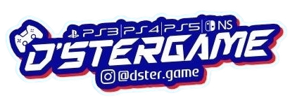

NO |  | 1
 |  | ✅ | eFootball PES 2025 New Update | ✅ | Resident Evil Revelation 2
 |  | ✅ | Gembox Patch 2026 New Update | ✅ | Sleeping Dogs
 |  | ✅ | Mortal Kombat | ✅ | Watchdogs
 |  | ✅ | Grand Theft Auto V | ✅ | Basara 3
 |  | ✅ | Grand Theft Auto San Andreas |  | Motogp18
 |  | ✅ | Grand Theft Auto San IV |  | Naruto Ultimate Ninja Storm 3
 |  | ✅ | Angry Birds |  | NBA2K18
 |  | ✅ | Call Of Dutty: BlackOps |  | Fifa Street 3
 |  | ✅ | Digimon Rumble Allstar |  | LegoBatman
 |  | ✅ | Disney Toy Story |  | Minecraft
 |  | ✅ | Fast & Furious: Showdown

NO |  | 2
 |  | ✅ | eFootball PES 2025 New update | ✅ | Resident Evil: 6 | ✅ | Grand Theft Auto: IV
 |  | ✅ | Gembox Patch 2026 New Update | ✅ | Rayman® Legends | ✅ | Grand Turismo 6
 |  | ✅ | Super Mario Bros | ✅ | Portal 2 | ✅ | Fifa Street
 |  | ✅ | MotoGP18 | ✅ | Pac-Man and the Ghostly Adventures | ✅ | F1®2014
 |  | ✅ | Grand Theft Auto: San Andreas | ✅ | Need For Speed™: Most Wanted | ✅ | Sports Championship™
 |  | ✅ | Grand Theft Auto: V | ✅ | Need For Speed™: Rivals | ✅ | Sniper Elite 3
 |  | ✅ | Attak On Titan 進撃の巨人 | ✅ | NBA2K18 | ✅ | Rio™
 |  | ✅ | WWE ALLStars | ✅ | MUD - FIM Motocross World Championship™ | ✅ | Castlevania: Lords of Shadow 2
 |  | ✅ | Top Spin 4 | ✅ | Minecraft | ✅ | CARS® 2
 |  | ✅ | The Walking Dead: Survival Instinct | ✅ | Middle-earth: Shadow of Mordor | ✅ | Call Of Duty: Advance Warfare
 |  | ✅ | Dirt 3 | ✅ | LEGO® Jurassic World | ✅ | Blur
 |  | ✅ | L.A Noire | ✅ | DmC Devil My Cry | ✅ | LEGO® Marvel Avengers
 |  | ✅ | Dynasty Warriors 8: Empires | ✅ | Disney-Pixar Brave | ✅

NO |  | 3
 |  | ✅ | eFootball PES 2026 New update | ✅ | Uncharted 4
 |  | ✅ | EA SPORTS FC™ 26 New Update | ✅ | Metal Slug XX
 |  | ✅ | Demon Slayer - Kimetsu No Yaiba | ✅ | Unravel TWO
 |  | ✅ | Upin Ipin Universe | ✅ | Grand Theft Auto: San Andreas
 |  | ✅ | Grand Theft Auto V | ✅ | Lego Marvel: Avangers
 |  | ✅ | Naruto Boruto Ultimate Ninja Storm Connections | ✅ | Sonic Superstars
 |  | ✅ | Resident Evil 4 Remake | ✅ | OverCooked 2
 |  | ✅ | Need For Speed: Heat | ✅ | Moving Out 2
 |  | ✅ | UFC 4
 |  | ✅ | It Takes Two
 |  | ✅ | MotoGP 24
 |  | ✅ | Elden Ring
 |  | ✅ | Assassins Creed: Origins

NO |  | 4
 |  | ✅ | eFootball PES 2026 New update | ✅ | Street FIghter 6
 |  | ✅ | Tekken 7 Full DLC | ✅ | It Takes Two
 |  | ✅ | EA SPORTS FC™ 26 New Update | ✅ | Paw Patrols
 |  | ✅ | Crash Team Racing : Nitrofueled | ✅ | Naruto Boruto Ultimate Ninja Storm Conection
 |  | ✅ | Unravel Two | ✅ | Marvel Siderman
 |  | ✅ | Grans Thiedt Auto V | ✅ | Dynasty Warriors: Extreme Legends
 |  | ✅ | Minecraft | ✅ | Motogp24
 |  | ✅ | NBA2K26 | ✅ | Diablo III: Reaper of Souls
 |  | ✅ | MXGP 19 | ✅ | Ghost Of Tsushima
 |  | ✅ | Stray
 |  | ✅ | Need For Speed : Heat
 |  | ✅ | Dark Souls III

NO |  | 5
 |  | ✅ | eFootball PES 2026 New update | ✅ | Red Dead Redemption: II
 |  | ✅ | EA SPORTS FC™ 26 New Update | ✅ | Uncharted Legacy of Thieves Collection
 |  | ✅ | Tekken 7 Full DLC | ✅ | Dynasty Warriors: Extreme Legends
 |  | ✅ | Grand Thieft Auto: V
 |  | ✅ | Naruto Boruto Ultimate Ninja Storm Conection
 |  | ✅ | Riders Republic
 |  | ✅ | LEGO: Jurasic World
 |  | ✅ | F1 24
 |  | ✅ | Monster Hunter: Rise
 |  | ✅ | Minecraft
 |  | ✅ | Street Fighter 6
 |  | ✅ | Crash Team Racing

NO |  | 6
 |  | ✅ | eFootball PES 2026 New update | ✅ | Red Dead Redemption: II
 |  | ✅ | EA SPORTS FC™ 26 New Update | ✅ | Dynasty Warriors: Extreme Legends
 |  | ✅ | Tekken 7 Full DLC | ✅
 |  | ✅ | Crash Team Racing | ✅
 |  | ✅ | Moto GP24 | ✅
 |  | ✅ | Need For Speed: Heat | ✅
 |  | ✅ | Ghost Of Tsushima | ✅
 |  | ✅ | Street Fighter 6 | ✅
 |  | ✅ | Call Of Duty: Ghost | ✅
 |  | ✅ | Harvest Moon | ✅
 |  | ✅ | Cities Skyline | ✅
 |  | ✅ | WWE2K23 | ✅

NO |  | 7 | Playstation 5 Bisa Main Online
 |  | ✅ | EA Sports UFC 5
 |  | ✅ | PES 21 Season Update New Transfers
 |  | ✅ | EA SPORTS FC™ 26
 |  | ✅ | NBA 2K26
 |  | ✅ | Assassins Creed: Vallhala
 |  | ✅ | Roblox
 |  | ✅ | Tekken 8

NO |  | 8
 |  | ✅ | eFootball PES 2026 New update | ✅ | Metal Slug 3
 |  | ✅ | FC 26 New Update | ✅ | WWE2K23
 |  | ✅ | Tekken 7 Full DLC | ✅ | Resident Evil 4 Remake
 |  | ✅ | NBA 2K26 | ✅ | Marvel Spiderman
 |  | ✅ | Grand ThIeft Auto: V | ✅ | Motogp24
 |  | ✅ | Crash Team Racing
 |  | ✅ | Unravel
 |  | ✅ | Harvest Moon
 |  | ✅ | Minecraft
 |  | ✅ | It Takes Two
 |  | ✅ | Naruto Boruto Ultimate Ninja Storm Conection
 |  | ✅ | Need For Speed: Heat

NO |  | 9
 |  | ✅ | eFootball PES 2026 New update | ✅ | Kimetsu no Yaiba: Hinokami Chronicles
 |  | ✅ | FC 26 New Update | ✅ | Need For Speed: Heat
 |  | ✅ | Grand ThIeft Auto: San Andreas | ✅ | The Last Of Us
 |  | ✅ | It Takes Two | ✅ | Over Cooked 2
 |  | ✅ | Resident Evil 4 Remake | ✅ | Assassins Creed III Remastered
 |  | ✅ | Naruto Boruto Ultimate Ninja Storm Conection
 |  | ✅ | Motogp24
 |  | ✅ | Resident Evil 4 Remake
 |  | ✅ | NBA 2K26'
 |  | ✅ | Over Cooked
 |  | ✅ | Minecraft
 |  | ✅ | Marvel Spiderman: Miles Morales

NO |  | 10 | Trouble

 | HAK MEMBER DSTERGAME CABANG 3 PLAYSTATION 3/4/5

 | USER DSTERGAME BERHAK MENDAPATKAN PELAYANAN TERBAIK 👑 DAN FREE WIFI✅
 | JIKA Wi-FI TIDAK DAPAT DIGUNAKAN MOHON HUBUNGI OPERATOR YANG BERJAGA✅
 | JIKA ADA KENDALA SAAT BERMAIN (BATERRY HABIS , FREZEE ,STICK EROR ,KIPAS ANGIN) MOHON HUBUNGI OPERATOR✅
 | JIKA ADA GAME YANG UPDATE/TROUBLE MOHON HUBUNGI OPERATOR✅

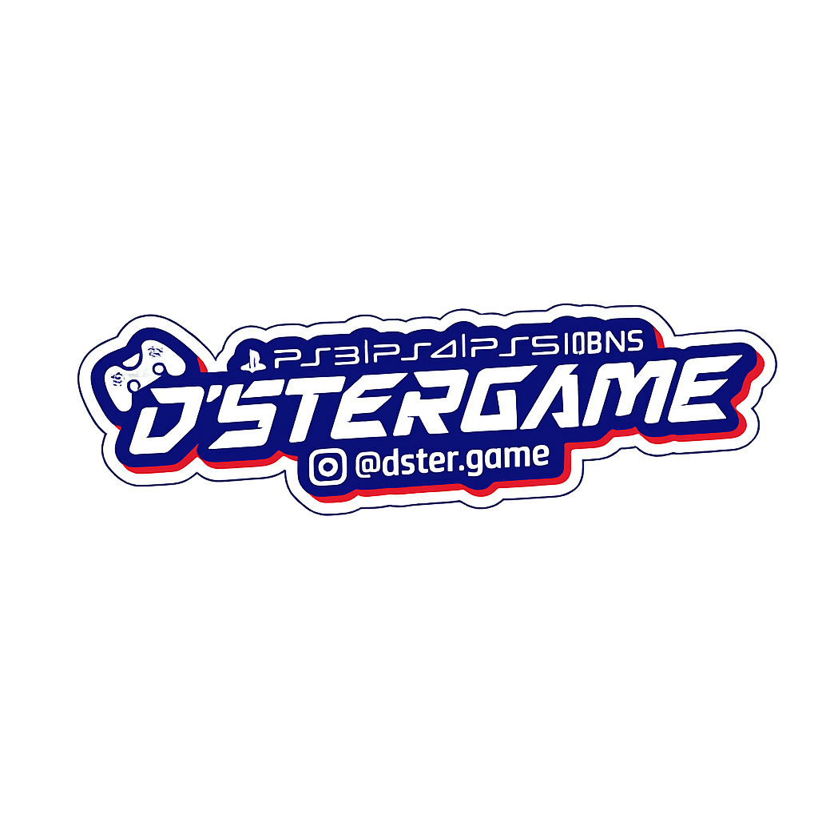

 | Last Dster Game Update: 11 Juni - 2026

