Product Roadmap Template
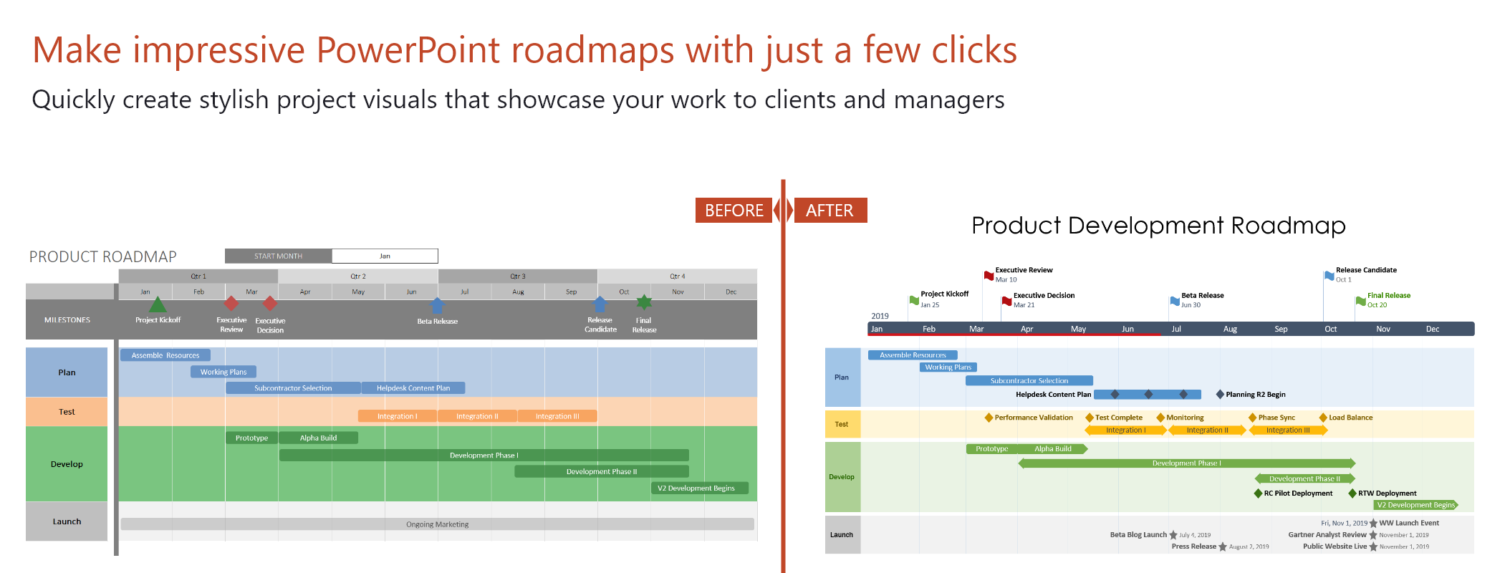
How to customize this roadmap Excel template:
1. To change the start month, click in the cell and change the date. Note that the date format is DD/MM/YYYY
2. To add a new milestone, just copy and paste an existing one. Change the shape (Format - Edit shape) or the colour (Format - Shape Fill). Place the milestone on the timeband where you need it.
3. Do the same for new project tasks. Drag them by the edges to make them longer or shorter.
4. To add a new swimlane, insert new rows and then copy and paste an existing swimlane. Change the color (select cell - right click - Format Cells - Fill).
5. To delete a swimlane, select the respective rows and delete them.
PROJECT ROADMAP |  | START MONTH |  | 2020-04-05

Project Kickoff
Final Release
 | Qtr 1 |  | Qtr 2 |  | Qtr 3 | Qtr 4
 | 2020-04-05 |  | May |  | Jun | Aug
MILESTONES

Work Plan
Plan
Module Allocation

Test Case
Test
Test Scenario

Data Collection
Literature Survey
LDA
LIWC
MySQL Database
Alert Moderator (Mail)
Feature Extraction (Gender Module)
Develop
Data Cleansing
Data Labelling
SVM (Grooming Detection)
Feature Extraction (Age Module)
Deep Neural Networks (Age Detection)
Naive Bayes (Gender Detection)
Data Preprocessing
Chatroom (Local IP)
Integrating Modules
Documentation
Launch
To be started

