Assignments
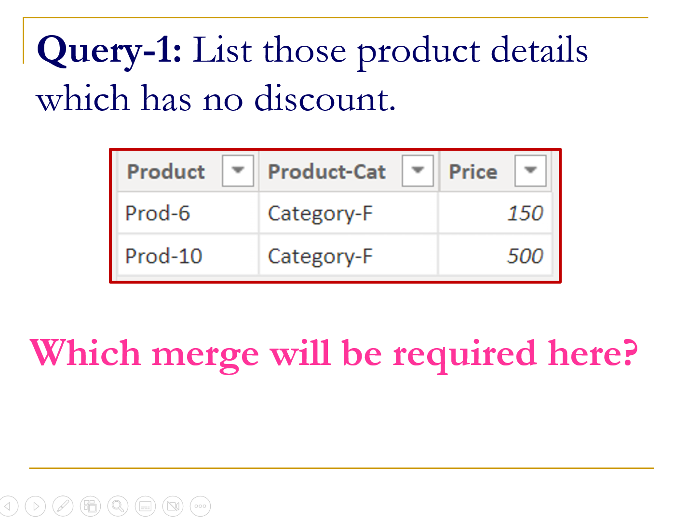
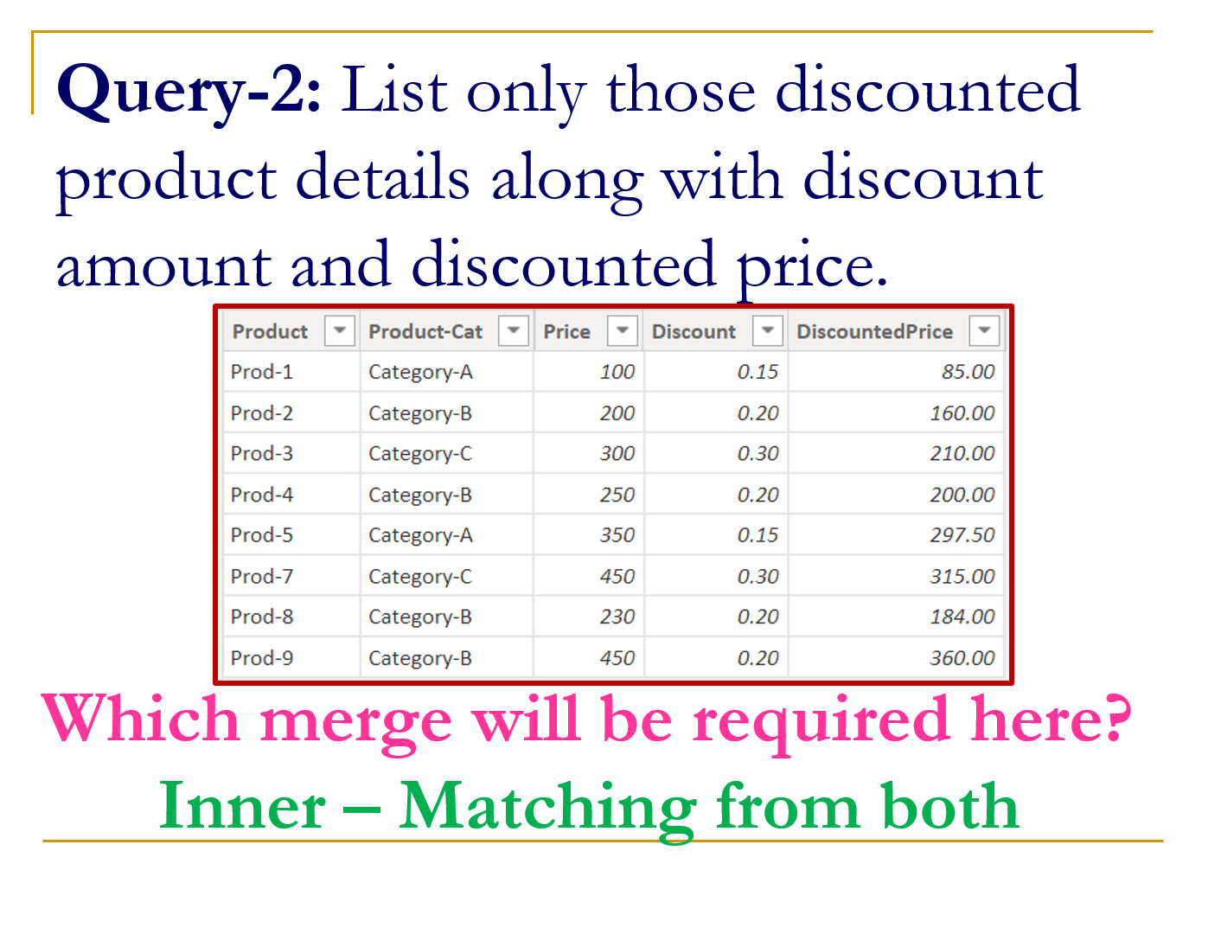
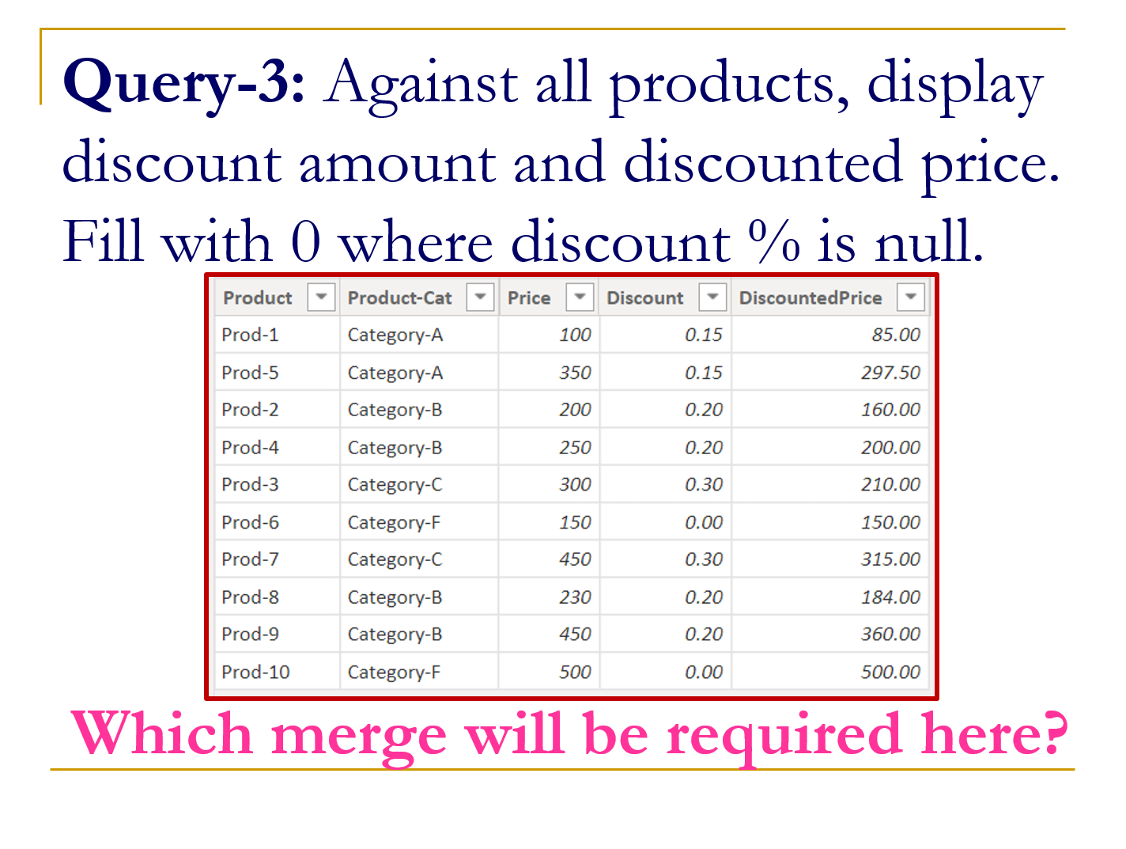

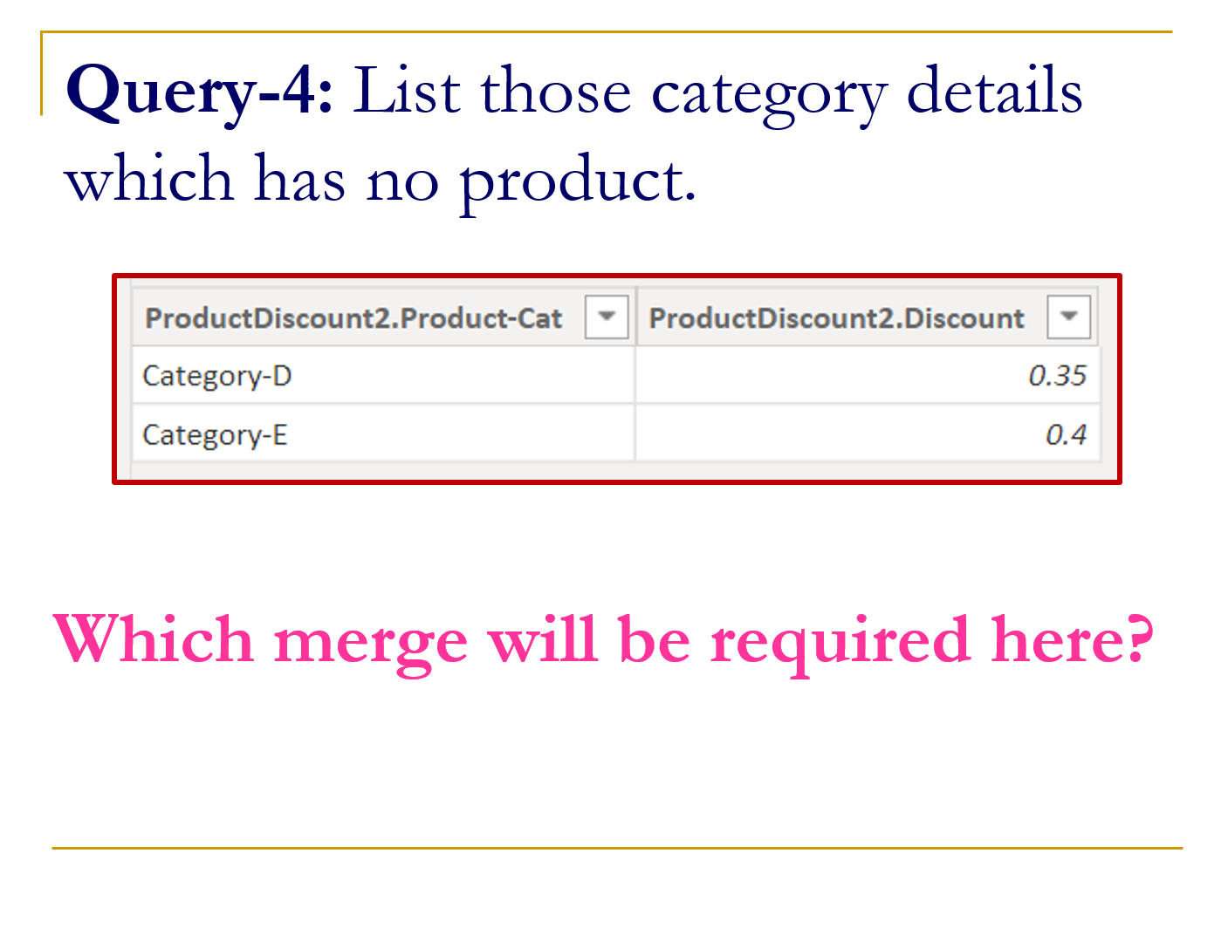
Service | GST%
Newspaper Printing | 5%
Building Construction | 12%
IT Services | 18%
AC 5-Star Hotel | 28%

