Sheet1
List Alat Ukur yang dikalibrasi dan di perbaiki tahun 2025
TOOL UPKT
No | Nama Barang | Merek | Model | No Seri | Barcode | Keperluan | Bidang | Foto | Ket
1 | Hart Communicator | EMERSON | AMS-TREX Plus communication module | S/N 230200029061 |  | Kalibrasi | Konin | 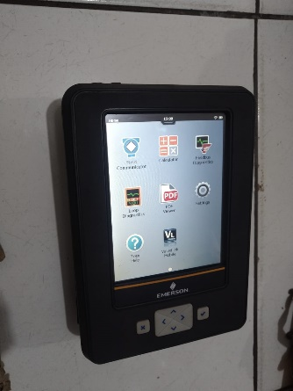 | Aksesories : Power Supply Model PA65PD-1504000 02 P/N : TREX-0003-0003 bag TREX
2 | Temperature Calibrator | AMATEK | JOFRA CTC-600A RS232 | S/N 642806-02467 |  | Kalibrasi | Konin | 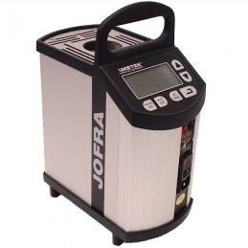 | aksesories : kabel power, kabel data, Heat Shield
3 | Digital Pressure Gauge | Druck DPI 104 | LE6 0FH 10000psi | S/N 5290847 |  | Kalibrasi | Konin | 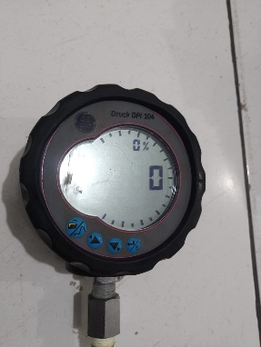 | Non battery
4 | Multimeter | FLUKE | 287 TRUE RMS MULTIMETER | 38570136 | U-LAB/K/2022/033 | Kalibrasi | konin | 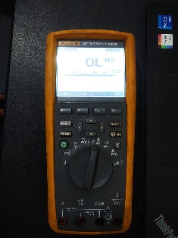 | Non battery
5 | Multimeter | FLUKE | 15B+ DIGITAL MULTIMETER | 56330053WS |  | Kalibrasi | konin |  | Non battery
6 | Multimeter | FLUKE | 287 TRUE RMS MULTIMETER | 51783968MV |  | Kalibrasi | konin |  | Non battery
7 | Pressure Calibrator | FLUKE | 718 300G Pressure Calibrator Range : -12 to 300 PSI max : 375 PSI 2.6 Mpa | 3504178 | U-LAB/T/2023/033 | Kalibrasi | Konin |  | Non battery
8 | Thermometer | FLUKE | 568 IR | 43300335WS | U-LAB/S/2022/008 | Kalibrasi | Konin |  | Non battery
9 | Hand Cakibrator | YOKOGAWA | CA71 Handy CAL | HKZ1EA021 |  | Kalibrasi | Konin |  | Non battery
10 | Tang Ampere | KYORITSU |  | 987092 |  | Kalibrasi | Listrik |  | Pengukuran arus error
11 | Tang Ampere | KYORITSU |  | 1152644 |  | Kalibrasi | Listrik |  | Pengukuran tegangan error
12 | Tang Ampere | FLUKE |  |  |  | Kalibrasi | Listrik |  | Pengukuran arus dan tegangan error
13 | Vibrasi Meter | SIDWAY |  |  |  | Kalibrasi | Listrik |  | Jadwal Kalibrasi
14 | Multimeter | FLUKE |  | 16490034 |  | Kalibrasi | Listrik |  | Jadwal Kalibrasi
15 | Winding Resistance | Megger |  | 0122 0521 |  | Kalibrasi | Listrik | 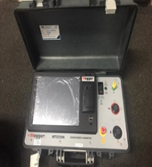 | Jadwal Kalibrasi
16 | Phase Sequence Meter | KYORITSU |  | 8232249 |  | Kalibrasi | Listrik |  | Jadwal Kalibrasi
17 | Portable Battery Analyzer | IBEX |  | 7080569 |  | Kalibrasi | Listrik |  | Charger Rusak, Battery low, Jadwal Kalibrsi
18 | Vibration analyzer | Emerson | CSI 2140 | B21401172574 |  | Kalibrasi | CBM |  | Jadwal Kalibrasi
19 | Thermal Imager | Fluke | TIX 660 | 1595260 |  | Kalibrasi | CBM |  | Jadwal Kalibrasi
20 | MCA | Megger | Baker EXP4000 | 303009090821 |  | Kalibrasi | CBM |  | Jadwal Kalibrasi

