Summary
CUSTOMER SPENDING REPORT – RAUSHBYTE TECHNOLOGIES
Data Analytics Internship | Task 3 | Dataset: customer_analytics_dataset.xlsx | Records: 8,000

Total Customers |  | Total Revenue |  | Avg Spending |  | Max Spending |  | Avg Purchases

🏆 TOP 10 HIGHEST SPENDING CUSTOMERS
Rank | Customer ID | Customer Name | City | Type | Purchase Count | Total Spending | Satisfaction Score
1 | CUST04829 | Natalie Krueger | Emilyland | Returning | 9 | ₹499,950 | 4
2 | CUST05582 | Clayton Clark | Rachelland | New | 11 | ₹499,932 | 3
3 | CUST06796 | Keith Pierce | Phillipsborough | New | 14 | ₹499,912 | 10
4 | CUST04156 | Rachel Parker | Russellton | Premium | 47 | ₹499,905 | 7
5 | CUST00836 | Louis Hurst | Lake Sherylstad | Premium | 28 | ₹499,893 | 9
6 | CUST03102 | Dawn Hodges | Tamarastad | Returning | 28 | ₹499,851 | 9
7 | CUST00308 | Jerry Miller | Jenniferbury | Premium | 35 | ₹499,825 | 8
8 | CUST07825 | Elizabeth Bridges | Pattersonmouth | Returning | 26 | ₹499,792 | 10
9 | CUST04882 | Deborah Howe | West Brianchester | New | 3 | ₹499,688 | 7
10 | CUST03193 | Monica Liu | Gonzalezland | Returning | 18 | ₹499,643 | 3

💰 AVERAGE SPENDING BY CUSTOMER TYPE
Customer Type | Avg Spending | Avg Purchases | Avg Satisfaction | Count
New
Premium
Returning

👥 AGE-GROUP SPENDING ANALYSIS
Age Group | Customers | Avg Spending | Total Spending | Avg Purchases | Avg Satisfaction | % of Total
18–24 | 1245 | ₹255,099 | ₹317,597,965 | 24.8 | 5.50 | 15.6%
25–34 | 1839 | ₹249,142 | ₹458,172,328 | 25.7 | 5.49 | 23.0%
35–44 | 1906 | ₹254,526 | ₹485,126,528 | 25.9 | 5.42 | 23.8%
45–54 | 1884 | ₹247,529 | ₹466,344,450 | 25.1 | 5.54 | 23.6%
55–64 | 1126 | ₹249,823 | ₹281,300,136 | 25.1 | 5.67 | 14.1%

🏅 SPENDING TIER SEGMENTATION
Tier | Customers | % of Total | Cumulative %
Budget (<₹1L) | 1529 | 19.1% | 19.1%
Mid-Range (₹1L–2.5L) | 2468 | 30.9% | 50.0%
High (₹2.5L–4L) | 2414 | 30.2% | 80.1%
Top Tier (>₹4L) | 1589 | 19.9% | 100.0%

Avg Spending by Customer Type

Avg Spending by Age Group

Charts
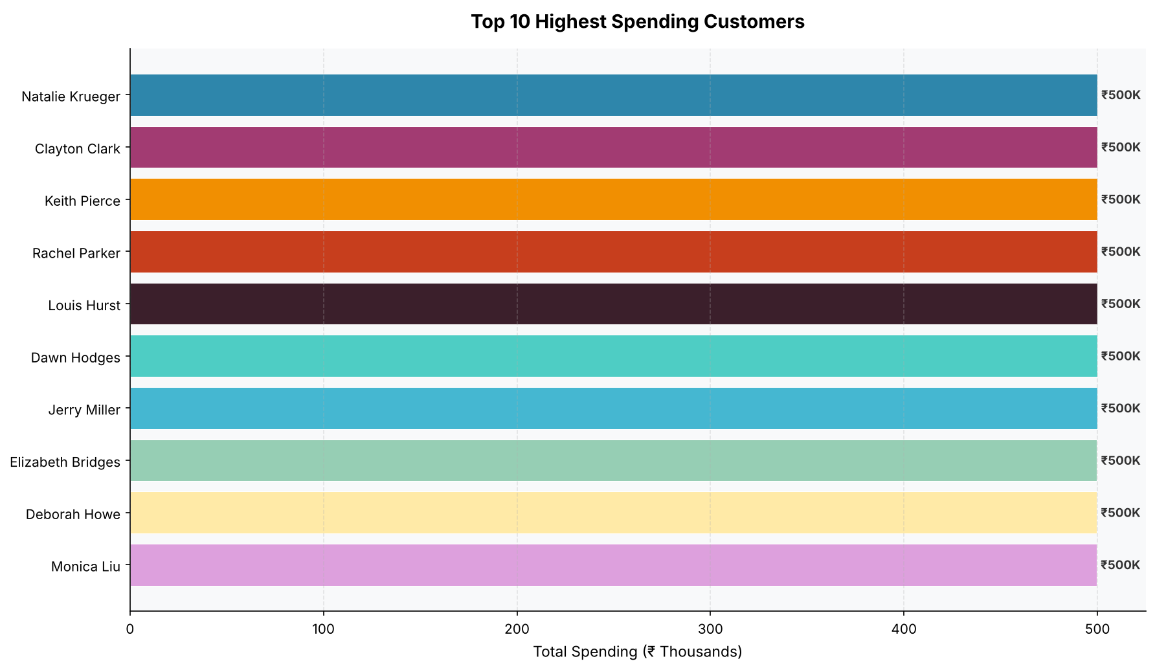
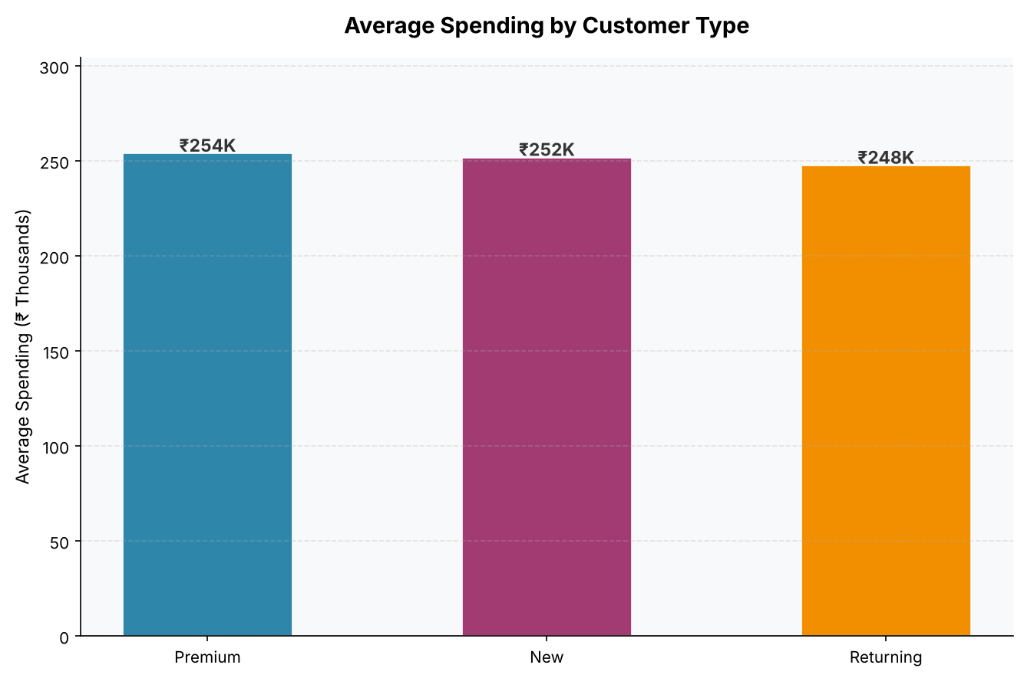
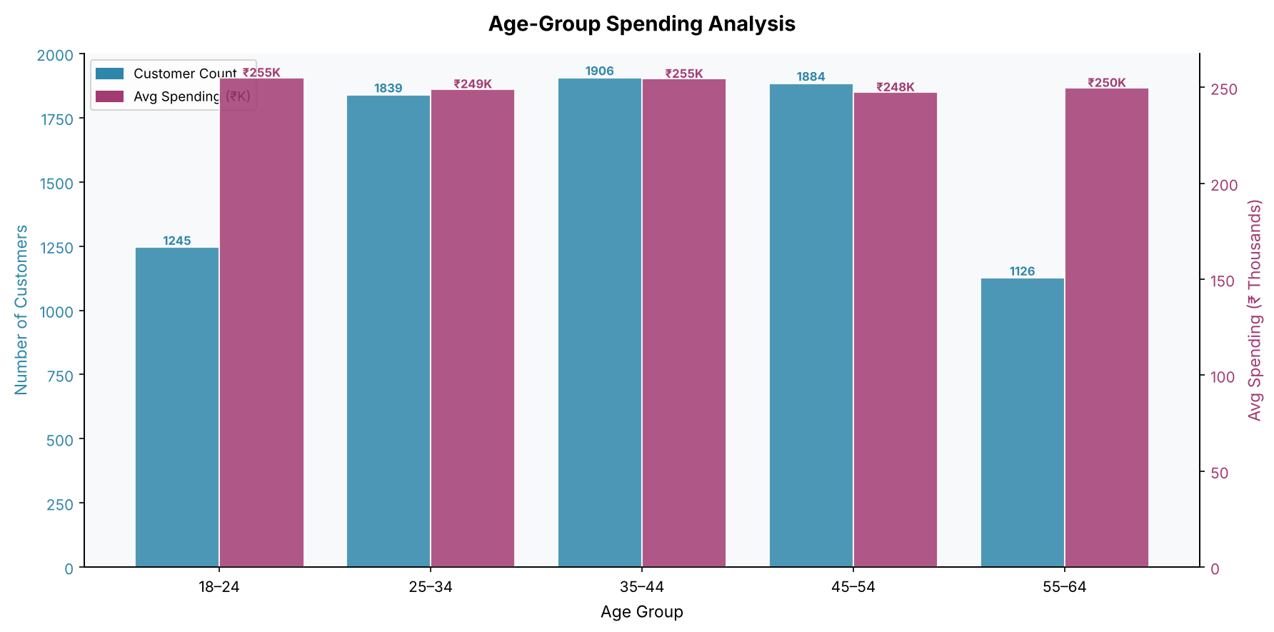
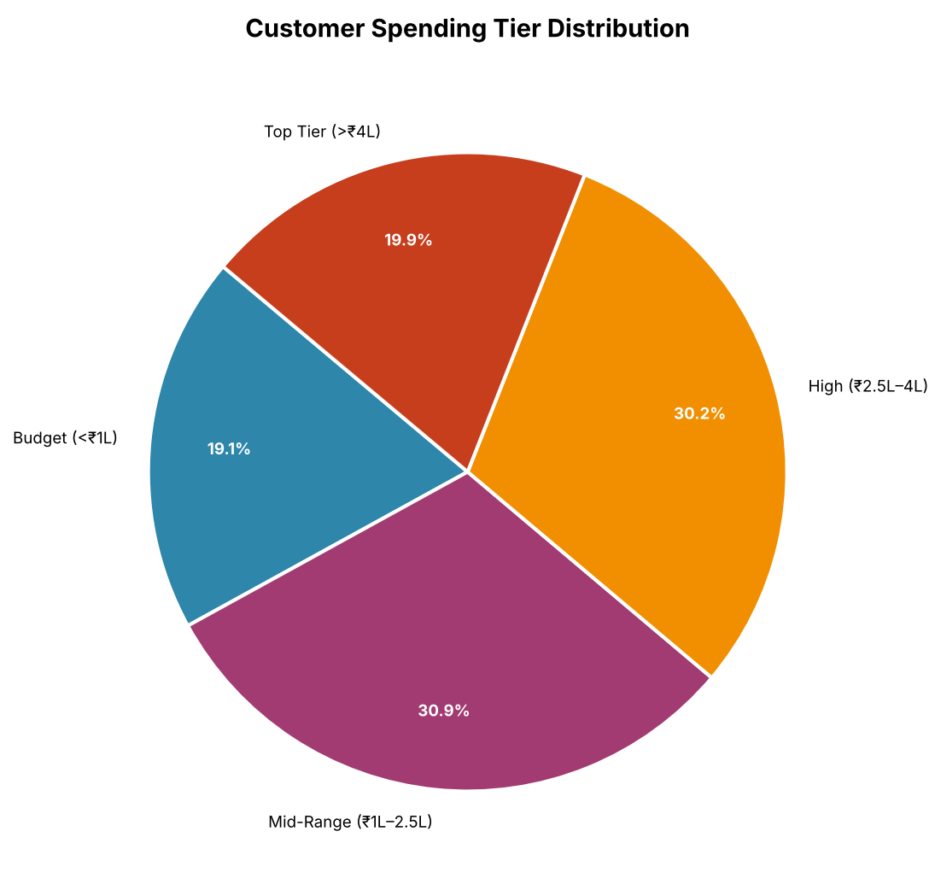
CUSTOMER SPENDING REPORT – CHARTS DASHBOARD

