Description
section height | mm | H
section width | mm | B
# legs transv. steel x_dir |  | ncx
# legs transv. steel y_dir |  | ncy
cover to longitudinal bars | mm | clb
member clear length |  | L
single or double |  | bending
biaxial or uniaxial |  | ductilitymode
see Fig 1 |  | MLR
diameter of transverse reinf. | mm | Dh
Fig. 1
spacing of transverse steel | mm | s
axial load kN (-) tension (+)compression | kN | P
average clear distance between longitudinal bars properly restrained (see Fig 2) | mm | wi
concrete compressive strength | Mpa | fpc
long steel yielding stress | Mpa | fy
transverse steel yielding stress | Mpa | fyh
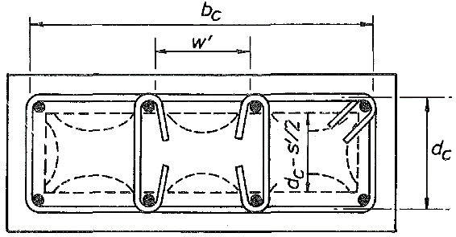
steel modulus of elasticity | Mpa | Es
concrete modulus of elasticity (input 0 for automatic calculation using 4700(fpc)^0.5) | Mpa | Ec
steel max stress | Mpa | fsu
steel strain for strain hardening (usually 0.008) |  | esh
long. steel maximum strain (usually 0.12-0.15) |  | esu
Fig. 2
max transv. steel strain < 0.06 |  | esm

