Metadata and ERD
Table Name | Column Name | Data Type | Description
movies_table | movie_id | INT / VARCHAR | Unique identifier for each movie
 | movie_name | TEXT | Name of the movie
 | country | TEXT | Country where the movie was produced
 | language | TEXT | Language of the movie
 | is_adult | BOOLEAN | Whether the movie is adult content
 | duration_in_mins | INT | Runtime duration in minutes
 | year | YEAR / INT | Year of release
 | date_published | DATE | Exact date of publication
 | production_company | TEXT | Name of the production company
 | gross_income_usd | BIGINT | Gross income earned by movie (in USD)
 | description | TEXT | Short description of the movie
names_table | name_id | INT / VARCHAR | Unique identifier for each person
 | name | TEXT | Name of the person
 | birth_year | YEAR / INT | Year of birth
 | death_year | YEAR / INT | Year of death (NULL if alive)
 | profession | TEXT / SET | Profession(s) like actor, director etc.
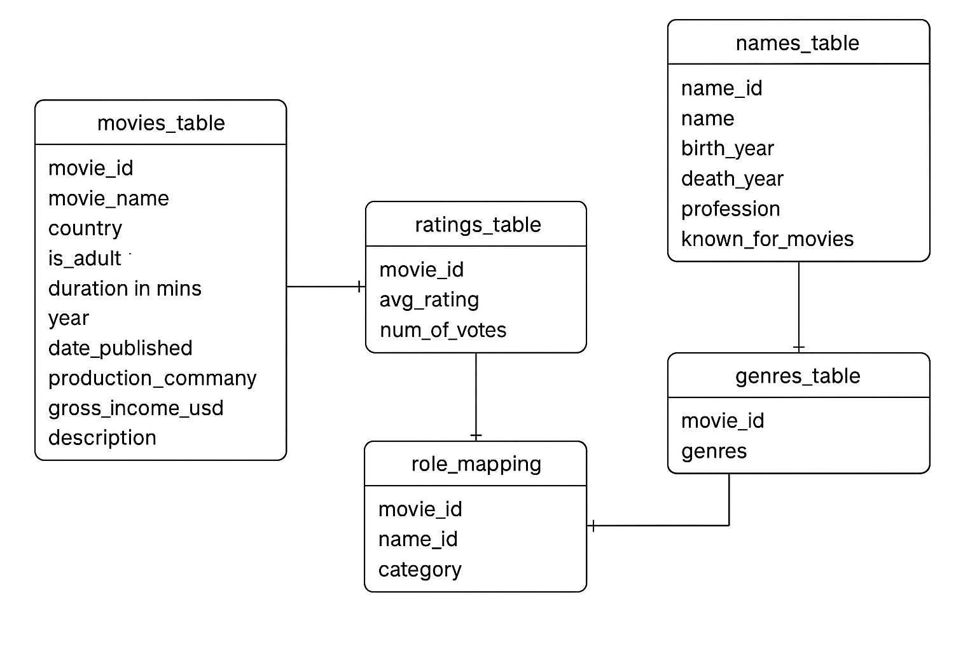
 | known_for_movies | TEXT / SET | Comma-separated movie_ids the person is known for
ratings_table | movie_id | INT / VARCHAR | Foreign Key to movies_table
 | avg_rating | DECIMAL(2,1) | Average rating of the movie
 | num_of_votes | INT | Number of people who voted
genres_table | movie_id | INT / VARCHAR | Foreign Key to movies_table
 | genres | TEXT / SET | Comma-separated list of genres
role_mapping | movie_id | INT / VARCHAR | Foreign Key to movies_table
 | name_id | INT / VARCHAR | Foreign Key to names_table
 | category | TEXT | Role played (e.g., actor, director, writer, etc.)

Entity Relationship Diagram (Text View)

movies_table.movie_id --> ratings_table.movie_id
movies_table.movie_id --> genres_table.movie_id
movies_table.movie_id --> role_mapping.movie_id
names_table.name_id --> role_mapping.name_id

