Execution Doc
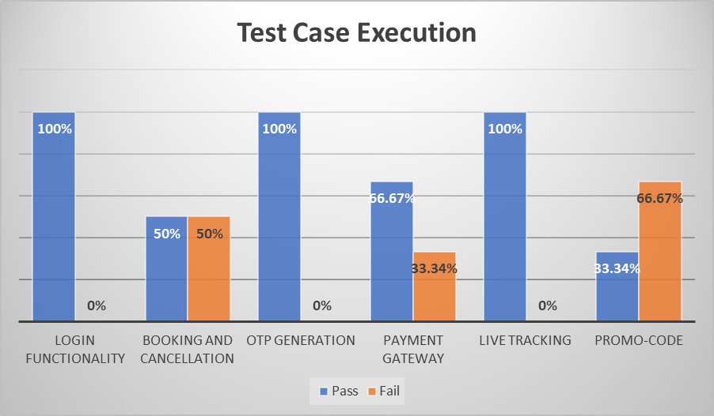
Test Case Execution Document

Module | Status | % Pass | Defect
Login Functionality
1.Login with valid credentials | Pass | 100% | 0
2.Login with invalid credentials | Pass |  | 0
3.Login with empty fields | Pass |  | 0
Booking and Cancellation
1.Selection of Pickup and Destination | Pass | 50% | 0
2.Booking for 'ride now' | Fail |  | 2
3.Booking for 'ride later' | Pass |  | 0
4.Cancellation of booked ride | Fail |  | 1
OTP Generation
1.OTP for login | Pass | 100% | 0
2.OTP after booking the ride | Pass |  | 0
Payment Gateway
1.Check payment with valid details | Pass | 66.67% | 0
2.Check payment with invalid details | Fail |  | 1
3.Check fair price details | Pass |  | 0
Live Tracking
1.Live Status of booked ride | Pass | 100% | 0
Promo-code
1.Check for valid coupon code | Pass | 33.34% | 0
2.Check single application of coupon | Fail |  | 1
3.Check multiple coupon concurrently | Fail |  | 2

