CMLF_March 31, 2026
Capitalmind Mutual Fund
SCHEME NAME : | Capitalmind Liquid Fund (An open-ended Liquid scheme. A relatively low-interest rate risk and relatively low credit risk fund)
INCEPTION DATE : | November 28, 2025
MONTHLY PORTFOLIO STATEMENT AS ON : | March 31, 2026

Name of the Instrument / Issuer | ISIN | Rating | Quantity | Market value (Rs. in Lakhs) | % to NAV | YTM% | YTC%*
Debt Instruments
(a) Listed / awaiting listing on Stock Exchange
7.8% REC Limited (30/05/2026) | INE020B08ES7 | ICRA AAA | 1,000 | 998.59 | 8.20% | 8.15%
8.1% Bajaj Finance Limited (22/05/2026) ** | INE296A07TA3 | CRISIL AAA | 700 | 699.17 | 5.74% | 8.38%
6.59% Summit Digitel Infrastructure Limited (16/06/2026) ** | INE507T07062 | CRISIL AAA | 65 | 648.63 | 5.33% | 7.85%
7.6% IndiGrid Infrastructure Trust (06/05/2026) ** | INE219X07207 | CRISIL AAA | 62,972 | 628.92 | 5.17% | 8.35%
Sub Total |  |  |  | 2,975.31 | 24.44%
(b) Privately placed / Unlisted |  |  |  | NIL | NIL
Sub Total |  |  |  | NIL | NIL
Total |  |  |  | 2,975.31 | 24.44%
Money Market Instruments
Certificate of Deposit
Indian Bank (05/06/2026) ** # | INE562A16PZ4 | CRISIL A1+ | 232 | 1,144.97 | 9.41% | 7.37%
Bank of Baroda (05/06/2026) # | INE028A16KR4 | CARE A1+ | 140 | 690.96 | 5.68% | 7.35%
Union Bank of India (26/05/2026) ** # | INE692A16KG0 | ICRA A1+ | 100 | 494.11 | 4.06% | 7.90%
HDFC Bank Limited (12/06/2026) # | INE040A16HP9 | CRISIL A1+ | 75 | 369.67 | 3.04% | 7.32%
Export Import Bank of India (11/06/2026) ** # | INE514E16CM3 | CRISIL A1+ | 40 | 197.18 | 1.62% | 7.35%
Sub Total |  |  |  | 2,896.89 | 23.81%
Commercial Paper
HSBC InvestDirect Financial Services (India) Limited (08/06/2026) ** | INE790I14GZ8 | CRISIL A1+ | 140 | 689.77 | 5.67% | 7.96%
Embassy Office Parks REIT (16/06/2026) ** | INE041014072 | CRISIL A1+ | 140 | 689.09 | 5.66% | 7.60%
ICICI Home Finance Company Limited (12/05/2026) ** | INE071G14HK7 | ICRA A1+ | 100 | 495.49 | 4.07% | 8.09%
Aditya Birla Real Estate Limited (12/05/2026) ** | INE055A14KL5 | CRISIL A1+ | 100 | 495.18 | 4.07% | 8.67%
Sharekhan Limited (10/06/2026) ** | INE211H14AO4 | CRISIL A1+ | 100 | 492.29 | 4.04% | 8.16%
Kotak Securities Limited (27/05/2026) ** | INE028E14VE6 | CRISIL A1+ | 90 | 444.29 | 3.65% | 8.38%
Sub Total |  |  |  | 3,306.11 | 27.16%
Treasury Bill
182 Days Tbill (MD 28/05/2026) | IN002025Y354 | Sovereign | 1,000,000 | 991.83 | 8.15% | 5.28%
91 Days Tbill (MD 28/05/2026) | IN002025X471 | Sovereign | 1,000,000 | 991.83 | 8.15% | 5.28%
364 Days Tbill (MD 01/05/2026) | IN002025Z054 | Sovereign | 630,000 | 627.30 | 5.15% | 5.25%
Sub Total |  |  |  | 2,610.96 | 21.45%
Total |  |  |  | 8,813.96 | 72.42%
Others
Corporate Debt Market Development Fund
Corporate Debt Market Development Fund # | INF0RQ622028 |  | 107 | 12.51 | 0.10%
Sub Total |  |  |  | 12.51 | 0.10%
Total |  |  |  | 12.51 | 0.10%
Reverse Repo / TREPS
Clearing Corporation of India Ltd |  |  |  | 178.97 | 1.47% | 5.49%
Sub Total |  |  |  | 178.97 | 1.47%
(b) Privately placed / Unlisted |  |  |  | NIL | NIL
Sub Total |  |  |  | NIL | NIL
Total |  |  |  | 178.97 | 1.47%
Net Receivables / (Payables) |  |  |  | 191.73 | 1.57%
GRAND TOTAL |  |  |  | 12,172.48 | 100.00%

Notes & Symbols :-
** Thinly Traded Securities/Non Traded Securities
# Unlisted Security
**# Both Thinly Traded Securities/Non Traded Securities and Unlisted securities
* YTC represents Yield to Call. It is disclosed for Perpetual Bond issued by Banks (i.e. AT-1 Bond / Tier 1 Bond / Tier 2 Bond), as per AMFI Best Practices Guidelines Circular no. 91/2020-21 dated March 24, 2021 on Valuation of AT-1 Bonds

NAV History:
Option / Plan | NAV Rs. per unit as on March 31, 2026$ | NAV Rs. per unit as on February 28, 2026*
Capitalmind Liquid Fund - Direct Plan - Growth Option | 1021.8536 | 1016.6063
Capitalmind Liquid Fund - Regular Plan - Growth Option | 1021.1592 | 1016.0880
^Inception date of the Scheme is November 28, 2025.
$ Data as on Monthly disclosure date i.e. March 31, 2026
* Data as on last Monthly disclosure date of the month i.e. February 28, 2026

Lumpsum Investment Performance*
 | Scheme |  | Benchmark Index | Value of Investment of Rs. 10,000/-
Time Period | Capitalmind Liquid Fund (Direct Plan) | Capitalmind Liquid Fund (Regular Plan) | Nifty Liquid Index A-I (TRI) | Capitalmind Liquid Fund (Direct Plan) | Capitalmind Liquid Fund (Regular Plan) | Nifty Liquid Index A-I (TRI)
Last 1 Year | N.A | N.A | N.A | N.A | N.A | N.A | N.A
Last 3 Years | N.A | N.A | N.A | N.A | N.A | N.A | N.A
Last 5 Years | N.A | N.A | N.A | N.A | N.A | N.A | N.A
Last 10 Years | N.A | N.A | N.A | N.A | N.A | N.A | N.A
Since Inception^ | N.A | N.A | N.A | N.A | N.A | N.A | N.A
* Not applicable as the scheme has not completed 1 year (5.9.1 of Master Circular for Mutual Funds dated 27 June 2024)
^ Inception date of the scheme is 28th Nov 2025. However, 1st Dec 2025 is considered here since the first NAV of the scheme was published on 1st Dec 2025.

Total number of instances of deviation in valuation of securities of the scheme from the valuation price given by the valuation agencies during the period are: Nil
Investment in Repo in Corporate Debt Securities during the month ended March 31, 2026 : Nil
Debt instruments having structured obligations or credit enhancement features (if any) have been denoted with suffix as (SO) or (CE) respectively against the ratings of the instrument : Nil
Investment in Partly paid Bonds / NCD's : Nil
Securities below investment grade or in default beyond its maturity date : Nil
The total market value of investments in foreign securities / American Depositary Receipts / Global Depositary Receipts as on March 31, 2026 : Nil
Investments in Credit Default Swap (CDS) during the month/as on March 31, 2026: Nil
Funds parked in short term deposit(s) during the period / as on March 31, 2026: Nil
Total investments in Foreign Securities / Overseas ETFs as at March 31, 2026 and its percentage to NAV : Nil
Average Maturity of the Portfolio : 58 days
Macaulay Duration of the Portfolio: 58 days
Modified Duration of the Portfolio: 57 days
YTM of the Portfolio : 7.31%

Potential Risk Class ("PRC") Matrix of the Scheme
Credit Risk → Interest Rate Risk ↓ | Relatively Low (Class A) | Moderate (Class B) | Relatively High (Class C)
Relatively Low (Class I) | A-I
Moderate (Class II)
Relatively High (Class III)
A-I – A Scheme with Relatively Low-Interest Rate Risk and Relatively Low Credit Risk

Product Labelling: #

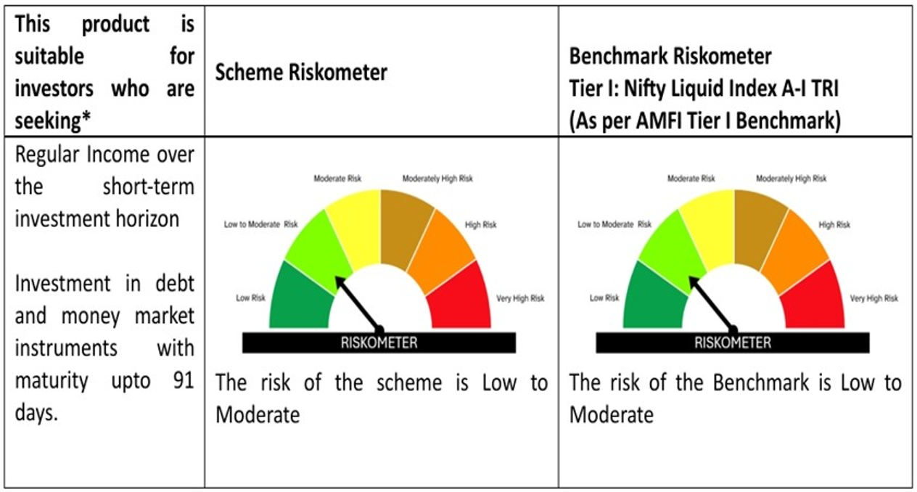

# Please note that the above risk-o-meter is as per the product labelling of the scheme available as on the date of this communication/ disclosure. As Para 17.4 of SEBI Master Circular dated June 24, 2024 on product labelling (as amended from time to time), risk-o-meter will be calculated on a monthly basis based on the risk value of the scheme portfolio based on the methodology specified by SEBI in the above stated circular. The AMC shall disclose the risk-o-meter along with portfolio disclosure for all their schemes on their respective website and on AMFI website within 10 days from the close of each month. Any change in risk-o-meter shall be communicated by way of Notice cum Addendum and by way of an e-mail or SMS to unitholders of that particular scheme.

