CMMAAF_March
Capitalmind Mutual Fund
SCHEME NAME : | Capitalmind Multi Asset Allocation Fund (An open-ended scheme investing in equity and equity related instruments, debt and money market instruments, Commodities including Exchange Traded Commodity Derivatives)
INCEPTION DATE : | March 16, 2026
MONTHLY PORTFOLIO STATEMENT AS ON : | March 31, 2026

Name of the Instrument / Issuer | ISIN | Rating / Industry^ | Quantity | Market value (Rs. in Lakhs) | % to NAV | YTM% | YTC%*
Equity & Equity related
(a) Listed / awaiting listing on Stock Exchanges
Coal India Limited | INE522F01014 | Consumable Fuels | 11,370 | 51.22 | 2.78%
Oil & Natural Gas Corporation Limited | INE213A01029 | Oil | 17,947 | 51.09 | 2.78%
Infosys Limited | INE009A01021 | IT - Software | 3,985 | 49.84 | 2.71%
HCL Technologies Limited | INE860A01027 | IT - Software | 3,708 | 49.75 | 2.70%
Torrent Pharmaceuticals Limited | INE685A01028 | Pharmaceuticals & Biotechnology | 988 | 41.70 | 2.27%
NMDC Limited | INE584A01023 | Minerals & Mining | 54,623 | 41.66 | 2.26%
NTPC Limited | INE733E01010 | Power | 11,225 | 41.61 | 2.26%
Sun Pharmaceutical Industries Limited | INE044A01036 | Pharmaceuticals & Biotechnology | 2,351 | 41.31 | 2.24%
Dr. Reddy's Laboratories Limited | INE089A01031 | Pharmaceuticals & Biotechnology | 3,290 | 41.29 | 2.24%
Zydus Lifesciences Limited | INE010B01027 | Pharmaceuticals & Biotechnology | 4,702 | 40.96 | 2.23%
Power Finance Corporation Limited | INE134E01011 | Finance | 10,648 | 40.41 | 2.20%
Britannia Industries Limited | INE216A01030 | Food Products | 563 | 30.53 | 1.66%
Petronet LNG Limited | INE347G01014 | Gas | 10,968 | 27.25 | 1.48%
Hyundai Motor India Ltd | INE0V6F01027 | Automobiles | 1,199 | 21.32 | 1.16%
Tata Motors Passenger Vehicles Limited | INE155A01022 | Automobiles | 7,100 | 21.03 | 1.14%
Marico Limited | INE196A01026 | Agricultural Food & other Products | 2,630 | 19.36 | 1.05%
Vedanta Limited | INE205A01025 | Diversified Metals | 2,321 | 15.20 | 0.83%
Bajaj Auto Limited | INE917I01010 | Automobiles | 170 | 14.93 | 0.81%
Hero MotoCorp Limited | INE158A01026 | Automobiles | 288 | 14.58 | 0.79%
Indus Towers Limited | INE121J01017 | Telecom - Services | 2,664 | 11.14 | 0.61%
State Bank of India | INE062A01020 | Banks | 1,098 | 10.75 | 0.58%
Union Bank of India | INE692A01016 | Banks | 6,451 | 10.59 | 0.58%
Axis Bank Limited | INE238A01034 | Banks | 566 | 6.57 | 0.36%
Canara Bank | INE476A01022 | Banks | 2,013 | 2.49 | 0.14%
Bank of Baroda | INE028A01039 | Banks | 967 | 2.39 | 0.13%
Sub Total |  |  |  | 698.97 | 37.99%
(b) Unlisted |  |  |  | NIL | NIL
Sub Total |  |  |  | NIL | NIL
Total |  |  |  | 698.97 | 37.99%
Derivatives
FUTCOM_ALUMINI_29/05/2026 |  | Others | 20,000 | 70.63 | 3.84%
FUTCOM_ALUMINI_30/04/2026 |  | Others | 1,000 | 3.51 | 0.19%
FUTCOM_CRUDEOILM_18/06/2026 |  | Others | 280 | 23.69 | 1.29%
FUTCOM_CRUDEOILM_20/07/2026 |  | Others | 140 | 11.60 | 0.63%
Total |  |  |  | 109.43 | 5.95%
Debt Instruments
(a) Listed / awaiting listing on Stock Exchange
7.8% REC Limited (30/05/2026) | INE020B08ES7 | ICRA AAA | 100 | 99.86 | 5.43% | 8.15%
6.59% Summit Digitel Infrastructure Limited (16/06/2026) ** | INE507T07062 | CRISIL AAA | 5 | 49.89 | 2.71% | 7.85%
Sub Total |  |  |  | 149.75 | 8.14%
(b) Privately placed / Unlisted |  |  |  | NIL | NIL
Sub Total |  |  |  | NIL | NIL
Total |  |  |  | 149.75 | 8.14%
Money Market Instruments
Certificate of Deposit
Indian Bank (05/06/2026) ** # | INE562A16PZ4 | CRISIL A1+ | 28 | 138.19 | 7.51% | 7.37%
HDFC Bank Limited (12/06/2026) # | INE040A16HP9 | CRISIL A1+ | 25 | 123.22 | 6.70% | 7.32%
Sub Total |  |  |  | 261.41 | 14.21%
Commercial Paper
Kotak Securities Limited (27/05/2026) ** | INE028E14VE6 | CRISIL A1+ | 10 | 49.37 | 2.68% | 8.38%
Sub Total |  |  |  | 49.37 | 2.68%
Treasury Bill
182 Days Tbill (MD 11/06/2026) | IN002025Y370 | Sovereign | 50,000 | 49.48 | 2.69% | 5.39%
Sub Total |  |  |  | 49.48 | 2.69%
Total |  |  |  | 360.26 | 19.58%
Others
Exchange Traded Funds
Nippon India ETF Gold Bees | INF204KB17I5 |  | 100,440 | 121.72 | 6.61%
Sub Total |  |  |  | 121.72 | 6.61%
Mutual Fund Units
Capitalmind Liquid Fund - Direct-Growth | INF226401034 |  | 9798.304 | 100.12 | 5.44%
Sub Total |  |  |  | 100.12 | 5.44%
Total |  |  |  | 221.84 | 12.05%
Reverse Repo / TREPS
Clearing Corporation of India Ltd |  |  |  | 236.96 | 12.88% | 5.49%
Sub Total |  |  |  | 236.96 | 12.88%
(b) Privately placed / Unlisted |  |  |  | NIL | NIL
Sub Total |  |  |  | NIL | NIL
Total |  |  |  | 236.96 | 12.88%
Net Receivables / (Payables) |  |  |  | 63.09 | 3.41%
GRAND TOTAL |  |  |  | 1840.30 | 100%

Notes & Symbols :-
** Thinly Traded Securities/Non Traded Securities
# Unlisted Security
**# Both Thinly Traded Securities/Non Traded Securities and Unlisted securities
^ -> Industry classification as recommended by AMFI and wherever not available, internal classification has been used.
* YTC represents Yield to Call. It is disclosed for Perpetual Bond issued by Banks (i.e. AT-1 Bond / Tier 1 Bond / Tier 2 Bond), as per AMFI Best Practices Guidelines Circular no. 91/2020-21 dated March 24, 2021 on Valuation of AT-1 Bonds and Tier 2 Bonds.

NAV History:
Option / Plan | NAV Rs. per unit as on February 27, 2026$ | NAV Rs. per unit as on March 31, 2026*
Capitalmind Multi Asset Allocation Fund-Direct-Growth Option | NA | 9.9583
Capitalmind Multi Asset Allocation Fund-Direct-IDCW Option | NA | 9.9583
Capitalmind Multi Asset Allocation Fund-Regular-Growth Option | NA | 9.9518
Capitalmind Multi Asset Allocation Fund-Regular-IDCW Option | NA | 9.9518
Inception date of the Scheme is March 16, 2026.
$ Data as on last Business day of the month i.e. 27th February 2026
* Data as on Monthly disclosure date i.e. 31st March 2026

Lumpsum Investment Performance*
Time Period | Scheme |  | Benchmark Index | Value of Investment of Rs. 10,000/-
 | Capitalmind Flexi Cap Fund (Direct Plan) | Capitalmind Flexi Cap Fund (Regular Plan) | Nifty 500 (TRI) | Capitalmind Flexi Cap Fund (Direct Plan) | Capitalmind Flexi Cap Fund (Regular Plan) | Nifty 500 (TRI)
Last 1 Year | N.A | N.A | N.A | N.A | N.A | N.A
Last 3 Years | N.A | N.A | N.A | N.A | N.A | N.A
Last 5 Years | N.A | N.A | N.A | N.A | N.A | N.A
Last 10 Years | N.A | N.A | N.A | N.A | N.A | N.A
Since Inception^ | N.A | N.A | N.A | N.A | N.A | N.A
* Not applicable as the scheme has not completed 1 year (5.9.1 of Master Circular for Mutual Funds dated 27 June 2024)
^ Inception date of the scheme is 16th March 2026. However, 20th March 2026 is considered here since the first NAV of the scheme was published on 20th March 2026.

Portfolio Turnover Ratio (times) (including derivatives) | 0.04

Total number of instances of deviation in valuation of securities of the scheme from the valuation price given by the valuation agencies during the period are: Nil
No bonus was declared during the month ended March 31, 2026.
Investment in Repo in Corporate Debt Securities during the month ended March 31, 2026 is : Nil
Debt instruments having structured obligations or credit enhancement features (if any) have been denoted with suffix as (SO) or (CE) respectively against the ratings of the instrument
Investment in Partly paid Bonds / NCD’s : Nil
Securities below investment grade or in default beyond its maturity date is Nil.
The total outstanding exposure in derivative instruments as on March 31, 2026 : NIL
The total market value of investments in foreign securities / American Depositary Receipts / Global Depositary Receipts as on March 31, 2026 is Nil.
Market Value includes accrued interest (if any)
Investments in Credit Default Swap (CDS) during the month/as on March 31, 2026: Nil
Total value and percentage of illiquid equity shares: Nil
Funds parked in short term deposit(s) during the period / as on March 31, 2026: Nil
Total below investment grade or default provided for and its percentage to NAV: Nil
Total investments in Foreign Securities / Overseas ETFs as at March 31, 2026 and its percentage to NAV : Nil.

Product Labelling:#
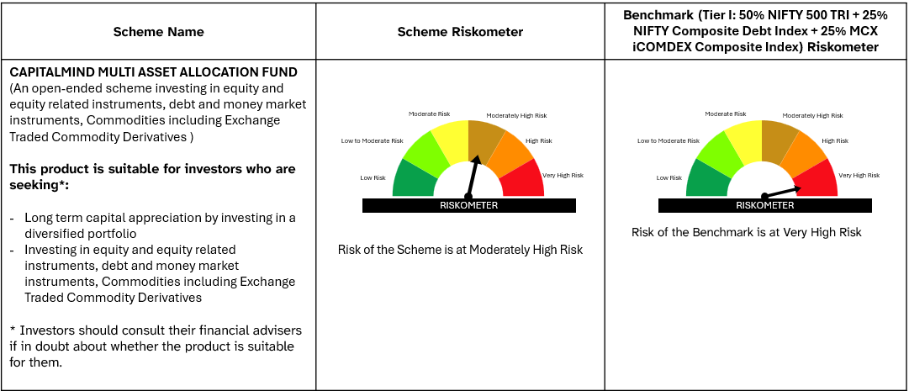

#Please note that the above risk-o-meter is as per the product labelling of the scheme available as on the date of this communication/ disclosure. As Para 17.4 of SEBI Master Circular dated June 24, 2024 on product labelling (as amended from time to time), risk-o-meter will be calculated on a monthly basis based on the risk value of the scheme portfolio based on the methodology specified by SEBI in the above stated circular. The AMC shall disclose the risk-o-meter along with portfolio disclosure for all their schemes on their respective website and on AMFI website within 10 days from the close of each month. Any change in risk-o-meter shall be communicated by way of Notice cum Addendum and by way of an e-mail or SMS to unitholders of that particular scheme.

