CMFCF
Capitalmind Mutual Fund
SCHEME NAME : | Capitalmind Flexi Cap Fund (An open-ended dynamic equity scheme investing across large cap, mid cap & small cap stocks)
INCEPTION DATE : | August 06, 2025
MONTHLY PORTFOLIO STATEMENT AS ON$ : | August 31, 2025

Name of the Instrument / Issuer | ISIN | Rating / Industry^ | Quantity | Market value (Rs. in Lakhs) | % to NAV | YTM% | YTC%*
Equity & Equity related
(a) Listed / awaiting listing on Stock Exchanges
One 97 Communications Limited | INE982J01020 | Financial Technology (Fintech) | 42,660 | 514.91 | 4.62%
Bharti Airtel Limited | INE397D01024 | Telecom - Services | 26,707 | 504.44 | 4.53%
Bajaj Finance Limited | INE296A01032 | Finance | 48,518 | 425.92 | 3.83%
Fortis Healthcare Limited | INE061F01013 | Healthcare Services | 45,476 | 414.51 | 3.72%
Radico Khaitan Limited | INE944F01028 | Beverages | 13,919 | 397.04 | 3.57%
ICICI Bank Limited | INE090A01021 | Banks | 27,080 | 378.52 | 3.40%
Choice International Limited | INE102B01014 | Finance | 47,061 | 374.61 | 3.36%
The Indian Hotels Company Limited | INE053A01029 | Leisure Services | 48,546 | 368.20 | 3.31%
Sarda Energy & Minerals Limited | INE385C01021 | Ferrous Metals | 59,756 | 357.55 | 3.21%
Krishna Institute Of Medical Sciences Limited | INE967H01025 | Healthcare Services | 47,564 | 344.32 | 3.09%
Laurus Labs Limited | INE947Q01028 | Pharmaceuticals & Biotechnology | 38,137 | 326.80 | 2.94%
Persistent Systems Limited | INE262H01021 | IT - Software | 5,966 | 316.53 | 2.84%
Firstsource Solutions Limited | INE684F01012 | Commercial Services & Supplies | 89,336 | 313.57 | 2.82%
Authum Investment And Infrastructure Limited | INE206F01022 | Finance | 9,627 | 311.23 | 2.80%
PG Electroplast Limited | INE457L01029 | Consumer Durables | 49,486 | 263.81 | 2.37%
Aster DM Healthcare Limited | INE914M01019 | Healthcare Services | 43,720 | 262.78 | 2.36%
Cartrade Tech Limited | INE290S01011 | Retailing | 9,920 | 237.88 | 2.14%
BSE Limited | INE118H01025 | Capital Markets | 9,385 | 196.73 | 1.77%
Gillette India Limited | INE322A01010 | Personal Products | 1,652 | 166.77 | 1.50%
Multi Commodity Exchange of India Limited | INE745G01035 | Capital Markets | 2,253 | 166.50 | 1.50%
InterGlobe Aviation Limited | INE646L01027 | Transport Services | 2,928 | 165.31 | 1.48%
Divi's Laboratories Limited | INE361B01024 | Pharmaceuticals & Biotechnology | 2,614 | 160.28 | 1.44%
Eris Lifesciences Limited | INE406M01024 | Pharmaceuticals & Biotechnology | 6,607 | 118.94 | 1.07%
Bharti Hexacom Limited | INE343G01021 | Telecom - Services | 6,344 | 112.54 | 1.01%
Coforge Limited | INE591G01025 | IT - Software | 6,111 | 105.37 | 0.95%
Sub Total |  |  |  | 7,305.06 | 65.63%
b) Unlisted |  |  |  | NIL | NIL
Sub Total |  |  |  | NIL | NIL
Total (Equity & Equity related) |  |  |  | 7,305.06 | 65.63%

Debt Instruments
a) Listed / Awaiting Listing on Stock Exchanges
Sub Total |  |  |  | NIL | NIL
(b) Privately placed / Unlisted
Sub Total |  |  |  | NIL | NIL
(c) Securitised Debt Instruments
Sub Total |  |  |  | NIL | NIL
Total (Debt Instruments) |  |  |  | NIL | NIL

Money Market Instruments
Reverse Repo / TREPS
Clearing Corporation of India Ltd |  |  |  | 3,365.00 | 30.23% | 5.44%
Sub Total |  |  |  | 3,365.00 | 30.23%
Total (Money Market Instruments) |  |  |  | 3,365.00 | 30.23%

Interest Rate Derivatives (both IRS / IRF)
Sub Total |  |  |  | NIL | NIL
Total (Interest Rate Derivatives) |  |  |  | NIL | NIL

Other Current Assets / (Liabilities)
Net Receivable / Payable |  |  |  | 463.08 | 4.14%
Total (Other Current Assets / (Liabilities) |  |  |  | 463.08 | 4.14%

GRAND TOTAL (AUM) |  |  |  | 11,133.14 | 100%

Notes & Symbols :-
# -> Less Than 0.005% ; A** -> Awaiting Listing on Stock Exchanges ; T** -> Thinly Traded Securities ; N** -> Non Traded Securities ; I** -> Illiquid Shares ; R** -> Rights Entitlement ; P** Preference Shares ; W** Warrants ; B** -> Below Investment Grade Security ; PP* -> Partly Paid;S** --> Suspended forTrading
^ -> Industry classification as recommended by AMFI and wherever not available, internal classification has been used.
* YTC represents Yield to Call. It is disclosed for Perpetual Bond issued by Banks (i.e. AT-1 Bond / Tier 1 Bond / Tier 2 Bond), as per AMFI Best Practices Guidelines Circular no. 91/2020-21 dated March 24, 2021 on Valuation of AT-1 Bonds and Tier 2 Bonds.

NAV History:
Option / Plan | NAV Rs. per unit as on July 31, 2025^ | NAV Rs. per unit as on August 31, 2025$
Capitalmind Flexi Cap Fund - Direct Plan - Growth Option | N.A | 9.7749
Capitalmind Flexi Cap Fund - Regular Plan - Growth Option | N.A | 9.7653
^Inception date of the Scheme is August 06, 2025.
$ Data as on last Business day of the month i.e. 29th August 2025

Lumpsum Investment Performance*
Time Period | Scheme |  | Benchmark Index | Value of Investment of Rs. 10,000/-
 | Capitalmind Flexi Cap Fund (Direct Plan) | Capitalmind Flexi Cap Fund (Regular Plan) | Nifty 500 (TRI) | Capitalmind Flexi Cap Fund (Direct Plan) | Capitalmind Flexi Cap Fund (Regular Plan) | Nifty 500 (TRI)
Last 1 Year | N.A | N.A | N.A | N.A | N.A | N.A
Last 3 Years | N.A | N.A | N.A | N.A | N.A | N.A
Last 5 Years | N.A | N.A | N.A | N.A | N.A | N.A
Last 10 Years | N.A | N.A | N.A | N.A | N.A | N.A
Since Inception (6 Aug, 2025) | N.A | N.A | N.A | N.A | N.A | N.A
* Not applicable as the scheme has not completed 1 year (5.9.1 of Master Circular for Mutual Funds dated 27 June 2024)

Portfolio Turnover Ratio (times) | 0.13

Total number of instances of deviation in valuation of securities of the scheme from the valuation price given by the valuation agencies during the period are: Nil
No bonus was declared during the month ended August 31, 2025.
Investment in Repo in Corporate Debt Securities during the month ended August 31, 2025 is Nil.
Debt instruments having structured obligations or credit enhancement features (if any) have been denoted with suffix as (SO) or (CE) respectively against the ratings of the instrument
Investment in Partly paid Bonds / NCD’s : Nil
Securities below investment grade or in default beyond its maturity date is Nil.
The total outstanding exposure in derivative instruments as on August 31, 2025 is Nil.
Transactions (Buy/Sell/Expired/Exercised/squared-off) in derivatives instruments (Futures/Options/IRFs/Swaps) during the month: Nil
The total market value of investments in foreign securities / American Depositary Receipts / Global Depositary Receipts as on August 31, 2025 is Nil.
Market Value includes accrued interest (if any)
Investments in Credit Default Swap (CDS) during the month/as on August 31, 2025: Nil
Total value and percentage of illiquid equity shares: Nil
Funds parked in short term deposit(s) during the period / as on August 31, 2025: Nil
Value of term deposits placed as margin for trading in cash or derivatives market: Nil
Total below investment grade or default provided for and its percentage to NAV: Nil
Total investments in Foreign Securities / Overseas ETFs as at August 31, 2025 and its percentage to NAV : Nil.

Product Labelling:#
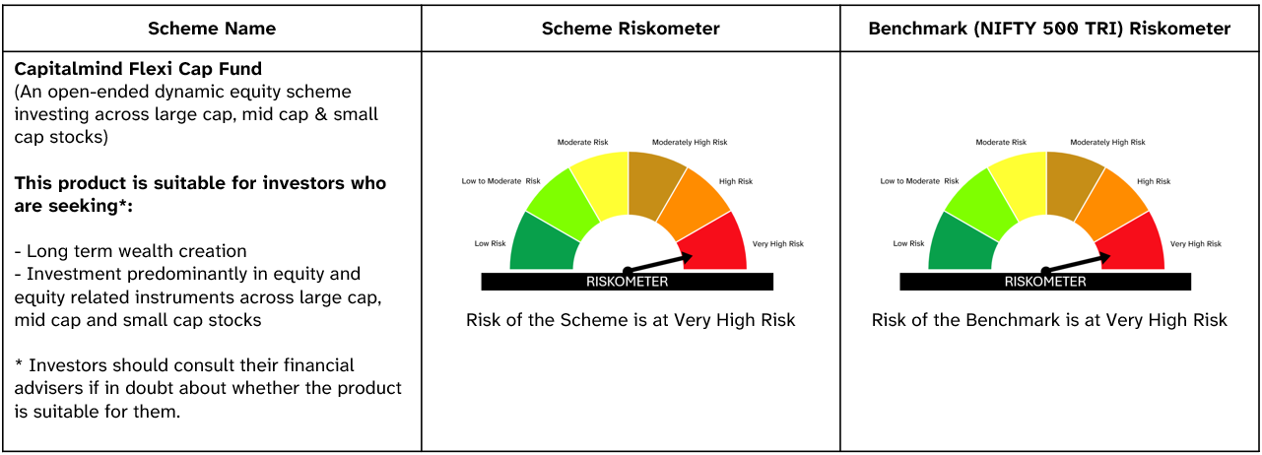

#Please note that the above risk-o-meter is as per the product labelling of the scheme available as on the date of this communication/ disclosure. As Para 17.4 of SEBI Master Circular dated June 24, 2024 on product labelling (as amended from time to time), risk-o-meter will be calculated on a monthly basis based on the risk value of the scheme portfolio based on the methodology specified by SEBI in the above stated circular. The AMC shall disclose the risk-o-meter along with portfolio disclosure for all their schemes on their respective website and on AMFI website within 10 days from the close of each month. Any change in risk-o-meter shall be communicated by way of Notice cum Addendum and by way of an e-mail or SMS to unitholders of that particular scheme.

