IB01
 | Scheme - Indiabulls Blue Chip Fund |  | Benchmark - NIFTY100 - TRI
 | Scheme Risk-O-Meter |  | Benchmark Risk-O-Meter

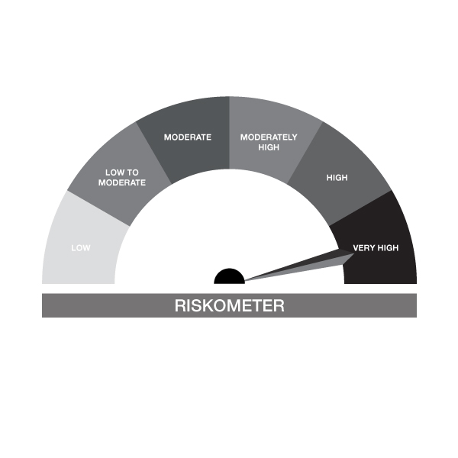

IB01-Indiabulls Blue Chip Fund
Portfolio as on 30-APR-2023
ISIN | Name of Instrument | Rating/Industry | Quantity | Market Value (In Rs. lakh) | % To Net Assets | Maturity Date | Put/Call Option | Yield
 | EQUITY & EQUITY RELATED
 | (a) Listed / awaiting listing on the stock exchanges
INE040A01034 | HDFC Bank Limited | Banks | 53,634.00 | 905.13 | 9.58%
INE090A01021 | ICICI Bank Limited | Banks | 96,500.00 | 885.53 | 9.38%
INE002A01018 | Reliance Industries Limited | Petroleum Products | 35,883.00 | 868.55 | 9.20%
INE018A01030 | Larsen & Toubro Limited | Construction | 21,043.00 | 497.54 | 5.27%
INE062A01020 | State Bank of India | Banks | 81,950.00 | 473.92 | 5.02%
INE154A01025 | ITC Limited | Diversified FMCG | 109,000.00 | 463.85 | 4.91%
INE001A01036 | Housing Development Finance Corp Ltd | Finance | 16,668.00 | 462.64 | 4.90%
INE009A01021 | Infosys Limited | IT - Software | 35,750.00 | 447.86 | 4.74%
INE238A01034 | Axis Bank Limited | Banks | 50,000.00 | 430.00 | 4.55%
INE397D01024 | Bharti Airtel Limited | Telecom - Services | 46,900.00 | 374.87 | 3.97%
INE030A01027 | Hindustan Unilever Limited | Diversified FMCG | 14,150.00 | 347.71 | 3.68%
INE237A01028 | Kotak Mahindra Bank Limited | Banks | 13,896.00 | 269.31 | 2.85%
INE296A01024 | Bajaj Finance Limited | Finance | 4,200.00 | 263.76 | 2.79%
INE585B01010 | Maruti Suzuki India Limited | Automobiles | 2,814.00 | 241.71 | 2.56%
INE155A01022 | Tata Motors Limited | Automobiles | 42,427.00 | 205.75 | 2.18%
INE481G01011 | UltraTech Cement Limited | Cement & Cement Products | 2,595.00 | 196.08 | 2.08%
INE158A01026 | Hero MotoCorp Limited | Automobiles | 7,600.00 | 194.45 | 2.06%
INE280A01028 | Titan Company Limited | Consumer Durables | 6,340.00 | 167.49 | 1.77%
INE038A01020 | Hindalco Industries Limited | Non - Ferrous Metals | 34,005.00 | 148.30 | 1.57%
INE467B01029 | Tata Consultancy Services Limited | IT - Software | 4,304.00 | 138.56 | 1.47%
INE298A01020 | Cummins India Limited | Industrial Products | 8,500.00 | 133.93 | 1.42%
INE079A01024 | Ambuja Cements Limited | Cement & Cement Products | 29,500.00 | 116.97 | 1.24%
INE081A01020 | Tata Steel Limited | Ferrous Metals | 106,020.00 | 114.45 | 1.21%
INE044A01036 | Sun Pharmaceutical Industries Limited | Pharmaceuticals & Biotechnology | 10,500.00 | 103.70 | 1.10%
INE860A01027 | HCL Technologies Limited | IT - Software | 9,700.00 | 103.22 | 1.09%
INE437A01024 | Apollo Hospitals Enterprise Limited | Healthcare Services | 2,200.00 | 99.30 | 1.05%
INE216A01030 | Britannia Industries Limited | Food Products | 1,950.00 | 88.79 | 0.94%
INE176A01028 | Bata India Limited | Consumer Durables | 3,250.00 | 47.93 | 0.51%
INE765G01017 | ICICI Lombard General Insurance Company | Insurance | 2,250.00 | 24.28 | 0.26%
INE797F01020 | Jubilant Foodworks Limited | Leisure Services | 5,000.00 | 22.32 | 0.24%
INE008A01015 | IDBI Bank Limited | Banks | 35,105.00 | 19.18 | 0.20%
INE111A01025 | Container Corporation of India Limited | Transport Services | 3,000.00 | 18.35 | 0.19%
INE795G01014 | HDFC Life Insurance Company Limited | Insurance | 1,000.00 | 5.30 | 0.06%
INE021A01026 | Asian Paints Limited | Consumer Durables | 100.00 | 2.90 | 0.03%
INE361B01024 | Divi's Laboratories Limited | Pharmaceuticals & Biotechnology | 36.00 | 1.18 | 0.01%
INE742F01042 | Adani Port & Special Economic Zone Ltd | Transport Infrastructure | 10.00 | 0.07 | 0.00%
 | Sub Total |  |  | 8,884.88 | 94.08%
 | (b) Unlisted |  |  | NIL | NIL
 | Sub Total |  |  | NIL | NIL
 | Total |  |  | 8,884.88 | 94.08%

 | DEBT INSTRUMENTS
 | (a) Listed / awaiting listing on Stock Exchanges |  |  |  | NIL
 | Non Convertible Debentures / Bonds
INE216A08027 | 5.50% Britannia Industries Limited 03-JUN-2024** | CRISIL AAA | 50.00 | 0.01 | 0.00% | 03-JUN-2024 |  | 7.54%
 | Sub Total |  |  | 0.01 | NIL
 | (b) Privately placed / Unlisted |  |  | NIL | NIL
 | Sub Total |  |  | NIL | NIL
 | (c) Securitized Debt Instruments |  |  | NIL | NIL
 | Sub Total |  |  | NIL | NIL
 | (d) Government Securities / SDL |  |  | NIL | NIL
 | Sub Total |  |  | NIL | NIL
 | Total |  |  | 0.01 | NIL

 | MONEY MARKET INSTRUMENTS
 | Total |  |  | NIL | NIL

 | TREPS / Reverse Repo Investments / Corporate Debt Repo
INTREP020523 | CCIL |  | 5,300.00 | 529.90 | 5.61% | 02-MAY-2023
 | Total |  |  | 529.90 | 5.61%

 | Cash & Cash Equivalents
 | Net Receivable/Payable |  |  | 30.43 | 0.32%
 | Total |  |  | 30.43 | 0.32%
 | Grand Total |  |  | 9,445.22 | 100.00%

** Non Traded Security

IB02
 | Scheme - Indiabulls Liquid Fund |  | Benchmark - CRISIL Liquid Fund BI Index |  | Potential Risk Class (PRC)
 | Scheme Risk-O-Meter |  | Benchmark Risk-O-Meter |  | PRC Level - BI

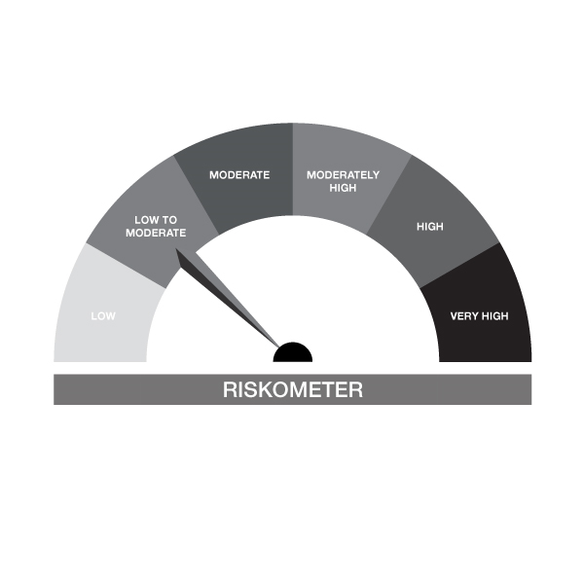 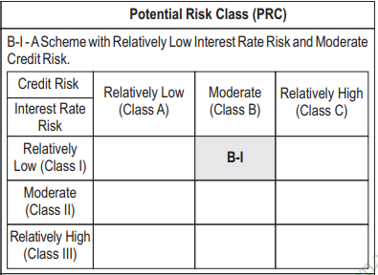

IB02-Indiabulls Liquid Fund
Portfolio as on 30-APR-2023
ISIN | Name of Instrument | Rating/Industry | Quantity | Market Value (In Rs. lakh) | % To Net Assets | Maturity Date | Put/Call Option | Yield
 | DEBT INSTRUMENTS
 | (a) Listed / awaiting listing on Stock Exchanges |  |  | NIL | NIL
 | Sub Total |  |  | NIL | NIL
 | (b) Privately placed / Unlisted |  |  | NIL | NIL
 | Sub Total |  |  | NIL | NIL
 | (c) Securitized Debt Instruments |  |  | NIL | NIL
 | Sub Total |  |  | NIL | NIL
 | (d) Government Securities / SDL |  |  | NIL | NIL
 | Sub Total |  |  | NIL | NIL
 | Total |  |  | NIL | NIL

 | MONEY MARKET INSTRUMENTS
 | Certificate of Deposits
INE040A16DF9 | HDFC Bank Limited 15-MAY-2023**# | CARE A1+ | 2,500,000.00 | 2,493.16 | 19.45% | 15-MAY-2023 |  | 7.15%
INE237A164O2 | Kotak Mahindra Bank Limited 31-MAY-2023**# | CRISIL A1+ | 2,500,000.00 | 2,485.70 | 19.39% | 31-MAY-2023 |  | 7%
 | Sub Total |  |  | 4,978.86 | 38.84%
 | Total |  |  | 4,978.86 | 38.84%

 | FIXED DEPOSIT
INPYFDHDFZ50 | HDFC Bank Limited |  | 60,000.00 | 60.00 | 0.47% | 10-JUL-2023
 | Total |  |  | 60.00 | 0.47%

 | TREPS / Reverse Repo Investments / Corporate Debt Repo
INTREP020523 | CCIL |  | 74,800.00 | 7,478.61 | 58.34% | 02-MAY-2023
 | Total |  |  | 7,478.61 | 58.34%

 | Cash & Cash Equivalents
 | Net Receivable/Payable |  |  | 301.26 | 2.35%
 | Total |  |  | 301.26 | 2.35%
 | Grand Total |  |  | 12,818.73 | 100.00%

** Non Traded Security
# Unlisted Securities

IB03
 | Scheme - INDIABULLS EQUITY HYBRID FUND |  | Benchmark - CRISIL Hybrid 35+65 - Aggressive Index
 | Scheme Risk-O-Meter |  | Benchmark Risk-O-Meter

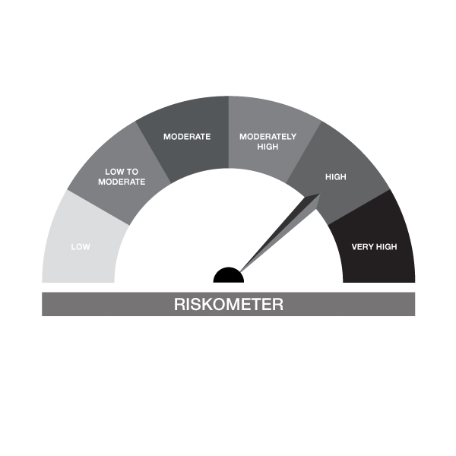

IB03-Indiabulls Equity Hybrid Fund
Portfolio as on 30-APR-2023
ISIN | Name of Instrument | Rating/Industry | Quantity | Market Value (In Rs. lakh) | % To Net Assets | Maturity Date | Put/Call Option | Yield
 | EQUITY & EQUITY RELATED
 | (a) Listed / awaiting listing on the stock exchanges
INE040A01034 | HDFC Bank Limited | Banks | 14,950.00 | 252.30 | 7.52%
INE002A01018 | Reliance Industries Limited | Petroleum Products | 9,729.00 | 235.49 | 7.01%
INE090A01021 | ICICI Bank Limited | Banks | 22,843.00 | 209.62 | 6.24%
INE009A01021 | Infosys Limited | IT - Software | 11,013.00 | 137.97 | 4.11%
INE062A01020 | State Bank of India | Banks | 21,148.00 | 122.30 | 3.64%
INE001A01036 | Housing Development Finance Corp Ltd | Finance | 4,250.00 | 117.96 | 3.51%
INE154A01025 | ITC Limited | Diversified FMCG | 27,500.00 | 117.03 | 3.49%
INE397D01024 | Bharti Airtel Limited | Telecom - Services | 13,600.00 | 108.70 | 3.24%
INE238A01034 | Axis Bank Limited | Banks | 12,321.00 | 105.96 | 3.16%
INE030A01027 | Hindustan Unilever Limited | Diversified FMCG | 4,122.00 | 101.29 | 3.02%
INE018A01030 | Larsen & Toubro Limited | Construction | 3,900.00 | 92.21 | 2.75%
INE280A01028 | Titan Company Limited | Consumer Durables | 2,800.00 | 73.97 | 2.20%
INE585B01010 | Maruti Suzuki India Limited | Automobiles | 775.00 | 66.57 | 1.98%
INE237A01028 | Kotak Mahindra Bank Limited | Banks | 3,254.00 | 63.06 | 1.88%
INE158A01026 | Hero MotoCorp Limited | Automobiles | 2,450.00 | 62.69 | 1.87%
INE481G01011 | UltraTech Cement Limited | Cement & Cement Products | 750.00 | 56.67 | 1.69%
INE467B01029 | Tata Consultancy Services Limited | IT - Software | 1,730.00 | 55.69 | 1.66%
INE296A01024 | Bajaj Finance Limited | Finance | 800.00 | 50.24 | 1.50%
INE298A01020 | Cummins India Limited | Industrial Products | 3,000.00 | 47.27 | 1.41%
INE860A01027 | HCL Technologies Limited | IT - Software | 4,200.00 | 44.69 | 1.33%
INE038A01020 | Hindalco Industries Limited | Non - Ferrous Metals | 9,005.00 | 39.27 | 1.17%
INE155A01022 | Tata Motors Limited | Automobiles | 7,500.00 | 36.37 | 1.08%
INE079A01024 | Ambuja Cements Limited | Cement & Cement Products | 7,500.00 | 29.74 | 0.89%
INE765G01017 | ICICI Lombard General Insurance Company | Insurance | 2,464.00 | 26.59 | 0.79%
INE044A01036 | Sun Pharmaceutical Industries Limited | Pharmaceuticals & Biotechnology | 2,500.00 | 24.69 | 0.74%
INE797F01020 | Jubilant Foodworks Limited | Leisure Services | 4,100.00 | 18.30 | 0.55%
INE795G01014 | HDFC Life Insurance Company Limited | Insurance | 3,010.00 | 15.95 | 0.47%
INE192R01011 | Avenue Supermarts Limited | Retailing | 440.00 | 15.45 | 0.46%
INE111A01025 | Container Corporation of India Limited | Transport Services | 2,506.00 | 15.33 | 0.46%
INE008A01015 | IDBI Bank Limited | Banks | 10,000.00 | 5.47 | 0.16%
INE021A01026 | Asian Paints Limited | Consumer Durables | 5.00 | 0.15 | 0.00%
INE214T01019 | Larsen & Toubro Infotech Ltd | IT - Software | 3.00 | 0.13 | 0.00%
 | Sub Total |  |  | 2,349.12 | 69.98%
 | (b) Unlisted |  |  | NIL | NIL
 | Sub Total |  |  | NIL | NIL
 | Total |  |  | 2,349.12 | 69.98%

 | DEBT INSTRUMENTS
 | (a) Listed / awaiting listing on Stock Exchanges |  |  | NIL | NIL
 | Sub Total |  |  | NIL | NIL
 | (b) Privately placed / Unlisted |  |  | NIL | NIL
 | Sub Total |  |  | NIL | NIL
 | (c) Securitized Debt Instruments |  |  | NIL | NIL
 | Sub Total |  |  | NIL | NIL
 | (d) Government Securities / SDL |  |  | NIL | NIL
 | Sub Total |  |  | NIL | NIL
 | Total |  |  | NIL | NIL

 | MONEY MARKET INSTRUMENTS
 | Treasury Bills
IN002022Y500 | 182 Days Treasury Bill 07-Sep-2023 | SOVEREIGN | 500,000.00 | 488.07 | 14.54% | 07-SEP-2023 |  | 6.92%
 | Sub Total |  |  | 488.07 | 14.54%
 | Total |  |  | 488.07 | 14.54%

 | FIXED DEPOSIT
INPYFDHDFZ49 | HDFC Bank Limited |  | 15,000.00 | 15.00 | 0.45% | 19-JUN-2023
 | Total |  |  | 15.00 | 0.45%

 | TREPS / Reverse Repo Investments / Corporate Debt Repo
INTREP020523 | CCIL |  | 5,000.00 | 499.91 | 14.89% | 02-MAY-2023
 | Total |  |  | 499.91 | 14.89%

 | Cash & Cash Equivalents
 | Net Receivable/Payable |  |  | 4.86 | 0.14%
 | Total |  |  | 4.86 | 0.14%
 | Grand Total |  |  | 3,356.96 | 100.00%

IB04
 | Scheme - INDIABULLS ARBITRAGE FUND |  | Benchmark - NIFTY 50 Arbitrage Index
 | Scheme Risk-O-Meter |  | Benchmark Risk-O-Meter
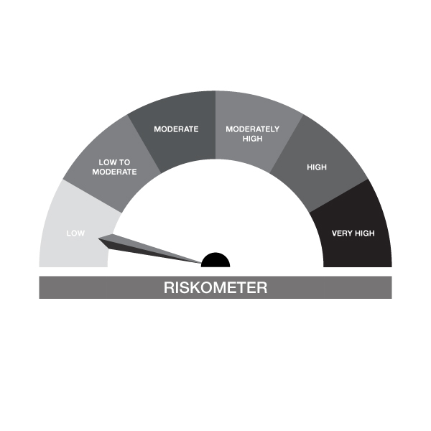

IB04-Indiabulls Arbitrage Fund
Portfolio as on 30-APR-2023
ISIN | Name of Instrument | Rating/Industry | Quantity | Market Value (In Rs. lakh) | % To Net Assets | Maturity Date | Put/Call Option | Yield
 | EQUITY & EQUITY RELATED
 | (a) Listed / awaiting listing on the stock exchanges
INE477A01020 | Can Fin Homes Limited | Finance | 6,825.00 | 42.09 | 9.57%
INE155A01022 | Tata Motors Limited | Automobiles | 8,550.00 | 41.46 | 9.43%
INE238A01034 | Axis Bank Limited | Banks | 4,800.00 | 41.28 | 9.39%
INE093I01010 | Oberoi Realty Limited | Realty | 4,200.00 | 38.43 | 8.74%
INE001A01036 | Housing Development Finance Corp Ltd | Finance | 1,200.00 | 33.31 | 7.58%
INE854D01024 | United Spirits Limited | Beverages | 3,750.00 | 29.14 | 6.63%
INE237A01028 | Kotak Mahindra Bank Limited | Banks | 1,200.00 | 23.26 | 5.29%
INE021A01026 | Asian Paints Limited | Consumer Durables | 600.00 | 17.41 | 3.96%
INE397D01024 | Bharti Airtel Limited | Telecom - Services | 1,900.00 | 15.19 | 3.45%
INE047A01021 | Grasim Industries Limited | Cement & Cement Products | 475.00 | 8.17 | 1.86%
INE094A01015 | Hindustan Petroleum Corporation Limited | Petroleum Products | 2,700.00 | 6.78 | 1.54%
 | Sub Total |  |  | 296.53 | 67.44%
 | (b) Unlisted |  |  | NIL | NIL
 | Sub Total |  |  | NIL | NIL
 | Total |  |  | 296.53 | 67.44%

 | DERIVATIVES
 | Hindustan Petroleum Corporation Limited 25/05/2023 |  | -2,700.00 | -6.83 | -1.55% | 25-MAY-2023
 | Grasim Industries Limited 25/05/2023 |  | -475.00 | -8.23 | -1.87% | 25-MAY-2023
 | Bharti Airtel Limited 25/05/2023 |  | -1,900.00 | -15.24 | -3.47% | 25-MAY-2023
 | Asian Paints Limited 25/05/2023 |  | -600.00 | -17.48 | -3.98% | 25-MAY-2023
 | Kotak Mahindra Bank Limited 25/05/2023 |  | -1,200.00 | -23.35 | -5.31% | 25-MAY-2023
 | United Spirits Limited 25/05/2023 |  | -3,750.00 | -29.34 | -6.67% | 25-MAY-2023
 | Housing Development Finance Corp Ltd 25/05/2023 |  | -1,200.00 | -33.36 | -7.59% | 25-MAY-2023
 | Oberoi Realty Limited 25/05/2023 |  | -4,200.00 | -38.68 | -8.80% | 25-MAY-2023
 | Axis Bank Limited 25/05/2023 |  | -4,800.00 | -41.52 | -9.45% | 25-MAY-2023
 | Tata Motors Limited 25/05/2023 |  | -8,550.00 | -41.74 | -9.50% | 25-MAY-2023
 | Can Fin Homes Limited 25/05/2023 |  | -6,825.00 | -42.41 | -9.65% | 25-MAY-2023
 | Total |  |  | -298.18 | -67.83%

 | DEBT INSTRUMENTS
 | (a) Listed / awaiting listing on Stock Exchanges |  |  | NIL | NIL
 | Sub Total |  |  | NIL | NIL
 | (b) Privately placed / Unlisted |  |  | NIL | NIL
 | Sub Total |  |  | NIL | NIL
 | (c) Securitized Debt Instruments |  |  | NIL | NIL
 | Sub Total |  |  | NIL | NIL
 | (d) Government Securities / SDL |  |  | NIL | NIL
 | Sub Total |  |  | NIL | NIL
 | Total |  |  | NIL | NIL

 | MONEY MARKET INSTRUMENTS
 | Total |  |  | NIL | NIL

 | FIXED DEPOSIT
INPYFDHDFZ49 | HDFC Bank Limited |  | 5,000.00 | 5.00 | 1.14% | 19-JUN-2023
 | Total |  |  | 5.00 | 1.14%

 | TREPS / Reverse Repo Investments / Corporate Debt Repo
INTREP020523 | CCIL |  | 300.00 | 29.99 | 6.82% | 02-MAY-2023
 | Total |  |  | 29.99 | 6.82%

 | Cash & Cash Equivalents
 | Net Receivable/Payable |  |  | 406.26 | 92.41%
 | Total |  |  | 406.26 | 92.41%
 | Grand Total |  |  | 439.61 | 100.00%

IB05
 | Scheme - INDIABULLS DYNAMIC BOND FUND |  | Benchmark - CRISIL Dynamic Bond Fund BIII Index |  | Potential Risk Class (PRC)
 | Scheme Risk-O-Meter |  | Benchmark Risk-O-Meter |  | PRC Level - BIII
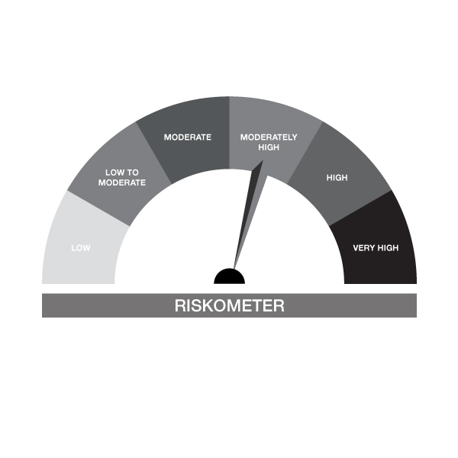


IB05-Indiabulls Dynamic Bond Fund
Portfolio as on 30-APR-2023
ISIN | Name of Instrument | Rating/Industry | Quantity | Market Value (In Rs. lakh) | % To Net Assets | Maturity Date | Put/Call Option | Yield
 | DEBT INSTRUMENTS
 | (a) Listed / awaiting listing on Stock Exchanges
 | Non Convertible Debentures / Bonds
INE134E08KS7 | 6.75% Power Finance Corporation Limited 22-MAY-2023** | CRISIL AAA | 300,000.00 | 299.83 | 56.37% | 22-MAY-2023 |  | 7.3%
 | Sub Total |  |  | 299.83 | 56.37%
 | (b) Privately placed / Unlisted |  |  | NIL | NIL
 | Sub Total |  |  | NIL | NIL
 | (c) Securitized Debt Instruments |  |  | NIL | NIL
 | Sub Total |  |  | NIL | NIL
 | (d) Government Securities / SDL |  |  | NIL | NIL
 | Sub Total |  |  | NIL | NIL
 | Total |  |  | 299.83 | 56.37%

 | MONEY MARKET INSTRUMENTS
 | Total |  |  | NIL | NIL

 | FIXED DEPOSIT
INPYFDHDNL48 | HDFC Bank Limited |  | 10,000.00 | 10.00 | 1.88% | 28-JUN-2023
 | Total |  |  | 10.00 | 1.88%

 | TREPS / Reverse Repo Investments / Corporate Debt Repo
INTREP020523 | CCIL |  | 1,900.00 | 189.96 | 35.72% | 02-MAY-2023
 | Total |  |  | 189.96 | 35.72%

 | Cash & Cash Equivalents
 | Net Receivable/Payable |  |  | 32.09 | 6.03%
 | Total |  |  | 32.09 | 6.03%
 | Grand Total |  |  | 531.88 | 100.00%

** Non Traded Security

IB10
 | Scheme - INDIABULLS SHORT TERM FUND | Benchmark - CRISIL Short Duration Fund BII Index |  |  | Potential Risk Class (PRC)
 | Scheme Risk-O-Meter | Benchmark Risk-O-Meter |  |  | PRC Level - BII

 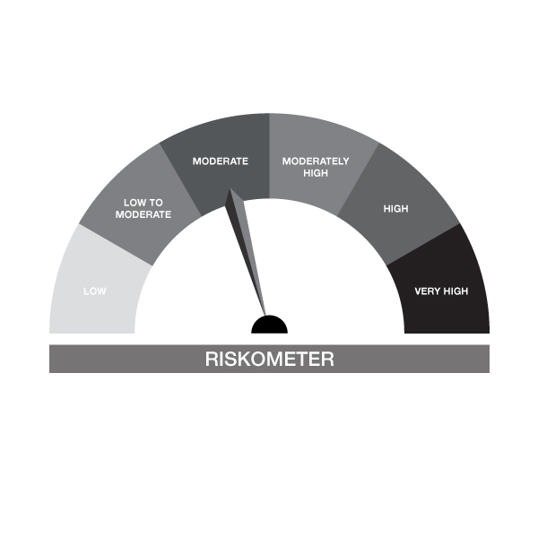

IB10-Indiabulls Short Term Fund
Portfolio as on 30-APR-2023
ISIN | Name of Instrument | Rating/Industry | Quantity | Market Value (In Rs. lakh) | % To Net Assets | Maturity Date | Put/Call Option | Yield
 | DEBT INSTRUMENTS
 | (a) Listed / awaiting listing on Stock Exchanges
 | Non Convertible Debentures / Bonds
INE134E08KS7 | 6.75% Power Finance Corporation Limited 22-MAY-2023** | CRISIL AAA | 200,000.00 | 199.88 | 27.41% | 22-MAY-2023 |  | 7.3%
 | Sub Total |  |  | 199.88 | 27.41%
 | (b) Privately placed / Unlisted |  |  | NIL | NIL
 | Sub Total |  |  | NIL | NIL
 | (c) Securitized Debt Instruments |  |  | NIL | NIL
 | Sub Total |  |  | NIL | NIL
 | (d) Government Securities / SDL
IN2220140072 | 8.94% Maharashtra SDL - 23-Jul-2024 | SOVEREIGN | 189,000.00 | 192.88 | 26.45% | 23-JUL-2024 |  | 7.15%
IN3120140030 | 9.24% Tamilnadu SDL - 15-May-2024 | SOVEREIGN | 150,000.00 | 153.05 | 20.99% | 15-MAY-2024 |  | 7.17%
 | Sub Total |  |  | 345.93 | 47.44%
 | Total |  |  | 545.82 | 74.85%

 | MONEY MARKET INSTRUMENTS
 | Total |  |  | NIL | NIL

 | FIXED DEPOSIT
INPYFDHDFZ50 | HDFC Bank Limited |  | 10,000.00 | 10.00 | 1.37% | 10-JUL-2023
 | Total |  |  | 10.00 | 1.37%

 | TREPS / Reverse Repo Investments / Corporate Debt Repo
INTREP020523 | CCIL |  | 900.00 | 89.98 | 12.34% | 02-MAY-2023
 | Total |  |  | 89.98 | 12.34%

 | Cash & Cash Equivalents
 | Net Receivable/Payable |  |  | 83.44 | 11.44%
 | Total |  |  | 83.44 | 11.44%
 | Grand Total |  |  | 729.24 | 100.00%

** Non Traded Security

IB16
 | Scheme - INDIABULLS OVERNIGHT FUND | Benchmark - CRISIL Overnight Fund AI Index |  |  | Potential Risk Class (PRC)
 | Scheme Risk-O-Meter |  | Benchmark Risk-O-Meter |  | PRC Level - AI



IB16-Indiabulls Overnight Fund
Portfolio as on 30-APR-2023
ISIN | Name of Instrument | Rating/Industry | Quantity | Market Value (In Rs. lakh) | % To Net Assets | Maturity Date | Put/Call Option | Yield
 | DEBT INSTRUMENTS
 | (a) Listed / awaiting listing on Stock Exchanges |  |  | NIL | NIL
 | Sub Total |  |  | NIL | NIL
 | (b) Privately placed / Unlisted |  |  | NIL | NIL
 | Sub Total |  |  | NIL | NIL
 | (c) Securitized Debt Instruments |  |  | NIL | NIL
 | Sub Total |  |  | NIL | NIL
 | (d) Government Securities / SDL |  |  | NIL | NIL
 | Sub Total |  |  | NIL | NIL
 | Total |  |  | NIL | NIL

 | MONEY MARKET INSTRUMENTS
 | Total |  |  | NIL | NIL

 | TREPS / Reverse Repo Investments / Corporate Debt Repo
INTREP020523 | CCIL |  | 5,550.00 | 554.90 | 84.07% | 02-MAY-2023
 | Total |  |  | 554.90 | 84.07%

 | Cash & Cash Equivalents
 | Net Receivable/Payable |  |  | 105.16 | 15.93%
 | Total |  |  | 105.16 | 15.93%
 | Grand Total |  |  | 660.05 | 100.00%

