IB01
 | Scheme - Groww Large Cap Fund (formerly known as Indiabulls Blue Chip Fund) |  | Benchmark - NIFTY100 - TRI
 | Scheme Risk-O-Meter |  | Benchmark Risk-O-Meter
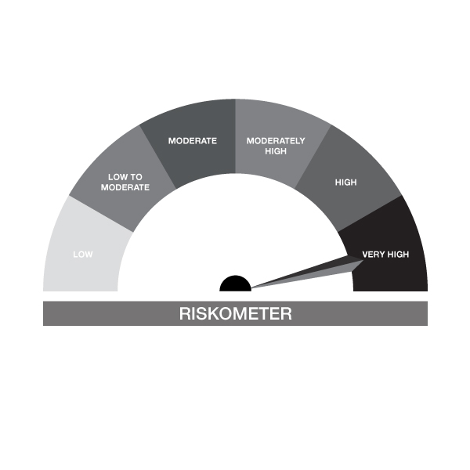

IB01-Groww Large Cap Fund
Portfolio as on 30-NOV-2023
ISIN | Name of Instrument | Rating/Industry | Quantity | Market Value (In Rs. lakh) | % To Net Assets | Maturity Date | Put/Call Option | Yield
 | EQUITY & EQUITY RELATED
 | (a) Listed / awaiting listing on the stock exchanges
INE090A01021 | ICICI Bank Limited | Banks | 90,331.00 | 844.55 | 8.08%
INE018A01030 | Larsen & Toubro Limited | Construction | 25,580.00 | 795.33 | 7.61%
INE040A01034 | HDFC Bank Limited | Banks | 50,157.00 | 781.85 | 7.48%
INE296A01024 | Bajaj Finance Limited | Finance | 5,426.00 | 386.43 | 3.70%
INE238A01034 | Axis Bank Limited | Banks | 34,144.00 | 366.79 | 3.51%
INE002A01018 | Reliance Industries Limited | Petroleum Products | 15,299.00 | 363.73 | 3.48%
INE155A01022 | Tata Motors Limited | Automobiles | 49,865.00 | 352.25 | 3.37%
INE917I01010 | Bajaj Auto Limited | Automobiles | 5,590.00 | 340.46 | 3.26%
INE397D01024 | Bharti Airtel Limited | Telecom - Services | 33,041.00 | 335.27 | 3.21%
INE154A01025 | ITC Limited | Diversified FMCG | 75,915.00 | 330.84 | 3.17%
INE733E01010 | NTPC Limited | Power | 125,583.00 | 328.15 | 3.14%
INE481G01011 | UltraTech Cement Limited | Cement & Cement Products | 3,500.00 | 315.13 | 3.02%
INE062A01020 | State Bank of India | Banks | 49,781.00 | 281.14 | 2.69%
INE101A01026 | Mahindra & Mahindra Limited | Automobiles | 15,511.00 | 255.58 | 2.45%
INE262H01013 | PERSISTENT SYSTEMS LTD | IT - Software | 3,763.00 | 240.83 | 2.30%
INE280A01028 | Titan Company Limited | Consumer Durables | 6,347.00 | 221.55 | 2.12%
INE758T01015 | Zomato Limited | Retailing | 184,230.00 | 218.40 | 2.09%
INE121A01024 | Cholamandalam Invest & Finance Co Ltd | Finance | 18,297.00 | 204.46 | 1.96%
INE095A01012 | IndusInd Bank Limited | Banks | 13,645.00 | 200.05 | 1.91%
INE239A01016 | Nestle India Limited | Food Products | 823.00 | 199.46 | 1.91%
INE467B01029 | Tata Consultancy Services Limited | IT - Software | 5,571.00 | 194.29 | 1.86%
INE009A01021 | Infosys Limited | IT - Software | 13,252.00 | 192.84 | 1.85%
INE356A01018 | MphasiS Limited | IT - Software | 8,045.00 | 189.43 | 1.81%
INE298A01020 | Cummins India Limited | Industrial Products | 8,500.00 | 162.27 | 1.55%
INE021A01026 | Asian Paints Limited | Consumer Durables | 5,012.00 | 156.37 | 1.50%
INE044A01036 | Sun Pharmaceutical Industries Limited | Pharmaceuticals & Biotechnology | 12,503.00 | 153.27 | 1.47%
INE646L01027 | InterGlobe Aviation Limited | Transport Services | 5,648.00 | 152.80 | 1.46%
INE775A01035 | Samvardhana Motherson International Ltd | Auto Components | 150,133.00 | 138.20 | 1.32%
INE079A01024 | Ambuja Cements Limited | Cement & Cement Products | 29,500.00 | 129.58 | 1.24%
INE271C01023 | DLF Limited | Realty | 20,652.00 | 129.25 | 1.24%
INE263A01024 | Bharat Electronics Limited | Aerospace & Defense | 84,624.00 | 123.47 | 1.18%
INE741K01010 | Creditaccess Grameen Limited | Finance | 7,163.00 | 121.59 | 1.16%
INE326A01037 | Lupin Limited | Pharmaceuticals & Biotechnology | 9,049.00 | 115.91 | 1.11%
INE591G01017 | Coforge Limited | IT - Software | 1,951.00 | 112.39 | 1.08%
INE836A01035 | Birlasoft Ltd | IT - Software | 16,986.00 | 107.07 | 1.02%
INE860A01027 | HCL Technologies Limited | IT - Software | 7,935.00 | 106.40 | 1.02%
INE171Z01018 | Bharat Dynamics Limited | Aerospace & Defense | 8,484.00 | 98.65 | 0.94%
INE081A01020 | Tata Steel Limited | Ferrous Metals | 74,864.00 | 95.75 | 0.92%
INE786A01032 | JK Lakshmi Cement Limited | Cement & Cement Products | 11,000.00 | 89.82 | 0.86%
INE953O01021 | Sansera Engineering Limited | Auto Components | 8,830.00 | 74.16 | 0.71%
INE758E01017 | Jio Financial Services Limited | Finance | 17,593.00 | 40.36 | 0.39%
 | Sub Total |  |  | 10,046.11 | 96.15%
 | (b) Unlisted |  |  | NIL | NIL
 | Sub Total |  |  | NIL | NIL
 | Total |  |  | 10,046.11 | 96.15%

 | DEBT INSTRUMENTS
 | (a) Listed / awaiting listing on Stock Exchanges |  |  |  | NIL
 | Non Convertible Debentures / Bonds
INE216A08027 | 5.50% Britannia Industries Limited 03-JUN-2024** | CRISIL AAA | 338.00 | 0.10 | 0.00% | 03-JUN-2024 |  | 7.73%
 | Sub Total |  |  | 0.10 | 0.00%
 | (b) Privately placed / Unlisted |  |  | NIL | NIL
 | Sub Total |  |  | NIL | NIL
 | (c) Securitized Debt Instruments |  |  | NIL | NIL
 | Sub Total |  |  | NIL | NIL
 | (d) Government Securities / SDL |  |  | NIL | NIL
 | Sub Total |  |  | NIL | NIL
 | Total |  |  | 0.10 | 0.00%

 | MONEY MARKET INSTRUMENTS
 | Total |  |  | NIL | NIL

 | Mutual Fund Units
INF666M01451 | Groww Mutual Fund |  | 4,408.05 | 100.61 | 0.96%
 | Total |  |  | 100.61 | 0.96%

 | TREPS / Reverse Repo Investments / Corporate Debt Repo
INTREP011223 | CCIL |  | 3,970.00 | 397.00 | 3.80% | 01-DEC-2023
 | Total |  |  | 397.00 | 3.80%

 | Cash & Cash Equivalents
 | Net Receivable/Payable |  |  | -93.08 | -0.89%
 | Total |  |  | -93.08 | -0.89%
 | Grand Total |  |  | 10,450.73 | 100.00%

** Non Traded Security

IB02
 | Scheme - Groww Liquid Fund (formrly known as Indiabulls Liquid Fund) |  | Benchmark - CRISIL Liquid Debt B-I Index |  | Potential Risk Class (PRC)
 | Scheme Risk-O-Meter |  | Benchmark Risk-O-Meter |  | PRC Level - BI

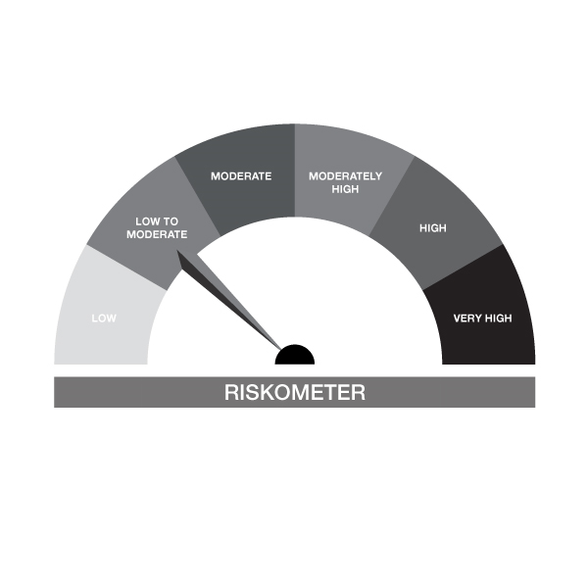

IB02-Groww Liquid Fund
Portfolio as on 30-NOV-2023
ISIN | Name of Instrument | Rating/Industry | Quantity | Market Value (In Rs. lakh) | % To Net Assets | Maturity Date | Put/Call Option | Yield
 | DEBT INSTRUMENTS
 | (a) Listed / awaiting listing on Stock Exchanges
 | Non Convertible Debentures / Bonds
 | Sub Total |  |  | NIL | NIL
 | (b) Privately placed / Unlisted |  |  | NIL | NIL
 | Sub Total |  |  | NIL | NIL
 | (c) Securitized Debt Instruments |  |  | NIL | NIL
 | Sub Total |  |  | NIL | NIL
 | (d) Government Securities / SDL |  |  | NIL | NIL
 | Sub Total |  |  | NIL | NIL
 | Total |  |  | NIL | NIL

 | MONEY MARKET INSTRUMENTS
 | Treasury Bills
IN002023X302 | 91 Days Treasury Bill 18-Jan-2024 | SOVEREIGN | 1,500,000.00 | 1,486.53 | 9.33% | 18-JAN-2024 |  | 6.89%
IN002023X344 | 91 Days Treasury Bill 15-Feb-2024 | SOVEREIGN | 1,000,000.00 | 985.84 | 6.19% | 15-FEB-2024 |  | 6.9%
IN002023X351 | 91 Days Treasury Bill 22-Feb-2024 | SOVEREIGN | 500,000.00 | 492.21 | 3.09% | 22-FEB-2024 |  | 6.96%
 | Sub Total |  |  | 2,964.58 | 18.61%
 | Commercial Papers
INE860H141A6 | Aditya Birla Finance Limited 24-JAN-2024** | ICRA A1+ | 500,000.00 | 494.21 | 3.10% | 24-JAN-2024 |  | 7.93%
INE115A14EC9 | LIC Housing Finance Limited 21-DEC-2023** | CRISIL A1+ | 1,000,000.00 | 996.06 | 6.25% | 21-DEC-2023 |  | 7.23%
INE860H141R0 | Aditya Birla Finance Limited 01-FEB-2024** | ICRA A1+ | 500,000.00 | 493.42 | 3.10% | 01-FEB-2024 |  | 7.85%
INE556F14JU4 | SIDBI 25-JAN-2024 | ICRA A1+ | 1,000,000.00 | 989.03 | 6.21% | 25-JAN-2024 |  | 7.36%
INE110O14BE3 | Axis Securities Limited 21-FEB-2024** | CRISIL A1+ | 1,000,000.00 | 982.41 | 6.17% | 21-FEB-2024 |  | 7.97%
INE403G14QZ1 | Standard Chartered Capital Limited 22-DEC-2023** | CRISIL A1+ | 1,000,000.00 | 995.46 | 6.25% | 22-DEC-2023 |  | 7.93%
INE941D14485 | Sikka Ports & Terminals Limited 09-FEB-2024** | CRISIL A1+ | 1,000,000.00 | 986.01 | 6.19% | 09-FEB-2024 |  | 7.4%
 | Sub Total |  |  | 5,936.59 | 37.27%
 | Certificate of Deposits
INE028A16EA3 | Bank of Baroda 25-JAN-2024# | FITCH A1+ | 500,000.00 | 494.55 | 3.11% | 25-JAN-2024 |  | 7.32%
INE238AD6348 | Axis Bank Limited 14-FEB-2024**# | CRISIL A1+ | 500,000.00 | 492.56 | 3.09% | 14-FEB-2024 |  | 7.35%
INE238AD6199 | Axis Bank Limited 01-DEC-2023# | CRISIL A1+ | 500,000.00 | 500.00 | 3.14% | 01-DEC-2023 |  | 6.83%
INE476A16VU6 | Canara Bank 14-DEC-2023# | CRISIL A1+ | 1,000,000.00 | 997.50 | 6.26% | 14-DEC-2023 |  | 7.05%
INE237A164R5 | Kotak Mahindra Bank Limited 11-DEC-2023**# | CRISIL A1+ | 1,000,000.00 | 998.08 | 6.27% | 11-DEC-2023 |  | 7.02%
INE261F16686 | NABARD 23-JAN-2024**# | CRISIL A1+ | 1,000,000.00 | 989.41 | 6.21% | 23-JAN-2024 |  | 7.37%
INE692A16FX5 | Union Bank of India 14-FEB-2024# | ICRA A1+ | 1,000,000.00 | 985.10 | 6.19% | 14-FEB-2024 |  | 7.36%
 | Sub Total |  |  | 5,457.20 | 34.27%
 | Total |  |  | 14,358.37 | 90.15%

 | FIXED DEPOSIT
INHDFC091124 | HDFC Bank Limited |  | 60,000.00 | 60.00 | 0.38% | 09-JAN-2024
 | Total |  |  | 60.00 | 0.38%

 | Mutual Fund Units
INF0RQ622028 | SBI FUNDS MANAGEMENT PVT LMTD |  | 504.68 | 50.68 | 0.32%
 | Sub Total |  |  | 50.68 | 0.32%

 | TREPS / Reverse Repo Investments / Corporate Debt Repo
INTREP011223 | CCIL |  | 4,600.00 | 460.00 | 2.89% | 01-DEC-2023
 | Total |  |  | 460.00 | 2.89%

 | Cash & Cash Equivalents
 | Net Receivable/Payable |  |  | 997.51 | 6.26%
 | Total |  |  | 997.51 | 6.26%
 | Grand Total |  |  | 15,926.56 | 100.00%

** Non Traded Security
# Unlisted Securities

IB05
 | Scheme - Groww Dynamic Bond Fund (formerly known as INDIABULLS DYNAMIC BOND FUND) |  | Benchmark - CRISIL Dynamic Bond B-III Index |  | Potential Risk Class (PRC)
 | Scheme Risk-O-Meter |  | Benchmark Risk-O-Meter |  | PRC Level - BIII

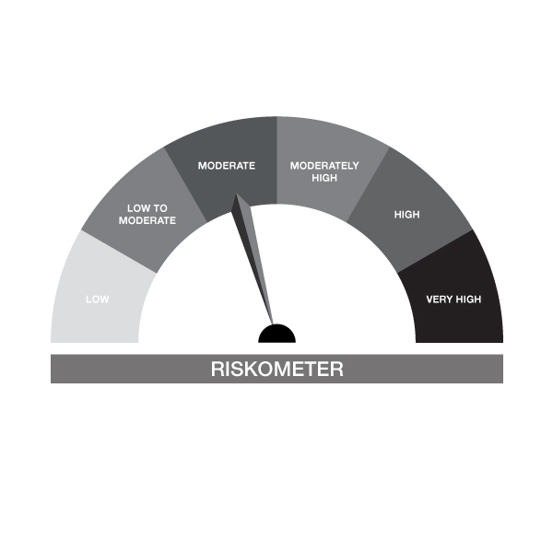
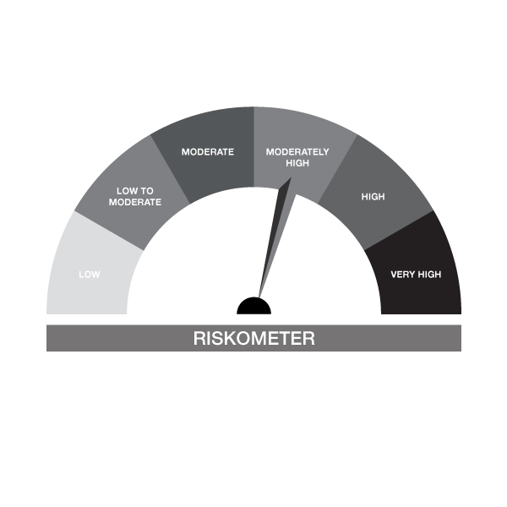

IB05-Groww Dynamic Bond Fund
Portfolio as on 30-NOV-2023
ISIN | Name of Instrument | Rating/Industry | Quantity | Market Value (In Rs. lakh) | % To Net Assets | Maturity Date | Put/Call Option | Yield
 | DEBT INSTRUMENTS
 | (a) Listed / awaiting listing on Stock Exchanges
 | Non Convertible Debentures / Bonds
 | Sub Total |  |  | NIL | NIL
 | (b) Privately placed / Unlisted |  |  | NIL | NIL
 | Sub Total |  |  | NIL | NIL
 | (c) Securitized Debt Instruments |  |  | NIL | NIL
 | Sub Total |  |  | NIL | NIL
 | (d) Government Securities / SDL
IN0020230085 | 7.18% GOI - 14-Aug-2033 | SOVEREIGN | 1,300,000.00 | 1,290.94 | 35.17% | 14-AUG-2033 |  | 7.28%
IN0020230036 | 7.17% GOI - 17-APR-2030 | SOVEREIGN | 1,000,000.00 | 994.05 | 27.08% | 17-APR-2030 |  | 7.29%
IN0020230010 | 7.06% GOI - 10-Apr-2028 | SOVEREIGN | 699,000.00 | 693.76 | 18.90% | 10-APR-2028 |  | 7.26%
IN0020220151 | 7.26% GOI MAT 06-Feb-2033 | SOVEREIGN | 300,000.00 | 298.67 | 8.14% | 06-FEB-2033 |  | 7.32%
IN0020220037 | 7.38% GOI MAT 20-Jun-2027 | SOVEREIGN | 50,000.00 | 50.18 | 1.37% | 20-JUN-2027 |  | 7.26%
 | Sub Total |  |  | 3,327.60 | 90.66%
 | Total |  |  | 3,327.60 | 90.66%

 | MONEY MARKET INSTRUMENTS
 | Total |  |  | NIL | NIL

 | FIXED DEPOSIT
INPYFDHDNL59 | HDFC Bank Limited |  | 80,000.00 | 80.00 | 2.18% | 01-DEC-2023
 | Total |  |  | 80.00 | 2.18%

 | Mutual Fund Units
INF0RQ622028 | SBI FUNDS MANAGEMENT PVT LMTD |  | 64.30 | 6.46 | 0.18%
 | Sub Total |  |  | 6.46 | 0.18%

 | TREPS / Reverse Repo Investments / Corporate Debt Repo
INTREP011223 | CCIL |  | 2,090.00 | 209.00 | 5.69% | 01-DEC-2023
 | Total |  |  | 209.00 | 5.69%

 | Cash & Cash Equivalents
 | Net Receivable/Payable |  |  | 47.31 | 1.29%
 | Total |  |  | 47.31 | 1.29%
 | Grand Total |  |  | 3,670.37 | 100.00%

** Non Traded Security

IB10
 | Scheme - Groww Short Duration Fund (formerly known as INDIABULLS SHORT TERM FUND) | Benchmark - CRISILShort Duration Debt B-II Index |  |  | Potential Risk Class (PRC)
 | Scheme Risk-O-Meter | Benchmark Risk-O-Meter |  |  | PRC Level - BII
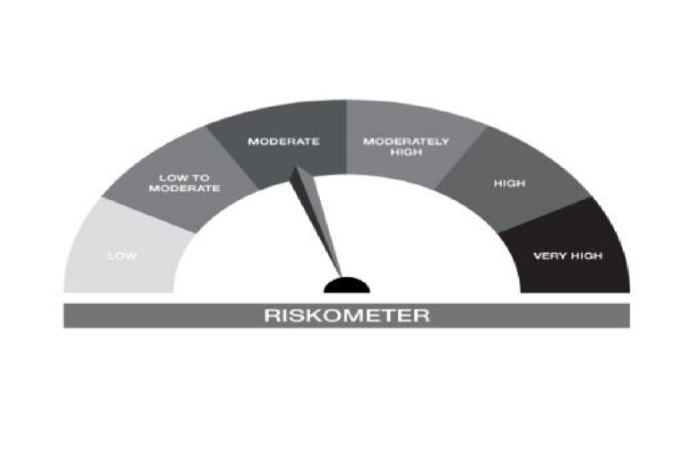



IB10-Groww Short Duration Fund
Portfolio as on 30-NOV-2023
ISIN | Name of Instrument | Rating/Industry | Quantity | Market Value (In Rs. lakh) | % To Net Assets | Maturity Date | Put/Call Option | Yield
 | DEBT INSTRUMENTS
 | (a) Listed / awaiting listing on Stock Exchanges
 | Non Convertible Debentures / Bonds
 | Sub Total |  |  | NIL | NIL
 | (b) Privately placed / Unlisted |  |  | NIL | NIL
 | Sub Total |  |  | NIL | NIL
 | (c) Securitized Debt Instruments |  |  | NIL | NIL
 | Sub Total |  |  | NIL | NIL
 | (d) Government Securities / SDL
IN0020230010 | 7.06% GOI - 10-Apr-2028 | SOVEREIGN | 1,500,000.00 | 1,488.76 | 39.82% | 10-APR-2028 |  | 7.26%
IN0020220037 | 7.38% GOI MAT 20-Jun-2027 | SOVEREIGN | 1,150,000.00 | 1,154.03 | 30.87% | 20-JUN-2027 |  | 7.26%
IN1620140153 | 8.08% Haryana SDL - 28-Jan-2025 | SOVEREIGN | 500,000.00 | 503.39 | 13.47% | 28-JAN-2025 |  | 7.44%
 | Sub Total |  |  | 3,146.18 | 84.16%
 | Total |  |  | 3,146.18 | 84.16%

 | MONEY MARKET INSTRUMENTS
 | Total |  |  | NIL | NIL

 | FIXED DEPOSIT
INPYFDHDNL59 | HDFC Bank Limited |  | 50,000.00 | 50.00 | 1.34% | 01-DEC-2023
 | Total |  |  | 50.00 | 1.34%

 | Mutual Fund Units
INF0RQ622028 | SBI FUNDS MANAGEMENT PVT LMTD |  | 50.40 | 5.06 | 0.14%
 | Sub Total |  |  | 5.06 | 0.14%

 | TREPS / Reverse Repo Investments / Corporate Debt Repo
INTREP011223 | CCIL |  | 4,760.00 | 476.00 | 12.73% | 01-DEC-2023
 | Total |  |  | 476.00 | 12.73%

 | Cash & Cash Equivalents
 | Net Receivable/Payable |  |  | 61.29 | 1.64%
 | Total |  |  | 61.29 | 1.64%
 | Grand Total |  |  | 3,738.53 | 100.00%

** Non Traded Security

IB16
 | Scheme - Groww Overnight Fund (formerly known as INDIABULLS OVERNIGHT FUND) | Benchmark - CRISIL Liquid Overnight Index |  |  | Potential Risk Class (PRC)
 | Scheme Risk-O-Meter |  | Benchmark Risk-O-Meter |  | PRC Level - AI

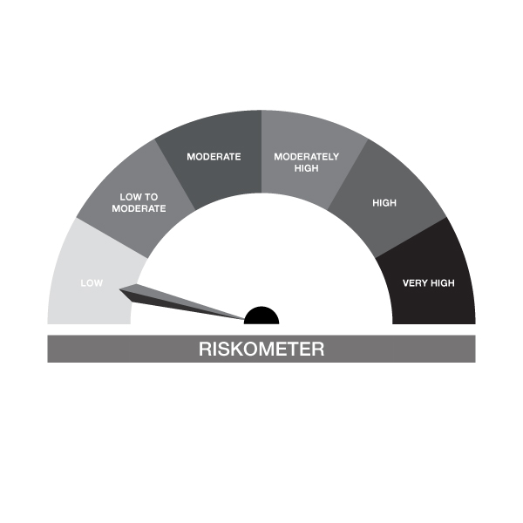

IB16-Groww Overnight Fund
Portfolio as on 30-NOV-2023
ISIN | Name of Instrument | Rating/Industry | Quantity | Market Value (In Rs. lakh) | % To Net Assets | Maturity Date | Put/Call Option | Yield
 | DEBT INSTRUMENTS
 | (a) Listed / awaiting listing on Stock Exchanges |  |  | NIL | NIL
 | Sub Total |  |  | NIL | NIL
 | (b) Privately placed / Unlisted |  |  | NIL | NIL
 | Sub Total |  |  | NIL | NIL
 | (c) Securitized Debt Instruments |  |  | NIL | NIL
 | Sub Total |  |  | NIL | NIL
 | (d) Government Securities / SDL |  |  | NIL | NIL
 | Sub Total |  |  | NIL | NIL
 | Total |  |  | NIL | NIL

 | MONEY MARKET INSTRUMENTS
 | Treasury Bills
IN002023X245 | 91 Days Treasury Bill 07-Dec-2023 | SOVEREIGN | 50,000.00 | 49.94 | 2.01% | 07-DEC-2023 |  | 6.85%
 | Sub Total |  |  | 49.94 | 2.01%
 | Total |  |  | 49.94 | 2.01%

 | TREPS / Reverse Repo Investments / Corporate Debt Repo
INTREP011223 | CCIL |  | 24,270.00 | 2,427.00 | 97.79% | 01-DEC-2023
 | Total |  |  | 2,427.00 | 97.79%

 | Cash & Cash Equivalents
 | Net Receivable/Payable |  |  | 4.91 | 0.20%
 | Total |  |  | 4.91 | 0.20%
 | Grand Total |  |  | 2,481.85 | 100.00%

