IB01
 | Scheme - Groww Large Cap Fund (formerly known as Indiabulls Blue Chip Fund) |  | Benchmark - NIFTY100 - TRI
 | Scheme Risk-O-Meter |  | Benchmark Risk-O-Meter
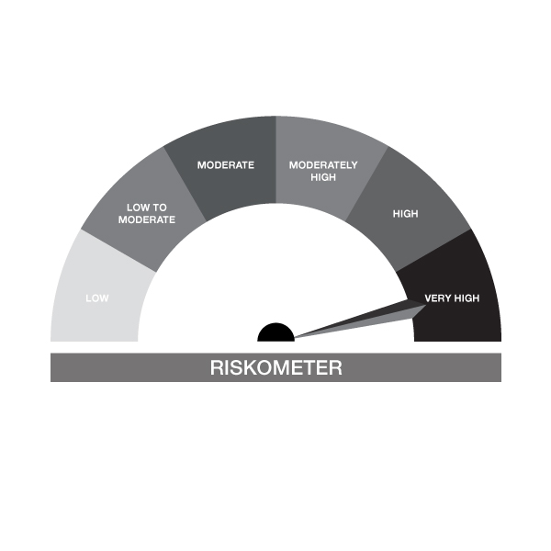

IB01-Groww Large Cap Fund
Portfolio as on 15-SEP-2023
ISIN | Name of Instrument | Rating/Industry | Quantity | Market Value (In Rs. lakh) | % To Net Assets | Maturity Date | Put/Call Option | Yield
 | EQUITY & EQUITY RELATED
 | (a) Listed / awaiting listing on the stock exchanges
INE090A01021 | ICICI Bank Limited | Banks | 84,267.00 | 836.31 | 8.48%
INE040A01034 | HDFC Bank Limited | Banks | 47,529.00 | 789.81 | 8.01%
INE018A01030 | Larsen & Toubro Limited | Construction | 21,763.00 | 632.99 | 6.42%
INE154A01025 | ITC Limited | Diversified FMCG | 103,284.00 | 463.07 | 4.69%
INE009A01021 | Infosys Limited | IT - Software | 27,611.00 | 417.37 | 4.23%
INE296A01024 | Bajaj Finance Limited | Finance | 5,426.00 | 406.53 | 4.12%
INE238A01034 | Axis Bank Limited | Banks | 34,144.00 | 350.71 | 3.56%
INE155A01022 | Tata Motors Limited | Automobiles | 49,865.00 | 316.27 | 3.21%
INE397D01024 | Bharti Airtel Limited | Telecom - Services | 33,041.00 | 309.31 | 3.14%
INE481G01011 | UltraTech Cement Limited | Cement & Cement Products | 3,500.00 | 305.49 | 3.10%
INE062A01020 | State Bank of India | Banks | 49,781.00 | 298.09 | 3.02%
INE002A01018 | Reliance Industries Limited | Petroleum Products | 11,341.00 | 278.74 | 2.83%
INE101A01026 | Mahindra & Mahindra Limited | Automobiles | 15,511.00 | 248.35 | 2.52%
INE121A01024 | Cholamandalam Invest & Finance Co Ltd | Finance | 18,297.00 | 224.52 | 2.28%
INE262H01013 | PERSISTENT SYSTEMS LTD | IT - Software | 3,763.00 | 224.49 | 2.28%
INE356A01018 | MphasiS Limited | IT - Software | 8,045.00 | 200.57 | 2.03%
INE467B01029 | Tata Consultancy Services Limited | IT - Software | 5,571.00 | 200.46 | 2.03%
INE028A01039 | Bank of Baroda | Banks | 92,700.00 | 195.41 | 1.98%
INE021A01026 | Asian Paints Limited | Consumer Durables | 5,012.00 | 160.22 | 1.62%
INE585B01010 | Maruti Suzuki India Limited | Automobiles | 1,484.00 | 156.19 | 1.58%
INE917I01010 | Bajaj Auto Limited | Automobiles | 3,021.00 | 154.99 | 1.57%
INE280A01028 | Titan Company Limited | Consumer Durables | 4,741.00 | 154.02 | 1.56%
INE095A01012 | IndusInd Bank Limited | Banks | 10,277.00 | 149.02 | 1.51%
INE298A01020 | Cummins India Limited | Industrial Products | 8,500.00 | 148.52 | 1.51%
INE775A01035 | Samvardhana Motherson International Ltd | Auto Components | 150,133.00 | 147.81 | 1.50%
INE044A01036 | Sun Pharmaceutical Industries Limited | Pharmaceuticals & Biotechnology | 12,503.00 | 143.76 | 1.46%
INE836A01035 | Birlasoft Ltd | IT - Software | 27,392.00 | 138.06 | 1.40%
INE646L01027 | InterGlobe Aviation Limited | Transport Services | 5,648.00 | 135.07 | 1.37%
INE079A01024 | Ambuja Cements Limited | Cement & Cement Products | 29,500.00 | 131.29 | 1.33%
INE334L01012 | UJJIVAN FINANCIAL SERVICES LIMITED | Finance | 22,683.00 | 115.56 | 1.17%
INE263A01024 | Bharat Electronics Limited | Aerospace & Defense | 84,624.00 | 114.83 | 1.16%
INE271C01023 | DLF Limited | Realty | 20,652.00 | 109.95 | 1.11%
INE591G01017 | Coforge Limited | IT - Software | 1,951.00 | 109.62 | 1.11%
INE326A01037 | Lupin Limited | Pharmaceuticals & Biotechnology | 9,049.00 | 104.13 | 1.06%
INE878B01027 | KEI Industries Limited | Industrial Products | 3,750.00 | 99.44 | 1.01%
INE741K01010 | Creditaccess Grameen Limited | Finance | 7,163.00 | 98.95 | 1.00%
INE081A01020 | Tata Steel Limited | Ferrous Metals | 74,864.00 | 98.78 | 1.00%
INE758T01015 | Zomato Limited | Retailing | 94,861.00 | 97.66 | 0.99%
INE239A01016 | Nestle India Limited | Food Products | 429.00 | 97.05 | 0.98%
INE171Z01018 | Bharat Dynamics Limited | Aerospace & Defense | 8,484.00 | 90.30 | 0.92%
INE953O01021 | Sansera Engineering Limited | Auto Components | 8,830.00 | 85.15 | 0.86%
INE786A01032 | JK Lakshmi Cement Limited | Cement & Cement Products | 11,000.00 | 71.96 | 0.73%
INE758E01017 | Jio Financial Services Limited | Finance | 17,593.00 | 42.12 | 0.43%
 | Sub Total |  |  | 9,652.94 | 97.87%
 | (b) Unlisted |  |  | NIL | NIL
 | Sub Total |  |  | NIL | NIL
 | Total |  |  | 9,652.94 | 97.87%

 | DEBT INSTRUMENTS
 | (a) Listed / awaiting listing on Stock Exchanges |  |  |  | NIL
 | Non Convertible Debentures / Bonds
INE216A08027 | 5.50% Britannia Industries Limited 03-JUN-2024** | CRISIL AAA | 50.00 | 0.01 | 0.00% | 03-JUN-2024 |  | 7.54%
 | Sub Total |  |  | 0.01 | 0.00%
 | (b) Privately placed / Unlisted |  |  | NIL | NIL
 | Sub Total |  |  | NIL | NIL
 | (c) Securitized Debt Instruments |  |  | NIL | NIL
 | Sub Total |  |  | NIL | NIL
 | (d) Government Securities / SDL |  |  | NIL | NIL
 | Sub Total |  |  | NIL | NIL
 | Total |  |  | 0.01 | NIL

 | MONEY MARKET INSTRUMENTS
 | Total |  |  | NIL | NIL

 | TREPS / Reverse Repo Investments / Corporate Debt Repo
INTREP180923 | CCIL |  | 2,000.00 | 199.93 | 2.03% | 18-SEP-2023
 | Total |  |  | 199.93 | 2.03%

 | Cash & Cash Equivalents
 | Net Receivable/Payable |  |  | 10.72 | 0.11%
 | Total |  |  | 10.72 | 0.11%
 | Grand Total |  |  | 9,863.61 | 100.00%

** Non Traded Security

IB02
 | Scheme - Groww Liquid Fund (formrly known as Indiabulls Liquid Fund) |  | Benchmark - CRISIL Liquid Debt B-I Index |  | Potential Risk Class (PRC)
 | Scheme Risk-O-Meter |  | Benchmark Risk-O-Meter |  | PRC Level - BI

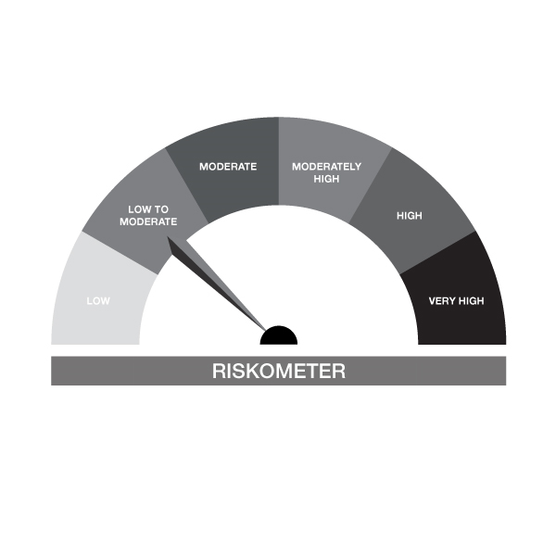
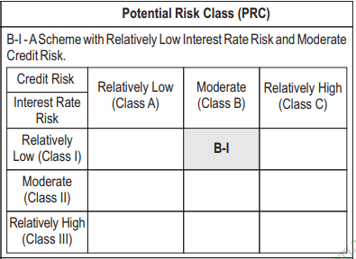

IB02-Groww Liquid Fund
Portfolio as on 15-SEP-2023
ISIN | Name of Instrument | Rating/Industry | Quantity | Market Value (In Rs. lakh) | % To Net Assets | Maturity Date | Put/Call Option | Yield
 | DEBT INSTRUMENTS
 | (a) Listed / awaiting listing on Stock Exchanges |  |  | NIL | NIL
 | Sub Total |  |  | NIL | NIL
 | (b) Privately placed / Unlisted |  |  | NIL | NIL
 | Sub Total |  |  | NIL | NIL
 | (c) Securitized Debt Instruments |  |  | NIL | NIL
 | Sub Total |  |  | NIL | NIL
 | (d) Government Securities / SDL |  |  | NIL | NIL
 | Sub Total |  |  | NIL | NIL
 | Total |  |  | NIL | NIL

 | MONEY MARKET INSTRUMENTS
 | Treasury Bills
IN002023X138 | 91 Days Treasury Bill 29-Sep-2023 | SOVEREIGN | 1,000,000.00 | 997.58 | 6.49% | 29-SEP-2023 |  | 6.8%
IN002023Y029 | 182 Days Treasury Bill 12-Oct-2023 | SOVEREIGN | 500,000.00 | 497.61 | 3.24% | 12-OCT-2023 |  | 6.75%
IN002023X146 | 91 Days Treasury Bill 05-Oct-2023 | SOVEREIGN | 500,000.00 | 498.25 | 3.24% | 05-OCT-2023 |  | 6.76%
IN002022Z283 | 364 Day Treasury Bill 12-Oct-2023 | SOVEREIGN | 1,000,000.00 | 995.22 | 6.47% | 12-OCT-2023 |  | 6.75%
IN002022Y526 | 182 Day Treasury Bill 22-Sep-2023 | SOVEREIGN | 450,000.00 | 449.50 | 2.92% | 22-SEP-2023 |  | 6.78%
IN002022Y534 | 182 Days Treasury Bill 29-Sep-2023 | SOVEREIGN | 900,000.00 | 897.83 | 5.84% | 29-SEP-2023 |  | 6.8%
 | Sub Total |  |  | 4,335.98 | 28.20%
 | Commercial Papers
INE975F14XY9 | Kotak Mahindra Investments Ltd. 27-SEP-2023** | CRISIL A1+ | 1,000,000.00 | 997.86 | 6.49% | 27-SEP-2023 |  | 7.13%
INE891D14XK2 | Redington Limited 10-OCT-2023** | CRISIL A1+ | 1,000,000.00 | 995.29 | 6.47% | 10-OCT-2023 |  | 7.21%
INE018A14JU6 | Larsen & Toubro Limited 29-SEP-2023 | CRISIL A1+ | 1,000,000.00 | 997.50 | 6.49% | 29-SEP-2023 |  | 7.03%
INE556F14JF5 | SIDBI 20-NOV-2023 | CRISIL A1+ | 1,000,000.00 | 987.52 | 6.42% | 20-NOV-2023 |  | 7.1%
INE121A14VD9 | Cholamandalam Invest & Finance Co Ltd 11-OCT-2023** | CRISIL A1+ | 1,000,000.00 | 994.81 | 6.47% | 11-OCT-2023 |  | 7.62%
INE763G14QR5 | ICICI Securities Limited 21-NOV-2023** | CRISIL A1+ | 1,000,000.00 | 986.71 | 6.42% | 21-NOV-2023 |  | 7.45%
 | Sub Total |  |  | 5,959.68 | 38.76%
 | Certificate of Deposits
INE092T16VH8 | IDFC First Bank Limited 22-NOV-2023**# | CRISIL A1+ | 1,000,000.00 | 987.14 | 6.42% | 22-NOV-2023 |  | 7.09%
INE237A164R5 | Kotak Mahindra Bank Limited 11-DEC-2023**# | CRISIL A1+ | 1,000,000.00 | 983.75 | 6.40% | 11-DEC-2023 |  | 7.01%
INE090A169Y6 | ICICI Bank Limited 17-NOV-2023**# | ICRA A1+ | 1,000,000.00 | 988.23 | 6.43% | 17-NOV-2023 |  | 7.01%
INE238AD6108 | Axis Bank Limited 10-OCT-2023**# | CRISIL A1+ | 1,000,000.00 | 995.40 | 6.47% | 10-OCT-2023 |  | 7.03%
 | Sub Total |  |  | 3,954.53 | 25.72%
 | Total |  |  | 14,250.19 | 92.68%

 | FIXED DEPOSIT
INPYFDSAHI19 | HDFC Bank Limited |  | 60,000.00 | 60.00 | 0.39% | 09-OCT-2023
 | Total |  |  | 60.00 | 0.39%

 | TREPS / Reverse Repo Investments / Corporate Debt Repo
INTREP180923 | CCIL |  | 5,700.00 | 569.79 | 3.71% | 18-SEP-2023
 | Total |  |  | 569.79 | 3.71%

 | Cash & Cash Equivalents
 | Net Receivable/Payable |  |  | 494.31 | 3.22%
 | Total |  |  | 494.31 | 3.22%
 | Grand Total |  |  | 15,374.28 | 100.00%

** Non Traded Security
# Unlisted Securities

IB04
 | Scheme - Groww Arbitrage Fund (fomerly known as INDIABULLS ARBITRAGE FUND) |  | Benchmark - NIFTY 50 Arbitrage Index
 | Scheme Risk-O-Meter |  | Benchmark Risk-O-Meter
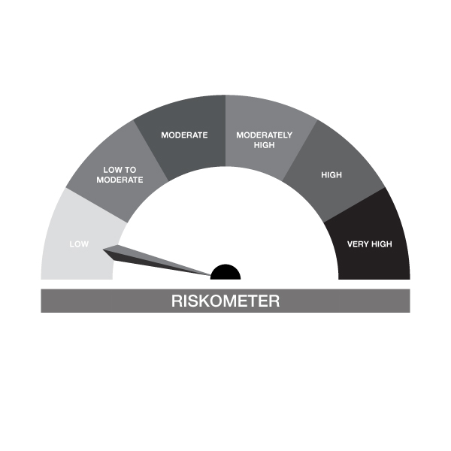

IB04-Groww Arbitrage Fund
Portfolio as on 15-SEP-2023
ISIN | Name of Instrument | Rating/Industry | Quantity | Market Value (In Rs. lakh) | % To Net Assets | Maturity Date | Put/Call Option | Yield
 | EQUITY & EQUITY RELATED
 | (a) Listed / awaiting listing on the stock exchanges
INE093I01010 | Oberoi Realty Limited | Realty | 2,100.00 | 24.65 | 9.92%
INE238A01034 | Axis Bank Limited | Banks | 1,875.00 | 19.26 | 7.75%
INE002A01018 | Reliance Industries Limited | Petroleum Products | 750.00 | 18.43 | 7.41%
INE040A01034 | HDFC Bank Limited | Banks | 1,100.00 | 18.28 | 7.35%
INE477A01020 | Can Fin Homes Limited | Finance | 1,950.00 | 15.23 | 6.13%
INE154A01025 | ITC Limited | Diversified FMCG | 3,200.00 | 14.35 | 5.77%
INE016A01026 | Dabur India Limited | Personal Products | 2,500.00 | 14.14 | 5.69%
INE491A01021 | City Union Bank Limited | Banks | 10,000.00 | 13.26 | 5.33%
INE102D01028 | Godrej Consumer Products Limited | Personal Products | 1,000.00 | 10.02 | 4.03%
INE296A01024 | Bajaj Finance Limited | Finance | 125.00 | 9.37 | 3.77%
INE053A01029 | The Indian Hotels Company Limited | Leisure Services | 2,000.00 | 8.33 | 3.35%
INE081A01020 | Tata Steel Limited | Ferrous Metals | 5,500.00 | 7.26 | 2.92%
INE094A01015 | Hindustan Petroleum Corporation Limited | Petroleum Products | 2,700.00 | 6.81 | 2.74%
 | Sub Total |  |  | 179.38 | 72.16%
 | (b) Unlisted |  |  | NIL | NIL
 | Sub Total |  |  | NIL | NIL
 | Total |  |  | 179.38 | 72.16%

 | DERIVATIVES
 | Hindustan Petroleum Corporation Limited 28/09/2023 |  | -2,700.00 | -6.84 | -2.75% | 28-SEP-2023
 | Tata Steel Limited 28/09/2023 |  | -5,500.00 | -7.29 | -2.93% | 28-SEP-2023
 | The Indian Hotels Company Limited 28/09/2023 |  | -2,000.00 | -8.37 | -3.36% | 28-SEP-2023
 | Bajaj Finance Limited 28/09/2023 |  | -125.00 | -9.40 | -3.78% | 28-SEP-2023
 | Godrej Consumer Products Limited 28/09/2023 |  | -1,000.00 | -10.05 | -4.04% | 28-SEP-2023
 | City Union Bank Limited 28/09/2023 |  | -10,000.00 | -13.30 | -5.35% | 28-SEP-2023
 | Dabur India Limited 28/09/2023 |  | -2,500.00 | -14.18 | -5.70% | 28-SEP-2023
 | ITC Limited 28/09/2023 |  | -3,200.00 | -14.40 | -5.79% | 28-SEP-2023
 | Can Fin Homes Limited 28/09/2023 |  | -1,950.00 | -15.29 | -6.15% | 28-SEP-2023
 | HDFC Bank Limited 28/09/2023 |  | -1,100.00 | -18.29 | -7.36% | 28-SEP-2023
 | Reliance Industries Limited 28/09/2023 |  | -750.00 | -18.49 | -7.44% | 28-SEP-2023
 | Axis Bank Limited 28/09/2023 |  | -1,875.00 | -19.29 | -7.76% | 28-SEP-2023
 | Oberoi Realty Limited 28/09/2023 |  | -2,100.00 | -24.69 | -9.93% | 28-SEP-2023
 | Total |  |  | -179.87 | -72.35%

 | DEBT INSTRUMENTS
 | (a) Listed / awaiting listing on Stock Exchanges |  |  | NIL | NIL
 | Sub Total |  |  | NIL | NIL
 | (b) Privately placed / Unlisted |  |  | NIL | NIL
 | Sub Total |  |  | NIL | NIL
 | (c) Securitized Debt Instruments |  |  | NIL | NIL
 | Sub Total |  |  | NIL | NIL
 | (d) Government Securities / SDL |  |  | NIL | NIL
 | Sub Total |  |  | NIL | NIL
 | Total |  |  | NIL | NIL

 | MONEY MARKET INSTRUMENTS
 | Total |  |  | NIL | NIL

 | FIXED DEPOSIT
INPYFDHDNL54 | HDFC Bank Limited |  | 5,000.00 | 5.00 | 2.01% | 18-SEP-2023
 | Total |  |  | 5.00 | 2.01%

 | TREPS / Reverse Repo Investments / Corporate Debt Repo
INTREP180923 | CCIL |  | 50.00 | 5.00 | 2.01% | 18-SEP-2023
 | Total |  |  | 5.00 | 2.01%

 | Cash & Cash Equivalents
 | Net Receivable/Payable |  |  | 239.12 | 96.18%
 | Total |  |  | 239.12 | 96.18%
 | Grand Total |  |  | 248.62 | 100.00%

IB05
 | Scheme - Groww Dynamic Bond Fund (formerly known as INDIABULLS DYNAMIC BOND FUND) |  | Benchmark - CRISIL Dynamic Bond B-III Index |  | Potential Risk Class (PRC)
 | Scheme Risk-O-Meter |  | Benchmark Risk-O-Meter |  | PRC Level - BIII

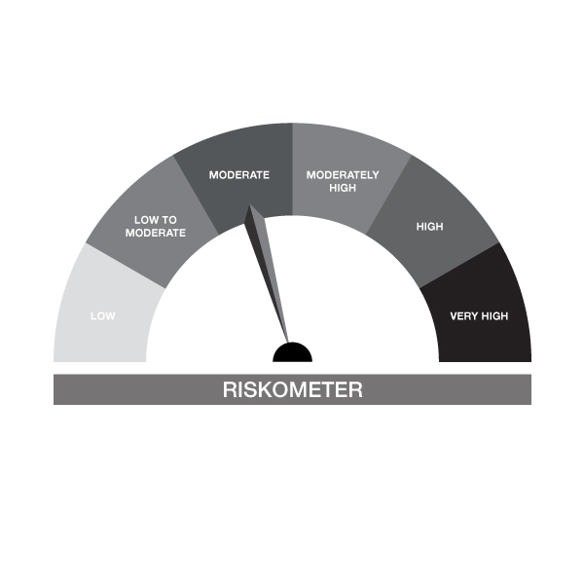
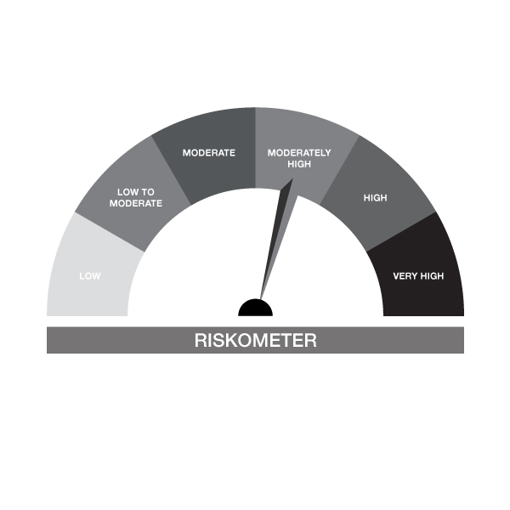

IB05-Groww Dynamic Bond Fund
Portfolio as on 15-SEP-2023
ISIN | Name of Instrument | Rating/Industry | Quantity | Market Value (In Rs. lakh) | % To Net Assets | Maturity Date | Put/Call Option | Yield
 | DEBT INSTRUMENTS
 | (a) Listed / awaiting listing on Stock Exchanges |  |  | NIL | NIL
 | Sub Total |  |  | NIL | NIL
 | (b) Privately placed / Unlisted |  |  | NIL | NIL
 | Sub Total |  |  | NIL | NIL
 | (c) Securitized Debt Instruments |  |  | NIL | NIL
 | Sub Total |  |  | NIL | NIL
 | (d) Government Securities / SDL
IN0020220151 | 7.26% GOI MAT 06-Feb-2033 | SOVEREIGN | 800,000.00 | 803.73 | 29.09% | 06-FEB-2033 |  | 7.19%
IN0020230010 | 7.06% GOI - 10-Apr-2028 | SOVEREIGN | 750,000.00 | 746.84 | 27.03% | 10-APR-2028 |  | 7.17%
IN0020220037 | 7.38% GOI MAT 20-Jun-2027 | SOVEREIGN | 50,000.00 | 50.32 | 1.82% | 20-JUN-2027 |  | 7.18%
 | Sub Total |  |  | 1,600.89 | 57.94%
 | Total |  |  | 1,600.89 | 57.94%

 | MONEY MARKET INSTRUMENTS
 | Total |  |  | NIL | NIL

 | FIXED DEPOSIT
INHDFC151023 | HDFC Bank Limited |  | 80,000.00 | 80.00 | 2.90% | 15-OCT-2023
 | Total |  |  | 80.00 | 2.90%

 | TREPS / Reverse Repo Investments / Corporate Debt Repo
INTREP180923 | CCIL |  | 7,530.00 | 752.72 | 27.25% | 18-SEP-2023
 | Rev REPO 18.09.2023 |  |  | 299.10 | 10.83% | 18-SEP-2023
 | Total |  |  | 1,051.83 | 38.07%

 | Cash & Cash Equivalents
 | Net Receivable/Payable |  |  | 30.04 | 1.09%
 | Total |  |  | 30.04 | 1.09%
 | Grand Total |  |  | 2,762.75 | 100.00%

IB10
 | Scheme - Groww Short Duration Fund (formerly known as INDIABULLS SHORT TERM FUND) | Benchmark - CRISILShort Duration Debt B-II Index |  |  | Potential Risk Class (PRC)
 | Scheme Risk-O-Meter | Benchmark Risk-O-Meter |  |  | PRC Level - BII



IB10-Groww Short Duration Fund
Portfolio as on 15-SEP-2023
ISIN | Name of Instrument | Rating/Industry | Quantity | Market Value (In Rs. lakh) | % To Net Assets | Maturity Date | Put/Call Option | Yield
 | DEBT INSTRUMENTS
 | (a) Listed / awaiting listing on Stock Exchanges |  |  | NIL | NIL
 | Sub Total |  |  | NIL | NIL
 | (b) Privately placed / Unlisted |  |  | NIL | NIL
 | Sub Total |  |  | NIL | NIL
 | (c) Securitized Debt Instruments |  |  | NIL | NIL
 | Sub Total |  |  | NIL | NIL
 | (d) Government Securities / SDL
IN0020220037 | 7.38% GOI MAT 20-Jun-2027 | SOVEREIGN | 1,150,000.00 | 1,157.28 | 36.42% | 20-JUN-2027 |  | 7.18%
IN1620140153 | 8.08% Haryana SDL - 28-Jan-2025 | SOVEREIGN | 500,000.00 | 504.95 | 15.89% | 28-JAN-2025 |  | 7.29%
 | Sub Total |  |  | 1,662.24 | 52.31%
 | Total |  |  | 1,662.24 | 52.31%

 | MONEY MARKET INSTRUMENTS
 | Total |  |  | NIL | NIL

 | FIXED DEPOSIT
INHDFC151023 | HDFC Bank Limited |  | 50,000.00 | 50.00 | 1.57% | 15-OCT-2023
 | Total |  |  | 50.00 | 1.57%

 | TREPS / Reverse Repo Investments / Corporate Debt Repo
INTREP180923 | CCIL |  | 14,440.00 | 1,443.47 | 45.43% | 18-SEP-2023
 | Total |  |  | 1,443.47 | 45.43%

 | Cash & Cash Equivalents
 | Net Receivable/Payable |  |  | 21.52 | 0.68%
 | Total |  |  | 21.52 | 0.68%
 | Grand Total |  |  | 3,177.22 | 100.00%

IB16
 | Scheme - Groww Overnight Fund (formerly known as INDIABULLS OVERNIGHT FUND) | Benchmark - CRISIL Liquid Overnight Index |  |  | Potential Risk Class (PRC)
 | Scheme Risk-O-Meter |  | Benchmark Risk-O-Meter |  | PRC Level - AI


IB16-Groww Overnight Fund
Portfolio as on 15-SEP-2023
ISIN | Name of Instrument | Rating/Industry | Quantity | Market Value (In Rs. lakh) | % To Net Assets | Maturity Date | Put/Call Option | Yield
 | DEBT INSTRUMENTS
 | (a) Listed / awaiting listing on Stock Exchanges |  |  | NIL | NIL
 | Sub Total |  |  | NIL | NIL
 | (b) Privately placed / Unlisted |  |  | NIL | NIL
 | Sub Total |  |  | NIL | NIL
 | (c) Securitized Debt Instruments |  |  | NIL | NIL
 | Sub Total |  |  | NIL | NIL
 | (d) Government Securities / SDL |  |  | NIL | NIL
 | Sub Total |  |  | NIL | NIL
 | Total |  |  | NIL | NIL

 | MONEY MARKET INSTRUMENTS
 | Treasury Bills
IN002022Y534 | 182 Days Treasury Bill 29-Sep-2023 | SOVEREIGN | 100,000.00 | 99.76 | 3.28% | 29-SEP-2023 |  | 6.8%
IN002022Y526 | 182 Day Treasury Bill 22-Sep-2023 | SOVEREIGN | 50,000.00 | 49.94 | 1.64% | 22-SEP-2023 |  | 6.78%
 | Sub Total |  |  | 149.70 | 4.92%
 | Total |  |  | 149.70 | 4.92%

 | TREPS / Reverse Repo Investments / Corporate Debt Repo
INTREP180923 | CCIL |  | 28,930.00 | 2,891.93 | 94.97% | 18-SEP-2023
 | Total |  |  | 2,891.93 | 94.97%

 | Cash & Cash Equivalents
 | Net Receivable/Payable |  |  | 3.60 | 0.12%
 | Total |  |  | 3.60 | 0.12%
 | Grand Total |  |  | 3,045.24 | 100.00%

