IB01
 | Scheme - Groww Large Cap Fund (formerly known as Indiabulls Blue Chip Fund) |  | Benchmark - NIFTY100 - TRI
 | Scheme Risk-O-Meter |  | Benchmark Risk-O-Meter
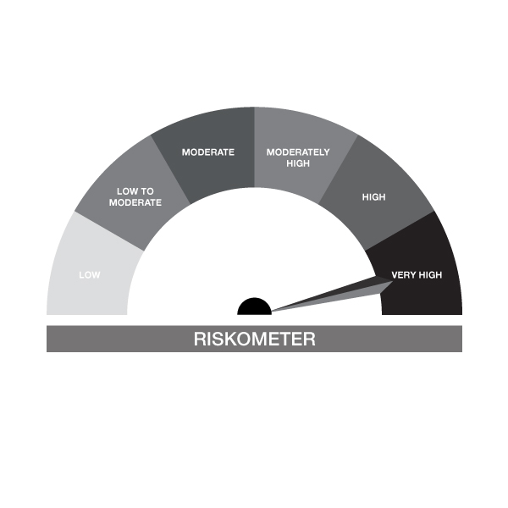

IB01-Groww Large Cap Fund
Portfolio as on 31-DEC-2023
ISIN | Name of Instrument | Rating/Industry | Quantity | Market Value (In Rs. lakh) | % To Net Assets | Maturity Date | Put/Call Option | Yield
 | EQUITY & EQUITY RELATED
 | (a) Listed / awaiting listing on the stock exchanges
INE090A01021 | ICICI Bank Limited | Banks | 97,475.00 | 971.44 | 8.56%
INE018A01030 | Larsen & Toubro Limited | Construction | 25,580.00 | 901.95 | 7.95%
INE040A01034 | HDFC Bank Limited | Banks | 50,157.00 | 857.31 | 7.55%
INE002A01018 | Reliance Industries Limited | Petroleum Products | 15,299.00 | 395.47 | 3.48%
INE733E01010 | NTPC Limited | Power | 125,583.00 | 390.75 | 3.44%
INE155A01022 | Tata Motors Limited | Automobiles | 49,865.00 | 388.92 | 3.43%
INE917I01010 | Bajaj Auto Limited | Automobiles | 5,590.00 | 379.97 | 3.35%
INE238A01034 | Axis Bank Limited | Banks | 34,144.00 | 376.37 | 3.32%
INE481G01011 | UltraTech Cement Limited | Cement & Cement Products | 3,500.00 | 367.61 | 3.24%
INE154A01025 | ITC Limited | Diversified FMCG | 75,915.00 | 350.80 | 3.09%
INE397D01024 | Bharti Airtel Limited | Telecom - Services | 33,041.00 | 341.05 | 3.01%
INE062A01020 | State Bank of India | Banks | 49,781.00 | 319.62 | 2.82%
INE467B01029 | Tata Consultancy Services Limited | IT - Software | 8,388.00 | 318.19 | 2.80%
INE356A01018 | MphasiS Limited | IT - Software | 11,328.00 | 310.36 | 2.73%
INE296A01024 | Bajaj Finance Limited | Finance | 3,825.00 | 280.29 | 2.47%
INE262H01013 | PERSISTENT SYSTEMS LTD | IT - Software | 3,763.00 | 278.06 | 2.45%
INE101A01026 | Mahindra & Mahindra Limited | Automobiles | 15,511.00 | 268.25 | 2.36%
INE280A01028 | Titan Company Limited | Consumer Durables | 6,347.00 | 233.28 | 2.06%
INE121A01024 | Cholamandalam Invest & Finance Co Ltd | Finance | 18,297.00 | 230.51 | 2.03%
INE758T01015 | Zomato Limited | Retailing | 184,230.00 | 227.89 | 2.01%
INE095A01012 | IndusInd Bank Limited | Banks | 13,645.00 | 218.18 | 1.92%
INE009A01021 | Infosys Limited | IT - Software | 13,252.00 | 204.47 | 1.80%
INE860A01027 | HCL Technologies Limited | IT - Software | 13,082.00 | 191.80 | 1.69%
INE646L01027 | InterGlobe Aviation Limited | Transport Services | 5,648.00 | 167.58 | 1.48%
INE298A01020 | Cummins India Limited | Industrial Products | 8,500.00 | 166.94 | 1.47%
INE044A01036 | Sun Pharmaceutical Industries Limited | Pharmaceuticals & Biotechnology | 12,503.00 | 157.47 | 1.39%
INE263A01024 | Bharat Electronics Limited | Aerospace & Defense | 84,624.00 | 155.88 | 1.37%
INE775A01035 | Samvardhana Motherson International Ltd | Auto Components | 150,133.00 | 153.06 | 1.35%
INE271C01023 | DLF Limited | Realty | 20,652.00 | 150.02 | 1.32%
INE171Z01018 | Bharat Dynamics Limited | Aerospace & Defense | 8,484.00 | 145.28 | 1.28%
INE836A01035 | Birlasoft Ltd | IT - Software | 16,986.00 | 122.48 | 1.08%
INE591G01017 | Coforge Limited | IT - Software | 1,951.00 | 122.41 | 1.08%
INE326A01037 | Lupin Limited | Pharmaceuticals & Biotechnology | 9,049.00 | 119.71 | 1.05%
INE010V01017 | L&T Technology Services Ltd | IT - Services | 2,211.00 | 116.19 | 1.02%
INE741K01010 | Creditaccess Grameen Limited | Finance | 7,163.00 | 114.36 | 1.01%
INE021A01026 | Asian Paints Limited | Consumer Durables | 3,341.00 | 113.67 | 1.00%
INE081A01020 | Tata Steel Limited | Ferrous Metals | 74,864.00 | 104.51 | 0.92%
INE786A01032 | JK Lakshmi Cement Limited | Cement & Cement Products | 11,000.00 | 98.93 | 0.87%
INE953O01021 | Sansera Engineering Limited | Auto Components | 8,830.00 | 89.97 | 0.79%
 | Sub Total |  |  | 10,900.98 | 96.05%
 | (b) Unlisted |  |  | NIL | NIL
 | Sub Total |  |  | NIL | NIL
 | Total |  |  | 10,900.98 | 96.05%

 | DEBT INSTRUMENTS
 | (a) Listed / awaiting listing on Stock Exchanges
 | Non Convertible Debentures / Bonds
INE216A08027 | 5.50% Britannia Industries Limited 03-JUN-2024** | CRISIL AAA | 338.00 | 0.10 | 0.00% | 03-JUN-2024 |  | 7.79%
 | Sub Total |  |  | 0.10 | 0.00%
 | (b) Privately placed / Unlisted |  |  | NIL | NIL
 | Sub Total |  |  | NIL | NIL
 | (c) Securitized Debt Instruments |  |  | NIL | NIL
 | Sub Total |  |  | NIL | NIL
 | (d) Government Securities / SDL |  |  | NIL | NIL
 | Sub Total |  |  | NIL | NIL
 | Total |  |  | 0.10 | 0.00%

 | MONEY MARKET INSTRUMENTS
 | Total |  |  | NIL | NIL

 | Mutual Fund Units
INF666M01451 | Groww Mutual Fund |  | 4,408.05 | 101.22 | 0.89%
 | Total |  |  | 101.22 | 0.89%

 | TREPS / Reverse Repo Investments / Corporate Debt Repo
INTREP010124 | CCIL |  | 4,620.00 | 462.00 | 4.07% | 01-JAN-2024
 | Total |  |  | 462.00 | 4.07%

 | Cash & Cash Equivalents
 | Net Receivable/Payable |  |  | -114.94 | -1.01%
 | Total |  |  | -114.94 | -1.01%
 | Grand Total |  |  | 11,349.35 | 100.00%

** Non Traded Security

IB02
 | Scheme - Groww Liquid Fund (formrly known as Indiabulls Liquid Fund) |  | Benchmark - CRISIL Liquid Debt B-I Index |  | Potential Risk Class (PRC)
 | Scheme Risk-O-Meter |  | Benchmark Risk-O-Meter |  | PRC Level - BI

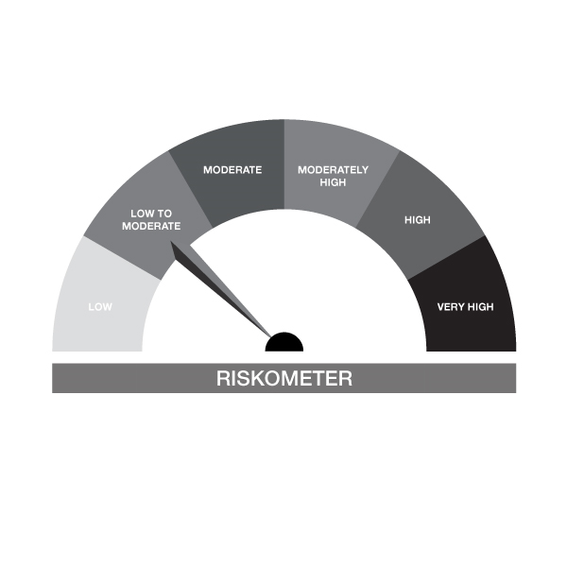

IB02-Groww Liquid Fund
Portfolio as on 31-DEC-2023
ISIN | Name of Instrument | Rating/Industry | Quantity | Market Value (In Rs. lakh) | % To Net Assets | Maturity Date | Put/Call Option | Yield
 | DEBT INSTRUMENTS
 | (a) Listed / awaiting listing on Stock Exchanges
 | Non Convertible Debentures / Bonds
 | Sub Total |  |  | NIL | NIL
 | (b) Privately placed / Unlisted |  |  | NIL | NIL
 | Sub Total |  |  | NIL | NIL
 | (c) Securitized Debt Instruments |  |  | NIL | NIL
 | Sub Total |  |  | NIL | NIL
 | (d) Government Securities / SDL |  |  | NIL | NIL
 | Sub Total |  |  | NIL | NIL
 | Total |  |  | NIL | NIL

 | MONEY MARKET INSTRUMENTS
 | Treasury Bills
IN002022Z499 | 364 Days Treasury Bill 07-Mar-2024 | SOVEREIGN | 500,000.00 | 493.83 | 2.81% | 07-MAR-2024 |  | 6.91%
IN002023X351 | 91 Days Treasury Bill 22-Feb-2024 | SOVEREIGN | 500,000.00 | 495.15 | 2.82% | 22-FEB-2024 |  | 6.88%
IN002023X302 | 91 Days Treasury Bill 18-Jan-2024 | SOVEREIGN | 500,000.00 | 498.42 | 2.84% | 18-JAN-2024 |  | 6.82%
IN002023X344 | 91 Days Treasury Bill 15-Feb-2024 | SOVEREIGN | 1,000,000.00 | 991.63 | 5.65% | 15-FEB-2024 |  | 6.85%
IN002022Z507 | 364 Day Treasury Bill 14-Mar-2024 | SOVEREIGN | 1,000,000.00 | 986.37 | 5.62% | 14-MAR-2024 |  | 6.91%
 | Sub Total |  |  | 3,465.39 | 19.74%
 | Commercial Papers
INE860H141R0 | Aditya Birla Finance Limited 01-FEB-2024** | ICRA A1+ | 500,000.00 | 496.70 | 2.83% | 01-FEB-2024 |  | 7.83%
INE860H141A6 | Aditya Birla Finance Limited 24-JAN-2024** | ICRA A1+ | 500,000.00 | 497.56 | 2.83% | 24-JAN-2024 |  | 7.78%
INE514E14QY3 | EXIM Bank 22-MAR-2024** | CRISIL A1+ | 500,000.00 | 492.03 | 2.80% | 22-MAR-2024 |  | 7.3%
INE941D14485 | Sikka Ports & Terminals Limited 09-FEB-2024** | CRISIL A1+ | 1,000,000.00 | 992.09 | 5.65% | 09-FEB-2024 |  | 7.46%
INE121A14VK4 | Cholamandalam Invest & Finance Co Ltd 22-MAR-2024** | CRISIL A1+ | 1,000,000.00 | 982.48 | 5.60% | 22-MAR-2024 |  | 8.04%
INE110O14BE3 | Axis Securities Limited 21-FEB-2024** | CRISIL A1+ | 1,000,000.00 | 988.95 | 5.63% | 21-FEB-2024 |  | 8%
INE556F14JU4 | SIDBI 25-JAN-2024** | ICRA A1+ | 1,000,000.00 | 995.16 | 5.67% | 25-JAN-2024 |  | 7.4%
INE514E14QW7 | EXIM Bank 15-MAR-2024** | CRISIL A1+ | 500,000.00 | 492.71 | 2.81% | 15-MAR-2024 |  | 7.3%
 | Sub Total |  |  | 5,937.68 | 33.83%
 | Certificate of Deposits
INE261F16710 | NABARD 13-MAR-2024**# | CRISIL A1+ | 500,000.00 | 492.86 | 2.81% | 13-MAR-2024 |  | 7.34%
INE028A16EA3 | Bank of Baroda 25-JAN-2024**# | FITCH A1+ | 500,000.00 | 497.61 | 2.83% | 25-JAN-2024 |  | 7.3%
INE692A16FX5 | Union Bank of India 14-FEB-2024**# | ICRA A1+ | 1,000,000.00 | 991.21 | 5.65% | 14-FEB-2024 |  | 7.36%
INE160A16MZ4 | Punjab National Bank 16-FEB-2024**# | CRISIL A1+ | 1,000,000.00 | 990.80 | 5.64% | 16-FEB-2024 |  | 7.37%
INE261F16686 | NABARD 23-JAN-2024**# | CRISIL A1+ | 1,000,000.00 | 995.58 | 5.67% | 23-JAN-2024 |  | 7.36%
INE476A16WZ3 | Canara Bank 07-MAR-2024**# | CRISIL A1+ | 1,000,000.00 | 986.88 | 5.62% | 07-MAR-2024 |  | 7.35%
INE040A16DV6 | HDFC Bank Limited 11-MAR-2024**# | FITCH A1+ | 1,000,000.00 | 986.10 | 5.62% | 11-MAR-2024 |  | 7.35%
INE238AD6348 | Axis Bank Limited 14-FEB-2024**# | CRISIL A1+ | 500,000.00 | 495.60 | 2.82% | 14-FEB-2024 |  | 7.36%
INE562A16MH9 | Indian Bank 22-FEB-2024**# | CRISIL A1+ | 1,000,000.00 | 989.62 | 5.64% | 22-FEB-2024 |  | 7.36%
 | Sub Total |  |  | 7,426.27 | 42.31%
 | Total |  |  | 16,829.33 | 95.88%

 | FIXED DEPOSIT
INHDFC091124 | HDFC Bank Limited |  | 60,000.00 | 60.00 | 0.34% | 09-JAN-2024
 | Total |  |  | 60.00 | 0.34%

 | Mutual Fund Units
INF0RQ622028 | SBI FUNDS MANAGEMENT PVT LMTD |  | 504.68 | 50.89 | 0.29%
 | Sub Total |  |  | 50.89 | 0.29%

 | TREPS / Reverse Repo Investments / Corporate Debt Repo
INTREP010124 | CCIL |  | 3,070.00 | 307.00 | 1.75% | 01-JAN-2024
 | Total |  |  | 307.00 | 1.75%

 | Triparty Repo/ Reverse Repo Instrument
 | Reverse Repo 01-JAN-2024 |  |  | 300.01 | 1.71%
 | Total |  |  | 300.01 | 1.71%

 | Cash & Cash Equivalents
 | Net Receivable/Payable |  |  | 5.52 | 0.03%
 | Total |  |  | 5.52 | 0.03%
 | Grand Total |  |  | 17,552.75 | 100.00%

** Non Traded Security
# Unlisted Securities

IB05
 | Scheme - Groww Dynamic Bond Fund (formerly known as INDIABULLS DYNAMIC BOND FUND) |  | Benchmark - CRISIL Dynamic Bond B-III Index |  | Potential Risk Class (PRC)
 | Scheme Risk-O-Meter |  | Benchmark Risk-O-Meter |  | PRC Level - BIII

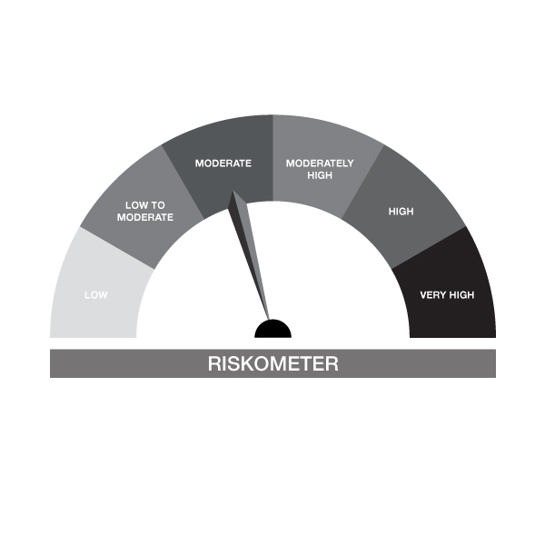
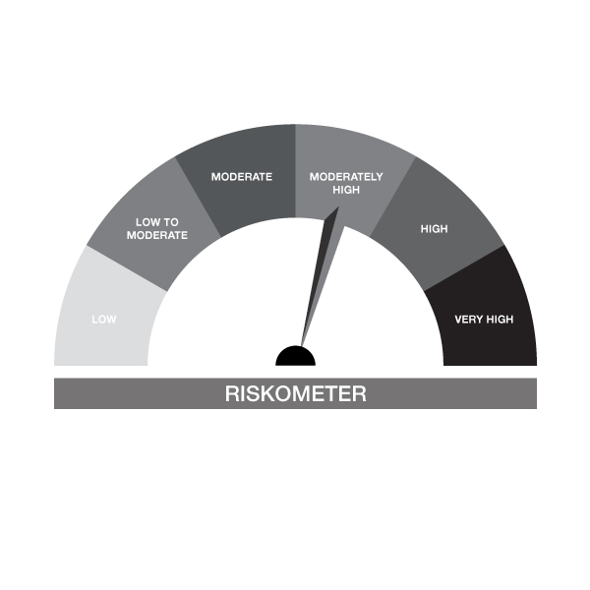

IB05-Groww Dynamic Bond Fund
Portfolio as on 31-DEC-2023
ISIN | Name of Instrument | Rating/Industry | Quantity | Market Value (In Rs. lakh) | % To Net Assets | Maturity Date | Put/Call Option | Yield
 | DEBT INSTRUMENTS
 | (a) Listed / awaiting listing on Stock Exchanges
 | Non Convertible Debentures / Bonds
 | Sub Total |  |  | NIL | NIL
 | (b) Privately placed / Unlisted |  |  | NIL | NIL
 | Sub Total |  |  | NIL | NIL
 | (c) Securitized Debt Instruments |  |  | NIL | NIL
 | Sub Total |  |  | NIL | NIL
 | (d) Government Securities / SDL
IN0020230085 | 7.18% GOI - 14-Aug-2033 | SOVEREIGN | 1,800,000.00 | 1,800.29 | 48.44% | 14-AUG-2033 |  | 7.18%
IN0020230036 | 7.17% GOI - 17-APR-2030 | SOVEREIGN | 1,000,000.00 | 1,001.45 | 26.95% | 17-APR-2030 |  | 7.14%
IN0020220151 | 7.26% GOI MAT 06-Feb-2033 | SOVEREIGN | 250,000.00 | 251.12 | 6.76% | 06-FEB-2033 |  | 7.19%
IN0020230010 | 7.06% GOI - 10-Apr-2028 | SOVEREIGN | 199,000.00 | 198.79 | 5.35% | 10-APR-2028 |  | 7.08%
IN1520140113 | 8.07% Gujarat- SDL - 11-Mar-2025 | SOVEREIGN | 100,000.00 | 100.71 | 2.71% | 11-MAR-2025 |  | 7.42%
IN0020220037 | 7.38% GOI MAT 20-Jun-2027 | SOVEREIGN | 50,000.00 | 50.44 | 1.36% | 20-JUN-2027 |  | 7.09%
IN0020230077 | 7.18% GOI - 24-Jul-2037 | SOVEREIGN | 50,000.00 | 49.52 | 1.33% | 24-JUL-2037 |  | 7.29%
 | Sub Total |  |  | 3,452.31 | 92.90%
 | Total |  |  | 3,452.31 | 92.90%

 | MONEY MARKET INSTRUMENTS
 | Treasury Bills
IN002023X294 | 91 Days Treasury Bill 11-Jan-2024 | SOVEREIGN | 50,000.00 | 49.91 | 1.34% | 11-JAN-2024 |  | 6.8%
 | Sub Total |  |  | 49.91 | 1.34%
 | Total |  |  | 49.91 | 1.34%

 | FIXED DEPOSIT
INHDFC160123 | HDFC Bank Limited |  | 80,000.00 | 80.00 | 2.15% | 16-JAN-2024
 | Total |  |  | 80.00 | 2.15%

 | Mutual Fund Units
INF0RQ622028 | SBI FUNDS MANAGEMENT PVT LMTD |  | 64.30 | 6.48 | 0.17%
 | Sub Total |  |  | 6.48 | 0.17%

 | TREPS / Reverse Repo Investments / Corporate Debt Repo
INTREP010124 | CCIL |  | 510.00 | 51.00 | 1.37% | 01-JAN-2024
 | Total |  |  | 51.00 | 1.37%

 | Cash & Cash Equivalents
 | Net Receivable/Payable |  |  | 76.66 | 2.06%
 | Total |  |  | 76.66 | 2.06%
 | Grand Total |  |  | 3,716.36 | 100.00%

** Non Traded Security

IB10
 | Scheme - Groww Short Duration Fund (formerly known as INDIABULLS SHORT TERM FUND) | Benchmark - CRISILShort Duration Debt B-II Index |  |  | Potential Risk Class (PRC)
 | Scheme Risk-O-Meter | Benchmark Risk-O-Meter |  |  | PRC Level - BII
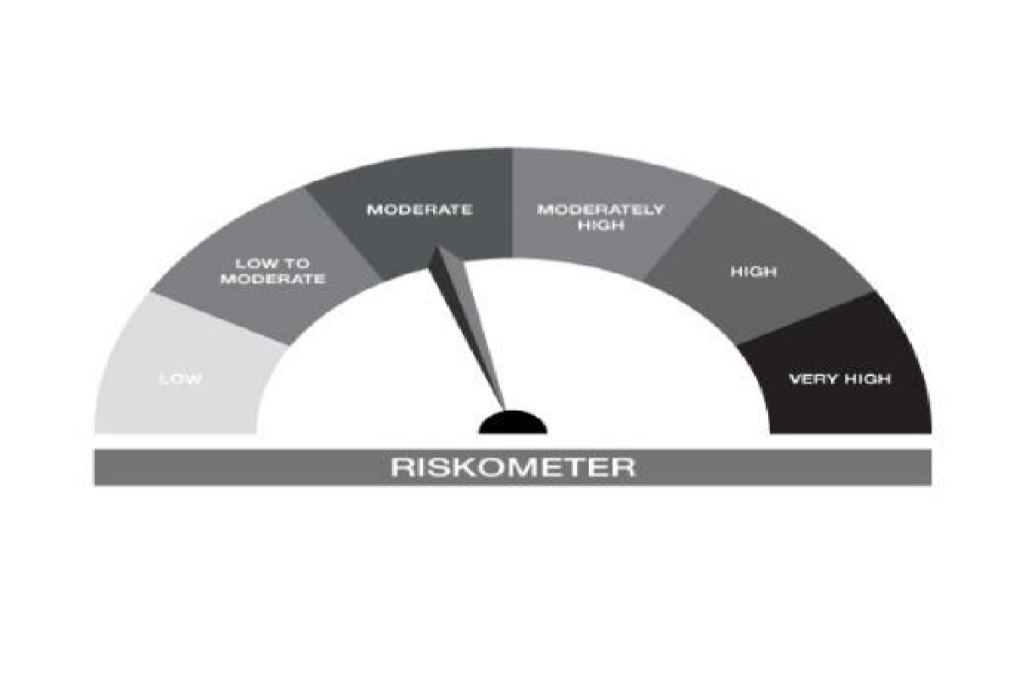



IB10-Groww Short Duration Fund
Portfolio as on 31-DEC-2023
ISIN | Name of Instrument | Rating/Industry | Quantity | Market Value (In Rs. lakh) | % To Net Assets | Maturity Date | Put/Call Option | Yield
 | DEBT INSTRUMENTS
 | (a) Listed / awaiting listing on Stock Exchanges
 | Non Convertible Debentures / Bonds
 | Sub Total |  |  | NIL | NIL
 | (b) Privately placed / Unlisted |  |  | NIL | NIL
 | Sub Total |  |  | NIL | NIL
 | (c) Securitized Debt Instruments |  |  | NIL | NIL
 | Sub Total |  |  | NIL | NIL
 | (d) Government Securities / SDL
IN0020230010 | 7.06% GOI - 10-Apr-2028 | SOVEREIGN | 1,500,000.00 | 1,498.44 | 39.71% | 10-APR-2028 |  | 7.08%
IN0020220037 | 7.38% GOI MAT 20-Jun-2027 | SOVEREIGN | 1,150,000.00 | 1,160.19 | 30.75% | 20-JUN-2027 |  | 7.09%
IN1620140153 | 8.08% Haryana SDL - 28-Jan-2025 | SOVEREIGN | 500,000.00 | 503.43 | 13.34% | 28-JAN-2025 |  | 7.4%
IN1520140113 | 8.07% Gujarat- SDL - 11-Mar-2025 | SOVEREIGN | 400,000.00 | 402.84 | 10.68% | 11-MAR-2025 |  | 7.42%
 | Sub Total |  |  | 3,564.90 | 94.48%
 | Total |  |  | 3,564.90 | 94.48%

 | MONEY MARKET INSTRUMENTS
 | Total |  |  | NIL | NIL

 | FIXED DEPOSIT
INHDFC160123 | HDFC Bank Limited |  | 50,000.00 | 50.00 | 1.33% | 16-JAN-2024
 | Total |  |  | 50.00 | 1.33%

 | Mutual Fund Units
INF0RQ622028 | SBI FUNDS MANAGEMENT PVT LMTD |  | 50.40 | 5.08 | 0.13%
 | Sub Total |  |  | 5.08 | 0.13%

 | TREPS / Reverse Repo Investments / Corporate Debt Repo
INTREP010124 | CCIL |  | 1,070.00 | 107.00 | 2.84% | 01-JAN-2024
 | Total |  |  | 107.00 | 2.84%

 | Cash & Cash Equivalents
 | Net Receivable/Payable |  |  | 46.28 | 1.23%
 | Total |  |  | 46.28 | 1.23%
 | Grand Total |  |  | 3,773.26 | 100.00%

** Non Traded Security

IB16
 | Scheme - Groww Overnight Fund (formerly known as INDIABULLS OVERNIGHT FUND) | Benchmark - CRISIL Liquid Overnight Index |  |  | Potential Risk Class (PRC)
 | Scheme Risk-O-Meter |  | Benchmark Risk-O-Meter |  | PRC Level - AI

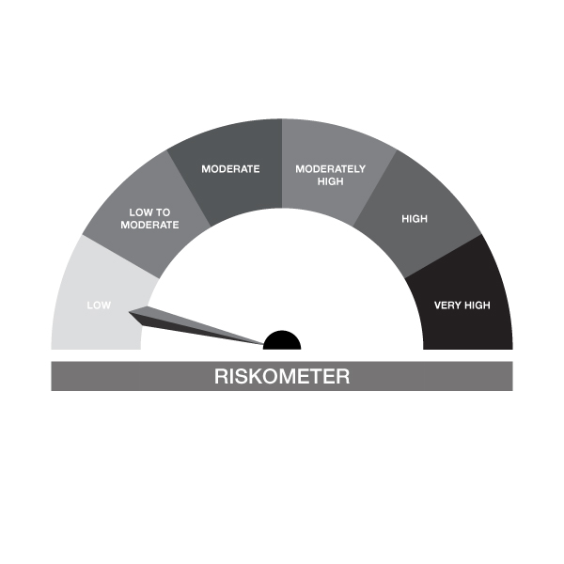

IB16-Groww Overnight Fund
Portfolio as on 31-DEC-2023
ISIN | Name of Instrument | Rating/Industry | Quantity | Market Value (In Rs. lakh) | % To Net Assets | Maturity Date | Put/Call Option | Yield
 | DEBT INSTRUMENTS
 | (a) Listed / awaiting listing on Stock Exchanges |  |  | NIL | NIL
 | Sub Total |  |  | NIL | NIL
 | (b) Privately placed / Unlisted |  |  | NIL | NIL
 | Sub Total |  |  | NIL | NIL
 | (c) Securitized Debt Instruments |  |  | NIL | NIL
 | Sub Total |  |  | NIL | NIL
 | (d) Government Securities / SDL |  |  | NIL | NIL
 | Sub Total |  |  | NIL | NIL
 | Total |  |  | NIL | NIL

 | MONEY MARKET INSTRUMENTS
 | Treasury Bills
IN002023X294 | 91 Days Treasury Bill 11-Jan-2024 | SOVEREIGN | 75,000.00 | 74.86 | 2.62% | 11-JAN-2024 |  | 6.8%
 | Sub Total |  |  | 74.86 | 2.62%
 | Total |  |  | 74.86 | 2.62%

 | TREPS / Reverse Repo Investments / Corporate Debt Repo
INTREP010124 | CCIL |  | 730.00 | 73.00 | 2.56% | 01-JAN-2024
 | Total |  |  | 73.00 | 2.56%

 | Triparty Repo/ Reverse Repo Instrument
 | Reverse Repo 01-JAN-2024 |  |  | 2,700.09 | 94.60%
 | Total |  |  | 2,700.09 | 94.60%

 | Cash & Cash Equivalents
 | Net Receivable/Payable |  |  | 6.31 | 0.22%
 | Total |  |  | 6.31 | 0.22%
 | Grand Total |  |  | 2,854.26 | 100.00%

