IB01
 | Scheme - Groww Large Cap Fund (formerly known as Indiabulls Blue Chip Fund) |  | Benchmark - NIFTY100 - TRI
 | Scheme Risk-O-Meter |  | Benchmark Risk-O-Meter
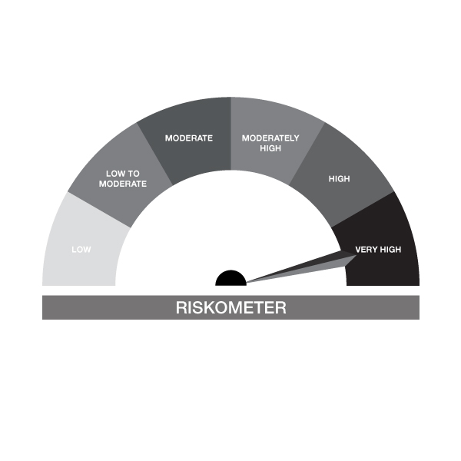

IB01-Groww Large Cap Fund
Portfolio as on 31-JAN-2024
ISIN | Name of Instrument | Rating/Industry | Quantity | Market Value (In Rs. lakh) | % To Net Assets | Maturity Date | Put/Call Option | Yield
 | EQUITY & EQUITY RELATED
 | (a) Listed / awaiting listing on the stock exchanges
INE090A01021 | ICICI Bank Limited | Banks | 97,475.00 | 1,002.19 | 8.77%
INE018A01030 | Larsen & Toubro Limited | Construction | 27,874.00 | 969.95 | 8.49%
INE040A01034 | HDFC Bank Limited | Banks | 60,372.00 | 882.97 | 7.73%
INE002A01018 | Reliance Industries Limited | Petroleum Products | 23,389.00 | 667.35 | 5.84%
INE155A01022 | Tata Motors Limited | Automobiles | 49,865.00 | 440.91 | 3.86%
INE917I01010 | Bajaj Auto Limited | Automobiles | 5,590.00 | 428.62 | 3.75%
INE733E01010 | NTPC Limited | Power | 125,583.00 | 398.73 | 3.49%
INE397D01024 | Bharti Airtel Limited | Telecom - Services | 33,041.00 | 386.81 | 3.38%
INE238A01034 | Axis Bank Limited | Banks | 34,144.00 | 364.57 | 3.19%
INE481G01011 | UltraTech Cement Limited | Cement & Cement Products | 3,500.00 | 355.86 | 3.11%
INE467B01029 | Tata Consultancy Services Limited | IT - Software | 8,388.00 | 320.08 | 2.80%
INE062A01020 | State Bank of India | Banks | 49,781.00 | 318.85 | 2.79%
INE262H01013 | PERSISTENT SYSTEMS LTD | IT - Software | 3,763.00 | 314.33 | 2.75%
INE296A01024 | Bajaj Finance Limited | Finance | 3,825.00 | 262.51 | 2.30%
INE758T01015 | Zomato Limited | Retailing | 184,230.00 | 257.09 | 2.25%
INE101A01026 | Mahindra & Mahindra Limited | Automobiles | 15,511.00 | 256.17 | 2.24%
INE280A01028 | Titan Company Limited | Consumer Durables | 6,347.00 | 234.68 | 2.05%
INE009A01021 | Infosys Limited | IT - Software | 13,252.00 | 220.10 | 1.93%
INE121A01024 | Cholamandalam Invest & Finance Co Ltd | Finance | 18,297.00 | 216.66 | 1.90%
INE095A01012 | IndusInd Bank Limited | Banks | 13,645.00 | 209.32 | 1.83%
INE860A01027 | HCL Technologies Limited | IT - Software | 13,082.00 | 206.17 | 1.80%
INE298A01020 | Cummins India Limited | Industrial Products | 8,500.00 | 194.98 | 1.71%
INE044A01036 | Sun Pharmaceutical Industries Limited | Pharmaceuticals & Biotechnology | 12,503.00 | 177.35 | 1.55%
INE356A01018 | MphasiS Limited | IT - Software | 6,547.00 | 170.12 | 1.49%
INE775A01035 | Samvardhana Motherson International Ltd | Auto Components | 150,133.00 | 170.03 | 1.49%
INE646L01027 | InterGlobe Aviation Limited | Transport Services | 5,648.00 | 167.26 | 1.46%
INE271C01023 | DLF Limited | Realty | 20,652.00 | 165.75 | 1.45%
INE263A01024 | Bharat Electronics Limited | Aerospace & Defense | 84,624.00 | 157.32 | 1.38%
INE171Z01018 | Bharat Dynamics Limited | Aerospace & Defense | 8,484.00 | 144.83 | 1.27%
INE836A01035 | Birlasoft Ltd | IT - Software | 16,986.00 | 144.12 | 1.26%
INE326A01037 | Lupin Limited | Pharmaceuticals & Biotechnology | 9,049.00 | 136.22 | 1.19%
INE010V01017 | L&T Technology Services Ltd | IT - Services | 2,211.00 | 123.46 | 1.08%
INE591G01017 | Coforge Limited | IT - Software | 1,951.00 | 121.94 | 1.07%
INE741K01010 | Creditaccess Grameen Limited | Finance | 7,163.00 | 113.88 | 1.00%
INE154A01025 | ITC Limited | Diversified FMCG | 24,768.00 | 109.36 | 0.96%
INE081A01020 | Tata Steel Limited | Ferrous Metals | 74,864.00 | 101.78 | 0.89%
INE214T01019 | Larsen & Toubro Infotech Ltd | IT - Software | 1,295.00 | 70.56 | 0.62%
INE738I01010 | eClerx Services Limited | Commercial Services & Supplies | 2,219.00 | 60.52 | 0.53%
 | Sub Total |  |  | 11,043.37 | 96.65%
 | (b) Unlisted |  |  | NIL | NIL
 | Sub Total |  |  | NIL | NIL
 | Total |  |  | 11,043.37 | 96.65%

 | DEBT INSTRUMENTS
 | (a) Listed / awaiting listing on Stock Exchanges
 | Non Convertible Debentures / Bonds
INE216A08027 | 5.50% Britannia Industries Limited 03-JUN-2024** | CRISIL AAA | 338.00 | 0.10 | 0.00% | 03-JUN-2024 |  | 7.92%
 | Sub Total |  |  | 0.10 | 0.00%
 | (b) Privately placed / Unlisted |  |  | NIL | NIL
 | Sub Total |  |  | NIL | NIL
 | (c) Securitized Debt Instruments |  |  | NIL | NIL
 | Sub Total |  |  | NIL | NIL
 | (d) Government Securities / SDL |  |  | NIL | NIL
 | Sub Total |  |  | NIL | NIL
 | Total |  |  | 0.10 | 0.00%

 | MONEY MARKET INSTRUMENTS
 | Total |  |  | NIL | NIL

 | Mutual Fund Units
INF666M01451 | Groww Mutual Fund |  | 4,408.05 | 101.84 | 0.89%
 | Total |  |  | 101.84 | 0.89%

 | TREPS / Reverse Repo Investments / Corporate Debt Repo
INTREP010224 | CCIL |  | 3,580.00 | 358.00 | 3.13% | 01-FEB-2024
 | Total |  |  | 358.00 | 3.13%

 | Cash & Cash Equivalents
 | Net Receivable/Payable |  |  | -74.39 | -0.65%
 | Total |  |  | -74.39 | -0.65%
 | Grand Total |  |  | 11,428.92 | 100.00%

** Non Traded Security

IB02
 | Scheme - Groww Liquid Fund (formrly known as Indiabulls Liquid Fund) |  | Benchmark - CRISIL Liquid Debt B-I Index |  | Potential Risk Class (PRC)
 | Scheme Risk-O-Meter |  | Benchmark Risk-O-Meter |  | PRC Level - BI

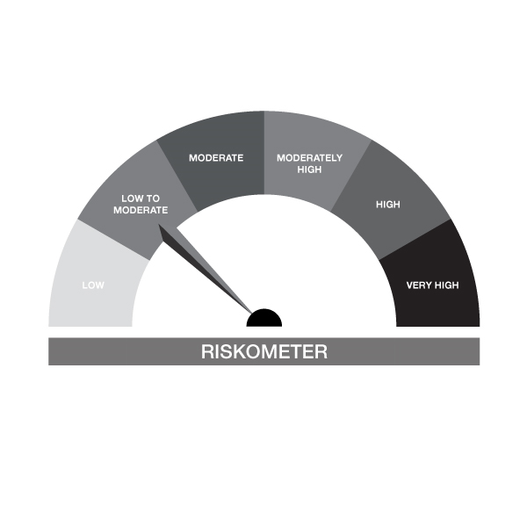

IB02-Groww Liquid Fund
Portfolio as on 31-JAN-2024
ISIN | Name of Instrument | Rating/Industry | Quantity | Market Value (In Rs. lakh) | % To Net Assets | Maturity Date | Put/Call Option | Yield
 | DEBT INSTRUMENTS
 | (a) Listed / awaiting listing on Stock Exchanges
 | Non Convertible Debentures / Bonds
 | Sub Total |  |  | NIL | NIL
 | (b) Privately placed / Unlisted |  |  | NIL | NIL
 | Sub Total |  |  | NIL | NIL
 | (c) Securitized Debt Instruments |  |  | NIL | NIL
 | Sub Total |  |  | NIL | NIL
 | (d) Government Securities / SDL |  |  | NIL | NIL
 | Sub Total |  |  | NIL | NIL
 | Total |  |  | NIL | NIL

 | MONEY MARKET INSTRUMENTS
 | Treasury Bills
IN002023X435 | 91 Days Treasury Bill 18-Apr-2024 | SOVEREIGN | 805,500.00 | 793.74 | 4.51% | 18-APR-2024 |  | 7.02%
IN002022Z507 | 364 Day Treasury Bill 14-Mar-2024 | SOVEREIGN | 1,000,000.00 | 992.20 | 5.64% | 14-MAR-2024 |  | 6.84%
 | Sub Total |  |  | 1,785.94 | 10.15%
 | Commercial Papers
INE110O14BE3 | Axis Securities Limited 21-FEB-2024** | CRISIL A1+ | 1,000,000.00 | 995.79 | 5.66% | 21-FEB-2024 |  | 7.73%
INE941D14485 | Sikka Ports & Terminals Limited 09-FEB-2024** | CRISIL A1+ | 1,000,000.00 | 998.41 | 5.67% | 09-FEB-2024 |  | 7.27%
INE860H141R0 | Aditya Birla Finance Limited 01-FEB-2024 | ICRA A1+ | 500,000.00 | 500.00 | 2.84% | 01-FEB-2024 |  | 6.79%
INE296A14UJ8 | Bajaj Finance Limited 01-MAR-2024** | CRISIL A1+ | 500,000.00 | 496.94 | 2.82% | 01-MAR-2024 |  | 7.75%
INE514E14QY3 | EXIM Bank 22-MAR-2024** | CRISIL A1+ | 500,000.00 | 495.04 | 2.81% | 22-MAR-2024 |  | 7.32%
INE514E14QW7 | EXIM Bank 15-MAR-2024** | CRISIL A1+ | 500,000.00 | 495.73 | 2.82% | 15-MAR-2024 |  | 7.31%
INE121A14VK4 | Cholamandalam Invest & Finance Co Ltd 22-MAR-2024** | CRISIL A1+ | 1,000,000.00 | 988.89 | 5.62% | 22-MAR-2024 |  | 8.2%
INE860H142B2 | Aditya Birla Finance Limited 25-APR-2024** | ICRA A1+ | 500,000.00 | 490.37 | 2.79% | 25-APR-2024 |  | 8.53%
 | Sub Total |  |  | 5,461.17 | 31.03%
 | Certificate of Deposits
INE261F16710 | NABARD 13-MAR-2024**# | CRISIL A1+ | 500,000.00 | 495.90 | 2.82% | 13-MAR-2024 |  | 7.37%
INE562A16MH9 | Indian Bank 22-FEB-2024# | CRISIL A1+ | 1,000,000.00 | 995.80 | 5.66% | 22-FEB-2024 |  | 7.33%
INE238AD6389 | Axis Bank Limited 14-MAR-2024**# | CRISIL A1+ | 500,000.00 | 495.80 | 2.82% | 14-MAR-2024 |  | 7.37%
INE238AD6348 | Axis Bank Limited 14-FEB-2024**# | CRISIL A1+ | 500,000.00 | 498.70 | 2.83% | 14-FEB-2024 |  | 7.32%
INE692A16FX5 | Union Bank of India 14-FEB-2024**# | ICRA A1+ | 1,000,000.00 | 997.40 | 5.67% | 14-FEB-2024 |  | 7.32%
INE476A16WZ3 | Canara Bank 07-MAR-2024**# | CRISIL A1+ | 1,000,000.00 | 992.98 | 5.64% | 07-MAR-2024 |  | 7.38%
INE040A16DV6 | HDFC Bank Limited 11-MAR-2024**# | FITCH A1+ | 1,000,000.00 | 992.22 | 5.64% | 11-MAR-2024 |  | 7.34%
INE160A16MZ4 | Punjab National Bank 16-FEB-2024# | CRISIL A1+ | 1,000,000.00 | 997.00 | 5.67% | 16-FEB-2024 |  | 7.33%
INE237A163T3 | Kotak Mahindra Bank Limited 17-APR-2024**# | CRISIL A1+ | 1,000,000.00 | 984.19 | 5.59% | 17-APR-2024 |  | 7.71%
 | Sub Total |  |  | 7,449.97 | 42.34%
 | Total |  |  | 14,697.08 | 83.52%

 | FIXED DEPOSIT
INPYFDHDNL63 | HDFC Bank Limited |  | 60,000.00 | 60.00 | 0.34% | 27-FEB-2024
 | Total |  |  | 60.00 | 0.34%

 | Mutual Fund Units
INF0RQ622028 | SBI FUNDS MANAGEMENT PVT LMTD |  | 504.68 | 51.07 | 0.29%
 | Sub Total |  |  | 51.07 | 0.29%

 | TREPS / Reverse Repo Investments / Corporate Debt Repo
INTREP010224 | CCIL |  | 2,990.00 | 299.00 | 1.70% | 01-FEB-2024
 | Total |  |  | 299.00 | 1.70%

 | Cash & Cash Equivalents
 | Net Receivable/Payable |  |  | 2,491.91 | 14.16%
 | Total |  |  | 2,491.91 | 14.16%
 | Grand Total |  |  | 17,599.06 | 100.00%

** Non Traded Security
# Unlisted Securities

IB05
 | Scheme - Groww Dynamic Bond Fund (formerly known as INDIABULLS DYNAMIC BOND FUND) |  | Benchmark - CRISIL Dynamic Bond B-III Index |  | Potential Risk Class (PRC)
 | Scheme Risk-O-Meter |  | Benchmark Risk-O-Meter |  | PRC Level - BIII

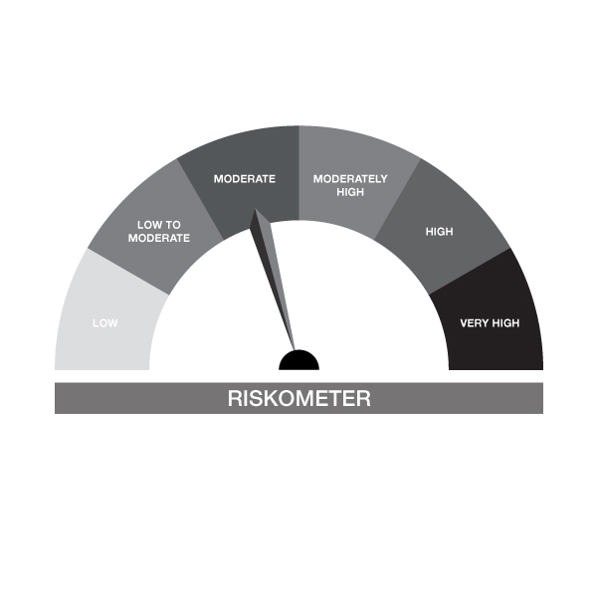
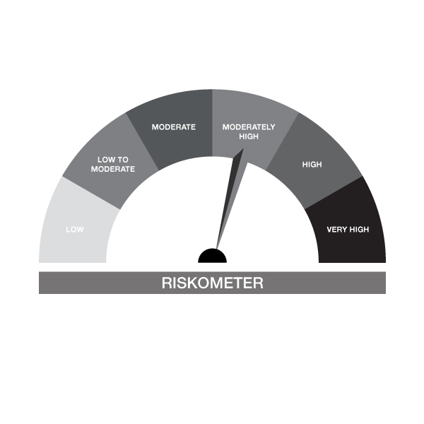

IB05-Groww Dynamic Bond Fund
Portfolio as on 31-JAN-2024
ISIN | Name of Instrument | Rating/Industry | Quantity | Market Value (In Rs. lakh) | % To Net Assets | Maturity Date | Put/Call Option | Yield
 | DEBT INSTRUMENTS
 | (a) Listed / awaiting listing on Stock Exchanges
 | Non Convertible Debentures / Bonds
 | Sub Total |  |  | NIL | NIL
 | (b) Privately placed / Unlisted |  |  | NIL | NIL
 | Sub Total |  |  | NIL | NIL
 | (c) Securitized Debt Instruments |  |  | NIL | NIL
 | Sub Total |  |  | NIL | NIL
 | (d) Government Securities / SDL
IN0020230085 | 7.18% GOI - 14-Aug-2033 | SOVEREIGN | 1,800,000.00 | 1,804.26 | 48.20% | 14-AUG-2033 |  | 7.14%
IN0020230036 | 7.17% GOI - 17-APR-2030 | SOVEREIGN | 1,000,000.00 | 1,002.80 | 26.79% | 17-APR-2030 |  | 7.11%
IN0020220151 | 7.26% GOI MAT 06-Feb-2033 | SOVEREIGN | 250,000.00 | 251.35 | 6.71% | 06-FEB-2033 |  | 7.18%
IN0020230010 | 7.06% GOI - 10-Apr-2028 | SOVEREIGN | 199,000.00 | 199.10 | 5.32% | 10-APR-2028 |  | 7.04%
IN1520140113 | 8.07% Gujarat- SDL - 11-Mar-2025 | SOVEREIGN | 100,000.00 | 100.72 | 2.69% | 11-MAR-2025 |  | 7.37%
IN0020220037 | 7.38% GOI MAT 20-Jun-2027 | SOVEREIGN | 50,000.00 | 50.51 | 1.35% | 20-JUN-2027 |  | 7.03%
IN0020230077 | 7.18% GOI - 24-Jul-2037 | SOVEREIGN | 50,000.00 | 49.78 | 1.33% | 24-JUL-2037 |  | 7.23%
 | Sub Total |  |  | 3,458.54 | 92.39%
 | Total |  |  | 3,458.54 | 92.39%

 | MONEY MARKET INSTRUMENTS
 | Total |  |  | NIL | NIL

 | FIXED DEPOSIT
INHDFC050324 | HDFC Bank Limited |  | 80,000.00 | 80.00 | 2.14% | 2024-03-05
 | Total |  |  | 80.00 | 2.14%

 | Mutual Fund Units
INF0RQ622028 | SBI FUNDS MANAGEMENT PVT LMTD |  | 92.62 | 9.37 | 0.25%
 | Sub Total |  |  | 9.37 | 0.25%

 | TREPS / Reverse Repo Investments / Corporate Debt Repo
INTREP010224 | CCIL |  | 1,030.00 | 103.00 | 2.75% | 01-FEB-2024
 | Total |  |  | 103.00 | 2.75%

 | Cash & Cash Equivalents
 | Net Receivable/Payable |  |  | 92.76 | 2.48%
 | Total |  |  | 92.76 | 2.48%
 | Grand Total |  |  | 3,743.67 | 100.00%

** Non Traded Security

IB10
 | Scheme - Groww Short Duration Fund (formerly known as INDIABULLS SHORT TERM FUND) | Benchmark - CRISILShort Duration Debt B-II Index |  |  | Potential Risk Class (PRC)
 | Scheme Risk-O-Meter | Benchmark Risk-O-Meter |  |  | PRC Level - BII
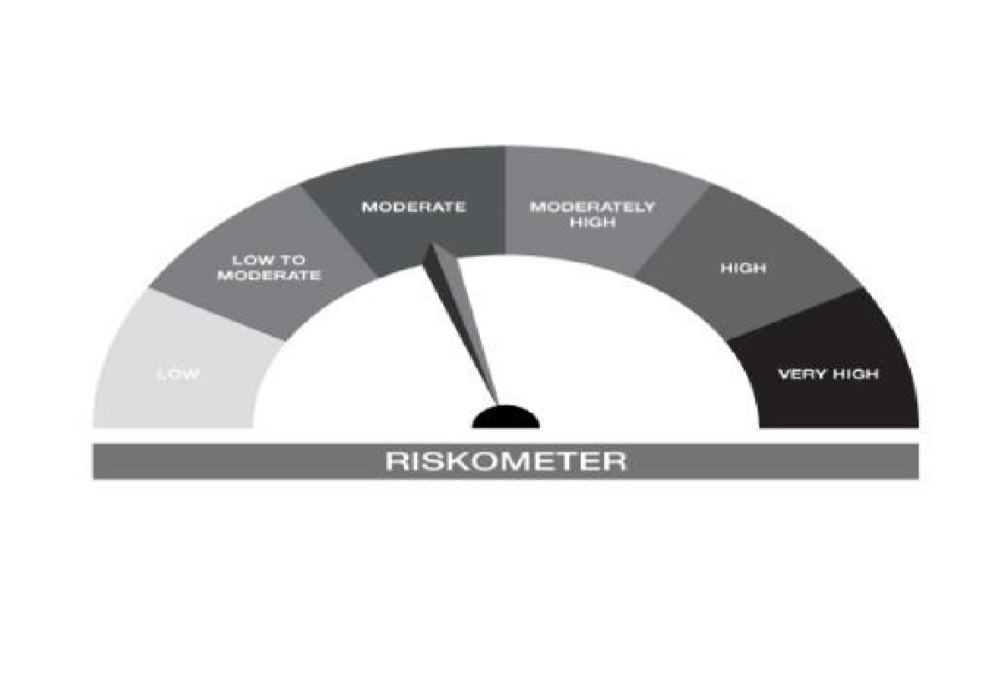



IB10-Groww Short Duration Fund
Portfolio as on 31-JAN-2024
ISIN | Name of Instrument | Rating/Industry | Quantity | Market Value (In Rs. lakh) | % To Net Assets | Maturity Date | Put/Call Option | Yield
 | DEBT INSTRUMENTS
 | (a) Listed / awaiting listing on Stock Exchanges
 | Non Convertible Debentures / Bonds
 | Sub Total |  |  | NIL | NIL
 | (b) Privately placed / Unlisted |  |  | NIL | NIL
 | Sub Total |  |  | NIL | NIL
 | (c) Securitized Debt Instruments |  |  | NIL | NIL
 | Sub Total |  |  | NIL | NIL
 | (d) Government Securities / SDL
IN0020230010 | 7.06% GOI - 10-Apr-2028 | SOVEREIGN | 1,500,000.00 | 1,500.78 | 39.56% | 10-APR-2028 |  | 7.04%
IN0020220037 | 7.38% GOI MAT 20-Jun-2027 | SOVEREIGN | 650,000.00 | 656.63 | 17.31% | 20-JUN-2027 |  | 7.03%
IN1620140153 | 8.08% Haryana SDL - 28-Jan-2025 | SOVEREIGN | 500,000.00 | 503.38 | 13.27% | 28-JAN-2025 |  | 7.36%
IN1520140113 | 8.07% Gujarat- SDL - 11-Mar-2025 | SOVEREIGN | 400,000.00 | 402.90 | 10.62% | 11-MAR-2025 |  | 7.37%
IN1520180143 | 8.65% Gujarat SDL - 10-Oct-2028 | SOVEREIGN | 200,000.00 | 209.56 | 5.52% | 10-OCT-2028 |  | 7.42%
IN1520180226 | 8.17% Gujarat SDL - 19-Dec-2028 | SOVEREIGN | 150,000.00 | 154.52 | 4.07% | 19-DEC-2028 |  | 7.42%
IN1520140105 | 8.05% Gujarat- SDL - 25-Feb-2025 | SOVEREIGN | 100,000.00 | 100.68 | 2.65% | 25-FEB-2025 |  | 7.37%
 | Sub Total |  |  | 3,528.43 | 93.00%
 | Total |  |  | 3,528.43 | 93.00%

 | MONEY MARKET INSTRUMENTS
 | Total |  |  | NIL | NIL

 | FIXED DEPOSIT
INHDFC050324 | HDFC Bank Limited |  | 50,000.00 | 50.00 | 1.32% | 2024-03-05
 | Total |  |  | 50.00 | 1.32%

 | Mutual Fund Units
INF0RQ622028 | SBI FUNDS MANAGEMENT PVT LMTD |  | 93.87 | 9.50 | 0.25%
 | Sub Total |  |  | 9.50 | 0.25%

 | TREPS / Reverse Repo Investments / Corporate Debt Repo
INTREP010224 | CCIL |  | 1,500.00 | 150.00 | 3.95% | 01-FEB-2024
 | Total |  |  | 150.00 | 3.95%

 | Cash & Cash Equivalents
 | Net Receivable/Payable |  |  | 55.30 | 1.46%
 | Total |  |  | 55.30 | 1.46%
 | Grand Total |  |  | 3,793.23 | 100.00%

** Non Traded Security

IB16
 | Scheme - Groww Overnight Fund (formerly known as INDIABULLS OVERNIGHT FUND) | Benchmark - CRISIL Liquid Overnight Index |  |  | Potential Risk Class (PRC)
 | Scheme Risk-O-Meter |  | Benchmark Risk-O-Meter |  | PRC Level - AI

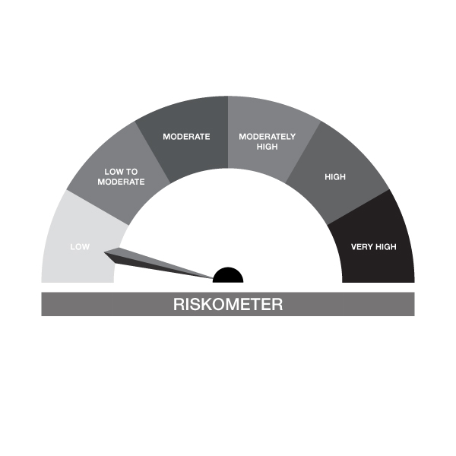

IB16-Groww Overnight Fund
Portfolio as on 31-JAN-2024
ISIN | Name of Instrument | Rating/Industry | Quantity | Market Value (In Rs. lakh) | % To Net Assets | Maturity Date | Put/Call Option | Yield
 | DEBT INSTRUMENTS
 | (a) Listed / awaiting listing on Stock Exchanges |  |  | NIL | NIL
 | Sub Total |  |  | NIL | NIL
 | (b) Privately placed / Unlisted |  |  | NIL | NIL
 | Sub Total |  |  | NIL | NIL
 | (c) Securitized Debt Instruments |  |  | NIL | NIL
 | Sub Total |  |  | NIL | NIL
 | (d) Government Securities / SDL |  |  | NIL | NIL
 | Sub Total |  |  | NIL | NIL
 | Total |  |  | NIL | NIL

 | MONEY MARKET INSTRUMENTS
 | Treasury Bills
IN002023X369 | 91 Days Treasury Bill 29-Feb-2024 | SOVEREIGN | 50,000.00 | 49.74 | 0.66% | 29-FEB-2024 |  | 6.79%
IN002022Z457 | 364 Days Treasury Bill 08-Feb-2024 | SOVEREIGN | 300,000.00 | 299.61 | 4.00% | 08-FEB-2024 |  | 6.8%
 | Sub Total |  |  | 349.35 | 4.66%
 | Total |  |  | 349.35 | 4.66%

 | TREPS / Reverse Repo Investments / Corporate Debt Repo
INTREP010224 | CCIL |  | 71,900.00 | 7,190.00 | 95.94% | 01-FEB-2024
 | Total |  |  | 7,190.00 | 95.94%

 | Cash & Cash Equivalents
 | Net Receivable/Payable |  |  | -44.84 | -0.60%
 | Total |  |  | -44.84 | -0.60%
 | Grand Total |  |  | 7,494.51 | 100.00%

