IB02
 | Scheme - Groww Liquid Fund (formrly known as Indiabulls Liquid Fund) |  | Benchmark - CRISIL Liquid Debt A-I Index |  | Potential Risk Class (PRC)
 | Scheme Risk-O-Meter |  | Benchmark Risk-O-Meter |  | PRC Level - BI
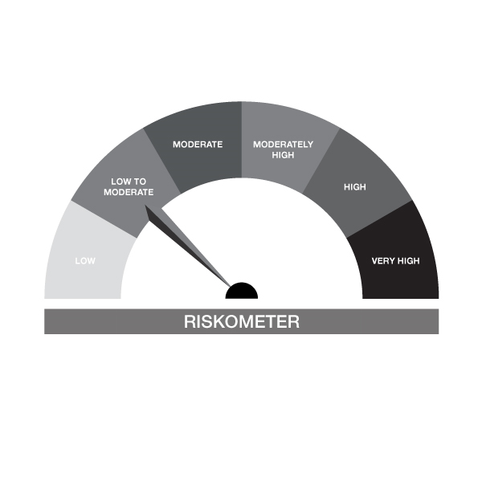
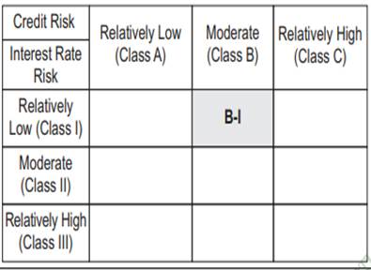

IB02-Groww Liquid Fund
Portfolio as on 15-SEP-2024
ISIN | Name of Instrument | Rating/Industry | Quantity | Market Value (In Rs. lakh) | % To Net Assets | Maturity Date | Put/Call Option | Yield
 | DEBT INSTRUMENTS
 | (a) Listed / awaiting listing on Stock Exchanges
 | Non Convertible Debentures / Bonds
INE134E08KH0 | 7.42% Power Finance Corporation Limited 19-NOV-2024 | CARE AAA | 1,000,000.00 | 999.07 | 4.97% | 19-NOV-2024 |  | 7.5%
INE975F07IF3 | 0% Kotak Mahindra Investments Ltd. 15-OCT-2024** | CRISIL AAA | 500,000.00 | 496.90 | 2.47% | 15-OCT-2024 |  | 7.88%
 | Sub Total |  |  | 1,495.96 | 7.45%
 | (b) Privately placed / Unlisted |  |  | NIL | NIL
 | Sub Total |  |  | NIL | NIL
 | (c) Securitized Debt Instruments |  |  | NIL | NIL
 | Sub Total |  |  | NIL | NIL
 | (d) Government Securities / SDL |  |  | NIL | NIL
 | Sub Total |  |  | NIL | NIL
 | Total |  |  | 1,495.96 | 7.45%

 | MONEY MARKET INSTRUMENTS
 | Treasury Bills
IN002023Z331 | 364 Days Treasury Bill 31-Oct-2024 | SOVEREIGN | 284,300.00 | 282.00 | 1.40% | 31-OCT-2024 |  | 6.6%
IN002024X235 | 91 Days Treasury Bill 28-Nov-2024 | SOVEREIGN | 600,000.00 | 592.20 | 2.95% | 28-NOV-2024 |  | 6.59%
IN002024X177 | 91 Days Treasury Bill 18-Oct-2024 | SOVEREIGN | 1,000,000.00 | 994.25 | 4.95% | 18-OCT-2024 |  | 6.6%
IN002024Y027 | 182 Days Treasury Bill 11-Oct-2024 | SOVEREIGN | 50,000.00 | 49.78 | 0.25% | 11-OCT-2024 |  | 6.55%
IN002024X250 | 91 Days Treasury Bill 12-Dec-2024 | SOVEREIGN | 1,500,000.00 | 1,476.86 | 7.35% | 12-DEC-2024 |  | 6.58%
IN002024X227 | 91 Days Treasury Bill 21-Nov-2024 | SOVEREIGN | 500,000.00 | 494.11 | 2.46% | 21-NOV-2024 |  | 6.59%
 | Sub Total |  |  | 3,889.19 | 19.36%
 | Commercial Papers
INE498L14CF3 | L&T Finance Limited 28-OCT-2024** | CRISIL A1+ | 500,000.00 | 495.69 | 2.47% | 28-OCT-2024 |  | 7.57%
INE860H143Q8 | Aditya Birla Finance Limited 06-NOV-2024** | FITCH A1+ | 1,360,000.00 | 1,345.60 | 6.70% | 06-NOV-2024 |  | 7.66%
INE891K14OD1 | Axis Finance Limited 26-NOV-2024** | CRISIL A1+ | 500,000.00 | 492.69 | 2.45% | 26-NOV-2024 |  | 7.63%
INE763G14VO2 | ICICI Securities Limited 22-NOV-2024** | CRISIL A1+ | 1,000,000.00 | 985.95 | 4.91% | 22-NOV-2024 |  | 7.77%
 | Sub Total |  |  | 3,319.92 | 16.53%
 | Certificate of Deposits
INE238AD6579 | Axis Bank Limited 29-NOV-2024# | CRISIL A1+ | 910,000.00 | 896.71 | 4.46% | 29-NOV-2024 |  | 7.31%
INE028A16FO1 | Bank of Baroda 25-NOV-2024**# | FITCH A1+ | 2,000,000.00 | 1,972.24 | 9.82% | 25-NOV-2024 |  | 7.34%
INE040A16EH3 | HDFC Bank Limited 06-DEC-2024# | CARE A1+ | 1,300,000.00 | 1,279.28 | 6.37% | 06-DEC-2024 |  | 7.3%
INE562A16NJ3 | Indian Bank 09-DEC-2024**# | CRISIL A1+ | 1,500,000.00 | 1,475.13 | 7.34% | 09-DEC-2024 |  | 7.33%
INE090AD6105 | ICICI Bank Limited 06-DEC-2024# | ICRA A1+ | 2,000,000.00 | 1,968.33 | 9.80% | 06-DEC-2024 |  | 7.25%
INE160A16PT0 | Punjab National Bank 03-DEC-2024**# | ICRA A1+ | 1,500,000.00 | 1,476.90 | 7.35% | 03-DEC-2024 |  | 7.32%
INE476A16YQ8 | Canara Bank 13-DEC-2024# | CRISIL A1+ | 1,950,000.00 | 1,916.29 | 9.54% | 13-DEC-2024 |  | 7.3%
 | Sub Total |  |  | 10,984.88 | 54.68%
 | Total |  |  | 18,193.99 | 90.56%

 | FIXED DEPOSIT
INHDFC240924 | HDFC Bank Limited |  | 60,000.00 | 60.00 | 0.30% | 24-SEP-2024
 | Total |  |  | 60.00 | 0.30%

 | Alternative Investment Fund Units
INF0RQ622028 | SBI FUNDS MANAGEMENT PVT LMTD |  | 504.68 | 52.42 | 0.26%
 | Total |  |  | 52.42 | 0.26%

 | TREPS / Reverse Repo Investments / Corporate Debt Repo
INTREP170924 | CCIL |  | 860.00 | 85.99 | 0.43% | 17-SEP-2024
 | Total |  |  | 85.99 | 0.43%

 | Triparty Repo/ Reverse Repo Instrument
 | Reverse Repo 17-SEP-24 |  |  | 227.96 | 1.13%
 | Total |  |  | 227.96 | 1.13%

 | Cash & Cash Equivalents
 | Net Receivable/Payable |  |  | -26.61 | -0.13%
 | Total |  |  | -26.61 | -0.13%
 | Grand Total |  |  | 20,089.71 | 100.00%

** Non Traded Security
# Unlisted Securities

IB05
 | Scheme - Groww Dynamic Bond Fund (formerly known as INDIABULLS DYNAMIC BOND FUND) |  | Benchmark - CRISIL Dynamic Bond A-III Index |  | Potential Risk Class (PRC)
 | Scheme Risk-O-Meter |  | Benchmark Risk-O-Meter |  | PRC Level - BIII

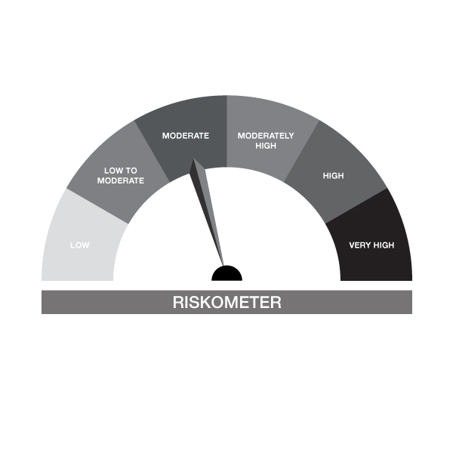

IB05-Groww Dynamic Bond Fund
Portfolio as on 15-SEP-2024
ISIN | Name of Instrument | Rating/Industry | Quantity | Market Value (In Rs. lakh) | % To Net Assets | Maturity Date | Put/Call Option | Yield
 | DEBT INSTRUMENTS
 | (a) Listed / awaiting listing on Stock Exchanges
 | Non Convertible Debentures / Bonds
INE261F08EH1 | 7.62% NABARD 10-MAY-2029 | CRISIL AAA | 300,000.00 | 301.76 | 5.85% | 10-MAY-2029 |  | 7.45%
INE020B08AQ9 | 7.7% REC Limited 10-DEC-2027** | CRISIL AAA | 200,000.00 | 201.28 | 3.90% | 10-DEC-2027 |  | 7.47%
INE115A07QM6 | 7.77% LIC Housing Finance Limited 11-AUG-2028** | CRISIL AAA | 200,000.00 | 200.08 | 3.88% | 11-AUG-2028 |  | 7.75%
 | Sub Total |  |  | 703.11 | 13.63%
 | (b) Privately placed / Unlisted |  |  | NIL | NIL
 | Sub Total |  |  | NIL | NIL
 | (c) Securitized Debt Instruments |  |  | NIL | NIL
 | Sub Total |  |  | NIL | NIL
 | (d) Government Securities / SDL
IN0020240035 | 7.34% GOI - 22-Apr-2064 | SOVEREIGN | 1,550,000.00 | 1,625.63 | 31.52% | 22-APR-2064 |  | 6.97%
IN0020230051 | 7.30% GOI - 19-JUN-2053 | SOVEREIGN | 1,000,000.00 | 1,044.94 | 20.26% | 19-JUN-2053 |  | 6.94%
IN0020240019 | 7.10% GOI - 08-Apr-2034 | SOVEREIGN | 900,000.00 | 919.18 | 17.82% | 08-APR-2034 |  | 6.79%
IN0020220037 | 7.38% GOI MAT 20-Jun-2027 | SOVEREIGN | 50,000.00 | 50.83 | 0.99% | 20-JUN-2027 |  | 6.7%
 | Sub Total |  |  | 3,640.58 | 70.59%
 | Total |  |  | 4,343.69 | 84.22%

 | MONEY MARKET INSTRUMENTS
 | Commercial Papers
INE860H143Q8 | Aditya Birla Finance Limited 06-NOV-2024** | FITCH A1+ | 140,000.00 | 138.52 | 2.69% | 06-NOV-2024 |  | 7.66%
 | Sub Total |  |  | 138.52 | 2.69%
 | Certificate of Deposits
INE476A16YQ8 | Canara Bank 13-DEC-2024# | CRISIL A1+ | 250,000.00 | 245.68 | 4.76% | 13-DEC-2024 |  | 7.3%
 | Sub Total |  |  | 245.68 | 4.76%
 | Total |  |  | 384.20 | 7.45%

 | FIXED DEPOSIT
INHDFC24924A | HDFC Bank Limited |  | 80,000.00 | 80.00 | 1.55% | 24-SEP-2024
 | Total |  |  | 80.00 | 1.55%

 | Alternative Investment Fund Units
INF0RQ622028 | SBI FUNDS MANAGEMENT PVT LMTD |  | 95.91 | 9.96 | 0.19%
 | Total |  |  | 9.96 | 0.19%

 | TREPS / Reverse Repo Investments / Corporate Debt Repo
INTREP170924 | CCIL |  | 2,330.00 | 232.96 | 4.52% | 17-SEP-2024
 | Total |  |  | 232.96 | 4.52%

 | Cash & Cash Equivalents
 | Net Receivable/Payable |  |  | 106.55 | 2.07%
 | Total |  |  | 106.55 | 2.07%
 | Grand Total |  |  | 5,157.36 | 100.00%

** Non Traded Securities
# Unlisted Securities

IB10
 | Scheme - Groww Short Duration Fund (formerly known as INDIABULLS SHORT TERM FUND) | Benchmark - CRISIL Short Duration Debt A-II Index |  |  | Potential Risk Class (PRC)
 | Scheme Risk-O-Meter | Benchmark Risk-O-Meter |  |  | PRC Level - BII
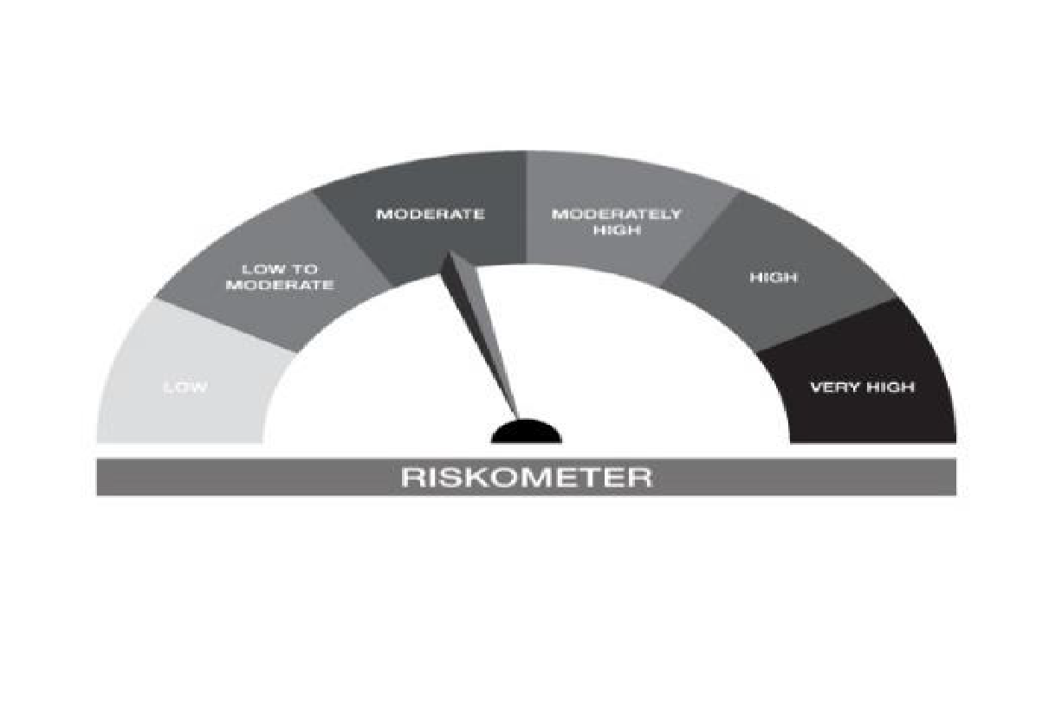


IB10-Groww Short Duration Fund
Portfolio as on 15-SEP-2024
ISIN | Name of Instrument | Rating/Industry | Quantity | Market Value (In Rs. lakh) | % To Net Assets | Maturity Date | Put/Call Option | Yield
 | DEBT INSTRUMENTS
 | (a) Listed / awaiting listing on Stock Exchanges
 | Non Convertible Debentures / Bonds
INE020B08AQ9 | 7.7% REC Limited 10-DEC-2027** | CRISIL AAA | 300,000.00 | 301.91 | 5.75% | 10-DEC-2027 |  | 7.47%
INE115A07QM6 | 7.77% LIC Housing Finance Limited 11-AUG-2028** | CRISIL AAA | 300,000.00 | 300.12 | 5.72% | 11-AUG-2028 |  | 7.75%
INE261F08EH1 | 7.62% NABARD 10-MAY-2029 | CRISIL AAA | 200,000.00 | 201.17 | 3.83% | 10-MAY-2029 |  | 7.45%
 | Sub Total |  |  | 803.21 | 15.30%
 | (b) Privately placed / Unlisted |  |  | NIL | NIL
 | Sub Total |  |  | NIL | NIL
 | (c) Securitized Debt Instruments |  |  | NIL | NIL
 | Sub Total |  |  | NIL | NIL
 | (d) Government Securities / SDL
IN0020230010 | 7.06% GOI - 10-Apr-2028 | SOVEREIGN | 1,000,000.00 | 1,010.71 | 19.26% | 10-APR-2028 |  | 6.72%
IN0020230101 | 7.37% GOI - 23-OCT-2028 | SOVEREIGN | 950,000.00 | 972.04 | 18.52% | 23-OCT-2028 |  | 6.71%
IN2120170062 | 7.65% Madhya Pradesh- SDL - 01-Nov-2027 | SOVEREIGN | 500,000.00 | 509.22 | 9.70% | 01-NOV-2027 |  | 6.98%
IN0020240050 | 7.04% GOI - 03-Jun-2029 | SOVEREIGN | 500,000.00 | 506.60 | 9.65% | 03-JUN-2029 |  | 6.71%
IN1520180143 | 8.65% Gujarat SDL - 10-Oct-2028 | SOVEREIGN | 200,000.00 | 211.36 | 4.03% | 10-OCT-2028 |  | 7.02%
IN0020240019 | 7.10% GOI - 08-Apr-2034 | SOVEREIGN | 100,000.00 | 102.13 | 1.95% | 08-APR-2034 |  | 6.79%
IN1920170124 | 7.69% Karnataka- SDL - 20-Dec-2027 | SOVEREIGN | 100,000.00 | 102.07 | 1.94% | 20-DEC-2027 |  | 6.97%
IN1520160194 | 7.59% GUJARAT SDL - 15-Feb-2027 | SOVEREIGN | 100,000.00 | 101.34 | 1.93% | 15-FEB-2027 |  | 6.98%
IN0020220037 | 7.38% GOI MAT 20-Jun-2027 | SOVEREIGN | 50,000.00 | 50.83 | 0.97% | 20-JUN-2027 |  | 6.7%
IN2220160013 | 8.08% Maharashtra- SDL - 15-Jun-2026 | SOVEREIGN | 40,000.00 | 40.74 | 0.78% | 15-JUN-2026 |  | 6.92%
 | Sub Total |  |  | 3,607.04 | 68.73%
 | Total |  |  | 4,410.24 | 84.03%

 | MONEY MARKET INSTRUMENTS
 | Certificate of Deposits
INE040A16EH3 | HDFC Bank Limited 06-DEC-2024# | CARE A1+ | 200,000.00 | 196.81 | 3.75% | 06-DEC-2024 |  | 7.3%
INE476A16YQ8 | Canara Bank 13-DEC-2024# | CRISIL A1+ | 300,000.00 | 294.81 | 5.62% | 13-DEC-2024 |  | 7.3%
INE238AD6579 | Axis Bank Limited 29-NOV-2024# | CRISIL A1+ | 90,000.00 | 88.69 | 1.69% | 29-NOV-2024 |  | 7.31%
 | Sub Total |  |  | 580.31 | 11.06%
 | Total |  |  | 580.31 | 11.06%

 | FIXED DEPOSIT
INHDFC24924A | HDFC Bank Limited |  | 50,000.00 | 50.00 | 0.95% | 24-SEP-2024
 | Total |  |  | 50.00 | 0.95%

 | Alternative Investment Fund Units
INF0RQ622028 | SBI FUNDS MANAGEMENT PVT LMTD |  | 96.68 | 10.04 | 0.19%
 | Total |  |  | 10.04 | 0.19%

 | TREPS / Reverse Repo Investments / Corporate Debt Repo
INTREP170924 | CCIL |  | 790.00 | 78.99 | 1.51% | 17-SEP-2024
 | Total |  |  | 78.99 | 1.51%

 | Cash & Cash Equivalents
 | Net Receivable/Payable |  |  | 118.58 | 2.26%
 | Total |  |  | 118.58 | 2.26%
 | Grand Total |  |  | 5,248.16 | 100.00%

** Non Traded Securities
# Unlisted Securities

IB16
 | Scheme - Groww Overnight Fund (formerly known as INDIABULLS OVERNIGHT FUND) | Benchmark - CRISIL Liquid Overnight Index |  |  | Potential Risk Class (PRC)
 | Scheme Risk-O-Meter | Benchmark Risk-O-Meter |  |  | PRC Level - AI

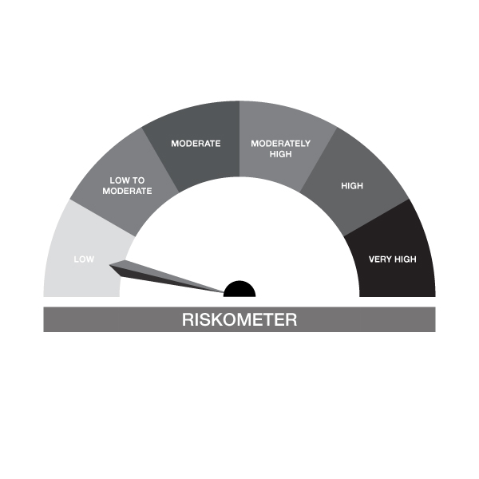

IB16-Groww Overnight Fund
Portfolio as on 15-SEP-2024
ISIN | Name of Instrument | Rating/Industry | Quantity | Market Value (In Rs. lakh) | % To Net Assets | Maturity Date | Put/Call Option | Yield
 | DEBT INSTRUMENTS
 | (a) Listed / awaiting listing on Stock Exchanges |  |  | NIL | NIL
 | Sub Total |  |  | NIL | NIL
 | (b) Privately placed / Unlisted |  |  | NIL | NIL
 | Sub Total |  |  | NIL | NIL
 | (c) Securitized Debt Instruments |  |  | NIL | NIL
 | Sub Total |  |  | NIL | NIL
 | (d) Government Securities / SDL |  |  | NIL | NIL
 | Sub Total |  |  | NIL | NIL
 | Total |  |  | NIL | NIL

 | MONEY MARKET INSTRUMENTS
 | Treasury Bills
IN002024Y027 | 182 Days Treasury Bill 11-Oct-2024 | SOVEREIGN | 100,000.00 | 99.55 | 3.06% | 11-OCT-2024 |  | 6.55%
IN002023Y532 | 182 Days Treasury Bill 19-Sep-2024 | SOVEREIGN | 50,000.00 | 49.97 | 1.53% | 19-SEP-2024 |  | 6.6%
 | Sub Total |  |  | 149.53 | 4.59%
 | Total |  |  | 149.53 | 4.59%

 | TREPS / Reverse Repo Investments / Corporate Debt Repo
INTREP170924 | CCIL |  | 310.00 | 30.99 | 0.95% | 17-SEP-2024
 | Total |  |  | 30.99 | 0.95%

 | Triparty Repo/ Reverse Repo Instrument
 | Reverse Repo 17-SEP-24 |  |  | 3,073.21 | 94.38%
 | Total |  |  | 3,073.21 | 94.38%

 | Cash & Cash Equivalents
 | Net Receivable/Payable |  |  | 2.49 | 0.08%
 | Total |  |  | 2.49 | 0.08%
 | Grand Total |  |  | 3,256.21 | 100.00%

