IB02
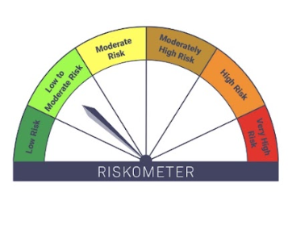
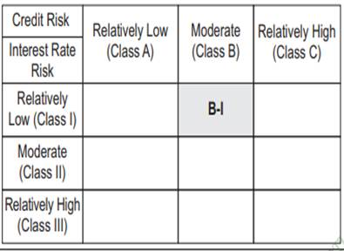
IB02-Groww Liquid Fund
Portfolio as on 15-FEB-2025
ISIN | Name of Instrument | Rating/Industry | Quantity | Market Value (In Rs. lakh) | % To Net Assets | Maturity Date | Put/Call Option | Yield
 | DEBT INSTRUMENTS
 | (a) Listed / awaiting listing on Stock Exchanges
 | Non Convertible Debentures / Bonds
INE121A07QJ0 | 7.08% Cholamandalam Invest & Finance Co Ltd 11-MAR-2025** | ICRA AA+ | 1,000,000.00 | 999.21 | 5.58% | 11-MAR-2025 |  | 7.82%
INE115A07PQ9 | 5.9943% LIC Housing Finance Limited 12-MAR-2025** | CRISIL AAA | 1,000,000.00 | 999.07 | 5.58% | 12-MAR-2025 |  | 7.03%
INE053F09GV6 | 8.95% Indian Railway Finance Corporation Ltd 10-MAR-2025** | ICRA AAA | 500,000.00 | 500.54 | 2.80% | 10-MAR-2025 |  | 6.96%
INE040A08518 | 8.45% HDFC Bank Limited 25-FEB-2025** | CRISIL AAA | 500,000.00 | 500.06 | 2.79% | 25-FEB-2025 |  | 7.35%
INE020B08CK8 | 6.88% REC Limited 20-MAR-2025** | CRISIL AAA | 420,000.00 | 419.92 | 2.34% | 20-MAR-2025 |  | 7.15%
 | Sub Total |  |  | 3,418.80 | 19.09%
 | (b) Privately placed / Unlisted |  |  | NIL | NIL
 | Sub Total |  |  | NIL | NIL
 | (c) Securitized Debt Instruments |  |  | NIL | NIL
 | Sub Total |  |  | NIL | NIL
 | (d) Government Securities / SDL |  |  | NIL | NIL
 | Sub Total |  |  | NIL | NIL
 | Total |  |  | 3,418.80 | 19.09%

 | MONEY MARKET INSTRUMENTS
 | Treasury Bills
IN002024X458 | 91 Days Treasury Bill 15-May-2025 | SOVEREIGN | 1,000,000.00 | 984.73 | 5.50% | 15-MAY-2025 |  | 6.43%
IN002024Y290 | 182 Days Treasury Bill 01-May-2025 | SOVEREIGN | 500,000.00 | 493.61 | 2.76% | 01-MAY-2025 |  | 6.39%
IN002024X433 | 91 Days Treasury Bill 01-May-2025 | SOVEREIGN | 2,000,000.00 | 1,974.42 | 11.03% | 01-MAY-2025 |  | 6.39%
 | Sub Total |  |  | 3,452.76 | 19.28%
 | Commercial Papers
INE763G14TN8 | ICICI Securities Limited 06-MAR-2025** | CRISIL A1+ | 500,000.00 | 498.18 | 2.78% | 06-MAR-2025 |  | 7.43%
INE261F14MN0 | NABARD 04-MAR-2025** | ICRA A1+ | 1,000,000.00 | 996.96 | 5.57% | 04-MAR-2025 |  | 6.96%
INE700G14NG7 | HDFC Securities Limited 13-MAY-2025** | ICRA A1+ | 500,000.00 | 490.92 | 2.74% | 13-MAY-2025 |  | 7.85%
INE047A14AC2 | Grasim Industries Limited 28-FEB-2025** | CRISIL A1+ | 500,000.00 | 498.85 | 2.79% | 28-FEB-2025 |  | 7%
INE763G14TE7 | ICICI Securities Limited 21-FEB-2025** | CRISIL A1+ | 1,000,000.00 | 999.03 | 5.58% | 21-FEB-2025 |  | 7.13%
INE514E14SK8 | EXIM Bank 04-MAR-2025** | CRISIL A1+ | 1,500,000.00 | 1,495.49 | 8.35% | 04-MAR-2025 |  | 6.88%
 | Sub Total |  |  | 4,979.42 | 27.81%
 | Certificate of Deposits
INE160A16OP1 | Punjab National Bank 11-MAR-2025**# | CRISIL A1+ | 950,000.00 | 945.92 | 5.28% | 11-MAR-2025 |  | 6.84%
INE028A16GP6 | Bank of Baroda 05-MAY-2025**# | Fitch A1+ | 1,000,000.00 | 984.45 | 5.50% | 05-MAY-2025 |  | 7.39%
INE040A16EU6 | HDFC Bank Limited 12-MAR-2025# | Crisil A1+ | 500,000.00 | 497.76 | 2.78% | 12-MAR-2025 |  | 6.84%
INE090AD6121 | ICICI Bank Limited 25-FEB-2025**# | ICRA A1+ | 1,000,000.00 | 998.30 | 5.57% | 25-FEB-2025 |  | 6.91%
INE261F16868 | NABARD 26-MAR-2025**# | Crisil A1+ | 500,000.00 | 496.46 | 2.77% | 26-MAR-2025 |  | 6.86%
INE562A16MR8 | Indian Bank 13-MAR-2025**# | CRISIL A1+ | 1,000,000.00 | 995.30 | 5.56% | 13-MAR-2025 |  | 6.9%
INE476A16YZ9 | Canara Bank 28-FEB-2025**# | CRISIL A1+ | 500,000.00 | 498.87 | 2.79% | 28-FEB-2025 |  | 6.9%
 | Sub Total |  |  | 5,417.05 | 30.25%
 | Total |  |  | 13,849.24 | 77.34%

 | Alternative Investment Fund Units
INF0RQ622028 | SBI FUNDS MANAGEMENT PVT LMTD |  | 504.68 | 55.22 | 0.31%
 | Total |  |  | 55.22 | 0.31%

 | TREPS / Reverse Repo Investments / Corporate Debt Repo
INTREP170225 | CCIL |  | 30.00 | 3.00 | 0.02% | 17-FEB-2025
 | Total |  |  | 3.00 | 0.02%

 | Triparty Repo/ Reverse Repo Instrument
 | Reverse Repo 17-FEB-25 |  |  | 343.83 | 1.92%
 | Total |  |  | 343.83 | 1.92%

 | Cash & Cash Equivalents
 | Net Receivable/Payable |  |  | 237.47 | 1.33%
 | Total |  |  | 237.47 | 1.33%
 | Grand Total |  |  | 17,907.55 | 100.00%

** Non Traded Security
# Unlisted Securities

Scheme - Groww Liquid Fund | Benchmark - CRISIL Liquid Debt A-I Index | Potential Risk Class (PRC)
Scheme Risk-O-Meter | Benchmark Risk-O-Meter | PRC Level - BI

IB05
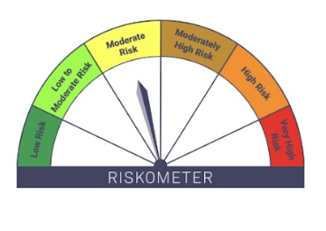

IB05-Groww Dynamic Bond Fund
Portfolio as on 15-FEB-2025
ISIN | Name of Instrument | Rating/Industry | Quantity | Market Value (In Rs. lakh) | % To Net Assets | Maturity Date | Put/Call Option | Yield
 | DEBT INSTRUMENTS
 | (a) Listed / awaiting listing on Stock Exchanges
 | Non Convertible Debentures / Bonds
INE115A07QM6 | 7.77% LIC Housing Finance Limited 11-AUG-2028** | CRISIL AAA | 200,000.00 | 200.39 | 3.53% | 11-AUG-2028 |  | 7.68%
INE040A08856 | 5.78% HDFC Bank Limited 25-NOV-2025** | CRISIL AAA | 100,000.00 | 98.40 | 1.73% | 25-NOV-2025 |  | 7.88%
INE020B08CK8 | 6.88% REC Limited 20-MAR-2025** | CRISIL AAA | 80,000.00 | 79.99 | 1.41% | 20-MAR-2025 |  | 7.15%
INE556F08KM1 | 7.79% SIDBI 14-MAY-2027** | CARE AAA | 20,000.00 | 20.12 | 0.35% | 14-MAY-2027 |  | 7.49%
 | Sub Total |  |  | 398.89 | 7.03%
 | (b) Privately placed / Unlisted |  |  | NIL | NIL
 | Sub Total |  |  | NIL | NIL
 | (c) Securitized Debt Instruments |  |  | NIL | NIL
 | Sub Total |  |  | NIL | NIL
 | (d) Government Securities / SDL
IN0020240035 | 7.34% GOI - 22-Apr-2064 | SOVEREIGN | 4,000,000.00 | 4,139.02 | 72.98% | 22-APR-2064 |  | 7.08%
IN0020230051 | 7.30% GOI - 19-JUN-2053 | SOVEREIGN | 500,000.00 | 515.57 | 9.09% | 19-JUN-2053 |  | 7.04%
IN0020220037 | 7.38% GOI MAT 20-Jun-2027 | SOVEREIGN | 50,000.00 | 50.80 | 0.90% | 20-JUN-2027 |  | 6.63%
 | Sub Total |  |  | 4,705.38 | 82.96%
 | Total |  |  | 5,104.28 | 90.00%

 | MONEY MARKET INSTRUMENTS
 | Certificate of Deposits
INE160A16OP1 | Punjab National Bank 11-MAR-2025**# | CRISIL A1+ | 50,000.00 | 49.79 | 0.88% | 11-MAR-2025 |  | 6.84%
 | Sub Total |  |  | 49.79 | 0.88%
 | Total |  |  | 49.79 | 0.88%

 | FIXED DEPOSIT
INHDFC280225 | HDFC Bank Limited |  | 80,000.00 | 80.00 | 1.41% | 28-FEB-2025
 | Total |  |  | 80.00 | 1.41%

 | Alternative Investment Fund Units
INF0RQ622028 | SBI FUNDS MANAGEMENT PVT LMTD |  | 139.33 | 15.24 | 0.27%
 | Total |  |  | 15.24 | 0.27%

 | TREPS / Reverse Repo Investments / Corporate Debt Repo
INTREP170225 | CCIL |  | 3,200.00 | 319.95 | 5.64% | 17-FEB-2025
 | Total |  |  | 319.95 | 5.64%

 | Cash & Cash Equivalents
 | Net Receivable/Payable |  |  | 102.31 | 1.80%
 | Total |  |  | 102.31 | 1.80%
 | Grand Total |  |  | 5,671.56 | 100.00%

** Non Traded Security
# Unlisted Securities

Scheme - Groww Dynamic Bond Fund | Benchmark - CRISIL Dynamic Bond A-III Index |  | Potential Risk Class (PRC)
Scheme Risk-O-Meter | Benchmark Risk-O-Meter |  | PRC Level - BIII

IB10

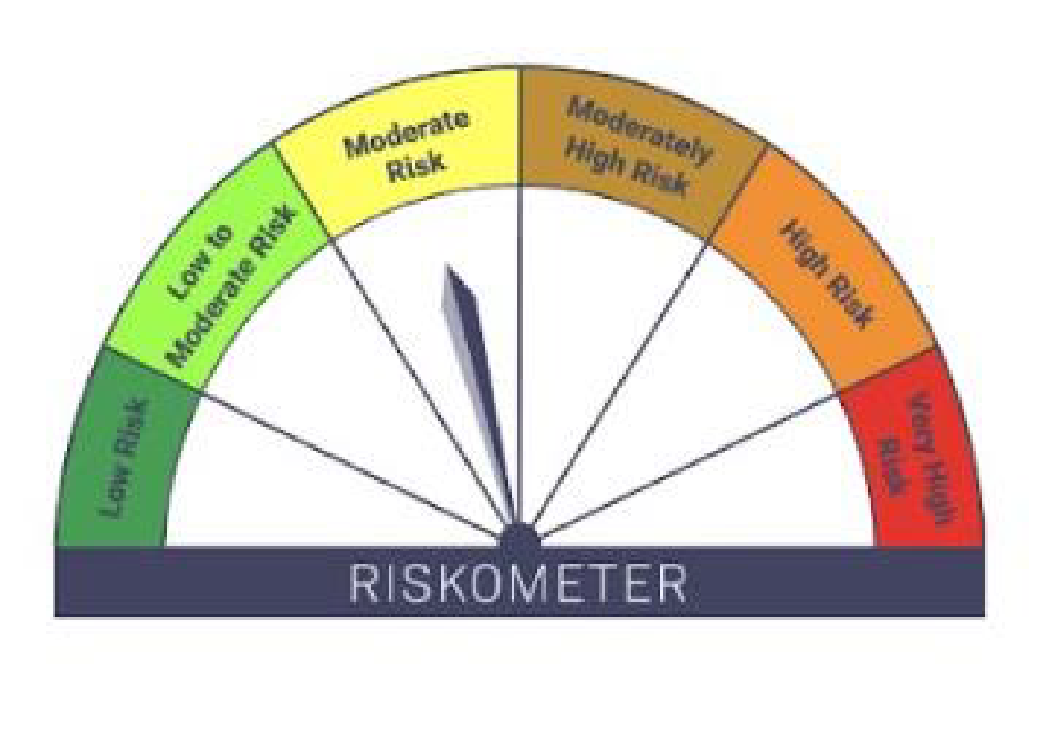

IB10-Groww Short Duration Fund
Portfolio as on 15-FEB-2025
ISIN | Name of Instrument | Rating/Industry | Quantity | Market Value (In Rs. lakh) | % To Net Assets | Maturity Date | Put/Call Option | Yield
 | DEBT INSTRUMENTS
 | (a) Listed / awaiting listing on Stock Exchanges
 | Non Convertible Debentures / Bonds
INE261F08EJ7 | 7.64% NABARD 06-DEC-2029** | ICRA AAA | 500,000.00 | 504.89 | 8.16% | 06-DEC-2029 |  | 7.38%
INE134E08LX5 | 7.59% Power Finance Corporation Limited 17-JAN-2028** | CRISIL AAA | 500,000.00 | 502.18 | 8.11% | 17-JAN-2028 |  | 7.41%
INE296A07SI8 | 7.9% Bajaj Finance Limited 13-APR-2028** | CRISIL AAA | 500,000.00 | 501.70 | 8.10% | 13-APR-2028 |  | 7.76%
INE377Y07490 | 7.98% Bajaj Housing Finance Ltd 09-SEP-2026** | CRISIL AAA | 500,000.00 | 501.16 | 8.10% | 09-SEP-2026 |  | 7.77%
INE053F07AB5 | 7.27% Indian Railway Finance Corporation Ltd 15-JUN-2027** | CRISIL AAA | 500,000.00 | 499.72 | 8.07% | 15-JUN-2027 |  | 7.3%
INE556F08KM1 | 7.79% SIDBI 14-MAY-2027** | CARE AAA | 480,000.00 | 482.95 | 7.80% | 14-MAY-2027 |  | 7.49%
INE040A08856 | 5.78% HDFC Bank Limited 25-NOV-2025** | CRISIL AAA | 400,000.00 | 393.58 | 6.36% | 25-NOV-2025 |  | 7.88%
INE115A07QM6 | 7.77% LIC Housing Finance Limited 11-AUG-2028** | CRISIL AAA | 300,000.00 | 300.58 | 4.86% | 11-AUG-2028 |  | 7.68%
 | Sub Total |  |  | 3,686.76 | 59.56%
 | (b) Privately placed / Unlisted |  |  | NIL | NIL
 | Sub Total |  |  | NIL | NIL
 | (c) Securitized Debt Instruments |  |  | NIL | NIL
 | Sub Total |  |  | NIL | NIL
 | (d) Government Securities / SDL
IN0020240019 | 7.10% GOI - 08-Apr-2034 | SOVEREIGN | 500,000.00 | 511.44 | 8.26% | 08-APR-2034 |  | 6.76%
IN0020240126 | 6.79% GOI - 07-OCT-2034 | SOVEREIGN | 500,000.00 | 502.91 | 8.12% | 07-OCT-2034 |  | 6.71%
IN0020220037 | 7.38% GOI MAT 20-Jun-2027 | SOVEREIGN | 50,000.00 | 50.80 | 0.82% | 20-JUN-2027 |  | 6.63%
 | Sub Total |  |  | 1,065.15 | 17.21%
 | Total |  |  | 4,751.91 | 76.76%

 | MONEY MARKET INSTRUMENTS
 | Certificate of Deposits
INE160A16QL5 | Punjab National Bank 11-DEC-2025**# | CRISIL A1+ | 500,000.00 | 470.82 | 7.61% | 11-DEC-2025 |  | 7.59%
INE238AD6934 | Axis Bank Limited 08-OCT-2025**# | CRISIL A1+ | 500,000.00 | 476.73 | 7.70% | 08-OCT-2025 |  | 7.62%
 | Sub Total |  |  | 947.55 | 15.31%
 | Total |  |  | 947.55 | 15.31%

 | FIXED DEPOSIT
INHDFC250225 | HDFC Bank Limited |  | 50,000.00 | 50.00 | 0.81% | 25-FEB-2025
 | Total |  |  | 50.00 | 0.81%

 | Alternative Investment Fund Units
INF0RQ622028 | SBI FUNDS MANAGEMENT PVT LMTD |  | 144.61 | 15.82 | 0.26%
 | Total |  |  | 15.82 | 0.26%

 | TREPS / Reverse Repo Investments / Corporate Debt Repo
INTREP170225 | CCIL |  | 2,920.00 | 291.95 | 4.72% | 17-FEB-2025
 | Total |  |  | 291.95 | 4.72%

 | Cash & Cash Equivalents
 | Net Receivable/Payable |  |  | 133.10 | 2.15%
 | Total |  |  | 133.10 | 2.15%
 | Grand Total |  |  | 6,190.33 | 100.00%

** Non Traded Security
# Unlisted Securities

Scheme - Groww Short Duration Fund | Benchmark - CRISIL Short Duration Debt A-II Index |  | Potential Risk Class (PRC)
Scheme Risk-O-Meter | Benchmark Risk-O-Meter |  | PRC Level - BII

IB16
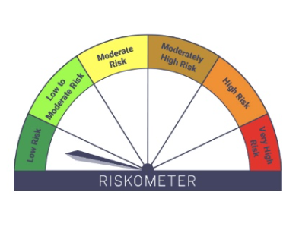

IB16-Groww Overnight Fund
Portfolio as on 15-FEB-2025
ISIN | Name of Instrument | Rating/Industry | Quantity | Market Value (In Rs. lakh) | % To Net Assets | Maturity Date | Put/Call Option | Yield
 | DEBT INSTRUMENTS
 | (a) Listed / awaiting listing on Stock Exchanges |  |  | NIL | NIL
 | Sub Total |  |  | NIL | NIL
 | (b) Privately placed / Unlisted |  |  | NIL | NIL
 | Sub Total |  |  | NIL | NIL
 | (c) Securitized Debt Instruments |  |  | NIL | NIL
 | Sub Total |  |  | NIL | NIL
 | (d) Government Securities / SDL |  |  | NIL | NIL
 | Sub Total |  |  | NIL | NIL
 | Total |  |  | NIL | NIL

 | MONEY MARKET INSTRUMENTS
 | Total |  |  | NIL | NIL

 | TREPS / Reverse Repo Investments / Corporate Debt Repo
INTREP170225 | CCIL |  | 90.00 | 9.00 | 0.28% | 17-FEB-2025
 | Total |  |  | 9.00 | 0.28%

 | Triparty Repo/ Reverse Repo Instrument
 | Reverse Repo 17-FEB-25 |  |  | 3,239.07 | 99.23%
 | Total |  |  | 3,239.07 | 99.23%

 | Cash & Cash Equivalents
 | Net Receivable/Payable |  |  | 16.18 | 0.50%
 | Total |  |  | 16.18 | 0.50%
 | Grand Total |  |  | 3,264.25 | 100.00%

 | Scheme - Groww Overnight Fund | Benchmark - CRISIL Liquid Overnight Index |  |  | Potential Risk Class (PRC)
 | Scheme Risk-O-Meter | Benchmark Risk-O-Meter |  |  | PRC Level - AI

