IB02
 | Scheme - Groww Liquid Fund (formrly known as Indiabulls Liquid Fund) |  | Benchmark - CRISIL Liquid Debt A-I Index |  | Potential Risk Class (PRC)
 | Scheme Risk-O-Meter |  | Benchmark Risk-O-Meter |  | PRC Level - BI
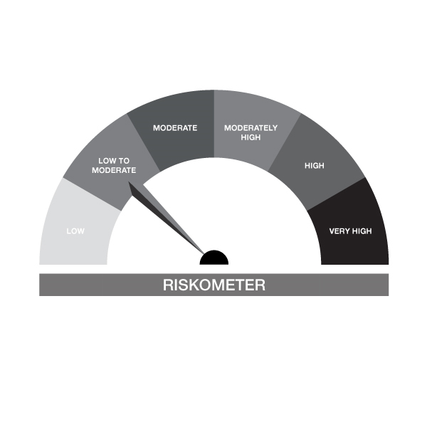
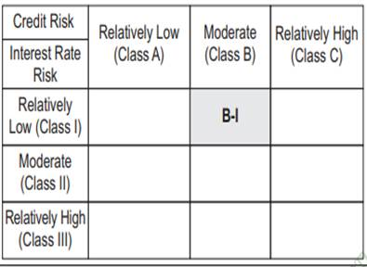

IB02-Groww Liquid Fund
Portfolio as on 15-NOV-2024
ISIN | Name of Instrument | Rating/Industry | Quantity | Market Value (In Rs. lakh) | % To Net Assets | Maturity Date | Put/Call Option | Yield
 | DEBT INSTRUMENTS
 | (a) Listed / awaiting listing on Stock Exchanges |  |  | NIL | NIL
 | Sub Total |  |  | NIL | NIL
 | (b) Privately placed / Unlisted |  |  | NIL | NIL
 | Sub Total |  |  | NIL | NIL
 | (c) Securitized Debt Instruments |  |  | NIL | NIL
 | Sub Total |  |  | NIL | NIL
 | (d) Government Securities / SDL |  |  | NIL | NIL
 | Sub Total |  |  | NIL | NIL
 | Total |  |  | NIL | NIL

 | MONEY MARKET INSTRUMENTS
 | Treasury Bills
IN002024X250 | 91 Days Treasury Bill 12-Dec-2024 | SOVEREIGN | 1,000,000.00 | 995.52 | 1.85% | 12-DEC-2024 |  | 6.32%
IN002023Z406 | 364 Days Treasury Bill 19-Dec-2024 | SOVEREIGN | 250,000.00 | 248.56 | 0.46% | 19-DEC-2024 |  | 6.4%
IN002024X235 | 91 Days Treasury Bill 28-Nov-2024 | SOVEREIGN | 500,000.00 | 498.96 | 0.93% | 28-NOV-2024 |  | 6.35%
IN002024X284 | 91 Days Treasury Bill 16-Jan-2025 | SOVEREIGN | 4,000,000.00 | 3,957.62 | 7.35% | 16-JAN-2025 |  | 6.41%
IN002024X276 | 91 Days Treasury Bill 09-Jan-2025 | SOVEREIGN | 2,000,000.00 | 1,981.13 | 3.68% | 09-JAN-2025 |  | 6.44%
 | Sub Total |  |  | 7,681.78 | 14.26%
 | Commercial Papers
INE763G14VO2 | ICICI Securities Limited 22-NOV-2024** | CRISIL A1+ | 1,000,000.00 | 998.81 | 1.85% | 22-NOV-2024 |  | 7.22%
INE891K14NL6 | Axis Finance Limited 20-JAN-2025** | CRISIL A1+ | 500,000.00 | 493.46 | 0.92% | 20-JAN-2025 |  | 7.44%
INE860H143P0 | Aditya Birla Finance Limited 24-JAN-2025** | CRISIL A1+ | 1,000,000.00 | 986.09 | 1.83% | 24-JAN-2025 |  | 7.46%
INE115A14EQ9 | LIC Housing Finance Limited 17-DEC-2024** | CRISIL A1+ | 2,250,000.00 | 2,236.51 | 4.15% | 17-DEC-2024 |  | 7.1%
INE957N14HS6 | Hero Fincorp Limited 13-DEC-2024** | CRISIL A1+ | 2,500,000.00 | 2,486.12 | 4.61% | 13-DEC-2024 |  | 7.55%
INE296A14YY9 | Bajaj Finance Limited 25-NOV-2024** | CRISIL A1+ | 5,000,000.00 | 4,991.11 | 9.26% | 25-NOV-2024 |  | 7.23%
INE514E14RV7 | EXIM Bank 06-DEC-2024** | CRISIL A1+ | 5,000,000.00 | 4,981.53 | 9.25% | 06-DEC-2024 |  | 6.77%
 | Sub Total |  |  | 17,173.63 | 31.88%
 | Certificate of Deposits
INE556F16AM5 | SIDBI 11-DEC-2024**# | CARE A1+ | 5,000,000.00 | 4,976.81 | 9.24% | 11-DEC-2024 |  | 6.8%
INE028A16FO1 | Bank of Baroda 25-NOV-2024**# | FITCH A1+ | 1,000,000.00 | 998.33 | 1.85% | 25-NOV-2024 |  | 6.77%
INE040A16EH3 | HDFC Bank Limited 06-DEC-2024**# | CARE A1+ | 500,000.00 | 498.14 | 0.92% | 06-DEC-2024 |  | 6.8%
INE237A163V9 | Kotak Mahindra Bank Limited 14-JAN-2025**# | CRISIL A1+ | 1,500,000.00 | 1,482.89 | 2.75% | 14-JAN-2025 |  | 7.14%
INE238AD6637 | Axis Bank Limited 14-JAN-2025**# | CRISIL A1+ | 2,500,000.00 | 2,471.44 | 4.59% | 14-JAN-2025 |  | 7.15%
INE562A16NJ3 | Indian Bank 09-DEC-2024**# | CRISIL A1+ | 1,500,000.00 | 1,493.59 | 2.77% | 09-DEC-2024 |  | 6.82%
INE040A16EM3 | HDFC Bank Limited 03-FEB-2025**# | CRISIL A1+ | 2,500,000.00 | 2,461.90 | 4.57% | 03-FEB-2025 |  | 7.15%
INE028A16EU1 | Bank of Baroda 07-FEB-2025**# | FITCH A1+ | 2,500,000.00 | 2,460.05 | 4.57% | 07-FEB-2025 |  | 7.14%
INE238AD6579 | Axis Bank Limited 29-NOV-2024**# | CRISIL A1+ | 910,000.00 | 907.80 | 1.69% | 29-NOV-2024 |  | 6.8%
INE090AD6105 | ICICI Bank Limited 06-DEC-2024**# | ICRA A1+ | 3,450,000.00 | 3,437.25 | 6.38% | 06-DEC-2024 |  | 6.77%
INE476A16XI7 | Canara Bank 16-JAN-2025**# | CRISIL A1+ | 4,400,000.00 | 4,348.12 | 8.07% | 16-JAN-2025 |  | 7.14%
 | Sub Total |  |  | 25,536.30 | 47.40%
 | Total |  |  | 50,391.72 | 93.54%

 | FIXED DEPOSIT
INHDFC281124 | HDFC Bank Limited |  | 80,000.00 | 80.00 | 0.15% | 28-NOV-2024
 | Total |  |  | 80.00 | 0.15%

 | Alternative Investment Fund Units
INF0RQ622028 | SBI FUNDS MANAGEMENT PVT LMTD |  | 504.68 | 52.74 | 0.10%
 | Total |  |  | 52.74 | 0.10%

 | TREPS / Reverse Repo Investments / Corporate Debt Repo
INTREP181124 | CCIL |  | 390.00 | 38.99 | 0.07% | 18-NOV-2024
 | Total |  |  | 38.99 | 0.07%

 | Triparty Repo/ Reverse Repo Instrument
 | Reverse Repo 18-NOV-24 |  |  | 3,298.00 | 6.12%
 | Total |  |  | 3,298.00 | 6.12%

 | Cash & Cash Equivalents
 | Net Receivable/Payable |  |  | 10.53 | 0.02%
 | Total |  |  | 10.53 | 0.02%
 | Grand Total |  |  | 53,871.97 | 100.00%

** Non Traded Security
# Unlisted Securities

IB05
 | Scheme - Groww Dynamic Bond Fund (formerly known as INDIABULLS DYNAMIC BOND FUND) |  | Benchmark - CRISIL Dynamic Bond A-III Index |  | Potential Risk Class (PRC)
 | Scheme Risk-O-Meter |  | Benchmark Risk-O-Meter |  | PRC Level - BIII
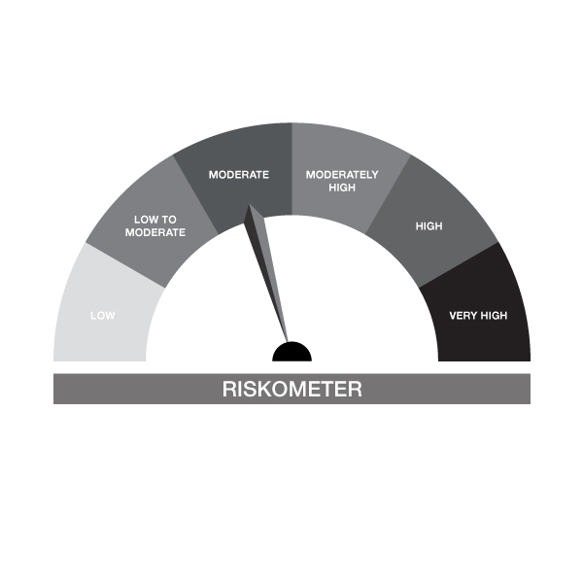


IB05-Groww Dynamic Bond Fund
Portfolio as on 15-NOV-2024
ISIN | Name of Instrument | Rating/Industry | Quantity | Market Value (In Rs. lakh) | % To Net Assets | Maturity Date | Put/Call Option | Yield
 | DEBT INSTRUMENTS
 | (a) Listed / awaiting listing on Stock Exchanges
 | Non Convertible Debentures / Bonds
INE020B08AQ9 | 7.7% REC Limited 10-DEC-2027** | CRISIL AAA | 200,000.00 | 201.29 | 3.86% | 10-DEC-2027 |  | 7.46%
INE115A07QM6 | 7.77% LIC Housing Finance Limited 11-AUG-2028** | CRISIL AAA | 200,000.00 | 200.58 | 3.84% | 11-AUG-2028 |  | 7.66%
INE053F07BA5 | 8.55% Indian Railway Finance Corporation Ltd 21-FEB-2029** | CRISIL AAA | 50,000.00 | 52.29 | 1.00% | 21-FEB-2029 |  | 7.27%
INE556F08KM1 | 7.79% SIDBI 14-MAY-2027** | CARE AAA | 20,000.00 | 20.14 | 0.39% | 14-MAY-2027 |  | 7.48%
 | Sub Total |  |  | 474.30 | 9.09%
 | (b) Privately placed / Unlisted |  |  | NIL | NIL
 | Sub Total |  |  | NIL | NIL
 | (c) Securitized Debt Instruments |  |  | NIL | NIL
 | Sub Total |  |  | NIL | NIL
 | (d) Government Securities / SDL
IN0020240035 | 7.34% GOI - 22-Apr-2064 | SOVEREIGN | 550,000.00 | 570.86 | 10.93% | 22-APR-2064 |  | 7.05%
IN0020230051 | 7.30% GOI - 19-JUN-2053 | SOVEREIGN | 500,000.00 | 516.59 | 9.90% | 19-JUN-2053 |  | 7.03%
IN0020240050 | 7.04% GOI - 03-Jun-2029 | SOVEREIGN | 500,000.00 | 504.47 | 9.66% | 03-JUN-2029 |  | 6.81%
IN0020220037 | 7.38% GOI MAT 20-Jun-2027 | SOVEREIGN | 50,000.00 | 50.74 | 0.97% | 20-JUN-2027 |  | 6.74%
 | Sub Total |  |  | 1,642.66 | 31.46%
 | Total |  |  | 2,116.97 | 40.55%

 | MONEY MARKET INSTRUMENTS
 | Treasury Bills
IN002023Z406 | 364 Days Treasury Bill 19-Dec-2024 | SOVEREIGN | 150,000.00 | 149.14 | 2.86% | 19-DEC-2024 |  | 6.4%
 | Sub Total |  |  | 149.14 | 2.86%
 | Commercial Papers
INE115A14EQ9 | LIC Housing Finance Limited 17-DEC-2024** | CRISIL A1+ | 250,000.00 | 248.50 | 4.76% | 17-DEC-2024 |  | 7.1%
 | Sub Total |  |  | 248.50 | 4.76%
 | Certificate of Deposits
INE476A16XI7 | Canara Bank 16-JAN-2025**# | CRISIL A1+ | 500,000.00 | 494.10 | 9.46% | 16-JAN-2025 |  | 7.14%
INE090AD6105 | ICICI Bank Limited 06-DEC-2024**# | ICRA A1+ | 50,000.00 | 49.82 | 0.95% | 06-DEC-2024 |  | 6.77%
 | Sub Total |  |  | 543.92 | 10.42%
 | Total |  |  | 941.56 | 18.04%

 | FIXED DEPOSIT
INHDFC191124 | HDFC Bank Limited |  | 80,000.00 | 80.00 | 1.53% | 19-NOV-2024
 | Total |  |  | 80.00 | 1.53%

 | Alternative Investment Fund Units
INF0RQ622028 | SBI FUNDS MANAGEMENT PVT LMTD |  | 95.91 | 10.02 | 0.19%
 | Total |  |  | 10.02 | 0.19%

 | TREPS / Reverse Repo Investments / Corporate Debt Repo
INTREP181124 | CCIL |  | 20,270.00 | 2,026.32 | 38.81% | 18-NOV-2024
 | Total |  |  | 2,026.32 | 38.81%

 | Cash & Cash Equivalents
 | Net Receivable/Payable |  |  | 45.81 | 0.88%
 | Total |  |  | 45.81 | 0.88%
 | Grand Total |  |  | 5,220.68 | 100.00%

** Non Traded Security
# Unlisted Securities

IB10
 | Scheme - Groww Short Duration Fund (formerly known as INDIABULLS SHORT TERM FUND) | Benchmark - CRISIL Short Duration Debt A-II Index |  |  | Potential Risk Class (PRC)
 | Scheme Risk-O-Meter | Benchmark Risk-O-Meter |  |  | PRC Level - BII
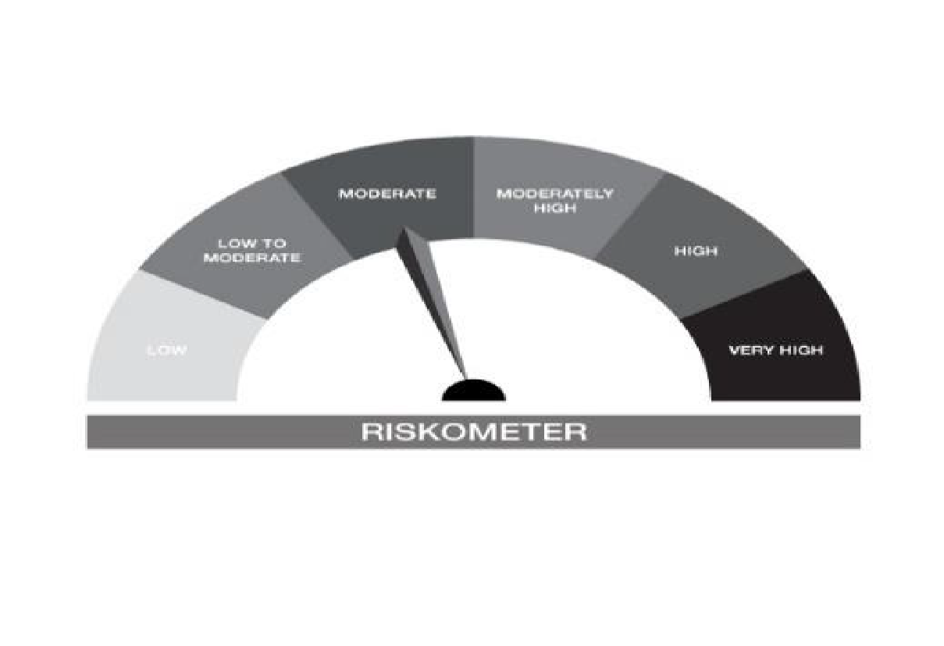


IB10-Groww Short Duration Fund
Portfolio as on 15-NOV-2024
ISIN | Name of Instrument | Rating/Industry | Quantity | Market Value (In Rs. lakh) | % To Net Assets | Maturity Date | Put/Call Option | Yield
 | DEBT INSTRUMENTS
 | (a) Listed / awaiting listing on Stock Exchanges
 | Non Convertible Debentures / Bonds
INE134E08LX5 | 7.59% Power Finance Corporation Limited 17-JAN-2028** | CRISIL AAA | 500,000.00 | 502.34 | 8.57% | 17-JAN-2028 |  | 7.42%
INE377Y07490 | 7.98% Bajaj Housing Finance Ltd 09-SEP-2026** | CRISIL AAA | 500,000.00 | 501.82 | 8.57% | 09-SEP-2026 |  | 7.73%
INE296A07SI8 | 7.9% Bajaj Finance Limited 13-APR-2028** | CRISIL AAA | 500,000.00 | 501.53 | 8.56% | 13-APR-2028 |  | 7.77%
INE556F08KM1 | 7.79% SIDBI 14-MAY-2027** | CARE AAA | 480,000.00 | 483.42 | 8.25% | 14-MAY-2027 |  | 7.48%
INE053F07BA5 | 8.55% Indian Railway Finance Corporation Ltd 21-FEB-2029** | CRISIL AAA | 450,000.00 | 470.62 | 8.03% | 21-FEB-2029 |  | 7.27%
INE020B08AQ9 | 7.7% REC Limited 10-DEC-2027** | CRISIL AAA | 300,000.00 | 301.93 | 5.15% | 10-DEC-2027 |  | 7.46%
INE115A07QM6 | 7.77% LIC Housing Finance Limited 11-AUG-2028** | CRISIL AAA | 300,000.00 | 300.87 | 5.14% | 11-AUG-2028 |  | 7.66%
 | Sub Total |  |  | 3,062.53 | 52.28%
 | (b) Privately placed / Unlisted |  |  | NIL | NIL
 | Sub Total |  |  | NIL | NIL
 | (c) Securitized Debt Instruments |  |  | NIL | NIL
 | Sub Total |  |  | NIL | NIL
 | (d) Government Securities / SDL
IN0020230101 | 7.37% GOI - 23-OCT-2028 | SOVEREIGN | 450,000.00 | 459.14 | 7.84% | 23-OCT-2028 |  | 6.77%
IN1920170124 | 7.69% Karnataka- SDL - 20-Dec-2027 | SOVEREIGN | 100,000.00 | 101.97 | 1.74% | 20-DEC-2027 |  | 6.97%
IN0020220037 | 7.38% GOI MAT 20-Jun-2027 | SOVEREIGN | 50,000.00 | 50.74 | 0.87% | 20-JUN-2027 |  | 6.74%
 | Sub Total |  |  | 611.85 | 10.44%
 | Total |  |  | 3,674.37 | 62.72%

 | MONEY MARKET INSTRUMENTS
 | Treasury Bills
IN002023Z406 | 364 Days Treasury Bill 19-Dec-2024 | SOVEREIGN | 100,000.00 | 99.42 | 1.70% | 19-DEC-2024 |  | 6.4%
 | Sub Total |  |  | 99.42 | 1.70%
 | Certificate of Deposits
INE476A16XI7 | Canara Bank 16-JAN-2025**# | CRISIL A1+ | 100,000.00 | 98.82 | 1.69% | 16-JAN-2025 |  | 7.14%
INE238AD6579 | Axis Bank Limited 29-NOV-2024**# | CRISIL A1+ | 90,000.00 | 89.78 | 1.53% | 29-NOV-2024 |  | 6.8%
 | Sub Total |  |  | 188.60 | 3.22%
 | Total |  |  | 288.03 | 4.92%

 | FIXED DEPOSIT
INHDFC181124 | HDFC Bank Limited |  | 50,000.00 | 50.00 | 0.85% | 18-NOV-2024
 | Total |  |  | 50.00 | 0.85%

 | Alternative Investment Fund Units
INF0RQ622028 | SBI FUNDS MANAGEMENT PVT LMTD |  | 96.68 | 10.10 | 0.17%
 | Total |  |  | 10.10 | 0.17%

 | TREPS / Reverse Repo Investments / Corporate Debt Repo
INTREP181124 | CCIL |  | 17,070.00 | 1,706.43 | 29.13% | 18-NOV-2024
 | Total |  |  | 1,706.43 | 29.13%

 | Cash & Cash Equivalents
 | Net Receivable/Payable |  |  | 129.38 | 2.21%
 | Total |  |  | 129.38 | 2.21%
 | Grand Total |  |  | 5,858.32 | 100.00%

** Non Traded Security
# Unlisted Securities

IB16
 | Scheme - Groww Overnight Fund (formerly known as INDIABULLS OVERNIGHT FUND) | Benchmark - CRISIL Liquid Overnight Index |  |  | Potential Risk Class (PRC)
 | Scheme Risk-O-Meter | Benchmark Risk-O-Meter |  |  | PRC Level - AI
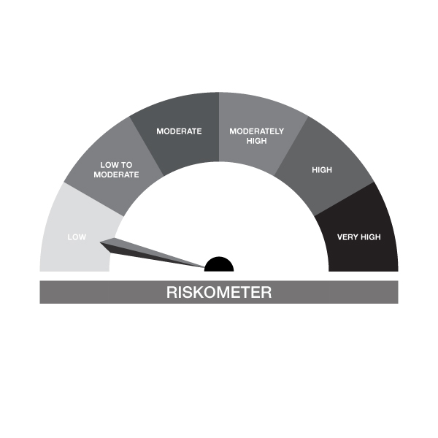


IB16-Groww Overnight Fund
Portfolio as on 15-NOV-2024
ISIN | Name of Instrument | Rating/Industry | Quantity | Market Value (In Rs. lakh) | % To Net Assets | Maturity Date | Put/Call Option | Yield
 | DEBT INSTRUMENTS
 | (a) Listed / awaiting listing on Stock Exchanges |  |  | NIL | NIL
 | Sub Total |  |  | NIL | NIL
 | (b) Privately placed / Unlisted |  |  | NIL | NIL
 | Sub Total |  |  | NIL | NIL
 | (c) Securitized Debt Instruments |  |  | NIL | NIL
 | Sub Total |  |  | NIL | NIL
 | (d) Government Securities / SDL |  |  | NIL | NIL
 | Sub Total |  |  | NIL | NIL
 | Total |  |  | NIL | NIL

 | MONEY MARKET INSTRUMENTS
 | Treasury Bills
IN002024X235 | 91 Days Treasury Bill 28-Nov-2024 | SOVEREIGN | 30,000.00 | 29.94 | 2.29% | 28-NOV-2024 |  | 6.35%
 | Sub Total |  |  | 29.94 | 2.29%
 | Total |  |  | 29.94 | 2.29%

 | TREPS / Reverse Repo Investments / Corporate Debt Repo
INTREP181124 | CCIL |  | 10.00 | 1.00 | 0.08% | 18-NOV-2024
 | Total |  |  | 1.00 | 0.08%

 | Triparty Repo/ Reverse Repo Instrument
 | Reverse Repo 18-NOV-24 |  |  | 1,268.07 | 97.12%
 | Total |  |  | 1,268.07 | 97.12%

 | Cash & Cash Equivalents
 | Net Receivable/Payable |  |  | 6.66 | 0.51%
 | Total |  |  | 6.66 | 0.51%
 | Grand Total |  |  | 1,305.67 | 100.00%

